Employee Wages Benefits
 |  |  |  |  |  |  |  |  | Current
 |  |  |  |  |  |  |  |  | Monthly
 |  |  | Pro forma | Annual |  |  |  |  | Premium
 |  |  | Regular | Incentive | Pro forma |  |  | Health Care Insurance:
Salaried Employees |  |  | Wages | Pay | Wages | Current Salary |  | 1 Single Plan | $967.46
 |  |  |  |  |  |  |  | 1 Family Plan | 2,805.64
Superintendent |  |  | $46,002 | $1,000 | $47,002 | $1,916.75 | 24
Field Employee |  |  | 44,112 | 1,000 | 45,112 | 1,837.99 | 24 | Monthly Health Insurance Paid by Bronston | 3,773.10
Office Manager |  |  | 36,870 | 1,000 | 37,870 | 1,536.26 | 24 | Short-Term Disability and Supplemental Insurance | 656.10
 |  | Test-Year
Hourly Employee | Wage Rate | Hours |  |  |  |  |  | Total Monthly Insurance Premiums | 4,429.20
 |  |  |  |  |  |  |  | Times: 12 Months | 12
Part-Time Customer Service | $16.54 | 1,309 | 21,651 | 1,000 | 22,651
 |  |  |  |  |  |  |  | Pro forma | 53,150
Pro forma |  |  | $148,635 | $4,000 | 152,635 |  |  | Less: Test Year | (40,415)
Less: Test Year |  |  |  |  | (147,559)
 |  |  |  |  |  |  |  | Adjustment | $12,735
Adjustment |  |  |  |  | $5,076

 |  | Employee Wages |  |  | $152,635
 |  | Times: FICA Tax Rate |  |  | 7.65% |  |  | Statement incorrectly includes 1 Employee/Child instead of 1 Employee
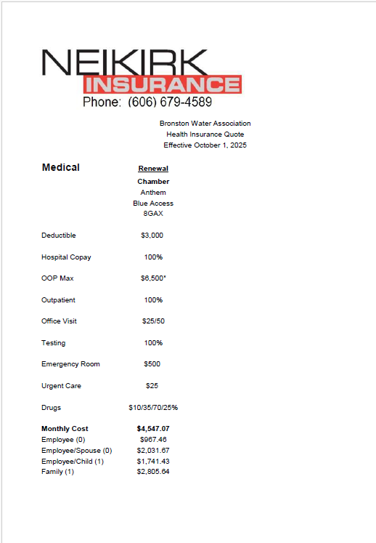
 |  | Pro forma FICA Taxes |  |  | 11,677
 |  | Less: Test Year |  |  | (10,803)

 |  | Adjustment |  |  | $874

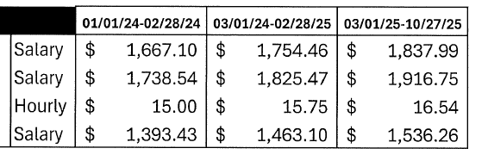

Field Employee

Superintendent

PT Customer Service

Office Manager

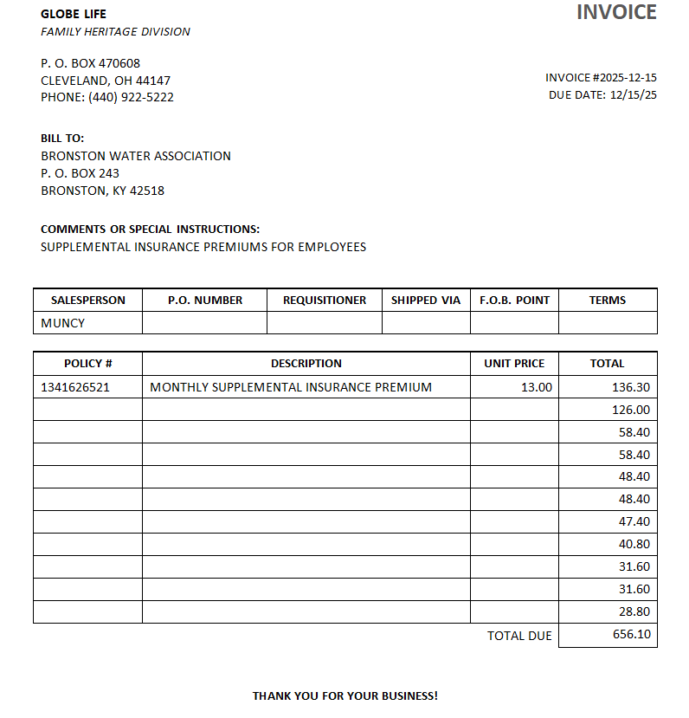

Depreciation
New Plant KPSC Case No. 2024-00076

 |  | Percent of | Allocated |  | Estimated | Annual
 | Construction | Construction | Overhead | Depreciable | Useful | Depreciation
Water Plant Account | Cost | Costs | Costs | Cost | Life | Accrual

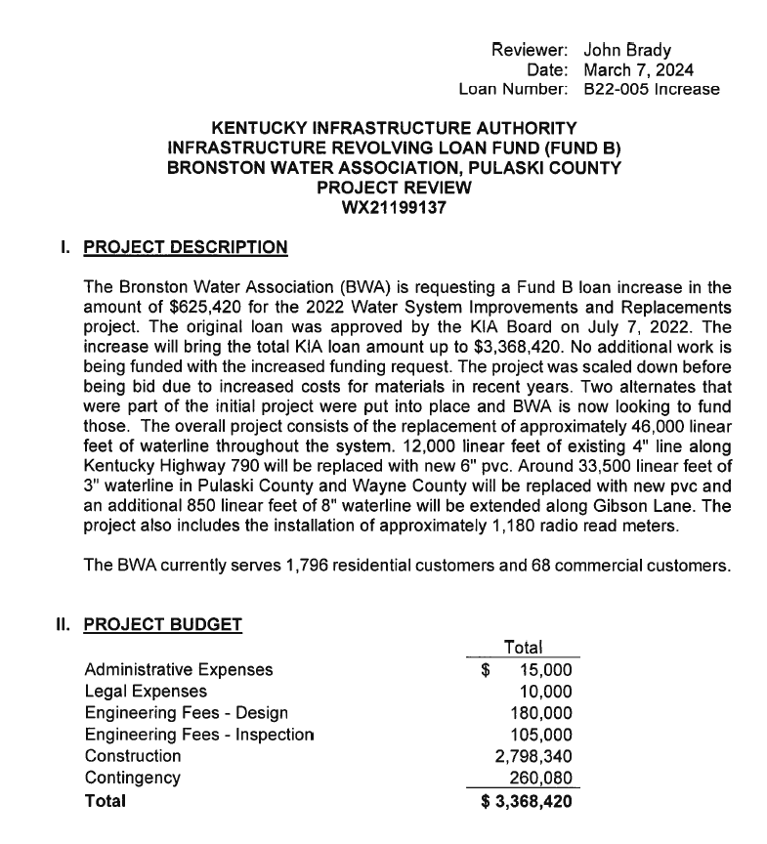
Transmission and Distribution Mains | $2,898,670 | 95.2% | $309,015 | $3,207,685 | 62.5 | $51,323
Meters Reconnections, Settings | 72,750 | 2.4% | 7,756 | 80,506 | 45 | 1,789
Hydrants | 42,500 | 1.4% | 4,531 | 47,031 | 50 | 941
Communication - Telemetry | 30,000 | 1.0% | 3,198 | 33,198 | 10 | 3,320

Total Construction Costs | 3,043,920 | 100% | 324,500 | 3,368,420 |  | $57,372
Overhead: Engineering and Legal | 324,500

Total Cost | $3,368,420

 |  |  | Bid Tabs and Contract No. 1 Exhibits H and I, 2024-00076 Application

 |  |  | Contract No. 1 |  |  |  |  | Alternate No. 1 |  |  | Alternate No. 2 |  |  | Totals
 |  |  | Transmission and Distribution Main |  |  | 1,975,170 |  |  | 550,800 |  |  | 252,700
 |  |  | Pressure Reducing Station |  |  | 35,000
 |  |  | Connections |  |  | 40,000 |  |  | 22,500 |  |  | 22,500 |  | 2,898,670 | Total for Mains
 |  |  | Meter Reconnections, Settings |  |  | 42,750 |  |  | 7,000 |  |  | 23,000 |  | 72,750 | Meters
 |  |  | Flush Hydrants and Blowoff Assemblies |  |  | 40,000 |  |  | 2,500 |  |  |  |  | 42,500 | Hydrants
 |  |  | Telemetry |  |  | 30,000 |  |  |  |  |  |  |  | 30,000 | Telemetry
 |  |  | Exploration - Include as Overhead |  |  | 10,000 | 2,172,920 |  | 2,500 | 585,300 |  | 2,000 | 300,200 | 324,500 | Overhead

 |  |  | Total cost |  |  | 2,172,920 |  |  | 585,300 |  |  | 300,200 |  | 3,368,420
 |  |  | Grand Total Construction Cost |  |  | 3,058,420
 |  |  | Overheads
 |  |  | Adminstrative Fees |  | 15,000
 |  |  | Legal Fees |  | 10,000
 |  |  | Engineering Fees |  | 180,000
 |  |  | Engineering Inspections |  | 105,000 | 310,000

 |  |  | Total Cost |  |  | 3,368,420
