Owen
Owen | Rates Suspended to Sept 2025
Rate SC-1 | Based on EKPC increases

 |  |  |  | Adjusting only Energy Charge and Facility Charge

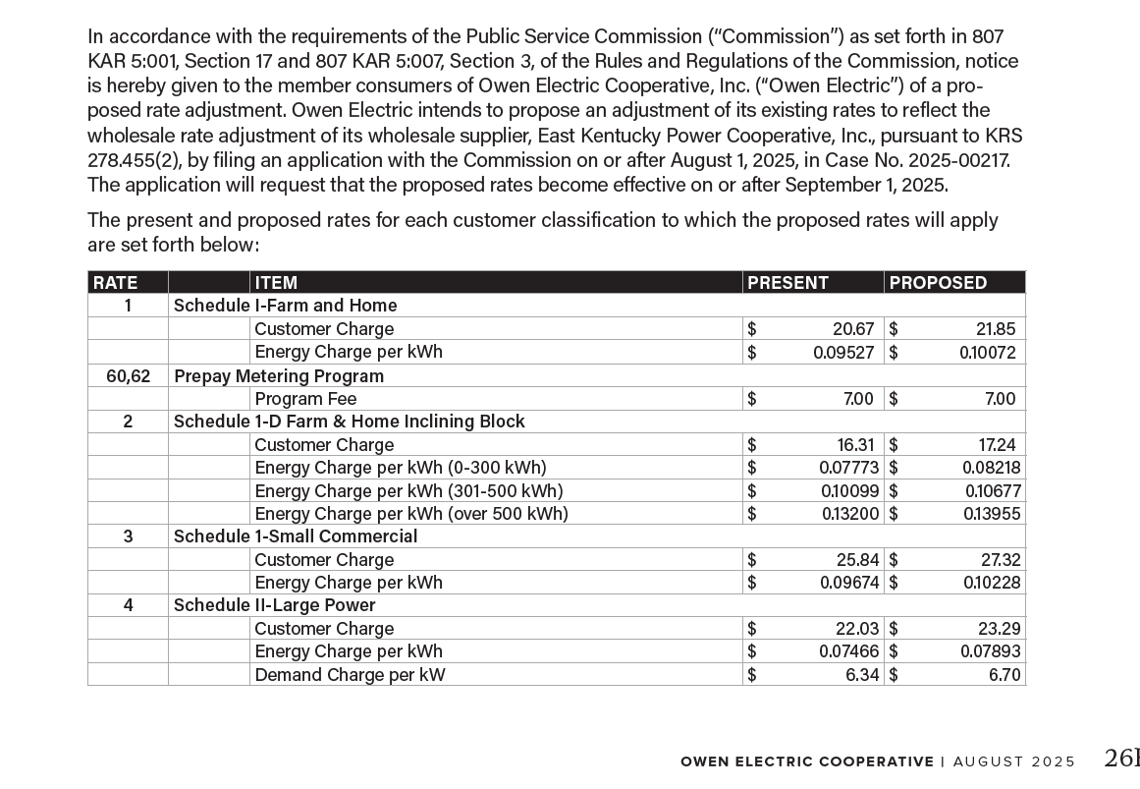
12837 Sycamore Creek Dr |  |  | Billed | Nov-24 | Dec-24 | Jan-25 | Feb-25 | Mar-25 | Apr-25 | May-25 | Jun-25 | Jul-25 | Aug-25 | Sep-25 | Oct-25
 | Present | Proposed | Usage | 4999 | 2506 | 2632 | 7502 | 7273 | 8029 | 6034 | 4352 | 4138 | 4393 | 4124 | 4068
Usage Charge/kWh | $0.09674 | $0.10228 | Energy Charge | $483.60 | $242.43 | $254.62 | $725.74 | $703.59 | $776.73 | $583.73 | $421.01 | $400.31 | $424.98 | $398.96 | $393.54
Facility Charge | $25.84 | $27.32 | Facility Charge | $25.84 | $25.84 | $25.84 | $25.84 | $25.84 | $25.84 | $25.84 | $25.84 | $25.84 | $25.84 | $25.84 | $25.84
 |  |  | Subtotal | $509.44 | $268.27 | $280.46 | $751.58 | $729.43 | $802.57 | $609.57 | $446.85 | $426.15 | $450.82 | $424.80 | $419.38
School Tax | 3% |  | School Tax | $15.28 | $8.05 | $8.41 | $22.55 | $21.88 | $24.08 | $18.29 | $13.41 | $12.78 | $13.52 | $12.74 | $12.58
State Tax | 6% |  | State Tax | $30.57 | $16.10 | $16.83 | $45.10 | $43.77 | $48.15 | $36.57 | $26.81 | $25.57 | $27.05 | $25.49 | $25.16
 |  |  | Total | $555.29 | $292.41 | $305.70 | $819.23 | $795.08 | $874.80 | $664.43 | $487.07 | $464.50 | $491.39 | $463.03 | $457.12

 |  |  | Proposed Rates
 |  |  | Energy Charge | $511.30 | $256.31 | $269.20 | $767.30 | $743.88 | $821.21 | $617.16 | $445.12 | $423.23 | $449.32 | $421.80 | $416.08
 |  |  | Facility Charge | $27.32 | $27.32 | $27.32 | $27.32 | $27.32 | $27.32 | $27.32 | $27.32 | $27.32 | $27.32 | $27.32 | $27.32
 |  |  | Subtotal | $538.62 | $283.63 | $296.52 | $794.62 | $771.20 | $848.53 | $644.48 | $472.44 | $450.55 | $476.64 | $449.12 | $443.40
 |  |  | School Tax | $16.16 | $8.51 | $8.90 | $23.84 | $23.14 | $25.46 | $19.33 | $14.17 | $13.52 | $14.30 | $13.47 | $13.30
 |  |  | State Tax | $32.32 | $17.02 | $17.79 | $47.68 | $46.27 | $50.91 | $38.67 | $28.35 | $27.03 | $28.60 | $26.95 | $26.60
 |  |  | Total | $587.09 | $309.16 | $323.21 | $866.14 | $840.61 | $924.89 | $702.48 | $514.96 | $491.10 | $519.53 | $489.54 | $483.30

 |  |  | Increase | $31.80 | $16.75 | $17.51 | $46.91 | $45.53 | $50.10 | $38.05 | $27.89 | $26.60 | $28.14 | $26.52 | $26.18 | $381.98

5778 Lakewood Dr |  |  | Billed | Nov-24 | Dec-24 | Jan-25 | Feb-25 | Mar-25 | Apr-25 | May-25 | Jun-25 | Jul-25 | Aug-25 | Sep-25 | Oct-25
 | Present | Proposed | Usage | 2232 | 2506 | 2632 | 2632 | 2285 | 2362 | 2290 | 2665 | 2313 | 2529 | 2440 | 2272
Usage Charge/kWh | $0.09674 | $0.10228 | Energy Charge | $215.92 | $242.43 | $254.62 | $254.62 | $221.05 | $228.50 | $221.53 | $257.81 | $223.76 | $244.66 | $236.05 | $219.79
Facility Charge | $25.84 | $27.32 | Facility Charge | $25.84 | $25.84 | $25.84 | $25.84 | $25.84 | $25.84 | $25.84 | $25.84 | $25.84 | $25.84 | $25.84 | $25.84
 |  |  | Subtotal | $241.76 | $268.27 | $280.46 | $280.46 | $246.89 | $254.34 | $247.37 | $283.65 | $249.60 | $270.50 | $261.89 | $245.63
School Tax | 3% |  | School Tax | $7.25 | $8.05 | $8.41 | $8.41 | $7.41 | $7.63 | $7.42 | $8.51 | $7.49 | $8.11 | $7.86 | $7.37
State Tax | 6% |  | State Tax | $14.51 | $16.10 | $16.83 | $16.83 | $14.81 | $15.26 | $14.84 | $17.02 | $14.98 | $16.23 | $15.71 | $14.74
 |  |  | Total | $263.52 | $292.41 | $305.70 | $305.70 | $269.11 | $277.23 | $269.64 | $309.18 | $272.06 | $294.84 | $285.46 | $267.74

 |  |  | Proposed Rates
 |  |  | Energy Charge | $228.29 | $256.31 | $269.20 | $269.20 | $233.71 | $241.59 | $234.22 | $272.58 | $236.57 | $258.67 | $249.56 | $232.38
 |  |  | Facility Charge | $27.32 | $27.32 | $27.32 | $27.32 | $27.32 | $27.32 | $27.32 | $27.32 | $27.32 | $27.32 | $27.32 | $27.32
 |  |  | Subtotal | $255.61 | $283.63 | $296.52 | $296.52 | $261.03 | $268.91 | $261.54 | $299.90 | $263.89 | $285.99 | $276.88 | $259.70
 |  |  | School Tax | $7.67 | $8.51 | $8.90 | $8.90 | $7.83 | $8.07 | $7.85 | $9.00 | $7.92 | $8.58 | $8.31 | $7.79
 |  |  | State Tax | $15.34 | $17.02 | $17.79 | $17.79 | $15.66 | $16.13 | $15.69 | $17.99 | $15.83 | $17.16 | $16.61 | $15.58
 |  |  | Total | $278.61 | $309.16 | $323.21 | $323.21 | $284.52 | $293.11 | $285.08 | $326.89 | $287.64 | $311.72 | $301.80 | $283.07

 |  |  | Increase | $15.09 | $16.75 | $17.51 | $17.51 | $15.41 | $15.88 | $15.44 | $17.71 | $15.58 | $16.88 | $16.35 | $15.33 | $195.43

 |  |  | Total Increase | $46.89 | $33.49 | $35.01 | $64.42 | $60.94 | $65.97 | $53.49 | $45.60 | $42.18 | $45.03 | $42.86 | $41.51 | $577.41

KU
KU | Rates Suspended to 12/31/2025
 | Case No. 2025-00113

 |  |  |  | Adjusting only Energy Charge and Facility Charge

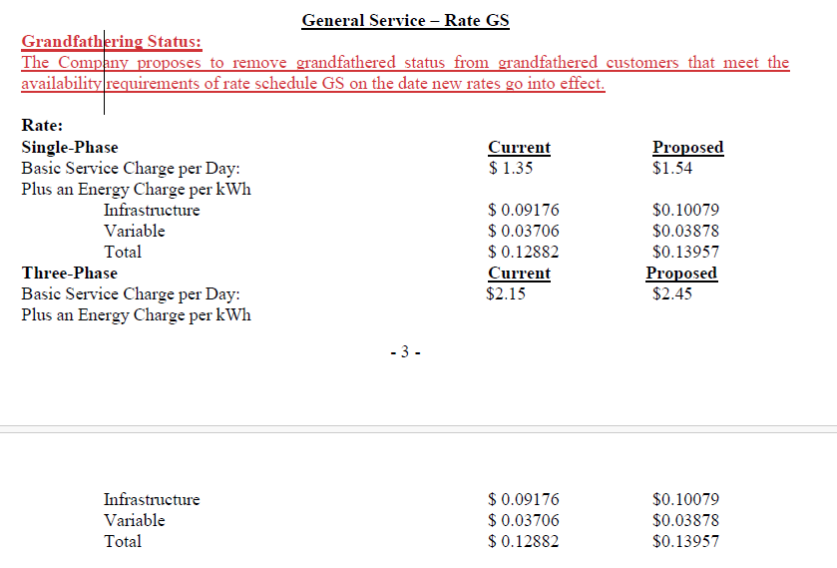
212 Gemini Trl Pump |  |  | Current Rates | Nov-25 | Dec-24 | Jan-25 | Feb-25 | Mar-25 | Apr-25 | May-25 | Jun-25 | Jul-25 | Aug-25 | Sep-25 | Oct-25 | Nov-25
 | Present | Proposed | Usage |  | 1,966 | 2,227 | 2,011 | 2,625 | 1,179 | 2,044 | 2,297 | 2,193 | 1,591 | 1,109 | 1,684 | 2,017
Usage Charge/kWh | $0.12882 | 0.13957 | Energy Charge |  | $253.26 | $286.88 | $259.06 | $338.15 | $151.88 | $263.31 | $295.90 | $282.50 | $204.95 | $142.86 | $216.93 | $259.83
Facility Charge | $2.15 | $2.45 | Days |  | 29 | 31 | 29 | 32 | 29 | 29 | 32 | 29 | 31 | 32 | 29 | 29
 |  |  | Facility Charge |  | $62.35 | $66.65 | $62.35 | $68.80 | $62.35 | $62.35 | $68.80 | $62.35 | $66.65 | $68.80 | $62.35 | $62.35
School Tax | 3% |  | Subtotal |  | $315.61 | $353.53 | $321.41 | $406.95 | $214.23 | $325.66 | $364.70 | $344.85 | $271.60 | $211.66 | $279.28 | $322.18
State Tax | 6% |  | School Tax |  | $9.47 | $10.61 | $9.64 | $12.21 | $6.43 | $9.77 | $10.94 | $10.35 | $8.15 | $6.35 | $8.38 | $9.67
 |  |  | State Tax |  | $18.94 | $21.21 | $19.28 | $24.42 | $12.85 | $19.54 | $21.88 | $20.69 | $16.30 | $12.70 | $16.76 | $19.33
 |  |  | Total |  | $344.02 | $385.35 | $350.33 | $443.58 | $233.51 | $354.97 | $397.52 | $375.89 | $296.05 | $230.71 | $304.42 | $351.18

 |  |  | Proposed Rates
 |  |  | Energy Charge |  | $274.39 | $310.82 | $280.68 | $366.37 | $164.55 | $285.28 | $320.59 | $306.08 | $222.06 | $154.78 | $235.04 | $281.51
 |  |  | Facility Charge |  | $71.05 | $75.95 | $71.05 | $78.40 | $71.05 | $71.05 | $78.40 | $71.05 | $75.95 | $78.40 | $71.05 | $71.05
 |  |  | Subtotal |  | $345.44 | $386.77 | $351.73 | $444.77 | $235.60 | $356.33 | $398.99 | $377.13 | $298.01 | $233.18 | $306.09 | $352.56
 |  |  | School Tax |  | $10.36 | $11.60 | $10.55 | $13.34 | $7.07 | $10.69 | $11.97 | $11.31 | $8.94 | $7.00 | $9.18 | $10.58
 |  |  | State Tax |  | $20.73 | $23.21 | $21.10 | $26.69 | $14.14 | $21.38 | $23.94 | $22.63 | $17.88 | $13.99 | $18.37 | $21.15
 |  |  | Total |  | $376.53 | $421.58 | $383.38 | $484.80 | $256.81 | $388.40 | $434.90 | $411.07 | $324.83 | $254.17 | $333.63 | $384.29

 |  |  | Increase |  | $32.52 | $36.23 | $33.05 | $41.22 | $23.30 | $33.43 | $37.38 | $35.18 | $28.78 | $23.46 | $29.22 | $33.12 | $386.88

122 Alexandra Jett Ln Pump |  |  | Current Rates | Nov-25 | Dec-24 | Jan-25 | Feb-25 | Mar-25 | Apr-25 | May-25 | Jun-25 | Jul-25 | Aug-25 | Sep-25 | Oct-25 | Nov-25
 | Present | Proposed | Usage |  | 197 | 197 | 207 | 227 | 189 | 207 | 198 | 173 | 161 | 157 | 145 | 154
Usage Charge/kWh | $0.12882 | 0.13957 | Energy Charge |  | $25.38 | $25.38 | $26.67 | $29.24 | $24.35 | $26.67 | $25.51 | $22.29 | $20.74 | $20.22 | $18.68 | $19.84
Facility Charge | $1.35 | $1.54 | Days |  | 31 | 31 | 29 | 32 | 29 | 29 | 32 | 29 | 31 | 32 | 29 | 29
 |  |  | Facility Charge |  | $41.85 | $41.85 | $39.15 | $43.20 | $39.15 | $39.15 | $43.20 | $39.15 | $41.85 | $43.20 | $39.15 | $39.15
School Tax | 3% |  | Subtotal |  | $67.23 | $67.23 | $65.82 | $72.44 | $63.50 | $65.82 | $68.71 | $61.44 | $62.59 | $63.42 | $57.83 | $58.99
State Tax | 6% |  | School Tax |  | $2.02 | $2.02 | $1.97 | $2.17 | $1.90 | $1.97 | $2.06 | $1.84 | $1.88 | $1.90 | $1.73 | $1.77
 |  |  | State Tax |  | $4.03 | $4.03 | $3.95 | $4.35 | $3.81 | $3.95 | $4.12 | $3.69 | $3.76 | $3.81 | $3.47 | $3.54
 |  |  | Total |  | $73.28 | $73.28 | $71.74 | $78.96 | $69.21 | $71.74 | $74.89 | $66.97 | $68.22 | $69.13 | $63.03 | $64.30

 |  |  | Proposed Rates
 |  |  | Energy Charge |  | $27.50 | $27.50 | $28.89 | $31.68 | $26.38 | $28.89 | $27.63 | $24.15 | $22.47 | $21.91 | $20.24 | $21.49
 |  |  | Facility Charge |  | $47.74 | $47.74 | $44.66 | $49.28 | $44.66 | $44.66 | $49.28 | $44.66 | $47.74 | $49.28 | $44.66 | $44.66
 |  |  | Subtotal |  | $75.24 | $75.24 | $73.55 | $80.96 | $71.04 | $73.55 | $76.91 | $68.81 | $70.21 | $71.19 | $64.90 | $66.15
 |  |  | School Tax |  | $2.26 | $2.26 | $2.21 | $2.43 | $2.13 | $2.21 | $2.31 | $2.06 | $2.11 | $2.14 | $1.95 | $1.98
 |  |  | State Tax |  | $4.51 | $4.51 | $4.41 | $4.86 | $4.26 | $4.41 | $4.61 | $4.13 | $4.21 | $4.27 | $3.89 | $3.97
 |  |  | Total |  | $82.01 | $82.01 | $80.17 | $88.25 | $77.43 | $80.17 | $83.84 | $75.00 | $76.53 | $77.60 | $70.74 | $72.11

 |  |  | Increase |  | $8.73 | $8.73 | $8.43 | $9.29 | $8.22 | $8.43 | $8.95 | $8.03 | $8.31 | $8.47 | $7.70 | $7.81 | $101.10

149 Hager Ave |  |  | Current Rates | Nov-25 | Dec-24 | Jan-25 | Feb-25 | Mar-25 | Apr-25 | May-25 | Jun-25 | Jul-25 | Aug-25 | Sep-25 | Oct-25 | Nov-25
 | Present | Proposed | Usage |  | 6,799 | 5,990 | 4,774 | 4,774 | 5,463 | 5,846 | 5,510 | 5,173 | 5,794 | 5,405 | 5,531 | 4,980
Usage Charge/kWh | $0.12882 | 0.13957 | Energy Charge |  | $875.85 | $771.63 | $614.99 | $614.99 | $703.74 | $753.08 | $709.80 | $666.39 | $746.38 | $696.27 | $712.50 | $641.52
Facility Charge | $2.15 | $2.45 | Days |  | 31 | 30 | 29 | 29 | 29 | 31 | 30 | 29 | 33 | 29 | 32 | 29
 |  |  | Facility Charge |  | $66.65 | $64.50 | $62.35 | $62.35 | $62.35 | $66.65 | $64.50 | $62.35 | $70.95 | $62.35 | $68.80 | $62.35
School Tax | 3% |  | Subtotal |  | $942.50 | $836.13 | $677.34 | $677.34 | $766.09 | $819.73 | $774.30 | $728.74 | $817.33 | $758.62 | $781.30 | $703.87
State Tax | 6% |  | School Tax |  | $28.27 | $25.08 | $20.32 | $20.32 | $22.98 | $24.59 | $23.23 | $21.86 | $24.52 | $22.76 | $23.44 | $21.12
 |  |  | State Tax |  | $56.55 | $50.17 | $40.64 | $40.64 | $45.97 | $49.18 | $46.46 | $43.72 | $49.04 | $45.52 | $46.88 | $42.23
 |  |  | Total |  | $1,027.32 | $911.38 | $738.30 | $738.30 | $835.04 | $893.51 | $843.99 | $794.32 | $890.89 | $826.90 | $851.62 | $767.22

 |  |  | Proposed Rates
 |  |  | Energy Charge |  | $948.94 | $836.02 | $666.31 | $666.31 | $762.47 | $815.93 | $769.03 | $722.00 | $808.67 | $754.38 | $771.96 | $695.06
 |  |  | Facility Charge |  | $75.95 | $73.50 | $71.05 | $71.05 | $71.05 | $75.95 | $73.50 | $71.05 | $80.85 | $71.05 | $78.40 | $71.05
 |  |  | Subtotal |  | $1,024.89 | $909.52 | $737.36 | $737.36 | $833.52 | $891.88 | $842.53 | $793.05 | $889.52 | $825.43 | $850.36 | $766.11
 |  |  | School Tax |  | $30.75 | $27.29 | $22.12 | $22.12 | $25.01 | $26.76 | $25.28 | $23.79 | $26.69 | $24.76 | $25.51 | $22.98
 |  |  | State Tax |  | $61.49 | $54.57 | $44.24 | $44.24 | $50.01 | $53.51 | $50.55 | $47.58 | $53.37 | $49.53 | $51.02 | $45.97
 |  |  | Total |  | $1,117.13 | $991.38 | $803.72 | $803.72 | $908.54 | $972.15 | $918.36 | $864.42 | $969.58 | $899.71 | $926.89 | $835.06

 |  |  | Increase |  | $89.80 | $80.00 | $65.42 | $65.42 | $73.50 | $78.64 | $74.37 | $70.10 | $78.68 | $72.82 | $75.27 | $67.84 | $891.86

298 Herrington Haven |  |  | Current Rates | Nov-25 | Dec-24 | Jan-25 | Feb-25 | Mar-25 | Apr-25 | May-25 | Jun-25 | Jul-25 | Aug-25 | Sep-25 | Oct-25 | Nov-25
 | Present | Proposed | Usage | 2,525 | 2,221 | 2,043 | 1,959 | 1,727 | 1,687 | 1,672 | 1,920 | 1,831 | 1,825 | 1,947 | 1,756
Usage Charge/kWh | $0.12882 | 0.13957 | Energy Charge | $325.27 | $286.11 | $263.18 | $252.36 | $222.47 | $217.32 | $215.39 | $247.33 | $235.87 | $235.10 | $250.81 | $226.21
Facility Charge | $2.15 | $2.45 | Days | 29 | 30 | 32 | 31 | 29 | 29 | 29 | 33 | 30 | 29 | 32 | 30
 |  |  | Facility Charge | $62.35 | $64.50 | $68.80 | $66.65 | $62.35 | $62.35 | $62.35 | $70.95 | $64.50 | $62.35 | $68.80 | $64.50
School Tax | 3% |  | Subtotal | $387.62 | $350.61 | $331.98 | $319.01 | $284.82 | $279.67 | $277.74 | $318.28 | $300.37 | $297.45 | $319.61 | $290.71
State Tax | 6% |  | School Tax | $11.63 | $10.52 | $9.96 | $9.57 | $8.54 | $8.39 | $8.33 | $9.55 | $9.01 | $8.92 | $9.59 | $8.72
 |  |  | State Tax | $23.26 | $21.04 | $19.92 | $19.14 | $17.09 | $16.78 | $16.66 | $19.10 | $18.02 | $17.85 | $19.18 | $17.44
 |  |  | Total | $422.51 | $382.16 | $361.86 | $347.72 | $310.46 | $304.84 | $302.73 | $346.93 | $327.40 | $324.22 | $348.38 | $316.87

 |  |  | Proposed Rates
 |  |  | Energy Charge | $352.41 | $309.98 | $285.14 | $273.42 | $241.04 | $235.45 | $233.36 | $267.97 | $255.55 | $254.72 | $271.74 | $245.08
 |  |  | Facility Charge | $71.05 | $73.50 | $78.40 | $75.95 | $71.05 | $71.05 | $71.05 | $80.85 | $73.50 | $71.05 | $78.40 | $73.50
 |  |  | Subtotal | $423.46 | $383.48 | $363.54 | $349.37 | $312.09 | $306.50 | $304.41 | $348.82 | $329.05 | $325.77 | $350.14 | $318.58
 |  |  | School Tax | $12.70 | $11.50 | $10.91 | $10.48 | $9.36 | $9.20 | $9.13 | $10.46 | $9.87 | $9.77 | $10.50 | $9.56
 |  |  | State Tax | $25.41 | $23.01 | $21.81 | $20.96 | $18.73 | $18.39 | $18.26 | $20.93 | $19.74 | $19.55 | $21.01 | $19.12
 |  |  | Total | $461.58 | $418.00 | $396.26 | $380.81 | $340.18 | $334.09 | $331.81 | $380.22 | $358.67 | $355.08 | $381.66 | $347.26

 |  |  | Increase | $39.07 | $35.83 | $34.40 | $33.09 | $29.72 | $29.25 | $29.07 | $33.29 | $31.26 | $30.87 | $33.28 | $30.39 | $- | $389.53

3243 Frankfort Rd |  |  | Current Rates | Nov-25 | Dec-24 | Jan-25 | Feb-25 | Mar-25 | Apr-25 | May-25 | Jun-25 | Jul-25 | Aug-25 | Sep-25 | Oct-25 | Nov-25
 | Present | Proposed | Usage | 12,222 | 12,267 | 13,822 | 10,902 | 11,309 | 10,800 | 12,051 | 10,359 | 11,322 | 10,214 | 10,942 | 11,120
Usage Charge/kWh | $0.12882 | 0.13957 | Energy Charge | $1,574.44 | $1,580.23 | $1,780.55 | $1,404.40 | $1,456.83 | $1,391.26 | $1,552.41 | $1,334.45 | $1,458.50 | $1,315.77 | $1,409.55 | $1,432.48
Facility Charge | $2.15 | $2.45 | Days | 31 | 30 | 34 | 29 | 29 | 29 | 31 | 30 | 33 | 29 | 30 | 32
 |  |  | Facility Charge | $66.65 | $64.50 | $73.10 | $62.35 | $62.35 | $62.35 | $66.65 | $64.50 | $70.95 | $62.35 | $64.50 | $68.80
School Tax | 3% |  | Subtotal | $1,641.09 | $1,644.73 | $1,853.65 | $1,466.75 | $1,519.18 | $1,453.61 | $1,619.06 | $1,398.95 | $1,529.45 | $1,378.12 | $1,474.05 | $1,501.28
State Tax | 6% |  | School Tax | $49.23 | $49.34 | $55.61 | $44.00 | $45.58 | $43.61 | $48.57 | $41.97 | $45.88 | $41.34 | $44.22 | $45.04
 |  |  | State Tax | $98.47 | $98.68 | $111.22 | $88.00 | $91.15 | $87.22 | $97.14 | $83.94 | $91.77 | $82.69 | $88.44 | $90.08
 |  |  | Total | $1,788.79 | $1,792.76 | $2,020.48 | $1,598.75 | $1,655.90 | $1,584.43 | $1,764.78 | $1,524.85 | $1,667.10 | $1,502.15 | $1,606.71 | $1,636.39

 |  |  | Proposed Rates
 |  |  | Energy Charge | $1,705.82 | $1,712.11 | $1,929.14 | $1,521.59 | $1,578.40 | $1,507.36 | $1,681.96 | $1,445.81 | $1,580.21 | $1,425.57 | $1,527.17 | $1,552.02
 |  |  | Facility Charge | $75.95 | $73.50 | $83.30 | $71.05 | $71.05 | $71.05 | $75.95 | $73.50 | $80.85 | $71.05 | $73.50 | $78.40
 |  |  | Subtotal | $1,781.77 | $1,785.61 | $2,012.44 | $1,592.64 | $1,649.45 | $1,578.41 | $1,757.91 | $1,519.31 | $1,661.06 | $1,496.62 | $1,600.67 | $1,630.42
...

LG&E
...
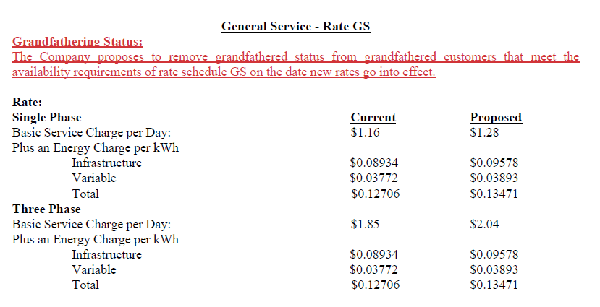

Aug-25 | Sep-25 | Oct-25
144 | 138 | 141
$18.30 | $17.53 | $17.92
32 | 30 | 29
$37.12 | $34.80 | $33.64
$55.42 | $52.33 | $51.56
$1.66 | $1.57 | $1.55
$3.32 | $3.14 | $3.09
$60.40 | $57.04 | $56.20
...
$19.40 | $18.59 | $18.99
$40.96 | $38.40 | $37.12
$60.36 | $56.99 | $56.11
$1.81 | $1.71 | $1.68
$3.62 | $3.42 | $3.37
$65.79 | $62.12 | $61.16

$5.39 | $5.07 | $4.97 | $64.44

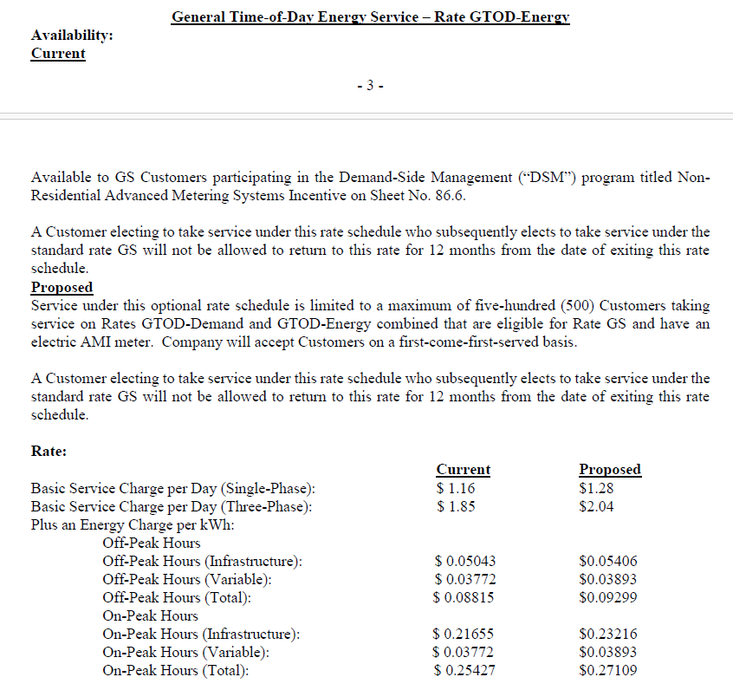
Aug-25 | Sep-25 | Oct-25
7,285 | 8,013 | 7,363
$925.63 | $1,018.13 | $935.54
32 | 30 | 29
$37.12 | $34.80 | $33.64
$962.75 | $1,052.93 | $969.18
$28.88 | $31.59 | $29.08
$57.77 | $63.18 | $58.15
$1,049.40 | $1,147.70 | $1,056.41
...
$981.36 | $1,079.43 | $991.87
$40.96 | $38.40 | $37.12
$1,022.32 | $1,117.83 | $1,028.99
$30.67 | $33.53 | $30.87
$61.34 | $67.07 | $61.74
$1,114.33 | $1,218.44 | $1,121.60

$64.93 | $70.74 | $65.19 | $938.33

Aug-25 | Sep-25 | Oct-25
1,053 | 407 | 464
$133.79 | $51.71 | $58.96
32 | 30 | 29
$37.12 | $34.80 | $33.64
$170.91 | $86.51 | $92.60
$5.13 | $2.60 | $2.78
$10.25 | $5.19 | $5.56
$186.30 | $94.30 | $100.93
...
$141.85 | $54.83 | $62.51
$40.96 | $38.40 | $37.12
$182.81 | $93.23 | $99.63
$5.48 | $2.80 | $2.99
$10.97 | $5.59 | $5.98
$199.26 | $101.62 | $108.59

$12.97 | $7.32 | $7.66 | $150.39

$83.28 | $83.13 | $77.82 | $1,153.16

Jackson Purchase
...
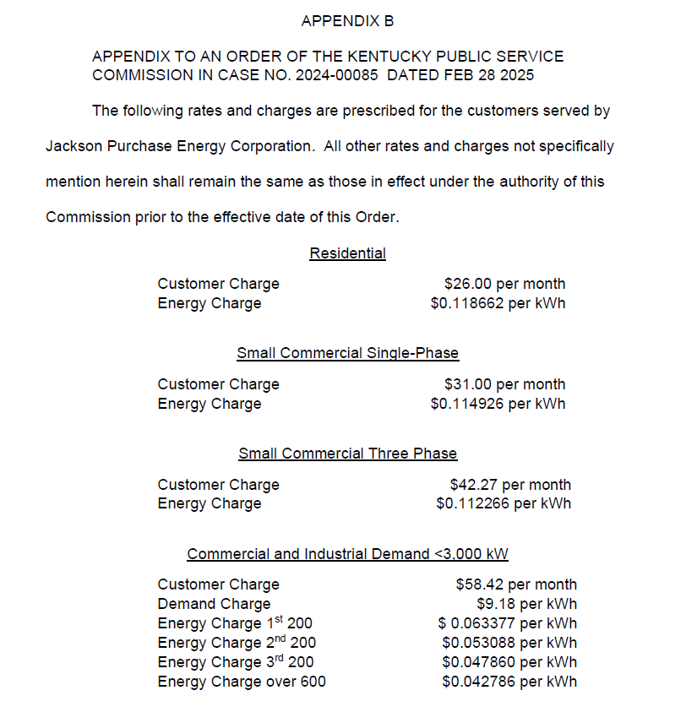
Jul-25 | Aug-25 | Sep-25 | Oct-25
9,300 | 10,800 | 9,000 | 8,700
$1,047.74 | $1,216.73 | $1,013.94 | $980.14
$42.27 | $42.27 | $42.27 | $42.27
$1,090.01 | $1,259.00 | $1,056.21 | $1,022.41
$32.70 | $37.77 | $31.69 | $30.67
$65.40 | $75.54 | $63.37 | $61.34
$1,188.11 | $1,372.31 | $1,151.27 | $1,114.43
...
$1,047.74 | $1,216.73 | $1,013.94 | $980.14
$42.27 | $42.27 | $42.27 | $42.27
$1,090.01 | $1,259.00 | $1,056.21 | $1,022.41
$32.70 | $37.77 | $31.69 | $30.67
$65.40 | $75.54 | $63.37 | $61.34
$1,188.11 | $1,372.31 | $1,151.27 | $1,114.43

$- | $- | $- | $- | $522.21

Jul-25 | Aug-25 | Sep-25 | Oct-25
120 | 44 | 21 | 29
$13.79 | $5.06 | $2.41 | $3.33
$31.00 | $31.00 | $31.00 | $31.00
$44.79 | $36.06 | $33.41 | $34.33
$1.34 | $1.08 | $1.00 | $1.03
$2.69 | $2.16 | $2.00 | $2.06
$48.82 | $39.30 | $36.42 | $37.42
...
$13.79 | $5.06 | $2.41 | $3.33
$31.00 | $31.00 | $31.00 | $31.00
$44.79 | $36.06 | $33.41 | $34.33
$1.34 | $1.08 | $1.00 | $1.03
$2.69 | $2.16 | $2.00 | $2.06
$48.82 | $39.30 | $36.42 | $37.42

$- | $- | $- | $- | $23.61

Jul-25 | Aug-25 | Sep-25 | Oct-25
3147 | 2980 | 2716 | 3615
$361.67 | $342.48 | $312.14 | $415.46
$31.00 | $31.00 | $31.00 | $31.00
$392.67 | $373.48 | $343.14 | $446.46
$11.78 | $11.20 | $10.29 | $13.39
$23.56 | $22.41 | $20.59 | $26.79
$428.01 | $407.09 | $374.02 | $486.64
...
$361.67 | $342.48 | $312.14 | $415.46
$31.00 | $31.00 | $31.00 | $31.00
$392.67 | $373.48 | $343.14 | $446.46
...

Blue Grass Energy
...
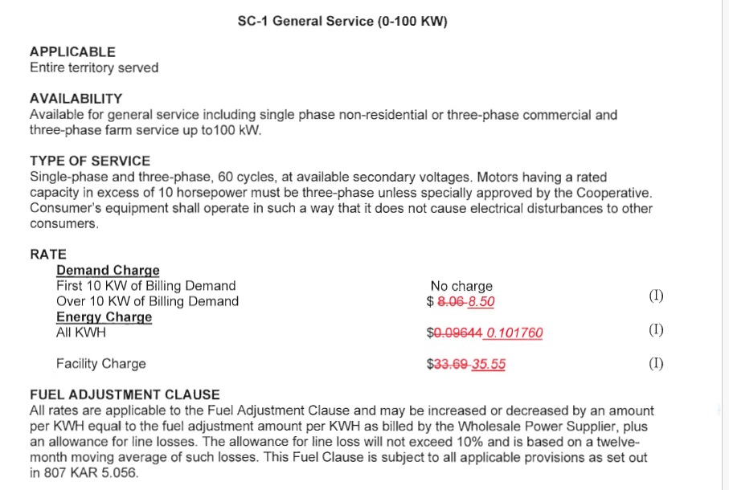
Aug-25 | Sep-25 | Oct-25
348 | 315 | 146
$33.56 | $30.38 | $14.08
$33.69 | $33.69 | $33.69
$67.25 | $64.07 | $47.77
$2.02 | $1.92 | $1.43
$4.04 | $3.84 | $2.87
$73.30 | $69.83 | $52.07
...
$35.41 | $32.05 | $14.86
$35.55 | $35.55 | $35.55
$70.96 | $67.60 | $50.41
$2.13 | $2.03 | $1.51
$4.26 | $4.06 | $3.02
$77.35 | $73.69 | $54.94

$4.05 | $3.85 | $2.87 | $43.71

