Sch I Summary
Delta Natural Gas Company, Inc.
Pipe Replacement Program Filing
Forecasted Period Ending December 31, 2026
Rates Effective: January 1, 2026

 |  |  |  | Pulling Yr 4 | Pulling Yr 3 | Pulling Yr 2 | Pulling Yr 1
 |  |  |  | 2023 | 2024 | 2025 | 2026 | Total
1 | Eligible expenditures under the PRP (Schedule II) |  |  | $6,691,502 | $8,915,084 | $8,605,646 | $2,927,405
2 | Less:
3 | Accumulated depreciation |  |  | (701,888) | (648,701) | (386,208) | (84,353)
4 | Accumulated deferred income taxes |  |  | (1,494,408) | (2,062,462) | (2,050,751) | (709,342)
5 | Net PRP Rate Base, as of December 31, 2026 |  |  | 4,495,206 | 6,203,921 | 6,168,687 | 2,133,710

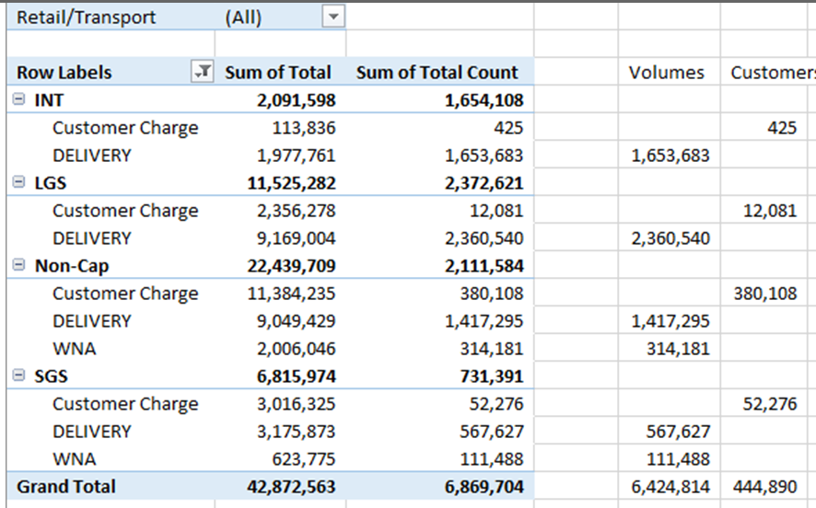
6 | WACC, per case no 2021-00185 |  |  | 7.2200% | 7.2200% | 7.2200% | 7.2200%
7 | WACC, grossed up for income taxes, PSC assessment, and bad debt |  |  | 8.9616% | 8.9616% | 8.9616% | 8.9616%
8 | Tax expansion factor, w PSC (per Case No. 2021-00185) |  |  | 1.33984 | 1.33984 | 1.33984 | 1.33984
9 | Return, grossed up for income taxes |  |  | 402,843 | 555,971 | 552,813 | 191,215 | $1,702,842
10 | Cost of Service Items (Schedule III) |  |  |  |  |  |  | $1,116,634
11 | Current Year Projected PRP Revenue Requirement |  |  |  |  |  |  | $2,819,476

 |  | Calculated Net Revenue |  | Allocated | Volumes
 |  | @ Approved Rates | Class | PRP | per Case No. | PRP Rate
 |  | per Case No. 2024-00346 | Allocation | Adjustment | 2024-00346 | Per MCF
12 | Residential | $22,439,709 | 52.3% | $1,475,727 | 1,731,476 | $0.85229
13 | Small Non-Residential | 6,815,974 | 15.9% | $448,246 | 679,115 | $0.66004
14 | Large Non-Residential | 11,525,282 | 26.9% | $757,950 | 2,360,540 | $0.32109
15 | Interruptible | 2,091,598 | 4.9% | $137,552 | 1,653,683 | $0.08318
16 | Total | $42,872,563 | 100.0% | $2,819,475 | 6,424,814

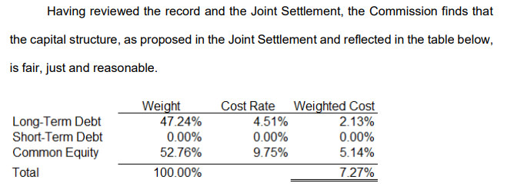
 |  | Weighted Cost of Capital | Gross Revenue Conversion Factor | Pretax Weighted Average Cost of Capital
17 | Equity | 5.0900% | 1.33984 | 6.8198% | 1.3324450366
18 | Long-term debt | 2.1300% | 1.00555 | 2.1418%
19 | Short-term debt | 0.0000% | 1.00555 | 0.0000%
20 | Total | 7.2200% |  | 8.9616%

