Direct Charges
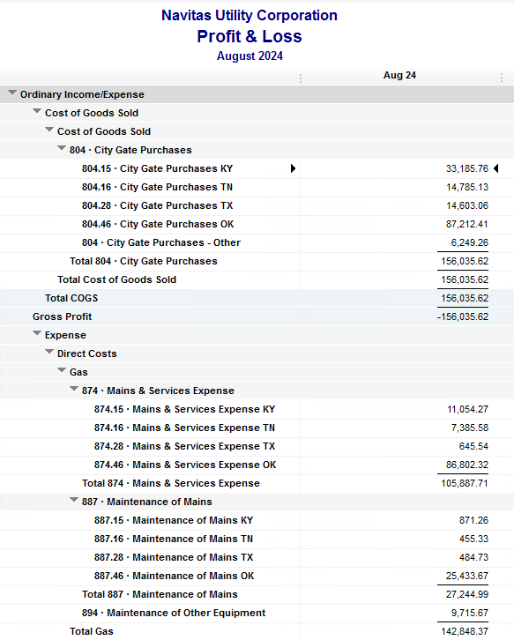
Navitas Utility Corporation |  |  |  | Data Input Aug 24 billing =Aug invoices = July Flow data= July Sales Volume
 |  |  |  |  |  |  | Billed to System
Revenue Billing - Direct Charges |  |  |  |  | KY | TN |  | OK | TX | NC
 |  |  |  | Amount

 | 874 Mains & Services
 |  | 874.15 Mains & Services KY |  | 11,054.27 | $11,054
 |  | 874.16 Mains & Services TN |  | 7,385.58 |  | $7,386
 |  | 874.28 Mains & Services TX |  | 645.54 |  |  |  |  | $646
 |  | 874.46 Mains & Services OK |  | 86,802.32 |  |  |  | $86,802

 | 887 Maintenance of Mains
 |  | 887.15 Maintenance of Mains KY |  | 871.26 | $871
 |  | 887.16 Maintenance of Mains TN |  | 455.33 |  | $455
 |  | 887.28 Maintenance of Mains TX |  | 484.73 |  |  |  |  | $485
 |  | 887.46 Maintenance of Mains OK |  | 25,433.67 |  |  |  | $25,434

 | 894 Maintenance of Other Equip |  |  | 9,715.67 |  |  |  | $9,716

 | 535 Operation supervision
 |  | 535.2 Operation supervision Cliffside |  | 463.51 |  |  |  |  |  | $464
 |  | 535.3 Operation supervision Stice-Sho |  | 1,500.76 |  |  |  |  |  | $1,501

 | 903 Customer Records & Collection
 |  | 903.15 Customer Records KY |  | 329.71 | $330
 |  | 903.16 Customer Records TN |  | 309.85 |  | $310
 |  | 903.28 Customer Records TX |  | 1,066.58 |  |  |  |  | $1,067
 |  | 903.46 Customer Records OK |  | 1,627.92 |  |  |  | $1,628

 | 908 Customer Assistance
 |  | 908.46 Customer Assistance OK |  | 3,127.61 |  |  |  | $3,128

 | 921 Office Supplies
 |  | 921.122 Office Supplies Cliffside |  | 133.44 |  |  |  |  |  | $133
 |  | 921.123 Office Supplies Stice-Shoals |  | 50.00 |  |  |  |  |  | $50
 |  | 921.15 Office Supplies KY |  | 352.17 | $352
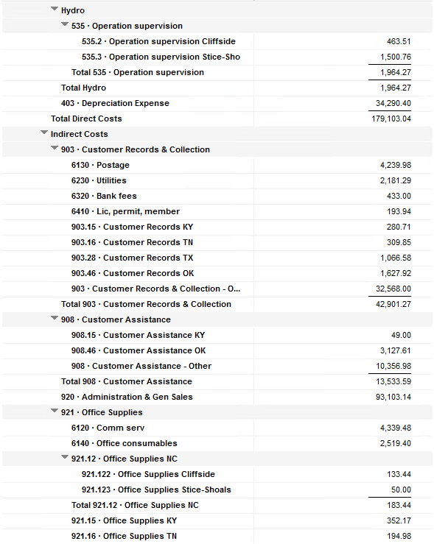
 |  | 921.16 Office Supplies TN |  | 194.98 |  | $195
 |  | 921.28 Office Supplies TX |  | - |  |  |  |  | $-
 |  | 921.46 Office Supplies OK |  | 2,661.54 |  |  |  | $2,662

 | 923 Outside Services
 |  | 923.15 Outside Services KY |  | 17,945.50 | $17,946
 |  | 923.16 Outside Services TN |  | 244.08 |  | $244
 |  | 923.28 Outside Services TX |  | 245.83 |  |  |  |  | $246
 |  | 923.46 Outside Services OK |  | 15,044.10 |  |  |  | $15,044

 | 925 ID - Safety & Security
 |  | 925.15 ID - Safety & Security KY |  | 66.00 | $66
 |  | 925.16 ID - Safety & Security TN |  | - |  | $-
 |  | 925.28 ID - Safety & Security TX |  | - |  |  |  |  | $-
 |  | 925.46 ID - Safety & Security OK |  | 1,928.50 |  |  |  | $1,929

 | 926 Employee Benefit
 |  | 926.15 Employee Benefit KY |  | 2,796.51 | $2,797
 |  | 926.16 Employee Benefit TN |  | 522.36 |  | $522
 |  | 926.28 Employee Benefit TX |  | - |  |  |  |  | $-
 |  | 926.46 Employee Benefit OK |  | 27,494.12 |  |  |  | $27,494

 |  |  |  | 220,953.44 | 33,415.42 | 9,112.18 |  | 173,835.45 | 2,442.68 | 2,147.71

Revenue Billing - Other
 |  |  | Validation test |  |  |  |  |  | Inv | Direct+Allocation
 |  |  | Depreciation Expenses | 34,290.40 | Manual Input |  |  | OK | $314,380 | $314,380
 |  |  | Total Direct Charges | 220,953.44 |  |  |  | KY | $72,890 | $72,884
 |  |  | Total Allocation Charges | 203,457.51 |  |  |  | TN | $27,546 | $27,542
 |  |  | Total | 458,701.35 |  |  |  | TX | $7,461 | $7,457
 |  |  | QB P&L Total Expense | 458,701.35 | Manual Input |  |  | NC | $2,148 | $2,148
 |  |  | Difference | - |  |  |  | Total Billed | $424,425 | $424,411
 |  |  |  |  |  |  |  | Difference | $(14) | -

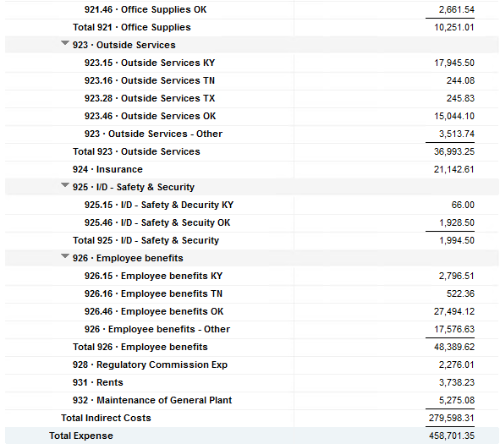

Commodity OK
Oklahoma Commodity |  |  | 2408 file = |  | Data Input Aug 24 billing =Aug invoices = July Flow data= July Sales Volume
 |  |  |  |  |  |  |  | BB 2408
 | Transporters | Units | Cost |  | Price/ Unit | Comments | System | July.24 Usage | % Usage | PGA Portion | Prior Month = June Usage
 |  |  |  |  |  |  |  | MCF |  |  | MCF
 | Symmetry Retl Dustin (small amount) | 113 | $57.99 |  | $0.51 |  | FCFA | 88,754 | 33% | $32,296.30 | 78,218 | *Includes Transport Only
 | Enable OK Intrastate | 2,558 | $2,210.56 |  | $0.86 |  | NOK3 | 26,038 | 10% | $9,474.85 | 3,978
 | Enable Gas 1006711 (Rim Rock) | 1,137 | $1,918.49 |  | $1.69 |  | FCFALD | 75,026 | 28% | $27,300.88 | 79,480
 | Southern Star | 7,022 | $20,686.97 |  | $2.95 |  | WSTAR | 81,844 | 30% | $29,781.85 | 76,672
 | ONG-L05559 | 38 | $(328.26) |  | $(8.64)
 | ONG-L05849 | 15 | $153.16 |  | $10.21 |  |  | 271,662 | 100% | $98,853.87 | 238,348
 | ONG-L05850 | 901 | $762.98 |  | $0.85
 | ONG-L05851 | 1,541 | $2,221.94 |  | $1.44 |  |  | Sales obtained from Bill Edit List
 | ONG-L05852 | 55 | $556.70 |  | $10.12 |  |  |  | Data input to double check
 | ONG-L06099 | 571 | $1,040.45 |  | $1.82 |  |  |  | NUC P&L | 87,212.41 | data entry
 | ONG-L06215 | 154 | $686.11 |  | $4.46 |  |  |  | NUC P&L - Controller | 6,249.26 | data entry
 | Natural Gas Pipeline (DTH) | 85 | $496.99 |  | $5.85 |  |  |  | NUC P&L Assets | 2,554.20 | data entry
 | Volume | 14,190 | $30,464.08 |  | $2.15 |  |  |  | Sub-Total | 96,015.87 | formula
 |  |  |  |  |  |  |  |  | MKT | $2,838.00 | formula
 |  |  |  |  |  |  |  |  | Total | $98,853.87 | formula
 | Suppliers | Units | Cost |  | Price/ Unit |  |  |  |  | $- | formula

 | Symmetry Retl Dustin (large amount) MMBtu | 113 | $362.84 |  | $3.21
 | Nicholson Well (Kenneth Lowe) |  |  |  | #DIV/0! | Self generated annual invoice (November) by Ross
 | Skye OK, LLC | 2,087 | $11,436.00 |  | $5.48
 | Keystone |  |  |  | #DIV/0! | N/A
 | Clearwater SS (DTH) | 4,801 | $12,818.67 |  | $2.96
 | Clearwater EOIT (DTH) | 465 | $1,288.05 |  | $2.77
 | Clearwater EGT (DTH) | 1,294 | $3,830.63 |  | $2.60
 | Clearwater ONG (DTH) | 1,752 | $4,547.14 |  | $2.67
 | Summit (CCF) |  |  |  | #DIV/0!
 | City of Mannford |  |  |  | #DIV/0!
 | Petrol | 4,319 | $21,767.76 |  | $5.04
 | Broken T |  |  |  | #DIV/0!
 | 804-Other |  | $6,249.26 |  | #DIV/0!
 |  | 14,831 | $62,300.35 |  | $4.20 |  | ***The variance between gas supplied and gas transported is due to Lime Rock Resources
 |  |  |  |  |  |  | Lime Rock Resources purchases gas directly from Clearwater, then transports it through our
 |  |  |  |  |  |  | lines. This creates a situation where more gas is transported than is purchased.
 | Production Watch (CQG) |  | $657.00 |  |  | Same amount monthly paid via CC (Richard) | Lime Rock is now Stephens & Johnson Operating Co.
 | RRVREA |  | $40.24
 | NALLC Delivery Charge |  | $2,554.20 |  |  | Amount use to Bill from Assets to NUC, requires to make journals in both companies ( total volume x 0.18cts)
 | NUC Marketing & Balance |  | $2,838.00 |  |  | NUC Marketing & Balance ( total volume x 0.20cts)
 |  |  | $6,089.44 |  |  | Volume | Price | Total
 | 93,461.67 | DATA INPUT 804.46+804 alloc |  |  |  | 14,190 | 0.18 | 2,554.20
 | $93,461.67 | Total: | $98,853.87
 | $- |  | $93,461.67 |  | $87,212.41 | Minus 804-Other

 |  |  |  | 25-Mar-21

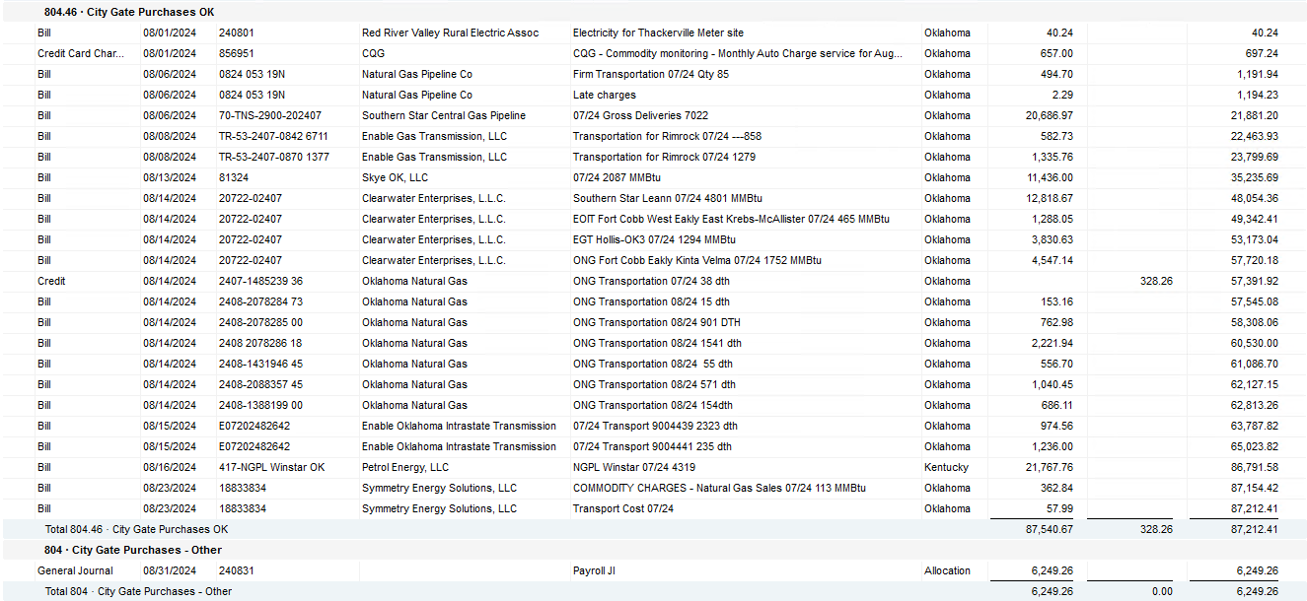

2024 NUC Rent
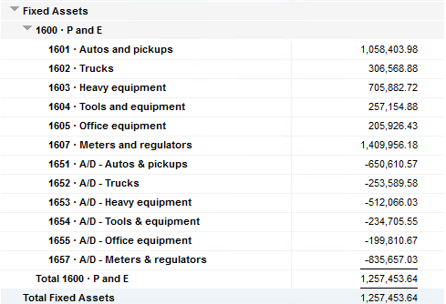
Values set from Q2 2024 numbers for Q3 & Q4 in 2024
 |  |  | Debt |  |  |  |  | Depreciation

 | Orginal Value | Debt/ Equity | Interest Rate | Total | Monthly | Orginal Value | Life | Total | Monthly | Grand
 | Per 6/30/24 | Ratio of Company | charged by Banks |  |  |  | Years |  |  | Total

Pickups | $1,058,403.98 | 80% | 6.47% | $54,945 | $4,579 | $1,058,404 | 6 | $176,401 | $14,700 | $19,279
Trucks | $306,568.88 | 80% | 6.47% | $15,915 | $1,326 | $306,569 | 6 | $51,095 | $4,258 | $5,585
Heavy Equip | $705,882.72 | 80% | 6.47% | $36,645 | $3,054 | $705,883 | 10 | $70,588 | $5,882 | $8,937
Tools & Equip | $257,154.88 | 80% | 6.47% | $13,350 | $1,112 | $257,155 | 5 | $51,431 | $4,286 | $5,399
Office Equip | $205,926.43 | 80% | 6.47% | $10,690 | $891 | $205,926 | 4 | $51,482 | $4,290 | $5,181
Meters | $1,409,956.18 | 80% | 6.47% | $73,195 | $6,100 | $1,409,956 | 10 | $140,996 | $11,750 | $17,850

 | $3,943,893.07 |  | 6.47% | $204,740 | $17,062 | $3,943,893 |  | $541,992 | $45,166 | $62,231

All Trucks and Equipment to be billed via allocation percentages, NO DIRECT BILLING

 |  | Debt/ Equity
 |  | Ratio of Company

 | CPLTD, LTD, 50% LOC | $9,965,647 | 80% | data input as of 06/30/24
 | Equity | $2,454,673 | 20% | data input as of 06/30/24
 |  | $12,420,320

