Direct Charges
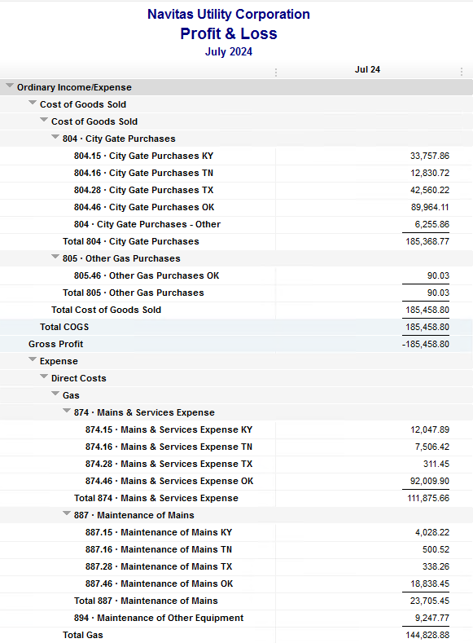
Navitas Utility Corporation |  |  |  | Data Input July 24 billing =July invoices = June Flow data= June Sales Volume
 |  |  |  |  |  |  | Billed to System
Revenue Billing - Direct Charges |  |  |  |  | KY | TN |  | OK | TX | NC
 |  |  |  | Amount

 | 874 Mains & Services
 |  | 874.15 Mains & Services KY |  | 12,047.89 | $12,048
 |  | 874.16 Mains & Services TN |  | 7,506.42 |  | $7,506
 |  | 874.28 Mains & Services TX |  | 311.45 |  |  |  |  | $311
 |  | 874.46 Mains & Services OK |  | 92,009.90 |  |  |  | $92,010

 | 887 Maintenance of Mains
 |  | 887.15 Maintenance of Mains KY |  | 4,028.22 | $4,028
 |  | 887.16 Maintenance of Mains TN |  | 500.52 |  | $501
 |  | 887.28 Maintenance of Mains TX |  | 338.26 |  |  |  |  | $338
 |  | 887.46 Maintenance of Mains OK |  | 18,838.45 |  |  |  | $18,838

 | 894 Maintenance of Other Equip |  |  | 9,247.77 |  |  |  | $9,248

 | 535 Operation supervision
 |  | 535.2 Operation supervision Cliffside |  | 464.15 |  |  |  |  |  | $464
 |  | 535.3 Operation supervision Stice-Sho |  | 1,289.76 |  |  |  |  |  | $1,290

 | 903 Customer Records & Collection
 |  | 903.15 Customer Records KY |  | 199.17 | $199
 |  | 903.16 Customer Records TN |  | 764.22 |  | $764
 |  | 903.28 Customer Records TX |  | 164.70 |  |  |  |  | $165
 |  | 903.46 Customer Records OK |  | 1,873.44 |  |  |  | $1,873

 | 908 Customer Assistance
 |  | 908.46 Customer Assistance OK |  | 3,131.82 |  |  |  | $3,132

 | 921 Office Supplies
 |  | 921.122 Office Supplies Cliffside |  | 141.19 |  |  |  |  |  | $141
 |  | 921.123 Office Supplies Stice-Shoals |  | 255.47 |  |  |  |  |  | $255
 |  | 921.15 Office Supplies KY |  | 324.27 | $324
 |  | 921.16 Office Supplies TN |  | 194.98 |  | $195
 |  | 921.28 Office Supplies TX |  | - |  |  |  |  | $-
 |  | 921.46 Office Supplies OK |  | 2,465.18 |  |  |  | $2,465
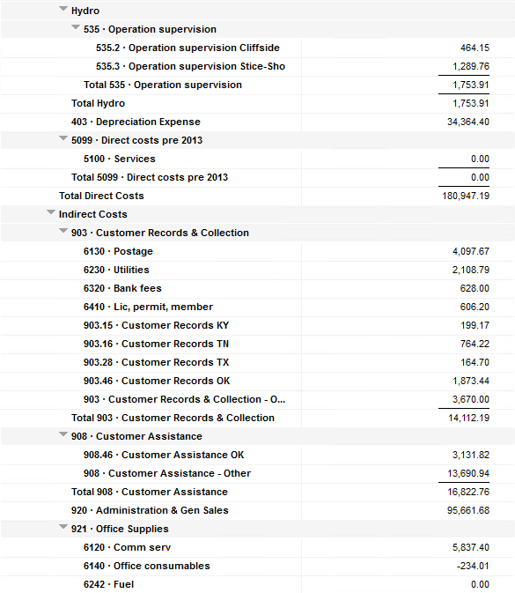
 | 923 Outside Services
 |  | 923.15 Outside Services KY |  | 4,483.00 | $4,483
 |  | 923.16 Outside Services TN |  | 305.10 |  | $305
 |  | 923.28 Outside Services TX |  | 245.83 |  |  |  |  | $246
 |  | 923.46 Outside Services OK |  | 13,513.51 |  |  |  | $13,514

 | 925 ID - Safety & Security
 |  | 925.15 ID - Safety & Security KY |  | 112.68 | $113
 |  | 925.16 ID - Safety & Security TN |  | - |  | $-
 |  | 925.28 ID - Safety & Security TX |  | - |  |  |  |  | $-
 |  | 925.46 ID - Safety & Security OK |  | 2,081.50 |  |  |  | $2,082

 | 926 Employee Benefit
 |  | 926.15 Employee Benefit KY |  | 3,119.09 | $3,119
 |  | 926.16 Employee Benefit TN |  | 683.65 |  | $684
 |  | 926.28 Employee Benefit TX |  | - |  |  |  |  | $-
 |  | 926.46 Employee Benefit OK |  | 27,481.12 |  |  |  | $27,481

 |  |  |  | 208,122.71 | 24,314.32 | 9,954.89 |  | 170,642.69 | 1,060.24 | 2,150.57

Revenue Billing - Other
 |  |  | Validation test |  |  |  |  |  | Inv | Direct+Allocation
 |  |  | Depreciation Expenses | 34,364.40 | Manual Input |  |  | OK | $296,260 | $296,260
 |  |  | Total Direct Charges | 208,122.71 |  |  |  | KY | $59,529 | $59,522
 |  |  | Total Allocation Charges | 181,763.23 |  |  |  | TN | $26,402 | $26,395
 |  |  | Total | 424,250.34 |  |  |  | TX | $5,563 | $5,558
 |  |  | QB P&L Total Expense | 424,250.34 | Manual Input |  |  | NC | $2,151 | $2,151
 |  |  | Difference | - |  |  |  | Total Billed | $389,905 | $389,886
 |  |  |  |  |  |  |  | Difference | $(19) | -

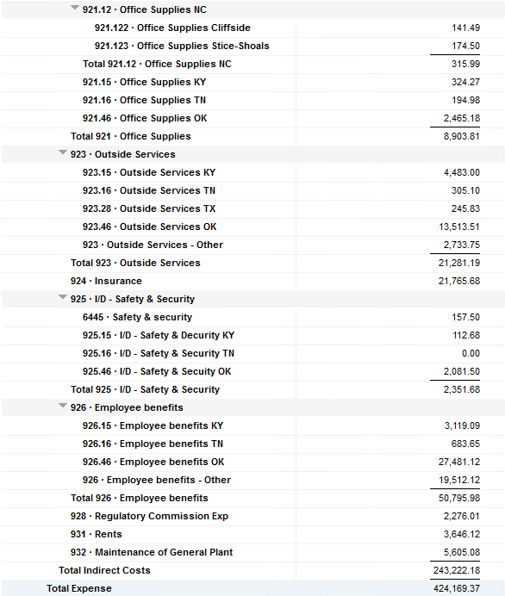

Commodity OK
Oklahoma Commodity |  |  | 2407 file = |  | Data Input July 24 billing =July invoices = June Flow data= June Sales Volume
 |  |  |  |  |  |  |  | BB 2407
 | Transporters | Units | Cost |  | Price/ Unit | Comments | System | June.24 Usage | % Usage | PGA Portion | Prior Month = May Usage
 |  |  |  |  |  |  |  | MCF |  |  | MCF
 | Symmetry Retl Dustin (small amount) | 118 | $22.42 |  | $0.19 |  | FCFA | 78,218 | 33% | $33,303.14 | 90,438 | *Includes Transport Only
 | Enable OK Intrastate | 2,558 | $2,293.00 |  | $0.90 |  | NOK3 | 3,978 | 2% | $1,693.73 | 4,642
 | Enable Gas 1006711 (Rim Rock) | 743 | $1,879.67 |  | $2.53 |  | FCFALD | 79,480 | 33% | $33,840.47 | 86,382
 | Southern Star | 7,316 | $20,067.91 |  | $2.74 |  | WSTAR | 76,672 | 32% | $32,644.90 | 96,932
 | ONG-L05559 | 540 | $962.71 |  | $1.78
 | ONG-L05849 | 93 | $592.41 |  | $6.37 |  |  | 238,348 | 100% | $101,482.23 | 278,394
 | ONG-L05850 | 865 | $733.77 |  | $0.85
 | ONG-L05851 | 12 | $142.82 |  | $11.90 |  |  | Sales obtained from Bill Edit List
 | ONG-L05852 | 1,534 | $2,151.64 |  | $1.40 |  |  |  | Data input to double check
 | ONG-L06099 | 63 | $500.18 |  | $7.94 |  |  |  | NUC P&L | 101,594.76 | data entry
 | ONG-L06215 |  |  |  | #DIV/0! |  |  |  | NUC P&L - Controller | 6,120.02 | data entry
 | Natural Gas Pipeline (DTH) | 85 | $496.19 |  | $5.84 |  |  |  | NUC P&L Assets | 2,639.88 | data entry
 | Volume | 13,927 | $29,842.72 |  | $2.14 |  |  |  | Sub-Total | 110,354.66 | formula
 |  |  |  |  |  |  |  |  | MKT | $2,785.40 | formula
 |  |  |  |  |  |  |  |  | Total | $113,140.06 | formula
 | Suppliers | Units | Cost |  | Price/ Unit |  |  |  |  | $11,657.83 | formula

 | Symmetry Retl Dustin (large amount) MMBtu | 118 | $376.84 |  | $3.19
 | Nicholson Well (Kenneth Lowe) |  |  |  | #DIV/0! | Self generated annual invoice (November) by Ross
 | Skye OK, LLC | 3,645 | $15,580.00 |  | $4.27
 | Keystone |  |  |  | #DIV/0! | N/A
 | Clearwater SS (DTH) | 8,607 | $19,968.24 |  | $2.82
 | Clearwater EOIT (DTH) | 425 | $1,031.40 |  | $2.43
 | Clearwater EGT (DTH) | 30 | $84.61 |  | $2.31
 | Clearwater ONG (DTH) | 1,125 | $2,596.95 |  | $2.32
 | Summit (CCF) | 7 | $49.34 |  | $7.05
 | City of Mannford |  |  |  | #DIV/0!
 | Petrol | 4,155 | $19,736.25 |  | $4.75
 | Broken T |  |  |  | #DIV/0!
 | 804-Other |  | $6,225.86 |  | #DIV/0!
 |  | 18,112 | $65,649.49 |  | $3.62 |  | ***The variance between gas supplied and gas transported is due to Lime Rock Resources
 |  |  |  |  |  |  | Lime Rock Resources purchases gas directly from Clearwater, then transports it through our
 |  |  |  |  |  |  | lines. This creates a situation where more gas is transported than is purchased.
 | Production Watch (CQG) |  | $657.00 |  |  | Same amount monthly paid via CC (Richard) | Lime Rock is now Stephens & Johnson Operating Co.
 | RRVREA |  | $40.76
 | NALLC Delivery Charge |  | $2,506.86 |  |  | Amount use to Bill from Assets to NUC, requires to make journals in both companies ( total volume x 0.18cts)
 | NUC Marketing & Balance |  | $2,785.40 |  |  | NUC Marketing & Balance ( total volume x 0.20cts)
 |  |  | $5,990.02 |  |  | Volume | Price | Total
 | 96,189.97 | DATA INPUT 804.46+804 alloc |  |  |  | 13,927 | 0.18 | 2,506.86
 | $96,189.97 | Total: | $101,482.23
 | $- |  | $96,189.97 |  | $89,964.11 | Minus 804-Other

 |  |  |  | 25-Mar-21

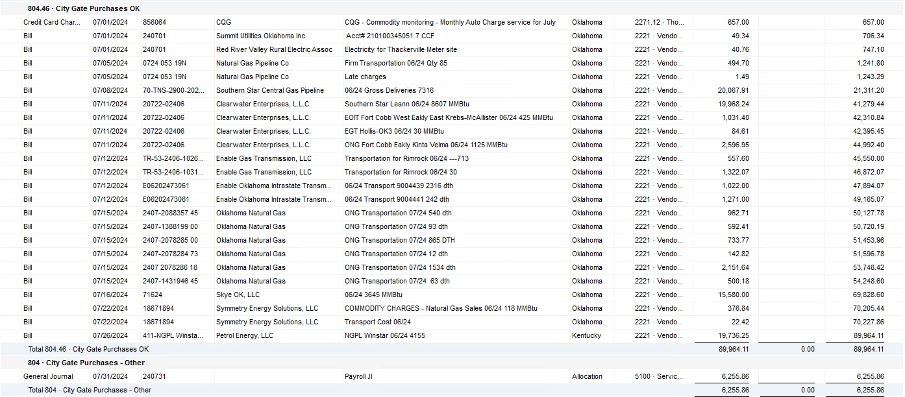

2024 NUC Rent
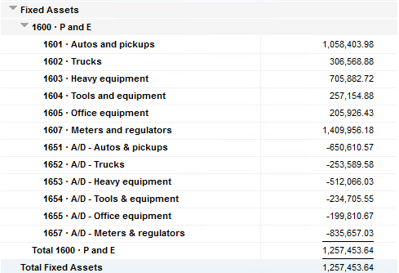
Values set from Q2 2024 numbers for Q3 & Q4 in 2024
 |  |  | Debt |  |  |  |  | Depreciation

 | Orginal Value | Debt/ Equity | Interest Rate | Total | Monthly | Orginal Value | Life | Total | Monthly | Grand
 | Per 6/30/24 | Ratio of Company | charged by Banks |  |  |  | Years |  |  | Total

Pickups | $1,058,403.98 | 80% | 6.47% | $54,945 | $4,579 | $1,058,404 | 6 | $176,401 | $14,700 | $19,279
Trucks | $306,568.88 | 80% | 6.47% | $15,915 | $1,326 | $306,569 | 6 | $51,095 | $4,258 | $5,585
Heavy Equip | $705,882.72 | 80% | 6.47% | $36,645 | $3,054 | $705,883 | 10 | $70,588 | $5,882 | $8,937
Tools & Equip | $257,154.88 | 80% | 6.47% | $13,350 | $1,112 | $257,155 | 5 | $51,431 | $4,286 | $5,399
Office Equip | $205,926.43 | 80% | 6.47% | $10,690 | $891 | $205,926 | 4 | $51,482 | $4,290 | $5,181
Meters | $1,409,956.18 | 80% | 6.47% | $73,195 | $6,100 | $1,409,956 | 10 | $140,996 | $11,750 | $17,850

 | $3,943,893.07 |  | 6.47% | $204,740 | $17,062 | $3,943,893 |  | $541,992 | $45,166 | $62,231

All Trucks and Equipment to be billed via allocation percentages, NO DIRECT BILLING

 |  | Debt/ Equity
 |  | Ratio of Company

 | CPLTD, LTD, 50% LOC | $9,965,647 | 80% | data input as of 06/30/24
 | Equity | $2,454,673 | 20% | data input as of 06/30/24
 |  | $12,420,320

