Direct Charges
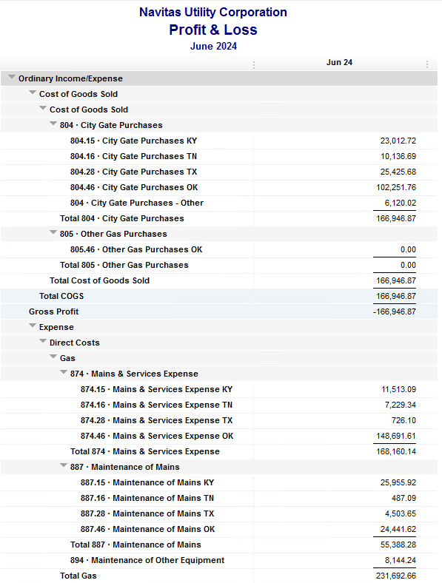
Navitas Utility Corporation |  |  |  | Data Input June 24 billing =June invoices = May Flow data= May Sales Volume
 |  |  |  |  |  |  | Billed to System
Revenue Billing - Direct Charges |  |  |  |  | KY | TN |  | OK | TX | NC
 |  |  |  | Amount

 | 874 Mains & Services
 |  | 874.15 Mains & Services KY |  | 11,513.09 | $11,513
 |  | 874.16 Mains & Services TN |  | 7,229.34 |  | $7,229
 |  | 874.28 Mains & Services TX |  | 726.10 |  |  |  |  | $726
 |  | 874.46 Mains & Services OK |  | 148,691.61 |  |  |  | $148,692

 | 887 Maintenance of Mains
 |  | 887.15 Maintenance of Mains KY |  | 25,955.92 | $25,956
 |  | 887.16 Maintenance of Mains TN |  | 487.09 |  | $487
 |  | 887.28 Maintenance of Mains TX |  | 4,503.65 |  |  |  |  | $4,504
 |  | 887.46 Maintenance of Mains OK |  | 24,441.62 |  |  |  | $24,442

 | 894 Maintenance of Other Equip |  |  | 8,144.24 |  |  |  | $8,144

 | 535 Operation supervision
 |  | 535.2 Operation supervision Cliffside |  | 464.50 |  |  |  |  |  | $465
 |  | 535.3 Operation supervision Stice-Sho |  | 2,004.64 |  |  |  |  |  | $2,005

 | 903 Customer Records & Collection
 |  | 903.15 Customer Records KY |  | 291.55 | $292
 |  | 903.16 Customer Records TN |  | 247.67 |  | $248
 |  | 903.28 Customer Records TX |  | - |  |  |  |  | $-
 |  | 903.46 Customer Records OK |  | 1,862.54 |  |  |  | $1,863

 | 908 Customer Assistance
 |  | 908.46 Customer Assistance OK |  | 3,068.60 |  |  |  | $3,069

 | 921 Office Supplies
 |  | 921.122 Office Supplies Cliffside |  | 130.77 |  |  |  |  |  | $131
 |  | 921.123 Office Supplies Stice-Shoals |  | 184.69 |  |  |  |  |  | $185
 |  | 921.15 Office Supplies KY |  | 649.10 | $649
 |  | 921.16 Office Supplies TN |  | 203.93 |  | $204
 |  | 921.28 Office Supplies TX |  | - |  |  |  |  | $-
 |  | 921.46 Office Supplies OK |  | 2,788.98 |  |  |  | $2,789

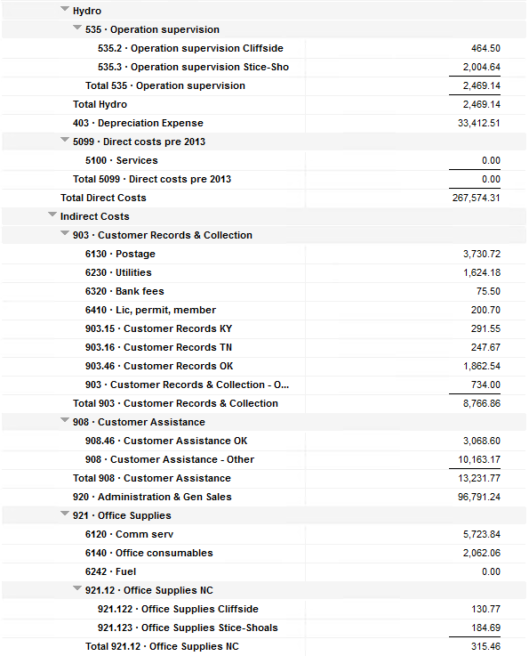
 | 923 Outside Services
 |  | 923.15 Outside Services KY |  | 8,956.75 | $8,957
 |  | 923.16 Outside Services TN |  | 244.08 |  | $244
 |  | 923.28 Outside Services TX |  | 245.83 |  |  |  |  | $246
 |  | 923.46 Outside Services OK |  | 12,532.23 |  |  |  | $12,532

 | 925 ID - Safety & Security
 |  | 925.15 ID - Safety & Security KY |  | 70.50 | $71
 |  | 925.16 ID - Safety & Security TN |  | - |  | $-
 |  | 925.28 ID - Safety & Security TX |  |  |  |  |  |  | $-
 |  | 925.46 ID - Safety & Security OK |  | 123.08 |  |  |  | $123

 | 926 Employee Benefit
 |  | 926.15 Employee Benefit KY |  | 3,119.09 | $3,119
 |  | 926.16 Employee Benefit TN |  | 683.65 |  | $684
 |  | 926.28 Employee Benefit TX |  | - |  |  |  |  | $-
 |  | 926.46 Employee Benefit OK |  | 31,659.08 |  |  |  | $31,659

 |  |  |  | 301,223.92 | 50,556.00 | 9,095.76 |  | 233,311.98 | 5,475.58 | 2,784.60

Revenue Billing - Other
 |  |  | Validation test |  |  |  |  |  | Inv | Direct+Allocation
 |  |  | Depreciation Expenses | 33,412.51 | Manual Input |  |  | OK | $356,004 | $356,004
 |  |  | Total Direct Charges | 301,223.92 |  |  |  | KY | $84,935 | $84,928
 |  |  | Total Allocation Charges | 177,518.76 |  |  |  | TN | $25,152 | $25,146
 |  |  | Total | 512,155.19 |  |  |  | TX | $9,887 | $9,880
 |  |  | QB P&L Total Expense | 512,155.19 | Manual Input |  |  | NC | $2,785 | $2,785
 |  |  | Difference | - |  |  |  | Total Billed | $478,763 | $478,743
 |  |  |  |  |  |  |  | Difference | $(20) | -

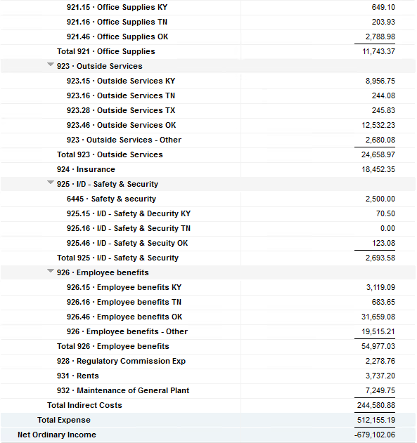

Commodity OK
Oklahoma Commodity |  |  | 2406 file = |  | Data Input June 24 billing =June invoices = May Flow data= May Sales Volume
 |  |  |  |  |  |  |  | BB 2406
 | Transporters | Units | Cost |  | Price/ Unit | Comments | System | May.24 Usage | % Usage | PGA Portion | Prior Month = Apr Usage
 |  |  |  |  |  |  |  | MCF |  |  | MCF
 | Symmetry Retl Dustin (small amount) | 132 | $25.08 |  | $0.19 |  | FCFA | 90,438 | 32% | $36,802.26 | 193,101 | *Includes Transport Only
 | Enable OK Intrastate | 1,949 | $2,363.00 |  | $1.21 |  | NOK3 | 4,642 | 2% | $1,888.99 | 22,964
 | Enable Gas 1006711 (Rim Rock) | 601 | $1,876.57 |  | $3.12 |  | FCFALD | 86,382 | 31% | $35,151.73 | 101,030
 | Southern Star | 8,543 | $20,805.56 |  | $2.44 |  | WSTAR | 96,932 | 35% | $39,444.88 | 71,776
 | ONG-L05559 | 470 | $952.99 |  | $2.03
 | ONG-L05849 | 110 | $601.71 |  | $5.47 |  |  | 278,394 | 100% | $113,287.86 | 388,871
 | ONG-L05850 | 932 | $789.29 |  | $0.85
 | ONG-L05851 | 12 | $144.91 |  | $12.08 |  |  | Sales obtained from Bill Edit List
 | ONG-L05852 | 1,660 | $2,163.66 |  | $1.30 |  |  |  | Data input to double check
 | ONG-L06099 | 45 | $158.61 |  | $3.52 |  |  |  | NUC P&L | 101,594.76 | data entry
 | ONG-L06215 | 127 | $534.50 |  | $4.21 |  |  |  | NUC P&L - Controller | 6,120.02 | data entry
 | Natural Gas Pipeline (DTH) | 85 | $495.17 |  | $5.83 |  |  |  | NUC P&L Assets | 2,639.88 | data entry
 | Volume | 14,666 | $30,911.05 |  | $2.11 |  |  |  | Sub-Total | 110,354.66 | formula
 |  |  |  |  |  |  |  |  | MKT | $2,933.20 | formula
 |  |  |  |  |  |  |  |  | Total | $113,287.86 | formula
 | Suppliers | Units | Cost |  | Price/ Unit |  |  |  |  | $- | formula

 | Symmetry Retl Dustin (large amount) MMBtu | 132 | $421.55 |  | $3.19
 | Nicholson Well (Kenneth Lowe) |  |  |  | #DIV/0! | Self generated annual invoice (November) by Ross
 | Skye OK, LLC | 4,482 | $17,748.00 |  | $3.96
 | Keystone |  |  |  | #DIV/0! | N/A
 | Clearwater SS (DTH) | 9,656 | $17,477.36 |  | $2.34
 | Clearwater EOIT (DTH) | 6,365 | $12,412.54 |  | $1.95
 | Clearwater EGT (DTH) | 310 | $726.14 |  | $2.29
 | Clearwater ONG (DTH) | 951 | $2,179.03 |  | $1.81
 | Summit (CCF) |  |  |  | #DIV/0!
 | City of Mannford |  |  |  | #DIV/0!
 | Petrol | 4,373 | $19,022.55 |  | $4.35
 | Broken T |  |  |  | #DIV/0!
 | 804-Other |  | $6,120.02 |  | #DIV/0!
 |  | 26,269 | $76,107.19 |  | $2.90 |  | ***The variance between gas supplied and gas transported is due to Lime Rock Resources
 |  |  |  |  |  |  | Lime Rock Resources purchases gas directly from Clearwater, then transports it through our
 |  |  |  |  |  |  | lines. This creates a situation where more gas is transported than is purchased.
 | Production Watch (CQG) |  | $657.00 |  |  | Same amount monthly paid via CC (Richard) | Lime Rock is now Stephens & Johnson Operating Co.
 | RRVREA |  | $39.54
 | NALLC Delivery Charge |  | $2,639.88 |  |  | Amount use to Bill from Assets to NUC, requires to make journals in both companies ( total volume x 0.18cts)
 | NUC Marketing & Balance |  | $2,933.20 |  |  | NUC Marketing & Balance ( total volume x 0.20cts)
 |  |  | $6,269.62 |  |  | Volume | Price | Total
 | 107,714.78 | DATA INPUT 804.46+804 alloc |  |  |  | 14,666 | 0.18 | 2,639.88
 | $107,714.78 | Total: | $113,287.86
 | $- |  | $107,714.78 |  | $101,594.76 | Minus 804-Other

 |  |  |  | 25-Mar-21

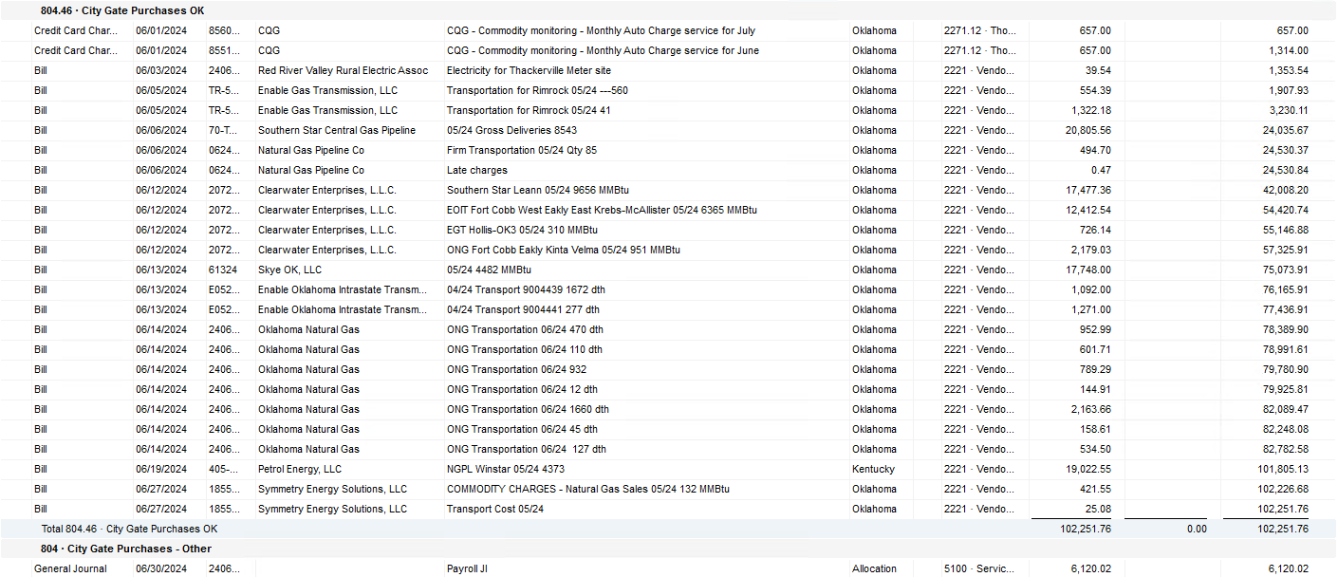

2024 NUC Rent
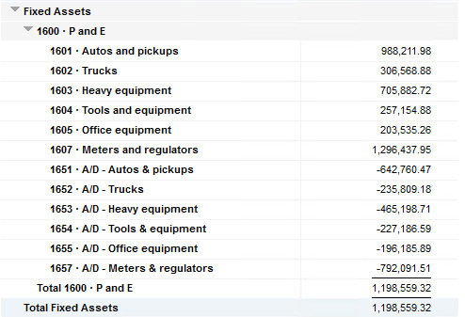
Values set from Q2 2023 numbers for Q3 & Q4 in 2023
 |  |  | Debt |  |  |  |  | Depreciation

 | Orginal Value | Debt/ Equity | Interest Rate | Total | Monthly | Orginal Value | Life | Total | Monthly | Grand
 | Per 12/31/22 | Ratio of Company | charged by Banks |  |  |  | Years |  |  | Total

Pickups | $988,211.98 | 76% | 6.54% | $49,038 | $4,086 | $988,212 | 6 | $164,702 | $13,725 | $17,812
Trucks | $306,568.88 | 76% | 6.54% | $15,213 | $1,268 | $306,569 | 6 | $51,095 | $4,258 | $5,526
Heavy Equip | $705,882.72 | 76% | 6.54% | $35,028 | $2,919 | $705,883 | 10 | $70,588 | $5,882 | $8,802
Tools & Equip | $257,154.88 | 76% | 6.54% | $12,761 | $1,063 | $257,155 | 5 | $51,431 | $4,286 | $5,350
Office Equip | $203,535.26 | 76% | 6.54% | $10,100 | $842 | $203,535 | 4 | $50,884 | $4,240 | $5,082
Meters | $1,296,437.95 | 76% | 6.54% | $64,333 | $5,361 | $1,296,438 | 10 | $129,644 | $10,804 | $16,165

 | $3,757,791.67 |  | 6.54% | $186,472 | $15,539 | $3,757,792 |  | $518,344 | $43,195 | $58,737

All Trucks and Equipment to be billed via allocation percentages, NO DIRECT BILLING

 |  | Debt/ Equity
 |  | Ratio of Company

 | CPLTD, LTD, 50% LOC | $10,223,556 | 76% | data input as of 06/30/23
 | Equity | $3,250,517 | 24% | data input as of 06/30/23
 |  | $13,474,073

