Direct Charges
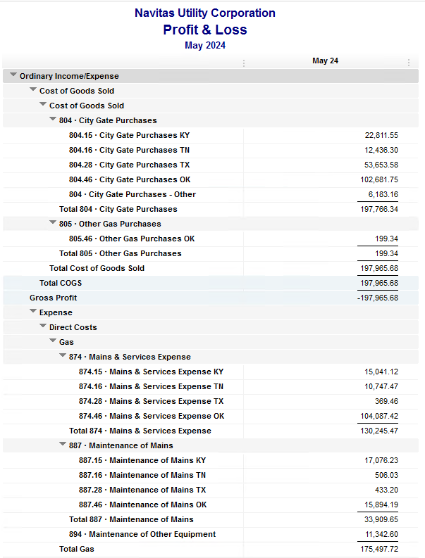
Navitas Utility Corporation |  |  |  | Data Input May 24 billing =May invoices = Apr Flow data= Apr Sales Volume
 |  |  |  |  |  |  | Billed to System
Revenue Billing - Direct Charges |  |  |  |  | KY | TN |  | OK | TX | NC
 |  |  |  | Amount

 | 874 Mains & Services
 |  | 874.15 Mains & Services KY |  | 15,041.12 | $15,041
 |  | 874.16 Mains & Services TN |  | 10,747.47 |  | $10,747
 |  | 874.28 Mains & Services TX |  | 369.46 |  |  |  |  | $369
 |  | 874.46 Mains & Services OK |  | 104,087.42 |  |  |  | $104,087

 | 887 Maintenance of Mains
 |  | 887.15 Maintenance of Mains KY |  | 17,076.23 | $17,076
 |  | 887.16 Maintenance of Mains TN |  | 506.03 |  | $506
 |  | 887.28 Maintenance of Mains TX |  | 433.20 |  |  |  |  | $433
 |  | 887.46 Maintenance of Mains OK |  | 15,894.19 |  |  |  | $15,894

 | 894 Maintenance of Other Equip |  |  | 11,342.60 |  |  |  | $11,343

 | 535 Operation supervision
 |  | 535.2 Operation supervision Cliffside |  | 696.64 |  |  |  |  |  | $697
 |  | 535.3 Operation supervision Stice-Sho |  | 1,795.23 |  |  |  |  |  | $1,795

 | 903 Customer Records & Collection
 |  | 903.15 Customer Records KY |  | 958.79 | $959
 |  | 903.16 Customer Records TN |  | 221.95 |  | $222
 |  | 903.28 Customer Records TX |  | - |  |  |  |  | $-
 |  | 903.46 Customer Records OK |  | 1,076.25 |  |  |  | $1,076

 | 908 Customer Assistance
 |  | 908.46 Customer Assistance OK |  | 4,549.89 |  |  |  | $4,550

 | 921 Office Supplies
 |  | 921.122 Office Supplies Cliffside |  | 133.08 |  |  |  |  |  | $133
 |  | 921.123 Office Supplies Stice-Shoals |  | 175.77 |  |  |  |  |  | $176
 |  | 921.15 Office Supplies KY |  | 31.91 | $32
 |  | 921.16 Office Supplies TN |  | 575.13 |  | $575
 |  | 921.28 Office Supplies TX |  | - |  |  |  |  | $-
 |  | 921.46 Office Supplies OK |  | 2,585.58 |  |  |  | $2,586

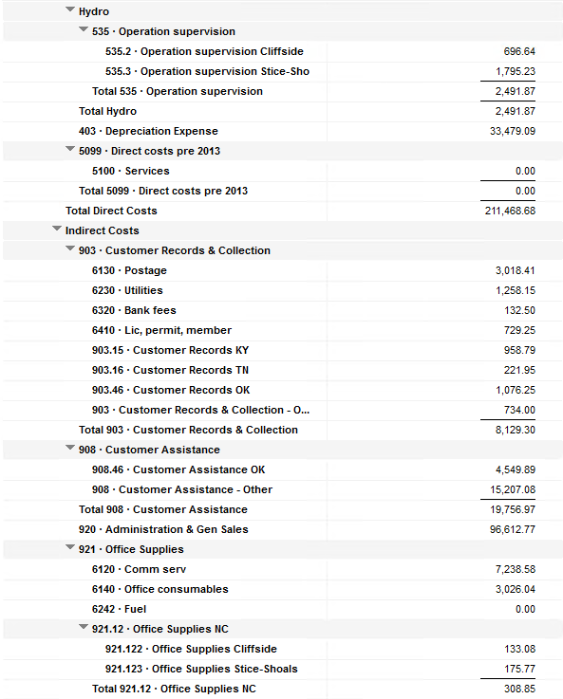
 | 923 Outside Services
 |  | 923.15 Outside Services KY |  | 1,708.00 | $1,708
 |  | 923.16 Outside Services TN |  | 206.43 |  | $206
 |  | 923.28 Outside Services TX |  | 245.83 |  |  |  |  | $246
 |  | 923.46 Outside Services OK |  | 13,619.12 |  |  |  | $13,619

 | 925 ID - Safety & Security
 |  | 925.15 ID - Safety & Security KY |  | 150.50 | $151
 |  | 925.16 ID - Safety & Security TN |  | - |  | $-
 |  | 925.28 ID - Safety & Security TX |  |  |  |  |  |  | $-
 |  | 925.46 ID - Safety & Security OK |  | 570.46 |  |  |  | $570

 | 926 Employee Benefit
 |  | 926.15 Employee Benefit KY |  | 2,319.09 | $2,319
 |  | 926.16 Employee Benefit TN |  | 283.65 |  | $284
 |  | 926.28 Employee Benefit TX |  | - |  |  |  |  | $-
 |  | 926.46 Employee Benefit OK |  | 24,088.78 |  |  |  | $24,089

 |  |  |  | 231,489.80 | 37,285.64 | 12,540.66 |  | 177,814.29 | 1,048.49 | 2,800.72

Revenue Billing - Other
 |  |  | Validation test |  |  |  |  |  | Inv | Direct+Allocation
 |  |  | Depreciation Expenses | 33,479.09 | Manual Input |  |  | OK | $307,047 | $307,047
 |  |  | Total Direct Charges | 231,489.80 |  |  |  | KY | $73,530 | $73,525
 |  |  | Total Allocation Charges | 187,112.90 |  |  |  | TN | $29,470 | $29,462
 |  |  | Total | 452,081.79 |  |  |  | TX | $5,774 | $5,768
 |  |  | QB P&L Total Expense | 452,081.79 | Manual Input |  |  | NC | $2,801 | $2,801
 |  |  | Difference | - |  |  |  | Total Billed | $418,622 | $418,603
 |  |  |  |  |  |  |  | Difference | $(19) | -

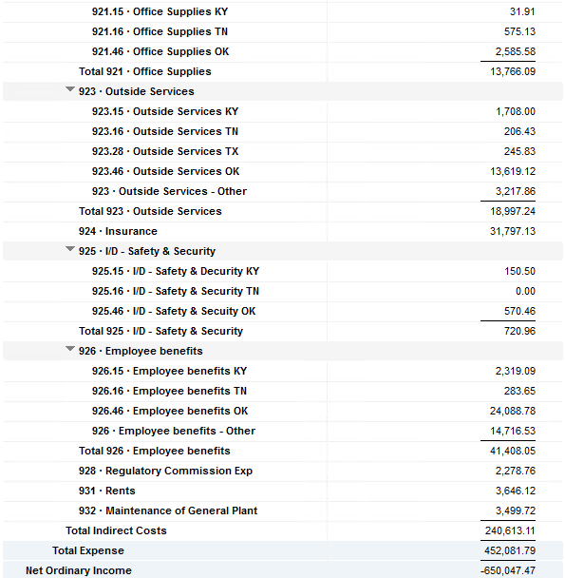

Commodity OK
Oklahoma Commodity |  |  | 2405 file = |  | Data Input May 24 billing =May invoices = Apr Flow data= Apr Sales Volume
 |  |  |  |  |  |  |  | BB 2405
 | Transporters | Units | Cost |  | Price/ Unit | Comments | System | Apr.24 Usage | % Usage | PGA Portion | Prior Month = March Usage
 |  |  |  |  |  |  |  | MCF |  |  | MCF
 | Symmetry Retl Dustin (small amount) | 178 | $33.82 |  | $0.19 |  | FCFA | 193,101 | 50% | $57,889.39 | 222,969 | *Includes Transport Only
 | Enable OK Intrastate | 4,839 | $2,919.40 |  | $0.60 |  | NOK3 | 22,964 | 6% | $6,884.34 | 11,532
 | Enable Gas 1006711 (Rim Rock) | 1,251 | $1,887.98 |  | $1.51 |  | FCFALD | 101,030 | 26% | $30,287.60 | 238,388
 | Southern Star | 10,668 | $20,269.87 |  | $1.90 |  | WSTAR | 71,776 | 18% | $21,517.60 | 99,414
 | ONG-L05559 | 1,752 | $1,779.78 |  | $1.02
 | ONG-L05849 | 37 | $558.68 |  | $15.10 |  |  | 388,871 | 100% | $116,578.92 | 572,303
 | ONG-L05850 | 64 | $172.19 |  | $2.69
 | ONG-L05851 | 14 | $146.26 |  | $10.45 |  |  | Sales obtained from Bill Edit List
 | ONG-L05852 | 534 | $516.12 |  | $0.97 |  |  |  | Data input to double check
 | ONG-L06099 | 2,391 | $2,252.83 |  | $0.94 |  |  |  | NUC P&L | 102,024.75 | data entry
 | ONG-L06215 | 216 | $574.42 |  | $2.66 |  |  |  | NUC P&L - Controller | 6,183.16 | data entry
 | Natural Gas Pipeline (DTH) | 85 | $496.81 |  | $5.84 |  |  |  | NUC P&L Assets | 3,965.22 | data entry
 | Volume | 22,029 | $31,608.16 |  | $1.43 |  |  |  | Sub-Total | 112,173.13 | formula
 |  |  |  |  |  |  |  |  | MKT | $4,405.80 | formula
 |  |  |  |  |  |  |  |  | Total | $116,578.93 | formula
 | Suppliers | Units | Cost |  | Price/ Unit |  |  |  |  | $0.00 | formula

 | Symmetry Retl Dustin (large amount) MMBtu | 178 | $568.44 |  | $3.19
 | Nicholson Well (Kenneth Lowe) |  |  |  | #DIV/0! | Self generated annual invoice (November) by Ross
 | Skye OK, LLC | 4,482 | $8,059.15 |  | $1.80
 | Keystone |  |  |  | #DIV/0! | N/A
 | Clearwater SS (DTH) | 11,634 | $22,918.98 |  | $0.10
 | Clearwater EOIT (DTH) | 7,660 | $14,560.40 |  | $1.90
 | Clearwater EGT (DTH) | 6,000 | $594.60 |  | $2.08
 | Clearwater ONG (DTH) | 2,569 | $5,340.69 |  | $1.97
 | Summit (CCF) | 15 | $101.52 |  | $6.77
 | City of Mannford |  |  |  | #DIV/0!
 | Petrol | 4,059 | $17,575.47 |  | $4.33
 | Broken T |  |  |  | #DIV/0!
 | 804-Other |  | $6,183.16 |  | #DIV/0!
 |  | 36,597 | $75,902.41 |  | $2.07 |  | ***The variance between gas supplied and gas transported is due to Lime Rock Resources
 |  |  |  |  |  |  | Lime Rock Resources purchases gas directly from Clearwater, then transports it through our
 |  |  |  |  |  |  | lines. This creates a situation where more gas is transported than is purchased.
 | Production Watch (CQG) |  | $657.00 |  |  | Same amount monthly paid via CC (Richard) | Lime Rock is now Stephens & Johnson Operating Co.
 | RRVREA |  | $40.34
 | NALLC Delivery Charge |  | $3,965.22 |  |  | Amount use to Bill from Assets to NUC, requires to make journals in both companies ( total volume x 0.18cts)
 | NUC Marketing & Balance |  | $4,405.80 |  |  | NUC Marketing & Balance ( total volume x 0.20cts)
 |  |  | $9,068.35 |  |  | Volume | Price | Total
 | 108,207.91 | DATA INPUT 804.46+804 alloc |  |  |  | 22,029 | 0.18 | 3,965.22
 | $108,207.91 | Total: | $116,578.92
 | $- |  | $108,207.91 |  | $102,024.75 | Minus 804-Other

 |  |  |  | 25-Mar-21

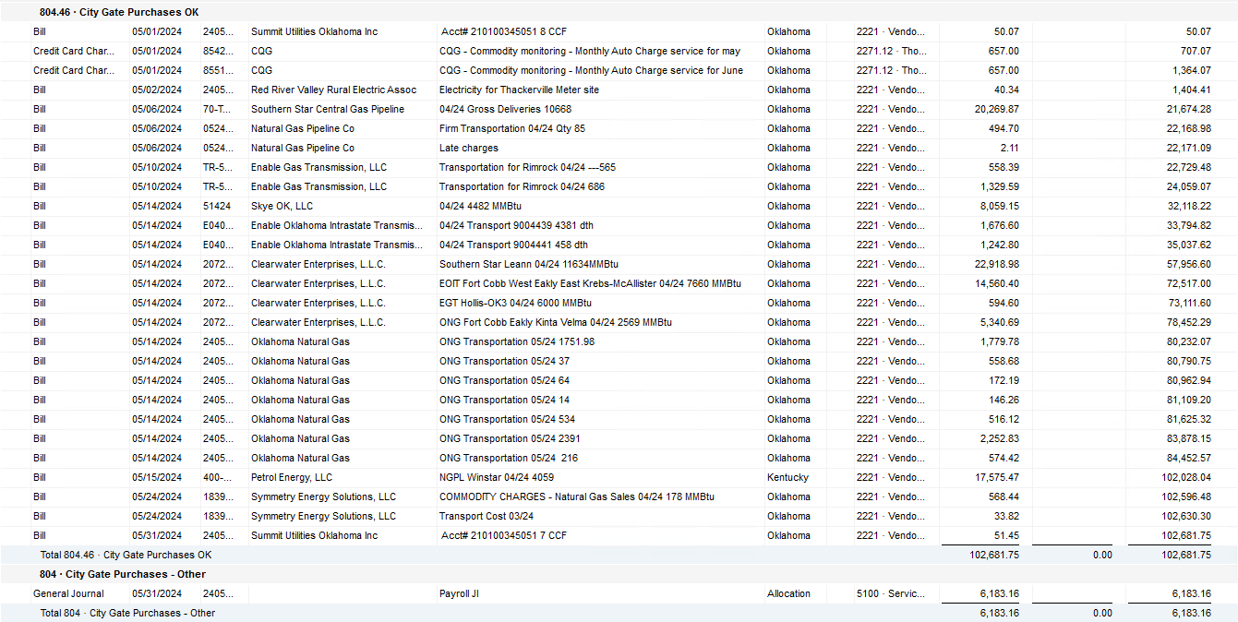

2024 NUC Rent
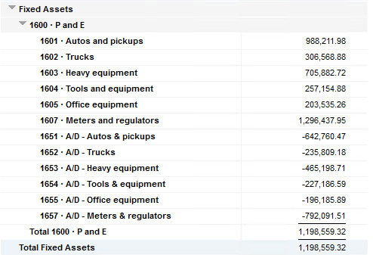
Values set from Q2 2023 numbers for Q3 & Q4 in 2023
 |  |  | Debt |  |  |  |  | Depreciation

 | Orginal Value | Debt/ Equity | Interest Rate | Total | Monthly | Orginal Value | Life | Total | Monthly | Grand
 | Per 12/31/22 | Ratio of Company | charged by Banks |  |  |  | Years |  |  | Total

Pickups | $988,211.98 | 76% | 6.54% | $49,038 | $4,086 | $988,212 | 6 | $164,702 | $13,725 | $17,812
Trucks | $306,568.88 | 76% | 6.54% | $15,213 | $1,268 | $306,569 | 6 | $51,095 | $4,258 | $5,526
Heavy Equip | $705,882.72 | 76% | 6.54% | $35,028 | $2,919 | $705,883 | 10 | $70,588 | $5,882 | $8,802
Tools & Equip | $257,154.88 | 76% | 6.54% | $12,761 | $1,063 | $257,155 | 5 | $51,431 | $4,286 | $5,350
Office Equip | $203,535.26 | 76% | 6.54% | $10,100 | $842 | $203,535 | 4 | $50,884 | $4,240 | $5,082
Meters | $1,296,437.95 | 76% | 6.54% | $64,333 | $5,361 | $1,296,438 | 10 | $129,644 | $10,804 | $16,165

 | $3,757,791.67 |  | 6.54% | $186,472 | $15,539 | $3,757,792 |  | $518,344 | $43,195 | $58,737

All Trucks and Equipment to be billed via allocation percentages, NO DIRECT BILLING

 |  | Debt/ Equity
 |  | Ratio of Company

 | CPLTD, LTD, 50% LOC | $10,223,556 | 76% | data input as of 06/30/23
 | Equity | $3,250,517 | 24% | data input as of 06/30/23
 |  | $13,474,073

