Direct Charges
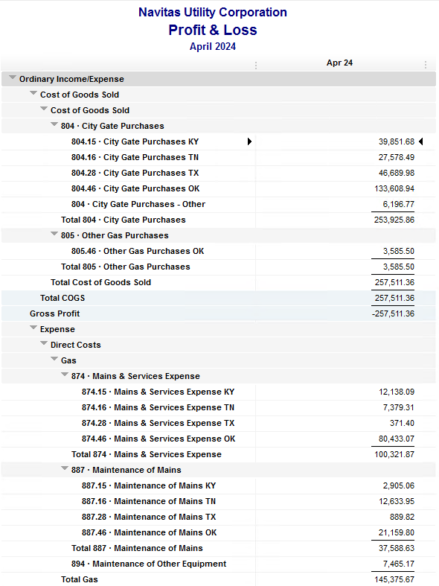
Navitas Utility Corporation |  |  |  | Data Input Apr 24 billing =Apr invoices = Mar Flow data= Mar Sales Volume
 |  |  |  |  |  |  | Billed to System
Revenue Billing - Direct Charges |  |  |  |  | KY | TN |  | OK | TX | NC
 |  |  |  | Amount

 | 874 Mains & Services
 |  | 874.15 Mains & Services KY |  | 12,138.09 | $12,138
 |  | 874.16 Mains & Services TN |  | 7,379.31 |  | $7,379
 |  | 874.28 Mains & Services TX |  | 371.40 |  |  |  |  | $371
 |  | 874.46 Mains & Services OK |  | 80,433.07 |  |  |  | $80,433

 | 887 Maintenance of Mains
 |  | 887.15 Maintenance of Mains KY |  | 2,905.06 | $2,905
 |  | 887.16 Maintenance of Mains TN |  | 12,633.95 |  | $12,634
 |  | 887.28 Maintenance of Mains TX |  | 889.82 |  |  |  |  | $890
 |  | 887.46 Maintenance of Mains OK |  | 21,159.80 |  |  |  | $21,160

 | 894 Maintenance of Other Equip |  |  | 7,465.17 |  |  |  | $7,465

 | 535 Operation supervision
 |  | 535.2 Operation supervision Cliffside |  | 464.87 |  |  |  |  |  | $465
 |  | 535.3 Operation supervision Stice-Sho |  | 2,700.43 |  |  |  |  |  | $2,700

 | 903 Customer Records & Collection
 |  | 903.15 Customer Records KY |  | 183.17 | $183
 |  | 903.16 Customer Records TN |  | 210.85 |  | $211
 |  | 903.28 Customer Records TX |  | - |  |  |  |  | $-
 |  | 903.46 Customer Records OK |  | 1,334.29 |  |  |  | $1,334

 | 908 Customer Assistance
 |  | 908.46 Customer Assistance OK |  | 3,048.00 |  |  |  | $3,048

 | 921 Office Supplies
 |  | 921.122 Office Supplies Cliffside |  | 181.61 |  |  |  |  |  | $182
 |  | 921.123 Office Supplies Stice-Shoals |  | 346.22 |  |  |  |  |  | $346
 |  | 921.15 Office Supplies KY |  | 320.54 | $321
 |  | 921.16 Office Supplies TN |  | 194.98 |  | $195
 |  | 921.28 Office Supplies TX |  | - |  |  |  |  | $-
 |  | 921.46 Office Supplies OK |  | 2,738.57 |  |  |  | $2,739

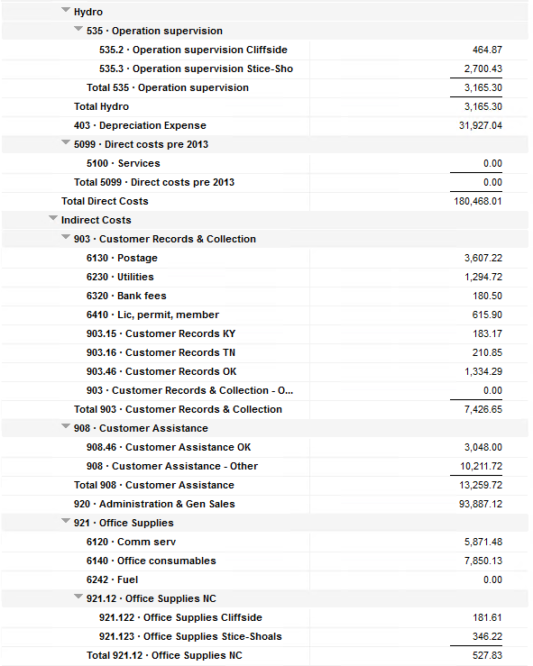
 | 923 Outside Services
 |  | 923.15 Outside Services KY |  | 6,146.75 | $6,147
 |  | 923.16 Outside Services TN |  | 264.40 |  | $264
 |  | 923.28 Outside Services TX |  | 745.83 |  |  |  |  | $746
 |  | 923.46 Outside Services OK |  | 18,368.07 |  |  |  | $18,368

 | 925 ID - Safety & Security
 |  | 925.15 ID - Safety & Security KY |  | 78.00 | $78
 |  | 925.16 ID - Safety & Security TN |  | 3,716.94 |  | $3,717
 |  | 925.28 ID - Safety & Security TX |  |  |  |  |  |  | $-
 |  | 925.46 ID - Safety & Security OK |  | 321.88 |  |  |  | $322

 | 926 Employee Benefit
 |  | 926.15 Employee Benefit KY |  | 3,119.09 | $3,119
 |  | 926.16 Employee Benefit TN |  | 677.14 |  | $677
 |  | 926.28 Employee Benefit TX |  | - |  |  |  |  | $-
 |  | 926.46 Employee Benefit OK |  | 39,296.34 |  |  |  | $39,296

 |  |  |  | 229,833.64 | 24,890.70 | 25,077.57 |  | 174,165.19 | 2,007.05 | 3,693.13

Revenue Billing - Other
 |  |  | Validation test |  |  |  |  |  | Inv | Direct+Allocation
 |  |  | Depreciation Expenses | 31,927.04 | Manual Input |  |  | OK | $296,603 | $296,603
 |  |  | Total Direct Charges | 229,833.64 |  |  |  | KY | $59,195 | $59,190
 |  |  | Total Allocation Charges | 177,138.54 |  |  |  | TN | $41,097 | $41,094
 |  |  | Total | 438,899.22 |  |  |  | TX | $6,399 | $6,393
 |  |  | QB P&L Total Expense | 438,899.22 | Manual Input |  |  | NC | $3,693 | $3,693
 |  |  | Difference | - |  |  |  | Total Billed | $406,987 | $406,972
 |  |  |  |  |  |  |  | Difference | $(14) | -

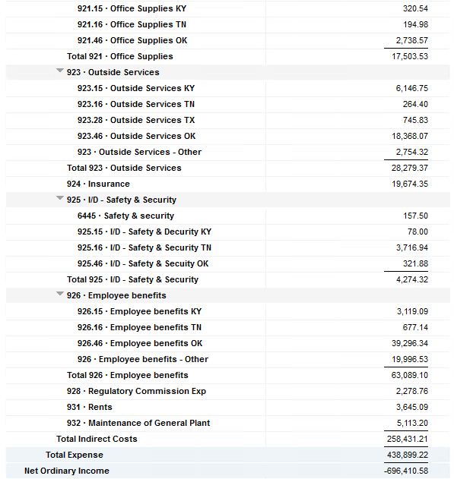

Commodity OK
Oklahoma Commodity |  |  | 2404 file = |  | Data Input Apr 24 billing =Apr invoices = Mar Flow data= Mar Sales Volume
 |  |  |  |  |  |  |  | BB 2404
 | Transporters | Units | Cost |  | Price/ Unit | Comments | System | Feb.24 Usage | % Usage | PGA Portion | Prior Month = Jan Usage
 |  |  |  |  |  |  |  | MCF |  |  | MCF
 | Symmetry Retl Dustin (small amount) | 329 | $47.31 |  | $0.14 |  | FCFA | 222,969 | 39% | $58,775.41 | 372,010 | *Includes Transport Only
 | Enable OK Intrastate | 3,871 | $2,376.20 |  | $0.61 |  | NOK3 | 11,532 | 2% | $3,039.88 | 13,348
 | Enable Gas 1006711 (Rim Rock) | 2,054 | $1,876.66 |  | $0.91 |  | FCFALD | 238,388 | 42% | $62,839.91 | 342,084
 | Southern Star | 17,648 | $21,099.41 |  | $1.20 |  | WSTAR | 99,414 | 17% | $26,205.88 | 102,552
 | ONG-L05559 | 2,661 | $1,995.37 |  | $0.75
 | ONG-L05849 | 272 | $596.91 |  | $2.19 |  |  | 572,303 | 100% | $150,861.07 | 829,994
 | ONG-L05850 | 2,647 | $2,293.87 |  | $0.87
 | ONG-L05851 | 200 | $636.83 |  | $3.18 |  |  | Sales obtained from Bill Edit List
 | ONG-L05852 | 918 | $783.24 |  | $0.85 |  |  |  | Data input to double check
 | ONG-L06099 | 23 | $150.68 |  | $6.55 |  |  |  | NUC P&L | 132,951.94 | data entry
 | ONG-L06215 | 114 | $202.87 |  | $1.78 |  |  |  | NUC P&L - Controller | 6,196.77 | data entry
 | Natural Gas Pipeline (DTH) | 85 | $496.39 |  | $5.84 |  |  |  | NUC P&L Assets | 5,547.96 | data entry
 | Volume | 30,822 | $32,555.74 |  | $1.06 |  |  |  | Sub-Total | 144,696.67 | formula
 |  |  |  |  |  |  |  |  | MKT | $6,164.40 | formula
 |  |  |  |  |  |  |  |  | Total | $150,861.07 | formula
 | Suppliers | Units | Cost |  | Price/ Unit |  |  |  |  | $- | formula

 | Symmetry Retl Dustin (large amount) MMBtu | 329 | $564.29 |  | $1.72
 | Nicholson Well (Kenneth Lowe) |  |  |  | #DIV/0! | Self generated annual invoice (November) by Ross
 | Skye OK, LLC | 4,390 | $8,089.85 |  | $1.84
 | Keystone |  |  |  | #DIV/0! | N/A
 | Clearwater SS (DTH) | 18,510 | $44,470.28 |  | $2.01
 | Clearwater EOIT (DTH) | 6,386 | $12,522.14 |  | $1.96
 | Clearwater EGT (DTH) | 1,891 | $3,806.20 |  | $3.21
 | Clearwater ONG (DTH) | 3,479 | $11,158.19 |  | $2.40
 | Summit (CCF) | 8 | $46.39 |  | $5.80
 | City of Mannford |  |  |  | #DIV/0!
 | Petrol | 4,397 | $19,039.01 |  | $4.33
 | Broken T |  |  |  | #DIV/0!
 | 804-Other |  | $6,196.77 |  | #DIV/0!
 |  | 39,390 | $105,893.12 |  | $2.69 |  | ***The variance between gas supplied and gas transported is due to Lime Rock Resources
 |  |  |  |  |  |  | Lime Rock Resources purchases gas directly from Clearwater, then transports it through our
 |  |  |  |  |  |  | lines. This creates a situation where more gas is transported than is purchased.
 | Production Watch (CQG) |  | $657.00 |  |  | Same amount monthly paid via CC (Richard) | Lime Rock is now Stephens & Johnson Operating Co.
 | RRVREA |  | $42.85
 | NALLC Delivery Charge |  | $5,547.96 |  |  | Amount use to Bill from Assets to NUC, requires to make journals in both companies ( total volume x 0.18cts)
 | NUC Marketing & Balance |  | $6,164.40 |  |  | NUC Marketing & Balance ( total volume x 0.20cts)
 |  |  | $12,412.21 |  |  | Volume | Price | Total
 | 139,148.71 | DATA INPUT 804.46+804 alloc |  |  |  | 30,822 | 0.18 | 5,547.96
 | $139,148.71 | Total: | $150,861.07
 | $- |  | $139,148.71 |  | $132,951.94 | Minus 804-Other

 |  |  |  | 25-Mar-21

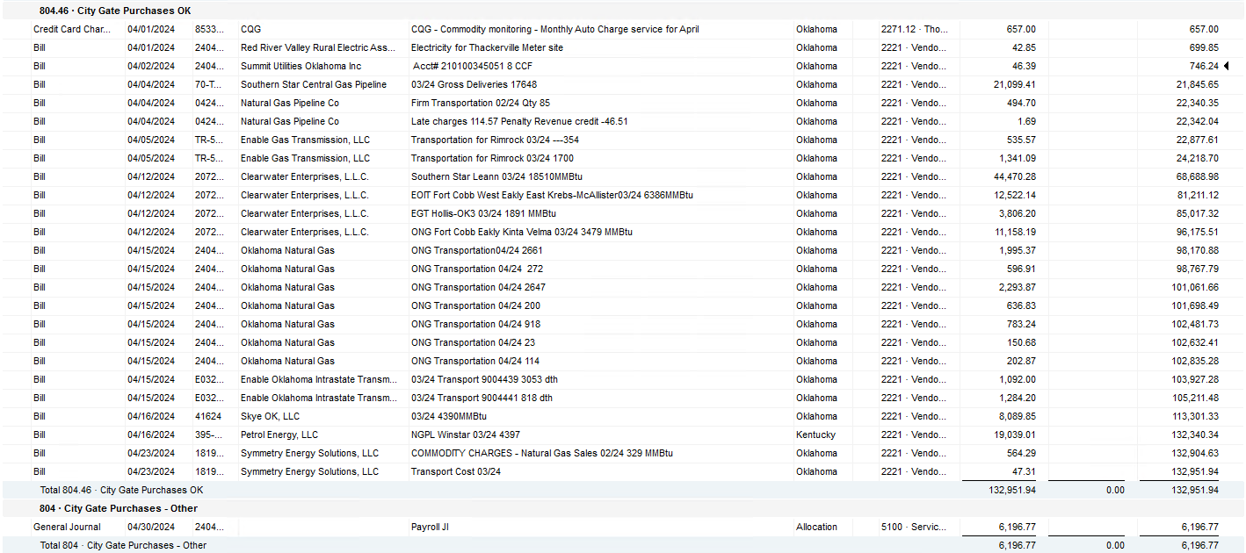

2024 NUC Rent
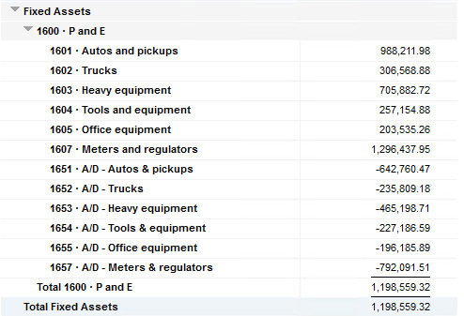
Values set from Q2 2023 numbers for Q3 & Q4 in 2023
 |  |  | Debt |  |  |  |  | Depreciation

 | Orginal Value | Debt/ Equity | Interest Rate | Total | Monthly | Orginal Value | Life | Total | Monthly | Grand
 | Per 12/31/22 | Ratio of Company | charged by Banks |  |  |  | Years |  |  | Total

Pickups | $988,211.98 | 76% | 6.54% | $49,038 | $4,086 | $988,212 | 6 | $164,702 | $13,725 | $17,812
Trucks | $306,568.88 | 76% | 6.54% | $15,213 | $1,268 | $306,569 | 6 | $51,095 | $4,258 | $5,526
Heavy Equip | $705,882.72 | 76% | 6.54% | $35,028 | $2,919 | $705,883 | 10 | $70,588 | $5,882 | $8,802
Tools & Equip | $257,154.88 | 76% | 6.54% | $12,761 | $1,063 | $257,155 | 5 | $51,431 | $4,286 | $5,350
Office Equip | $203,535.26 | 76% | 6.54% | $10,100 | $842 | $203,535 | 4 | $50,884 | $4,240 | $5,082
Meters | $1,296,437.95 | 76% | 6.54% | $64,333 | $5,361 | $1,296,438 | 10 | $129,644 | $10,804 | $16,165

 | $3,757,791.67 |  | 6.54% | $186,472 | $15,539 | $3,757,792 |  | $518,344 | $43,195 | $58,737

All Trucks and Equipment to be billed via allocation percentages, NO DIRECT BILLING

 |  | Debt/ Equity
 |  | Ratio of Company

 | CPLTD, LTD, 50% LOC | $10,223,556 | 76% | data input as of 06/30/23
 | Equity | $3,250,517 | 24% | data input as of 06/30/23
 |  | $13,474,073

