Direct Charges
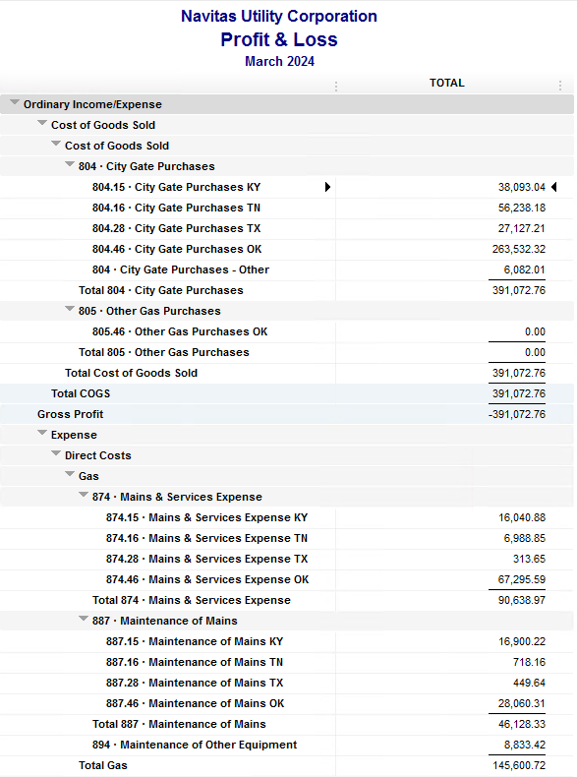
Navitas Utility Corporation |  |  |  | Data Input Mar 24 billing =Mar invoices = Feb Flow data= Feb Sales Volume
 |  |  |  |  |  |  | Billed to System
Revenue Billing - Direct Charges |  |  |  |  | KY | TN |  | OK | TX | NC
 |  |  |  | Amount

 | 874 Mains & Services
 |  | 874.15 Mains & Services KY |  | 16,040.88 | $16,041
 |  | 874.16 Mains & Services TN |  | 6,988.85 |  | $6,989
 |  | 874.28 Mains & Services TX |  | 313.65 |  |  |  |  | $314
 |  | 874.46 Mains & Services OK |  | 67,295.59 |  |  |  | $67,296

 | 887 Maintenance of Mains
 |  | 887.15 Maintenance of Mains KY |  | 16,900.22 | $16,900
 |  | 887.16 Maintenance of Mains TN |  | 718.16 |  | $718
 |  | 887.28 Maintenance of Mains TX |  | 449.64 |  |  |  |  | $450
 |  | 887.46 Maintenance of Mains OK |  | 28,060.31 |  |  |  | $28,060

 | 894 Maintenance of Other Equip |  |  | 8,833.42 |  |  |  | $8,833

 | 535 Operation supervision
 |  | 535.2 Operation supervision Cliffside |  | 465.53 |  |  |  |  |  | $466
 |  | 535.3 Operation supervision Stice-Sho |  | 4,563.07 |  |  |  |  |  | $4,563

 | 903 Customer Records & Collection
 |  | 903.15 Customer Records KY |  | 199.68 | $200
 |  | 903.16 Customer Records TN |  | 197.85 |  | $198
 |  | 903.28 Customer Records TX |  | - |  |  |  |  | $-
 |  | 903.46 Customer Records OK |  | 1,895.20 |  |  |  | $1,895

 | 908 Customer Assistance
 |  | 908.46 Customer Assistance OK |  | 3,150.67 |  |  |  | $3,151

 | 921 Office Supplies
 |  | 921.122 Office Supplies Cliffside |  | 100.00 |  |  |  |  |  | $100
 |  | 921.123 Office Supplies Stice-Shoals |  | 522.28 |  |  |  |  |  | $522
 |  | 921.15 Office Supplies KY |  | 551.65 | $552
 |  | 921.16 Office Supplies TN |  | 186.03 |  | $186
 |  | 921.28 Office Supplies TX |  | - |  |  |  |  | $-
 |  | 921.46 Office Supplies OK |  | 2,383.19 |  |  |  | $2,383

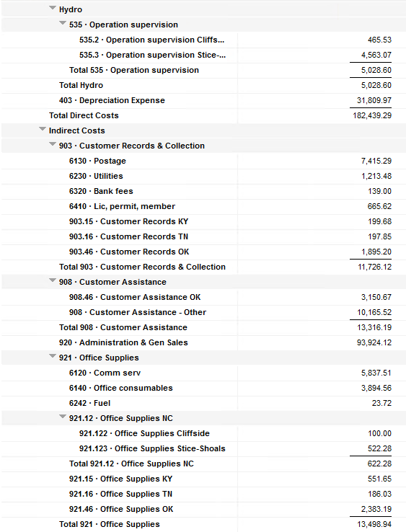
 | 923 Outside Services
 |  | 923.15 Outside Services KY |  | 10,739.00 | $10,739
 |  | 923.16 Outside Services TN |  | 211.52 |  | $212
 |  | 923.28 Outside Services TX |  | 245.83 |  |  |  |  | $246
 |  | 923.46 Outside Services OK |  | 12,764.66 |  |  |  | $12,765

 | 925 ID - Safety & Security
 |  | 925.15 ID - Safety & Security KY |  | 52.50 | $53
 |  | 925.16 ID - Safety & Security TN |  | - |  | $-
 |  | 925.28 ID - Safety & Security TX |  | - |  |  |  |  | $-
 |  | 925.46 ID - Safety & Security OK |  | 954.04 |  |  |  | $954

 | 926 Employee Benefit
 |  | 926.15 Employee Benefit KY |  | 2,838.28 | $2,838
 |  | 926.16 Employee Benefit TN |  | 643.56 |  | $644
 |  | 926.28 Employee Benefit TX |  | - |  |  |  |  | $-
 |  | 926.46 Employee Benefit OK |  | 29,290.74 |  |  |  | $29,291

 |  |  |  | 217,556.00 | 47,322.21 | 8,945.97 |  | 154,627.82 | 1,009.12 | 5,650.88

Revenue Billing - Other
 |  |  | Validation test |  |  |  |  |  | Inv | Direct+Allocation
 |  |  | Depreciation Expenses | 31,809.97 | Manual Input |  |  | OK | $278,053 | $278,053
 |  |  | Total Direct Charges | 217,556.00 |  |  |  | KY | $81,911 | $81,903
 |  |  | Total Allocation Charges | 178,622.21 |  |  |  | TN | $25,099 | $25,094
 |  |  | Total | 427,988.18 |  |  |  | TX | $5,483 | $5,477
 |  |  | QB P&L Total Expense | 427,988.18 | Manual Input |  |  | NC | $5,651 | $5,651
 |  |  | Difference | - |  |  |  | Total Billed | $396,197 | $396,178
 |  |  |  |  |  |  |  | Difference | $(19) | -

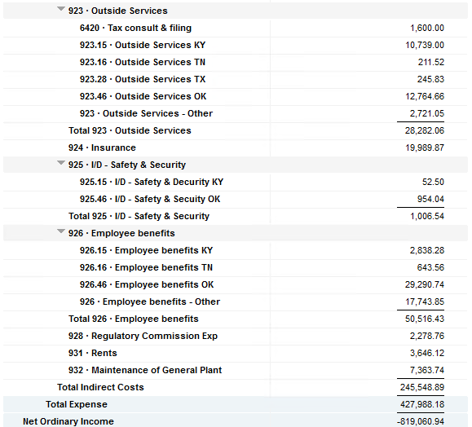

Commodity OK
Oklahoma Commodity |  |  | 2403 file = |  | Data Input Mar 24 billing =Mar invoices = Feb Flow data= Feb Sales Volume
 |  |  |  |  |  |  |  | BB 2403
 | Transporters | Units | Cost |  | Price/ Unit | Comments | System | Feb.24 Usage | % Usage | PGA Portion | Prior Month = Jan Usage
 |  |  |  |  |  |  |  | MCF |  |  | MCF
 | Symmetry Retl Dustin (small amount) | 329 | $62.51 |  | $0.19 |  | FCFA | 372,010 | 45% | $128,897.19 | 685,915 | *Includes Transport Only
 | Enable OK Intrastate | 7,946 | $3,449.40 |  | $0.43 |  | NOK3 | 13,348 | 2% | $4,624.93 | 25,508
 | Enable Gas 1006711 (Rim Rock) | 1,308 | $1,871.41 |  | $1.43 |  | FCFALD | 342,084 | 41% | $118,528.18 | 658,454
 | Southern Star | 30,014 | $20,371.11 |  | $0.68 |  | WSTAR | 102,552 | 12% | $35,533.09 | 122,670
 | ONG-L05559 | 424 | $339.59 |  | $0.80
 | ONG-L05849 | 147 | $203.19 |  | $1.38 |  |  | 829,994 | 100% | $287,583.39 | 1,492,547
 | ONG-L05850 | 30 | $131.89 |  | $4.40
 | ONG-L05851 | 1,162 | $926.11 |  | $0.80 |  |  | Sales obtained from Bill Edit List
 | ONG-L05852 | 2,487 | $2,074.68 |  | $0.83 |  |  |  | Data input to double check
 | ONG-L06099 | 416 | $260.33 |  | $0.63 |  |  |  | NUC P&L | 545,991.53 | data entry
 | ONG-L06215 | 2,939 | $1,739.35 |  | $0.59 |  |  |  | NUC P&L - Controller | 6,213.76 | data entry
 | Natural Gas Pipeline (DTH) | 85 | $562.76 |  | $6.62 |  |  |  | NUC P&L Assets | 8,511.66 | data entry
 | Volume | 47,287 | $31,992.33 |  | $0.68 |  |  |  | Sub-Total | 560,716.95 | formula
 |  |  |  |  |  |  |  |  | MKT | $9,457.40 | formula
 |  |  |  |  |  |  |  |  | Total | $570,174.35 | formula
 | Suppliers | Units | Cost |  | Price/ Unit |  |  |  |  | $282,590.96 | formula

 | Symmetry Retl Dustin (large amount) MMBtu | 329 | $1,646.18 |  | $5.00
 | Nicholson Well (Kenneth Lowe) |  |  |  | #DIV/0! | Self generated annual invoice (November) by Ross
 | Skye OK, LLC | 4,379 | $11,903.71 |  | $2.72
 | Keystone |  |  |  | #DIV/0! | N/A
 | Clearwater ONG (DTH) | 4,964 | $15,843.11 |  | $3.19
 | Clearwater EOIT (DTH) | 5,974 | $21,789.62 |  | $3.65
 | Clearwater EGT (DTH) | 2,169 | $9,431.68 |  | $4.35
 | Clearwater SS (DTH) | 25,006 | $140,651.24 |  | $5.62
 | Summit (CCF) | 73 | $138.87 |  | $1.90
 | City of Mannford | 850 | $3,724.13 |  | $4.38
 | Petrol | 4,492 | $25,694.24 |  | $5.72
 | Broken T | 3 | $6.23 |  | $2.08
 | 804-Other |  | $6,082.01 |  | #DIV/0!
 |  | 48,239 | $236,911.02 |  | $4.91 |  | ***The variance between gas supplied and gas transported is due to Lime Rock Resources
 |  |  |  |  |  |  | Lime Rock Resources purchases gas directly from Clearwater, then transports it through our
 |  |  |  |  |  |  | lines. This creates a situation where more gas is transported than is purchased.
 | Production Watch (CQG) |  | $657.00 |  |  | Same amount monthly paid via CC (Richard) | Lime Rock is now Stephens & Johnson Operating Co.
 | RRVREA |  | $53.98
 | NALLC Delivery Charge |  | $8,511.66 |  |  | Amount use to Bill from Assets to NUC, requires to make journals in both companies ( total volume x 0.18cts)
 | NUC Marketing & Balance |  | $9,457.40 |  |  | NUC Marketing & Balance ( total volume x 0.20cts)
 |  |  | $18,680.04 |  |  | Volume | Price | Total
 | 269,614.33 | DATA INPUT 804.46+804 alloc |  |  |  | 47,287 | 0.18 | 8,511.66
 | $269,614.33 | Total: | $287,583.39
 | $- |  | $269,614.33 |  | $263,532.32 | Minus 804-Other

 |  |  |  | 25-Mar-21

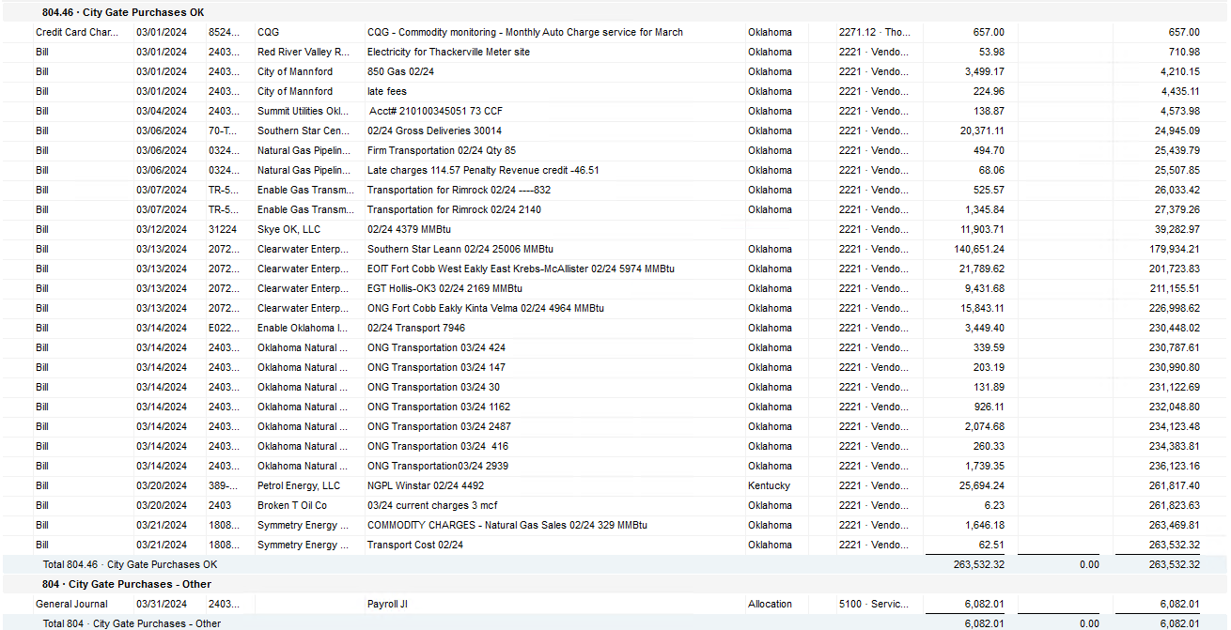

2024 NUC Rent
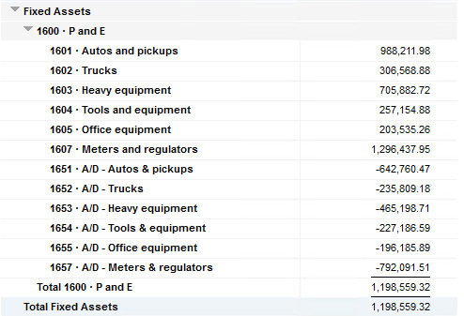
Values set from Q2 2023 numbers for Q3 & Q4 in 2023
 |  |  | Debt |  |  |  |  | Depreciation

 | Orginal Value | Debt/ Equity | Interest Rate | Total | Monthly | Orginal Value | Life | Total | Monthly | Grand
 | Per 12/31/22 | Ratio of Company | charged by Banks |  |  |  | Years |  |  | Total

Pickups | $988,211.98 | 76% | 6.54% | $49,038 | $4,086 | $988,212 | 6 | $164,702 | $13,725 | $17,812
Trucks | $306,568.88 | 76% | 6.54% | $15,213 | $1,268 | $306,569 | 6 | $51,095 | $4,258 | $5,526
Heavy Equip | $705,882.72 | 76% | 6.54% | $35,028 | $2,919 | $705,883 | 10 | $70,588 | $5,882 | $8,802
Tools & Equip | $257,154.88 | 76% | 6.54% | $12,761 | $1,063 | $257,155 | 5 | $51,431 | $4,286 | $5,350
Office Equip | $203,535.26 | 76% | 6.54% | $10,100 | $842 | $203,535 | 4 | $50,884 | $4,240 | $5,082
Meters | $1,296,437.95 | 76% | 6.54% | $64,333 | $5,361 | $1,296,438 | 10 | $129,644 | $10,804 | $16,165

 | $3,757,791.67 |  | 6.54% | $186,472 | $15,539 | $3,757,792 |  | $518,344 | $43,195 | $58,737

All Trucks and Equipment to be billed via allocation percentages, NO DIRECT BILLING

 |  | Debt/ Equity
 |  | Ratio of Company

 | CPLTD, LTD, 50% LOC | $10,223,556 | 76% | data input as of 06/30/23
 | Equity | $3,250,517 | 24% | data input as of 06/30/23
 |  | $13,474,073

