Direct Charges
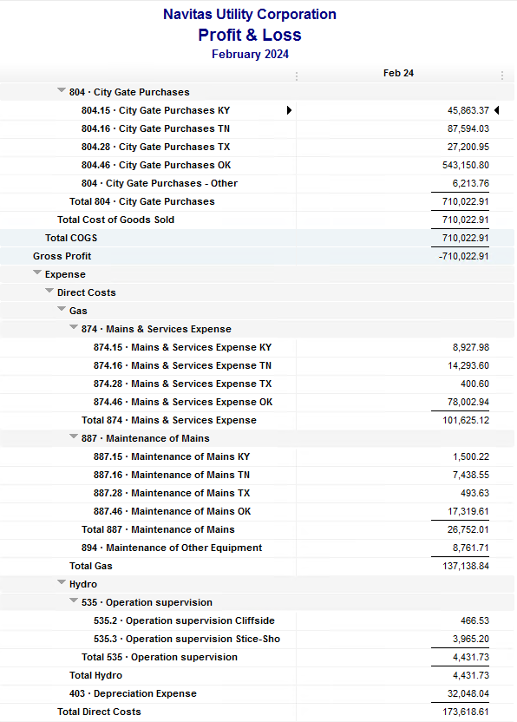
Navitas Utility Corporation |  |  |  | Data Input Feb 24 billing =Feb invoices = Jan Flow data= Jan Sales Volume
 |  |  |  |  |  |  | Billed to System
Revenue Billing - Direct Charges |  |  |  |  | KY | TN |  | OK | TX | NC
 |  |  |  | Amount

 | 874 Mains & Services
 |  | 874.15 Mains & Services KY |  | 8,927.98 | $8,928
 |  | 874.16 Mains & Services TN |  | 7,929.12 |  | $7,929
 |  | 874.28 Mains & Services TX |  | 400.60 |  |  |  |  | $401
 |  | 874.46 Mains & Services OK |  | 84,367.42 |  |  |  | $84,367

 | 887 Maintenance of Mains
 |  | 887.15 Maintenance of Mains KY |  | 1,500.22 | $1,500
 |  | 887.16 Maintenance of Mains TN |  | 1,943.33 |  | $1,943
 |  | 887.28 Maintenance of Mains TX |  | 493.63 |  |  |  |  | $494
 |  | 887.46 Maintenance of Mains OK |  | 22,814.83 |  |  |  | $22,815

 | 894 Maintenance of Other Equip |  |  | 8,761.71 |  |  |  | $8,762

 | 535 Operation supervision
 |  | 535.2 Operation supervision Cliffside |  | 466.53 |  |  |  |  |  | $467
 |  | 535.3 Operation supervision Stice-Sho |  | 3,965.20 |  |  |  |  |  | $3,965

 | 903 Customer Records & Collection
 |  | 903.15 Customer Records KY |  | 201.92 | $202
 |  | 903.16 Customer Records TN |  | 219.85 |  | $220
 |  | 903.28 Customer Records TX |  | - |  |  |  |  | $-
 |  | 903.46 Customer Records OK |  | 2,311.79 |  |  |  | $2,312

 | 908 Customer Assistance
 |  | 908.46 Customer Assistance OK |  | 3,074.89 |  |  |  | $3,075

 | 921 Office Supplies
 |  | 921.122 Office Supplies Cliffside |  | 140.77 |  |  |  |  |  | $141
 |  | 921.123 Office Supplies Stice-Shoals |  | 635.78 |  |  |  |  |  | $636
 |  | 921.15 Office Supplies KY |  | 502.89 | $503
 |  | 921.16 Office Supplies TN |  | 300.50 |  | $301
 |  | 921.28 Office Supplies TX |  | - |  |  |  |  | $-
 |  | 921.46 Office Supplies OK |  | 2,830.92 |  |  |  | $2,831

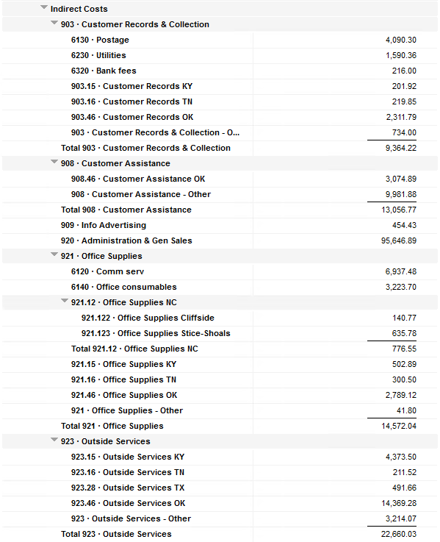
 | 923 Outside Services
 |  | 923.15 Outside Services KY |  | 4,373.50 | $4,374
 |  | 923.16 Outside Services TN |  | 211.52 |  | $212
 |  | 923.28 Outside Services TX |  | 491.66 |  |  |  |  | $492
 |  | 923.46 Outside Services OK |  | 14,369.28 |  |  |  | $14,369

 | 925 ID - Safety & Security
 |  | 925.15 ID - Safety & Security KY |  | 65.50 | $66
 |  | 925.16 ID - Safety & Security TN |  | - |  | $-
 |  | 925.28 ID - Safety & Security TX |  | - |  |  |  |  | $-
 |  | 925.46 ID - Safety & Security OK |  | 214.00 |  |  |  | $214

 | 926 Employee Benefit
 |  | 926.15 Employee Benefit KY |  | 2,838.28 | $2,838
 |  | 926.16 Employee Benefit TN |  | 643.56 |  | $644
 |  | 926.28 Employee Benefit TX |  | - |  |  |  |  | $-
 |  | 926.46 Employee Benefit OK |  | 29,290.74 |  |  |  | $29,291

 |  |  |  | 204,287.92 | 18,410.29 | 11,247.88 |  | 168,035.58 | 1,385.89 | 5,208.28

Revenue Billing - Other
 |  |  | Validation test |  |  |  |  |  | Inv | Direct+Allocation
 |  |  | Depreciation Expenses | 32,048.04 | Manual Input |  |  | OK | $289,148 | $289,148
 |  |  | Total Direct Charges | 204,287.92 |  |  |  | KY | $52,338 | $52,331
 |  |  | Total Allocation Charges | 175,266.48 |  |  |  | TN | $27,094 | $27,087
 |  |  | Total | 411,602.44 |  |  |  | TX | $5,785 | $5,780
 |  |  | QB P&L Total Expense | 411,602.44 | Manual Input |  |  | NC | $5,208 | $5,208
 |  |  | Difference | - |  |  |  | Total Billed | $379,573 | $379,554
 |  |  |  |  |  |  |  | Difference | $(18) | -

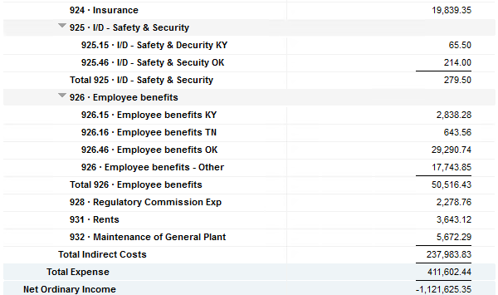

Commodity OK
Oklahoma Commodity |  |  | 2401 file = |  | Data Input Feb 24 billing =Feb invoices = Jan Flow data= Jan Sales Volume
 |  |  |  |  |  |  |  | BB 2401
 | Transporters | Units | Cost |  | Price/ Unit | Comments | System | Jan.24 Usage | % Usage | PGA Portion | Prior Month = Dec Usage
 |  |  |  |  |  |  |  | MCF |  |  | MCF
 | Symmetry Retl Dustin (small amount) | 618 | $117.42 |  | $0.19 |  | FCFA | 685,915 | 46% | $267,782.12 | 599,501 | *Includes Transport Only
 | Enable OK Intrastate | 14,215 | $6,550.00 |  | $0.46 |  | NOK3 | 25,508 | 2% | $9,958.36 | 19,727
 | Enable Gas 1006711 (Rim Rock) | 2,027 | $1,884.98 |  | $0.93 |  | FCFALD | 658,454 | 44% | $257,061.31 | 674,886
 | Southern Star | 49,926 | $22,683.12 |  | $0.45 |  | WSTAR | 122,670 | 8% | $47,890.53 | 179,095
 | ONG-L05559 | 4,087 | $2,717.36 |  | $0.66
 | ONG-L05849 | 1,275 | $1,174.93 |  | $0.92 |  |  | 1,492,547 | 100% | $582,692.31 | 1,473,209
 | ONG-L05850 | 284 | $318.39 |  | $1.12
 | ONG-L05851 | 62 | $179.43 |  | $2.89 |  |  | Sales obtained from Bill Edit List
 | ONG-L05852 | 1,759 | $1,358.42 |  | $0.77 |  |  |  | Data input to double check
 | ONG-L06099 | 5,060 | $2,602.08 |  | $0.51 |  |  |  | NUC P&L | 545,991.53 | data entry
 | ONG-L06215 | 831 | $875.93 |  | $1.05 |  |  |  | NUC P&L - Controller | 6,213.76 | data entry
 | Natural Gas Pipeline (DTH) | 85 | $494.70 |  | $5.82 |  |  |  | NUC P&L Assets | 14,441.22 | data entry
 | Volume | 80,229 | $40,956.76 |  | $0.51 |  |  |  | Sub-Total | 566,646.51 | formula
 |  |  |  |  |  |  |  |  | MKT | $16,045.80 | formula
 |  |  |  |  |  |  |  |  | Total | $582,692.31 | formula
 | Suppliers | Units | Cost |  | Price/ Unit |  |  |  |  | $- | formula

 | Symmetry Retl Dustin (large amount) MMBtu | 618 | $2,809.35 |  | $4.55
 | Nicholson Well (Kenneth Lowe) |  |  |  | #DIV/0! | Self generated annual invoice (November) by Ross
 | Skye OK, LLC | 1,175 | $3,077.33 |  | $2.62
 | Keystone | 5,495 | $7,183.92 |  | $1.31 | N/A
 | Clearwater ONG (DTH) | 7,960 | $47,000.61 |  | $5.90
 | Clearwater EOIT (DTH) | 14,215 | $68,072.90 |  | $4.79
 | Clearwater EGT (DTH) | 2,330 | $11,126.93 |  | $4.78
 | Clearwater SS (DTH) | 42,821 | $321,590.02 |  | $7.51
 | Summit (CCF) | 2,238 | $1,417.93 |  | $0.63
 | City of Mannford | 73 | $672.48 |  | $9.21
 | Petrol | 7,020 | $41,277.60 |  | $5.88
 | Broken T | 26 | $87.55 |  | $3.37
 | 804-Other |  | $6,213.76 |  | #DIV/0!
 |  | 83,971 | $510,530.38 |  | $6.08 |  | ***The variance between gas supplied and gas transported is due to Lime Rock Resources
 |  |  |  |  |  |  | Lime Rock Resources purchases gas directly from Clearwater, then transports it through our
 |  |  |  |  |  |  | lines. This creates a situation where more gas is transported than is purchased.
 | Production Watch (CQG) |  | $657.00 |  |  | Same amount monthly paid via CC (Richard) | Lime Rock is now Stephens & Johnson Operating Co.
 | RRVREA |  | $61.15
 | NALLC Delivery Charge |  | $14,441.22 |  |  | Amount use to Bill from Assets to NUC, requires to make journals in both companies ( total volume x 0.18cts)
 | NUC Marketing & Balance |  | $16,045.80 |  |  | NUC Marketing & Balance ( total volume x 0.20cts)
 |  |  | $31,205.17 |  |  | Volume | Price | Total
 | 552,205.29 | DATA INPUT 804.46+804 alloc |  |  |  | 80,229 | 0.18 | 14,441.22
 | $552,205.29 | Total: | $582,692.31
 | $- |  | $552,205.29 |  | $545,991.53 | Minus 804-Other

 |  |  |  | 25-Mar-21

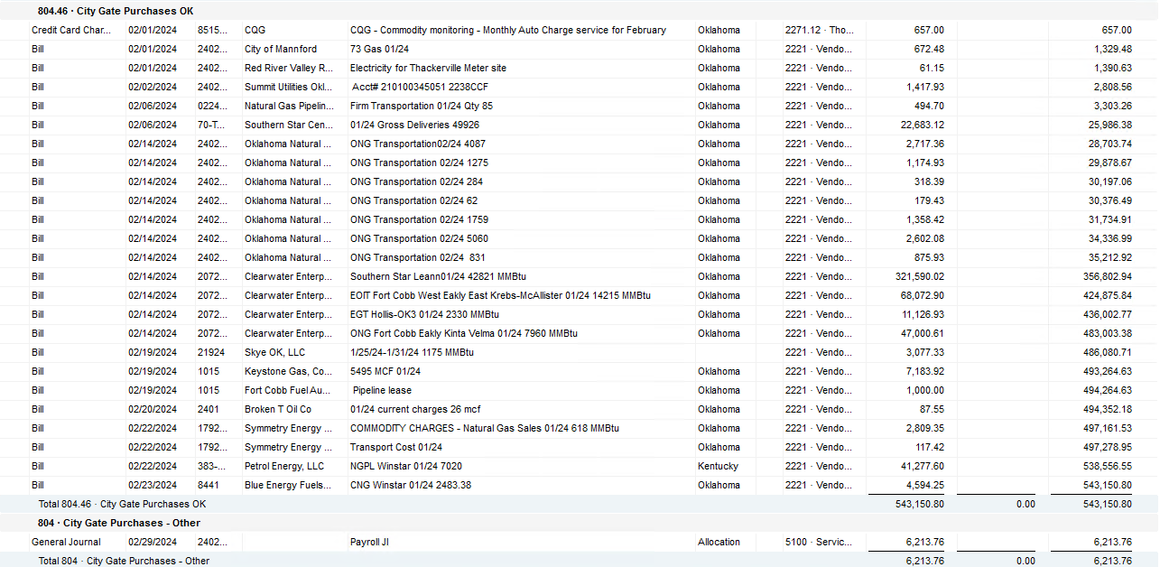

2024 NUC Rent
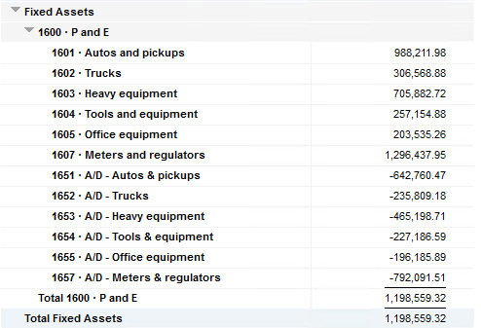
Values set from Q2 2023 numbers for Q3 & Q4 in 2023
 |  |  | Debt |  |  |  |  | Depreciation

 | Orginal Value | Debt/ Equity | Interest Rate | Total | Monthly | Orginal Value | Life | Total | Monthly | Grand
 | Per 12/31/22 | Ratio of Company | charged by Banks |  |  |  | Years |  |  | Total

Pickups | $988,211.98 | 76% | 6.54% | $49,038 | $4,086 | $988,212 | 6 | $164,702 | $13,725 | $17,812
Trucks | $306,568.88 | 76% | 6.54% | $15,213 | $1,268 | $306,569 | 6 | $51,095 | $4,258 | $5,526
Heavy Equip | $705,882.72 | 76% | 6.54% | $35,028 | $2,919 | $705,883 | 10 | $70,588 | $5,882 | $8,802
Tools & Equip | $257,154.88 | 76% | 6.54% | $12,761 | $1,063 | $257,155 | 5 | $51,431 | $4,286 | $5,350
Office Equip | $203,535.26 | 76% | 6.54% | $10,100 | $842 | $203,535 | 4 | $50,884 | $4,240 | $5,082
Meters | $1,296,437.95 | 76% | 6.54% | $64,333 | $5,361 | $1,296,438 | 10 | $129,644 | $10,804 | $16,165

 | $3,757,791.67 |  | 6.54% | $186,472 | $15,539 | $3,757,792 |  | $518,344 | $43,195 | $58,737

All Trucks and Equipment to be billed via allocation percentages, NO DIRECT BILLING

 |  | Debt/ Equity
 |  | Ratio of Company

 | CPLTD, LTD, 50% LOC | $10,223,556 | 76% | data input as of 06/30/23
 | Equity | $3,250,517 | 24% | data input as of 06/30/23
 |  | $13,474,073

