Direct Charges
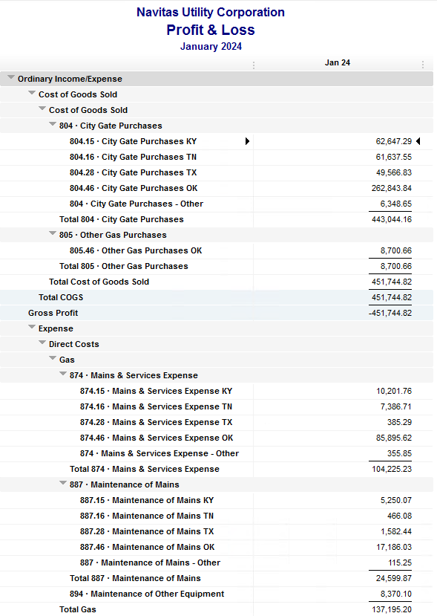
Navitas Utility Corporation |  |  |  | Data Input Jan 43 billing =Jan invoices = Dec Flow data= Dec Sales Volume
 |  |  |  |  |  |  | Billed to System
Revenue Billing - Direct Charges |  |  |  |  | KY | TN |  | OK | TX | NC
 |  |  |  | Amount

 | 874 Mains & Services
 |  | 874.15 Mains & Services KY |  | 9,806.76 | $9,807
 |  | 874.16 Mains & Services TN |  | 7,083.71 |  | $7,084
 |  | 874.28 Mains & Services TX |  | 382.29 |  |  |  |  | $382
 |  | 874.46 Mains & Services OK |  | 84,127.40 |  |  |  | $84,127

 | 887 Maintenance of Mains
 |  | 887.15 Maintenance of Mains KY |  | 5,250.07 | $5,250
 |  | 887.16 Maintenance of Mains TN |  | 466.08 |  | $466
 |  | 887.28 Maintenance of Mains TX |  | 1,582.44 |  |  |  |  | $1,582
 |  | 887.46 Maintenance of Mains OK |  | 17,740.19 |  |  |  | $17,740

 | 894 Maintenance of Other Equip |  |  | 8,370.10 |  |  |  | $8,370

 | 535 Operation supervision
 |  | 535.2 Operation supervision Cliffside |  | 467.24 |  |  |  |  |  | $467
 |  | 535.3 Operation supervision Stice-Sho |  | 3,835.36 |  |  |  |  |  | $3,835

 | 903 Customer Records & Collection
 |  | 903.15 Customer Records KY |  | 191.72 | $192
 |  | 903.16 Customer Records TN |  | 190.68 |  | $191
 |  | 903.28 Customer Records TX |  | - |  |  |  |  | $-
 |  | 903.46 Customer Records OK |  | 2,052.54 |  |  |  | $2,053

 | 908 Customer Assistance
 |  | 908.46 Customer Assistance OK |  | 3,079.45 |  |  |  | $3,079

 | 921 Office Supplies
 |  | 921.122 Office Supplies Cliffside |  | 177.16 |  |  |  |  |  | $177
 |  | 921.123 Office Supplies Stice-Shoals |  | 1,083.15 |  |  |  |  |  | $1,083
 |  | 921.15 Office Supplies KY |  | 470.92 | $471
 |  | 921.16 Office Supplies TN |  | 72.98 |  | $73
 |  | 921.28 Office Supplies TX |  | - |  |  |  |  | $-
 |  | 921.46 Office Supplies OK |  | 2,570.02 |  |  |  | $2,570

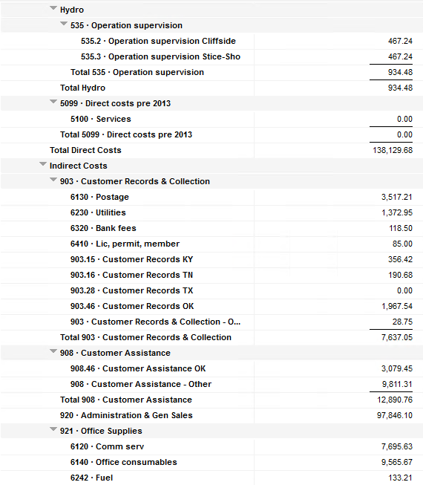
 | 923 Outside Services
 |  | 923.15 Outside Services KY |  | 1,936.50 | $1,937
 |  | 923.16 Outside Services TN |  | 264.40 |  | $264
 |  | 923.28 Outside Services TX |  | - |  |  |  |  | $-
 |  | 923.46 Outside Services OK |  | 15,178.09 |  |  |  | $15,178

 | 925 ID - Safety & Security
 |  | 925.15 ID - Safety & Security KY |  | 133.50 | $134
 |  | 925.16 ID - Safety & Security TN |  | 55.00 |  | $55
 |  | 925.28 ID - Safety & Security TX |  | - |  |  |  |  | $-
 |  | 925.46 ID - Safety & Security OK |  | 676.00 |  |  |  | $676

 | 926 Employee Benefit
 |  | 926.15 Employee Benefit KY |  | 2,838.28 | $2,838
 |  | 926.16 Employee Benefit TN |  | 643.56 |  | $644
 |  | 926.28 Employee Benefit TX |  | - |  |  |  |  | $-
 |  | 926.46 Employee Benefit OK |  | 29,290.74 |  |  |  | $29,291

 |  |  |  | 200,016.33 | 20,627.75 | 8,776.41 |  | 163,084.53 | 1,964.73 | 5,562.91

Revenue Billing - Other
 |  |  | Validation test |  |  |  |  |  | Inv | Direct+Allocation
 |  |  | Depreciation Expenses | 32,129.28 | Manual Input |  |  | OK | $292,044 | $292,044
 |  |  | Total Direct Charges | 200,016.33 |  |  |  | KY | $56,796 | $56,789
 |  |  | Total Allocation Charges | 186,646.28 |  |  |  | TN | $25,667 | $25,662
 |  |  | Total | 418,791.89 |  |  |  | TX | $6,610 | $6,605
 |  |  | QB P&L Total Expense | 418,791.89 | Manual Input |  |  | NC | $5,563 | $5,563
 |  |  | Difference | - |  |  |  | Total Billed | $386,680 | $386,663
 |  |  |  |  |  |  |  | Difference | $(18) | -

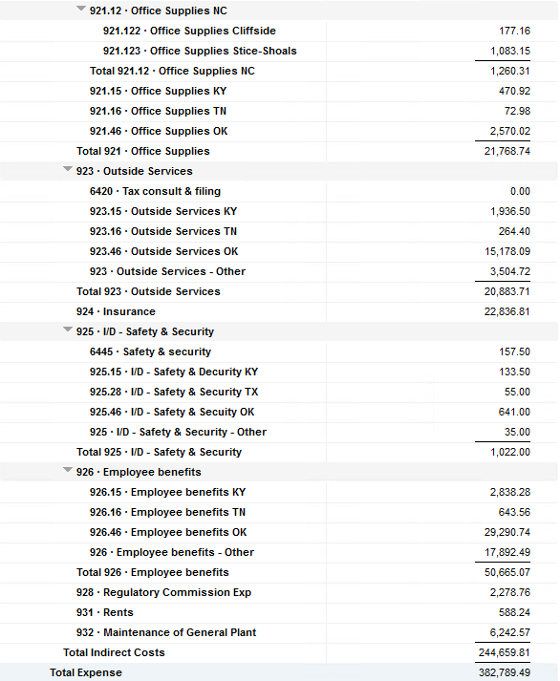

Commodity OK
Oklahoma Commodity |  |  | 2401 file = |  | Data Input Jan 43 billing =Jan invoices = Dec Flow data= Dec Sales Volume
 |  |  |  |  |  |  |  | BB 2401
 | Transporters | Units | Cost |  | Price/ Unit | Comments | System | Dec.24 Usage | % Usage | PGA Portion | Prior Month = Nov Usage
 |  |  |  |  |  |  |  | MCF |  |  | MCF
 | Symmetry Retl Dustin (small amount) | 374 | $71.06 |  | $0.19 |  | FCFA | 599,501 | 41% | $114,971.99 | 372,589 | *Includes Transport Only
 | Enable OK Intrastate | 9,932 | $8,108.41 |  | $0.82 |  | NOK3 | 19,727 | 1% | $3,783.23 | 9,743
 | Enable Gas 1006711 (Rim Rock) | 1,249 | $1,879.95 |  | $1.51 |  | FCFALD | 674,886 | 46% | $129,429.28 | 541,950
 | Southern Star | 25,359 | $21,523.30 |  | $0.85 |  | WSTAR | 179,095 | 12% | $34,346.75 | 120,929
 | ONG-L05559 | 3,384 | $2,376.17 |  | $0.70
 | ONG-L05849 | 454 | $770.86 |  | $1.70 |  |  | 1,473,209 | 100% | $282,531.25 | 1,045,211
 | ONG-L05850 | 158 | $233.26 |  | $1.48
 | ONG-L05851 | 4,025 | $164.17 |  | $0.04 |  |  | Sales obtained from Bill Edit List
 | ONG-L05852 | 1,309 | $1,040.66 |  | $0.80 |  |  |  | Data input to double check
 | ONG-L06099 | 5,546 | $2,673.16 |  | $0.48 |  |  |  | NUC P&L | 200,746.83 | data entry
 | ONG-L06215 | 483 | $706.59 |  | $1.46 |  |  |  | NUC P&L - Controller | 6,037.21 | data entry
 | Natural Gas Pipeline (DTH) | 85 | $494.70 |  | $5.82 |  |  |  | NUC P&L Assets | 7,600.32 | data entry
 | Volume | 52,358 | $40,042.29 |  | $0.76 |  |  |  | Sub-Total | 214,384.36 | formula
 |  |  |  |  |  |  |  |  | MKT | $10,471.60 | formula
 |  |  |  |  |  |  |  |  | Total | $224,855.96 | formula
 | Suppliers | Units | Cost |  | Price/ Unit |  |  |  |  | $(57,675.29) | formula

 | Symmetry Retl Dustin (large amount) MMBtu | 374 | $1,520.19 |  | $4.06
 | Nicholson Well (Kenneth Lowe) |  |  |  | #DIV/0! | Self generated annual invoice (November) by Ross
 | Keystone | 5,495 | $14,869.47 |  | $2.71 | N/A
 | Clearwater ONG (DTH) | 5,664 | $17,783.25 |  | $3.14
 | Clearwater EOIT (DTH) | 10,200 | $33,018.48 |  | $3.24
 | Clearwater EGT (DTH) | 1,301 | $4,149.80 |  | $3.19
 | Clearwater SS (DTH) | 26,192 | $99,809.85 |  | $3.81
 | Summit (CCF) | 20 | $75.76 |  | $3.79
 | City of Mannford | 259 | $1,880.38 |  | $7.26
 | Petrol | 7,302 | $42,424.62 |  | $5.81
 | Broken T |  |  |  | #DIV/0!
 | 804-Other |  | $6,348.65 |  | #DIV/0!
 |  | 56,807 | $221,880.45 |  | $3.91 |  | ***The variance between gas supplied and gas transported is due to Lime Rock Resources
 |  |  |  |  |  |  | Lime Rock Resources purchases gas directly from Clearwater, then transports it through our
 |  |  |  |  |  |  | lines. This creates a situation where more gas is transported than is purchased.
 | Production Watch (CQG) |  | $657.00 |  |  | Same amount monthly paid via CC (Richard) | Lime Rock is now Stephens & Johnson Operating Co.
 | RRVREA |  | $55.47
 | NALLC Delivery Charge |  | $9,424.44 |  |  | Amount use to Bill from Assets to NUC, requires to make journals in both companies ( total volume x 0.18cts)
 | NUC Marketing & Balance |  | $10,471.60 |  |  | NUC Marketing & Balance ( total volume x 0.20cts)
 |  |  | $20,608.51 |  |  | Volume | Price | Total
 | 262,635.21 | DATA INPUT 804.46+804 alloc |  |  |  | 52,358 | 0.18 | 9,424.44
 | $262,635.21 | Total: | $282,531.25
 | $- |  | $262,635.21 |  | $256,286.56 | Minus 804-Other

 |  |  |  | 25-Mar-21

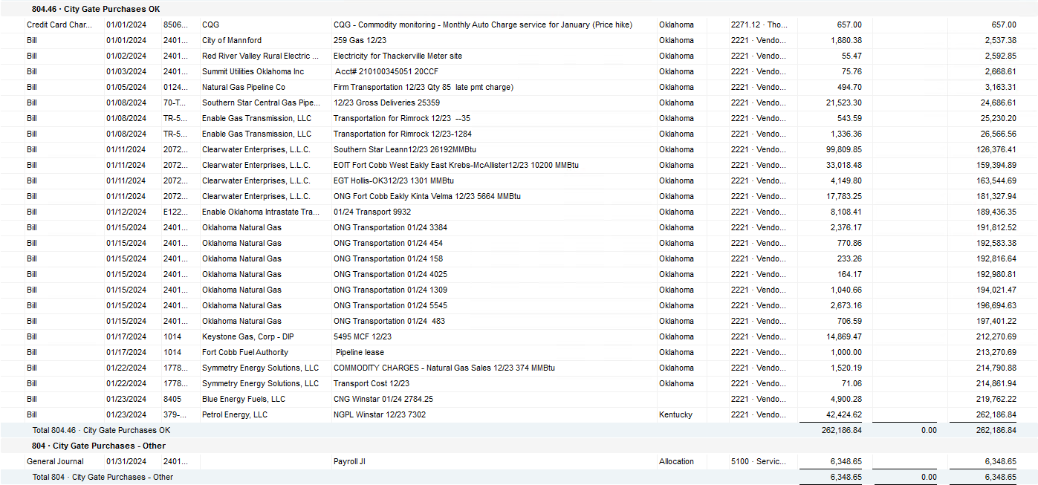

2024 NUC Rent
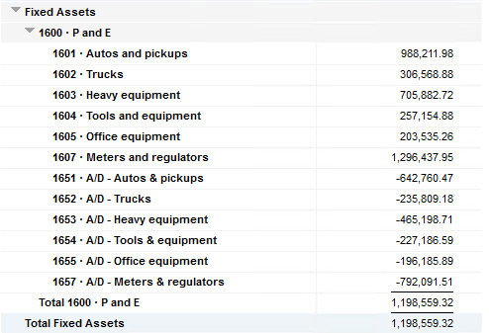
Values set from Q2 2023 numbers for Q3 & Q4 in 2023
 |  |  | Debt |  |  |  |  | Depreciation

 | Orginal Value | Debt/ Equity | Interest Rate | Total | Monthly | Orginal Value | Life | Total | Monthly | Grand
 | Per 12/31/22 | Ratio of Company | charged by Banks |  |  |  | Years |  |  | Total

Pickups | $988,211.98 | 76% | 6.54% | $49,038 | $4,086 | $988,212 | 6 | $164,702 | $13,725 | $17,812
Trucks | $306,568.88 | 76% | 6.54% | $15,213 | $1,268 | $306,569 | 6 | $51,095 | $4,258 | $5,526
Heavy Equip | $705,882.72 | 76% | 6.54% | $35,028 | $2,919 | $705,883 | 10 | $70,588 | $5,882 | $8,802
Tools & Equip | $257,154.88 | 76% | 6.54% | $12,761 | $1,063 | $257,155 | 5 | $51,431 | $4,286 | $5,350
Office Equip | $203,535.26 | 76% | 6.54% | $10,100 | $842 | $203,535 | 4 | $50,884 | $4,240 | $5,082
Meters | $1,296,437.95 | 76% | 6.54% | $64,333 | $5,361 | $1,296,438 | 10 | $129,644 | $10,804 | $16,165

 | $3,757,791.67 |  | 6.54% | $186,472 | $15,539 | $3,757,792 |  | $518,344 | $43,195 | $58,737

All Trucks and Equipment to be billed via allocation percentages, NO DIRECT BILLING

 |  | Debt/ Equity
 |  | Ratio of Company

 | CPLTD, LTD, 50% LOC | $10,223,556 | 76% | data input as of 06/30/23
 | Equity | $3,250,517 | 24% | data input as of 06/30/23
 |  | $13,474,073

