Direct Charges
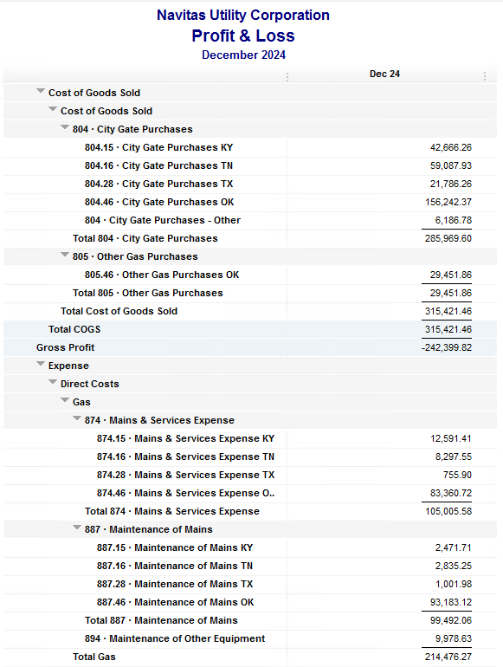
Navitas Utility Corporation |  |  |  | Data Input Dec 24 billing =Dec invoices = Nov Flow data= Nov Sales Volume
 |  |  |  |  |  |  | Billed to System
Revenue Billing - Direct Charges |  |  |  |  | KY | TN |  | OK | TX | NC
 |  |  |  | Amount

 | 874 Mains & Services
 |  | 874.15 Mains & Services KY |  | 12,591.41 | $12,591
 |  | 874.16 Mains & Services TN |  | 8,297.55 |  | $8,298
 |  | 874.28 Mains & Services TX |  | 755.90 |  |  |  |  | $756
 |  | 874.46 Mains & Services OK |  | 83,360.72 |  |  |  | $83,361

 | 887 Maintenance of Mains
 |  | 887.15 Maintenance of Mains KY |  | 2,471.71 | $2,472
 |  | 887.16 Maintenance of Mains TN |  | 2,835.25 |  | $2,835
 |  | 887.28 Maintenance of Mains TX |  | 1,001.98 |  |  |  |  | $1,002
 |  | 887.46 Maintenance of Mains OK |  | 93,183.12 |  |  |  | $93,183

 | 894 Maintenance of Other Equip |  |  | 9,978.63 |  |  |  | $9,979

 | 535 Operation supervision
 |  | 535.2 Operation supervision Cliffside |  | 475.27 |  |  |  |  |  | $475
 |  | 535.3 Operation supervision Stice-Sho |  | 1,074.88 |  |  |  |  |  | $1,075

 | 903 Customer Records & Collection
 |  | 903.15 Customer Records KY |  | 193.21 | $193
 |  | 903.16 Customer Records TN |  | 212.25 |  | $212
 |  | 903.28 Customer Records TX |  | - |  |  |  |  | $-
 |  | 903.46 Customer Records OK |  | 2,363.91 |  |  |  | $2,364

 | 908 Customer Assistance
 |  | 908.46 Customer Assistance OK |  | 3,946.73 |  |  |  | $3,947

 | 921 Office Supplies
 |  | 921.122 Office Supplies Cliffside |  | 193.37 |  |  |  |  |  | $193
 |  | 921.123 Office Supplies Stice-Shoals |  | 408.85 |  |  |  |  |  | $409
 |  | 921.15 Office Supplies KY |  | 427.72 | $428
 |  | 921.16 Office Supplies TN |  | 194.98 |  | $195
 |  | 921.28 Office Supplies TX |  | - |  |  |  |  | $-
 |  | 921.46 Office Supplies OK |  | 2,393.53 |  |  |  | $2,394
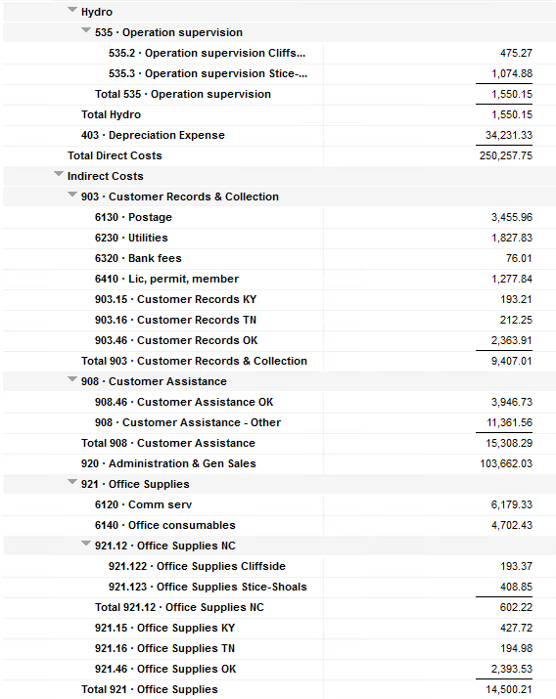
 | 923 Outside Services
 |  | 923.15 Outside Services KY |  | 9,441.85 | $9,442
 |  | 923.16 Outside Services TN |  | (5,694.90) |  | $(5,695)
 |  | 923.28 Outside Services TX |  | 1,683.33 |  |  |  |  | $1,683
 |  | 923.46 Outside Services OK |  | 11,294.84 |  |  |  | $11,295

 | 925 ID - Safety & Security
 |  | 925.15 ID - Safety & Security KY |  | 61.50 | $62
 |  | 925.16 ID - Safety & Security TN |  | - |  | $-
 |  | 925.28 ID - Safety & Security TX |  | - |  |  |  |  | $-
 |  | 925.46 ID - Safety & Security OK |  | 636.79 |  |  |  | $637

 | 926 Employee Benefit
 |  | 926.15 Employee Benefit KY |  | 3,119.09 | $3,119
 |  | 926.16 Employee Benefit TN |  | 683.65 |  | $684
 |  | 926.28 Employee Benefit TX |  | - |  |  |  |  | $-
 |  | 926.46 Employee Benefit OK |  | 28,865.24 |  |  |  | $28,865

 |  |  |  | 276,452.36 | 28,306.49 | 6,528.78 |  | 236,023.51 | 3,441.21 | 2,152.37

Revenue Billing - Other
 |  |  | Validation test |  |  |  |  |  | Inv | Direct+Allocation
 |  |  | Depreciation Expenses | 34,231.33 | Manual Input |  |  | OK | $363,681 | $363,681
 |  |  | Total Direct Charges | 276,452.36 |  |  |  | KY | $64,102 | $64,097
 |  |  | Total Allocation Charges | 184,722.66 |  |  |  | TN | $23,246 | $23,241
 |  |  | Total | 495,406.35 |  |  |  | TX | $8,008 | $8,004
 |  |  | QB P&L Total Expense | 495,406.35 | Manual Input |  |  | NC | $2,152 | $2,152
 |  |  | Difference | - |  |  |  | Total Billed | $461,190 | $461,175
 |  |  |  |  |  |  |  | Difference | $(15) | -

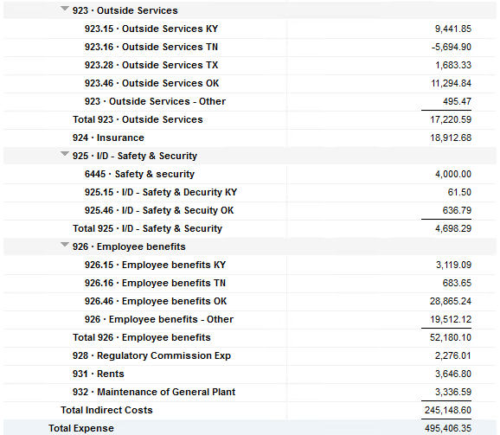

Commodity OK
Oklahoma Commodity |  |  | 2412 file = |  | Data Input Dec 24 billing =Dec invoices = Nov Flow data= Nov Sales Volume
 |  |  |  |  |  |  |  | BB 2412
 | Transporters | Units | Cost |  | Price/ Unit | Comments | System | Nov.24 Usage | % Usage | PGA Portion | Prior Month = Oct Usage
 |  |  |  |  |  |  |  | MCF |  |  | MCF
 | Symmetry Retl Dustin (small amount) | 264 | $128.08 |  | $0.49 |  | FCFA | 213,764 | 33% | $57,422.10 | 159,922 | *Includes Transport Only
 | Enable OK Intrastate | 7,559 | $11,354.80 |  | $1.50 |  | NOK3 | 2,520 | 0% | $676.93 | 4,566
 | Enable Gas 1006711 (Rim Rock) | 1,015 | $1,877.56 |  | $1.85 |  | FCFALD | 351,958 | 55% | $94,544.30 | 104,802
 | Southern Star | 13,736 | $20,388.41 |  | $1.48 |  | WSTAR | 74,644 | 12% | $20,051.16 | 94,256
 | ONG-L05559 | 608 | $5,381.40 |  | $8.85
 | ONG-L05849 | 192 | $641.96 |  | $3.34 |  |  | 642,886 | 100% | $172,694.49 | 363,546
 | ONG-L05850 | 2,163 | $2,352.43 |  | $1.09
 | ONG-L05851 | 111 | $243.82 |  | $2.20 |  |  | Sales obtained from Bill Edit List
 | ONG-L05852 | 20 | $161.85 |  | $8.09 |  |  |  | Data input to double check
 | ONG-L06099 | 74 | $183.06 |  | $2.47 |  |  |  | NUC P&L | 87,212.41 | data entry
 | ONG-L06215 | 1,058 | $1,156.55 |  | $1.09 |  |  |  | NUC P&L - Controller | 6,249.26 | data entry
 | ONG | 1,858 | $1,697.06 |  | $0.91 |  |  |  | NUC P&L Assets | 2,554.20 | data entry
 | Natural Gas Pipeline (DTH) | 85 | $498.92 |  | $5.87 |  |  |  | Sub-Total | 96,015.87 | formula
 | Volume | 28,743 | $46,065.90 |  | $1.60 |  |  |  | MKT | $5,748.60 | formula
 |  |  |  |  |  |  |  |  | Total | $101,764.47 | formula
 |  |  |  |  |  |  |  |  |  | $(70,930.02) | formula
 | Suppliers | Units | Cost |  | Price/ Unit

 | Symmetry Retl Dustin (large amount) MMBtu | 264 | $807.84 |  | $3.06 | Self generated annual invoice (November) by Ross
 | Nicholson Well (Kenneth Lowe) |  |  |  | #DIV/0!
 | Skye OK, LLC | 966 | $11,568.00 |  | $11.98 | N/A
 | Keystone |  |  |  | #DIV/0!
 | Clearwater SS (DTH) | 12,921 | $43,315.06 |  | $2.89
 | Clearwater EOIT (DTH) | 6,810 | $18,227.80 |  | $2.68
 | Clearwater EGT (DTH) | 810 | $2,338.07 |  | $0.71
 | Clearwater ONG (DTH) | 12,921 | $9,201.94 |  | $3.35
 | Summit (CCF) | 7 | $57.83 |  | $8.26
 | City of Mannford | 104 | $894.17 |  | $8.60
 | Petrol | 4,227 | $22,403.10 |  | $5.30
 | Broken T |  |  |  | #DIV/0!
 | 804-Other |  | $6,186.78 |  | #DIV/0! |  | ***The variance between gas supplied and gas transported is due to Lime Rock Resources
 |  | 39,030 | $115,000.59 |  | $2.95 |  | Lime Rock Resources purchases gas directly from Clearwater, then transports it through our
 |  |  |  |  |  |  | lines. This creates a situation where more gas is transported than is purchased.
 |  |  |  |  |  | Same amount monthly paid via CC (Richard) | Lime Rock is now Stephens & Johnson Operating Co.
 | Production Watch (CQG) |  | $657.00
 | RRVREA |  | $48.66 |  |  | Amount use to Bill from Assets to NUC, requires to make journals in both companies ( total volume x 0.18cts)
 | NALLC Delivery Charge |  | $5,173.74 |  |  | NUC Marketing & Balance ( total volume x 0.20cts)
 | NUC Marketing & Balance |  | $5,748.60 |  |  | Volume | Price | Total
 |  |  | $11,628.00 |  |  | 28,743 | 0.18 | 5,173.74
 | 161,772.15 | DATA INPUT 804.46+804 alloc
 | $161,772.15 | Total: | $172,694.49
 | $- |  | $161,772.15 |  | $155,585.37 | Minus 804-Other

 |  |  |  | 25-Mar-21

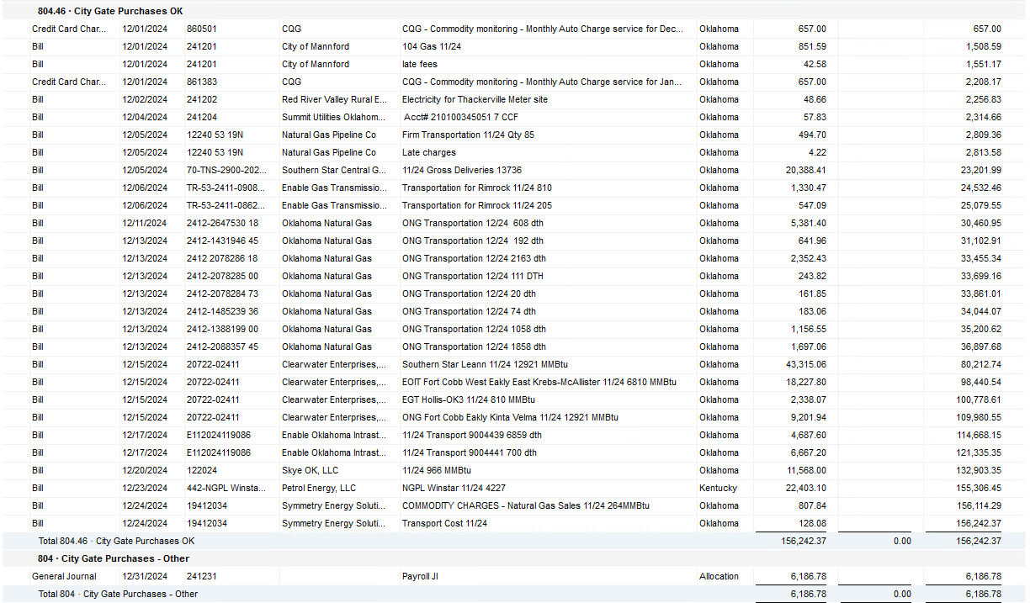

2024 NUC Rent
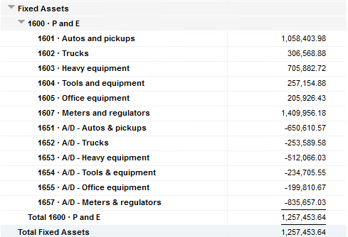
Values set from Q2 2024 numbers for Q3 & Q4 in 2024
 |  |  | Debt |  |  |  |  | Depreciation

 | Orginal Value | Debt/ Equity | Interest Rate | Total | Monthly | Orginal Value | Life | Total | Monthly | Grand
 | Per 6/30/24 | Ratio of Company | charged by Banks |  |  |  | Years |  |  | Total

Pickups | $1,058,403.98 | 80% | 6.47% | $54,945 | $4,579 | $1,058,404 | 6 | $176,401 | $14,700 | $19,279
Trucks | $306,568.88 | 80% | 6.47% | $15,915 | $1,326 | $306,569 | 6 | $51,095 | $4,258 | $5,585
Heavy Equip | $705,882.72 | 80% | 6.47% | $36,645 | $3,054 | $705,883 | 10 | $70,588 | $5,882 | $8,937
Tools & Equip | $257,154.88 | 80% | 6.47% | $13,350 | $1,112 | $257,155 | 5 | $51,431 | $4,286 | $5,399
Office Equip | $205,926.43 | 80% | 6.47% | $10,690 | $891 | $205,926 | 4 | $51,482 | $4,290 | $5,181
Meters | $1,409,956.18 | 80% | 6.47% | $73,195 | $6,100 | $1,409,956 | 10 | $140,996 | $11,750 | $17,850

 | $3,943,893.07 |  | 6.47% | $204,740 | $17,062 | $3,943,893 |  | $541,992 | $45,166 | $62,231

All Trucks and Equipment to be billed via allocation percentages, NO DIRECT BILLING

 |  | Debt/ Equity
 |  | Ratio of Company

 | CPLTD, LTD, 50% LOC | $9,965,647 | 80% | data input as of 06/30/24
 | Equity | $2,454,673 | 20% | data input as of 06/30/24
 |  | $12,420,320

