Direct Charges
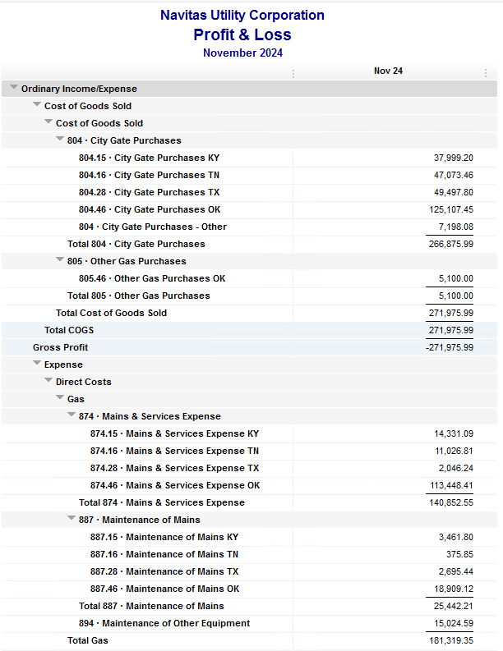
Navitas Utility Corporation |  |  |  | Data Input Nov 24 billing =Nov invoices = Oct Flow data= Oct Sales Volume
 |  |  |  |  |  |  | Billed to System
Revenue Billing - Direct Charges |  |  |  |  | KY | TN |  | OK | TX | NC
 |  |  |  | Amount

 | 874 Mains & Services
 |  | 874.15 Mains & Services KY |  | 14,331.09 | $14,331
 |  | 874.16 Mains & Services TN |  | 11,026.81 |  | $11,027
 |  | 874.28 Mains & Services TX |  | 2,046.24 |  |  |  |  | $2,046
 |  | 874.46 Mains & Services OK |  | 113,448.41 |  |  |  | $113,448

 | 887 Maintenance of Mains
 |  | 887.15 Maintenance of Mains KY |  | 3,461.80 | $3,462
 |  | 887.16 Maintenance of Mains TN |  | 375.85 |  | $376
 |  | 887.28 Maintenance of Mains TX |  | 2,695.44 |  |  |  |  | $2,695
 |  | 887.46 Maintenance of Mains OK |  | 18,909.12 |  |  |  | $18,909

 | 894 Maintenance of Other Equip |  |  | 15,024.59 |  |  |  | $15,025

 | 535 Operation supervision
 |  | 535.2 Operation supervision Cliffside |  | 695.65 |  |  |  |  |  | $696
 |  | 535.3 Operation supervision Stice-Sho |  | 1,576.81 |  |  |  |  |  | $1,577

 | 903 Customer Records & Collection
 |  | 903.15 Customer Records KY |  | 192.70 | $193
 |  | 903.16 Customer Records TN |  | 236.55 |  | $237
 |  | 903.28 Customer Records TX |  | - |  |  |  |  | $-
 |  | 903.46 Customer Records OK |  | 1,562.56 |  |  |  | $1,563

 | 908 Customer Assistance
 |  | 908.46 Customer Assistance OK |  | 4,641.62 |  |  |  | $4,642

 | 921 Office Supplies
 |  | 921.122 Office Supplies Cliffside |  | 105.00 |  |  |  |  |  | $105
 |  | 921.123 Office Supplies Stice-Shoals |  | 458.50 |  |  |  |  |  | $459
 |  | 921.15 Office Supplies KY |  | 466.94 | $467
 |  | 921.16 Office Supplies TN |  | 194.98 |  | $195
 |  | 921.28 Office Supplies TX |  | - |  |  |  |  | $-
 |  | 921.46 Office Supplies OK |  | 2,445.61 |  |  |  | $2,446

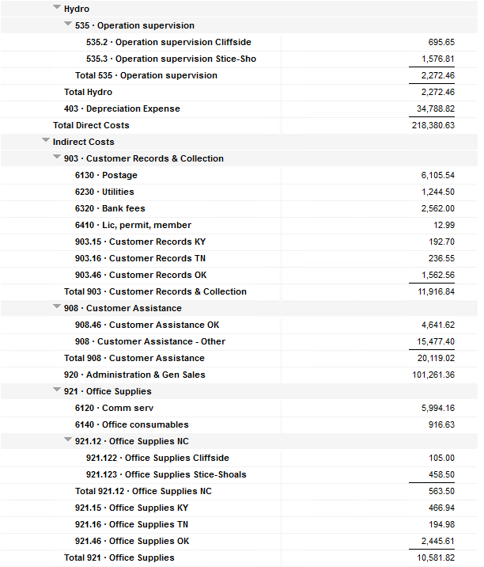
 | 923 Outside Services
 |  | 923.15 Outside Services KY |  | 23,167.00 | $23,167
 |  | 923.16 Outside Services TN |  | 244.08 |  | $244
 |  | 923.28 Outside Services TX |  | 1,745.87 |  |  |  |  | $1,746
 |  | 923.46 Outside Services OK |  | 19,655.03 |  |  |  | $19,655

 | 925 ID - Safety & Security
 |  | 925.15 ID - Safety & Security KY |  | 34.50 | $35
 |  | 925.16 ID - Safety & Security TN |  | 4,560.96 |  | $4,561
 |  | 925.28 ID - Safety & Security TX |  | - |  |  |  |  | $-
 |  | 925.46 ID - Safety & Security OK |  | 360.00 |  |  |  | $360

 | 926 Employee Benefit
 |  | 926.15 Employee Benefit KY |  | 3,119.09 | $3,119
 |  | 926.16 Employee Benefit TN |  | 683.65 |  | $684
 |  | 926.28 Employee Benefit TX |  | - |  |  |  |  | $-
 |  | 926.46 Employee Benefit OK |  | 26,200.13 |  |  |  | $26,200

 |  |  |  | 273,666.58 | 44,773.12 | 17,322.88 |  | 202,247.07 | 6,487.55 | 2,835.96

Revenue Billing - Other
 |  |  | Validation test |  |  |  |  |  | Inv | Direct+Allocation
 |  |  | Depreciation Expenses | 34,788.82 | Manual Input |  |  | OK | $332,536 | $332,536
 |  |  | Total Direct Charges | 273,666.58 |  |  |  | KY | $81,320 | $81,314
 |  |  | Total Allocation Charges | 188,502.13 |  |  |  | TN | $34,392 | $34,386
 |  |  | Total | 496,957.53 |  |  |  | TX | $11,102 | $11,097
 |  |  | QB P&L Total Expense | 496,957.53 | Manual Input |  |  | NC | $2,836 | $2,836
 |  |  | Difference | - |  |  |  | Total Billed | $462,186 | $462,169
 |  |  |  |  |  |  |  | Difference | $(17) | -

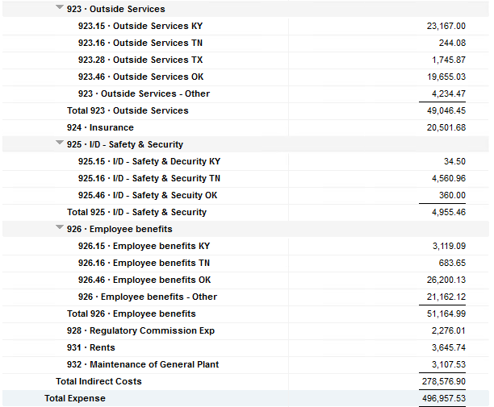

Commodity OK
Oklahoma Commodity |  |  | 2411 file = |  | Data Input Nov 24 billing =Nov invoices = Oct Flow data= Oct Sales Volume
 |  |  |  |  |  |  |  | BB 2411
 | Transporters | Units | Cost |  | Price/ Unit | Comments | System | Oct.24 Usage | % Usage | PGA Portion | Prior Month = Sep Usage
 |  |  |  |  |  |  |  | MCF |  |  | MCF
 | Symmetry Retl Dustin (small amount) | 176 | $51.31 |  | $0.29 |  | FCFA | 159,922 | 44% | $61,491.56 | 117,526 | *Includes Transport Only
 | Enable OK Intrastate | 6,832 | $10,660.00 |  | $1.56 |  | NOK3 | 4,566 | 1% | $1,755.67 | 26,480
 | Enable Gas 1006711 (Rim Rock) | 757 | $1,874.24 |  | $2.48 |  | FCFALD | 104,802 | 29% | $40,297.39 | 69,298
 | Southern Star | 8,077 | $20,692.19 |  | $2.56 |  | WSTAR | 94,256 | 26% | $36,242.35 | 71,586
 | ONG-L05559 | 251 | $3,142.73 |  | $12.52
 | ONG-L05849 | 479 | $1,031.01 |  | $2.15 |  |  | 363,546 | 100% | $139,786.97 | 284,890
 | ONG-L05850 | 527 | $893.28 |  | $1.70
 | ONG-L05851 | 36 | $156.89 |  | $4.36 |  |  | Sales obtained from Bill Edit List
 | ONG-L05852 | 22 | $162.96 |  | $7.41 |  |  |  | Data input to double check
 | ONG-L06099 | 433 | $465.88 |  | $1.08 |  |  |  | NUC P&L | 87,212.41 | data entry
 | ONG-L06215 | 1,901 | $2,325.97 |  | $1.22 |  |  |  | NUC P&L - Controller | 6,249.26 | data entry
 | ONG | 112 | $602.22 |  | $5.38 |  |  |  | NUC P&L Assets | 2,554.20 | data entry
 | Natural Gas Pipeline (DTH) | 85 | $499.38 |  | $5.88 |  |  |  | Sub-Total | 96,015.87 | formula
 | Volume | 19,688 | $42,558.06 |  | $2.16 |  |  |  | MKT | $3,937.60 | formula
 |  |  |  |  |  |  |  |  | Total | $99,953.47 | formula
 |  |  |  |  |  |  |  |  |  | $(39,833.50) | formula
 | Suppliers | Units | Cost |  | Price/ Unit

 | Symmetry Retl Dustin (large amount) MMBtu | 176 | $582.17 |  | $3.31 | Self generated annual invoice (November) by Ross
 | Nicholson Well (Kenneth Lowe) |  |  |  | #DIV/0!
 | Skye OK, LLC | 798 | $12,740.00 |  | $15.96 | N/A
 | Keystone |  |  |  | #DIV/0!
 | Clearwater SS (DTH) | 7,730 | $22,546.88 |  | $2.82
 | Clearwater EOIT (DTH) | 8,055 | $21,237.90 |  | $2.64
 | Clearwater EGT (DTH) | 310 | $873.95 |  | $2.68
 | Clearwater ONG (DTH) | 1,383 | $3,699.54 |  | $2.92
 | Summit (CCF) | 30 | $216.12 |  | $7.20
 | City of Mannford |  |  |  | #DIV/0!
 | Petrol | 3,860 | $19,956.20 |  | $5.17
 | Broken T |  |  |  | #DIV/0!
 | 804-Other |  | $7,198.08 |  | #DIV/0! |  | ***The variance between gas supplied and gas transported is due to Lime Rock Resources
 |  | 22,342 | $89,050.84 |  | $3.99 |  | Lime Rock Resources purchases gas directly from Clearwater, then transports it through our
 |  |  |  |  |  |  | lines. This creates a situation where more gas is transported than is purchased.
 |  |  |  |  |  | Same amount monthly paid via CC (Richard) | Lime Rock is now Stephens & Johnson Operating Co.
 | Production Watch (CQG) |  | $657.00
 | RRVREA |  | $39.63 |  |  | Amount use to Bill from Assets to NUC, requires to make journals in both companies ( total volume x 0.18cts)
 | NALLC Delivery Charge |  | $3,543.84 |  |  | NUC Marketing & Balance ( total volume x 0.20cts)
 | NUC Marketing & Balance |  | $3,937.60 |  |  | Volume | Price | Total
 |  |  | $8,178.07 |  |  | 19,688 | 0.18 | 3,543.84
 | 132,305.53 | DATA INPUT 804.46+804 alloc
 | $132,305.53 | Total: | $139,786.97
 | $- |  | $132,305.53 |  | $125,107.45 | Minus 804-Other

 |  |  |  | 25-Mar-21

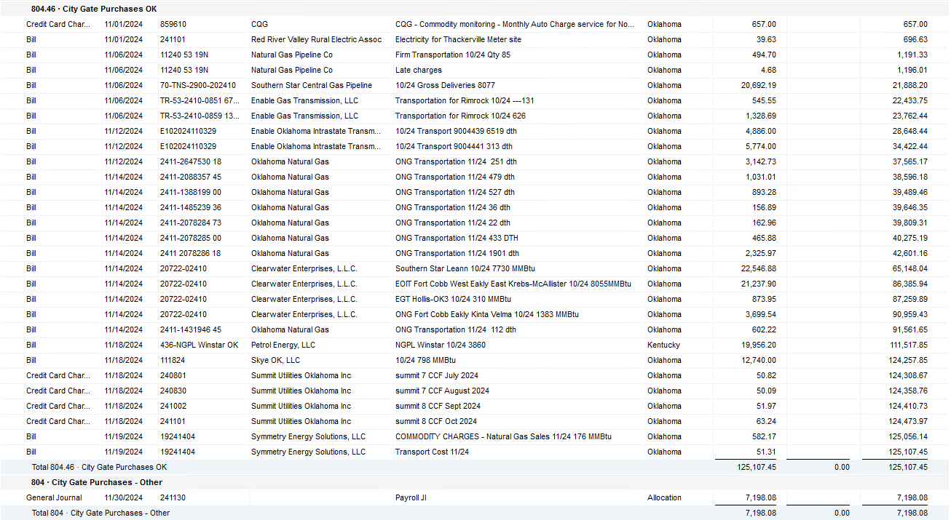

2024 NUC Rent
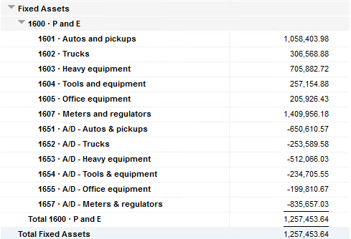
Values set from Q2 2024 numbers for Q3 & Q4 in 2024
 |  |  | Debt |  |  |  |  | Depreciation

 | Orginal Value | Debt/ Equity | Interest Rate | Total | Monthly | Orginal Value | Life | Total | Monthly | Grand
 | Per 6/30/24 | Ratio of Company | charged by Banks |  |  |  | Years |  |  | Total

Pickups | $1,058,403.98 | 80% | 6.47% | $54,945 | $4,579 | $1,058,404 | 6 | $176,401 | $14,700 | $19,279
Trucks | $306,568.88 | 80% | 6.47% | $15,915 | $1,326 | $306,569 | 6 | $51,095 | $4,258 | $5,585
Heavy Equip | $705,882.72 | 80% | 6.47% | $36,645 | $3,054 | $705,883 | 10 | $70,588 | $5,882 | $8,937
Tools & Equip | $257,154.88 | 80% | 6.47% | $13,350 | $1,112 | $257,155 | 5 | $51,431 | $4,286 | $5,399
Office Equip | $205,926.43 | 80% | 6.47% | $10,690 | $891 | $205,926 | 4 | $51,482 | $4,290 | $5,181
Meters | $1,409,956.18 | 80% | 6.47% | $73,195 | $6,100 | $1,409,956 | 10 | $140,996 | $11,750 | $17,850

 | $3,943,893.07 |  | 6.47% | $204,740 | $17,062 | $3,943,893 |  | $541,992 | $45,166 | $62,231

All Trucks and Equipment to be billed via allocation percentages, NO DIRECT BILLING

 |  | Debt/ Equity
 |  | Ratio of Company

 | CPLTD, LTD, 50% LOC | $9,965,647 | 80% | data input as of 06/30/24
 | Equity | $2,454,673 | 20% | data input as of 06/30/24
 |  | $12,420,320

