Direct Charges
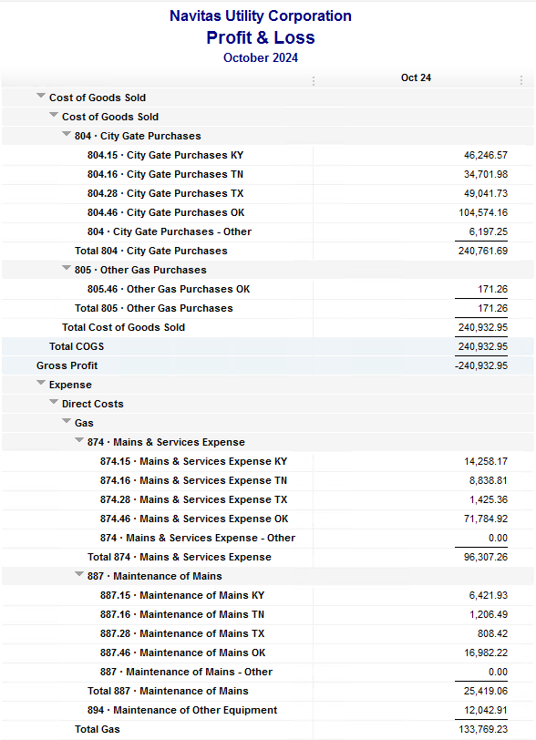
Navitas Utility Corporation |  |  |  | Data Input Oct 24 billing =Oct invoices = Sep Flow data= Sep Sales Volume
 |  |  |  |  |  |  | Billed to System
Revenue Billing - Direct Charges |  |  |  |  | KY | TN |  | OK | TX | NC
 |  |  |  | Amount

 | 874 Mains & Services
 |  | 874.15 Mains & Services KY |  | 13,869.17 | $13,869
 |  | 874.16 Mains & Services TN |  | 8,537.81 |  | $8,538
 |  | 874.28 Mains & Services TX |  | 1,422.36 |  |  |  |  | $1,422
 |  | 874.46 Mains & Services OK |  | 69,747.92 |  |  |  | $69,748

 | 887 Maintenance of Mains
 |  | 887.15 Maintenance of Mains KY |  | 7,454.93 | $7,455
 |  | 887.16 Maintenance of Mains TN |  | 18,059.99 |  | $18,060
 |  | 887.28 Maintenance of Mains TX |  | 808.42 |  |  |  |  | $808
 |  | 887.46 Maintenance of Mains OK |  | 16,982.22 |  |  |  | $16,982

 | 894 Maintenance of Other Equip |  |  | 12,042.91 |  |  |  | $12,043

 | 535 Operation supervision
 |  | 535.2 Operation supervision Cliffside |  | 463.99 |  |  |  |  |  | $464
 |  | 535.3 Operation supervision Stice-Sho |  | 2,191.62 |  |  |  |  |  | $2,192

 | 903 Customer Records & Collection
 |  | 903.15 Customer Records KY |  | 540.75 | $541
 |  | 903.16 Customer Records TN |  | 230.45 |  | $230
 |  | 903.28 Customer Records TX |  | - |  |  |  |  | $-
 |  | 903.46 Customer Records OK |  | 1,668.82 |  |  |  | $1,669

 | 908 Customer Assistance
 |  | 908.46 Customer Assistance OK |  | 3,404.52 |  |  |  | $3,405

 | 921 Office Supplies
 |  | 921.122 Office Supplies Cliffside |  | 149.45 |  |  |  |  |  | $149
 |  | 921.123 Office Supplies Stice-Shoals |  | 207.17 |  |  |  |  |  | $207
 |  | 921.15 Office Supplies KY |  | 406.86 | $407
 |  | 921.16 Office Supplies TN |  | 203.93 |  | $204
 |  | 921.28 Office Supplies TX |  | - |  |  |  |  | $-
 |  | 921.46 Office Supplies OK |  | 3,271.29 |  |  |  | $3,271

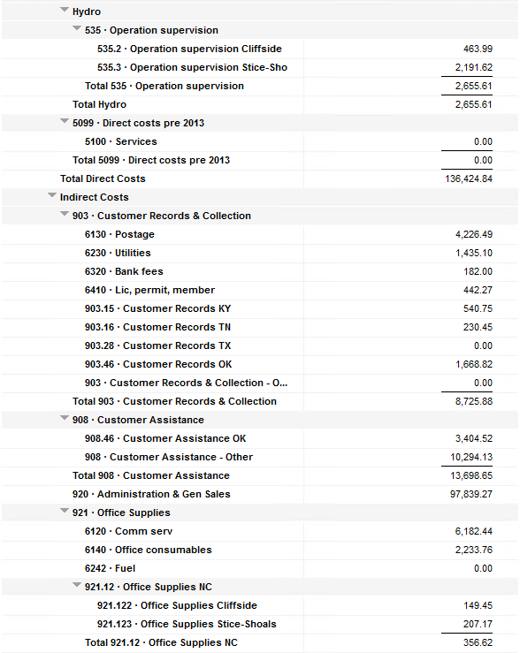
 | 923 Outside Services
 |  | 923.15 Outside Services KY |  | 5,759.00 | $5,759
 |  | 923.16 Outside Services TN |  | 305.10 |  | $305
 |  | 923.28 Outside Services TX |  | 245.83 |  |  |  |  | $246
 |  | 923.46 Outside Services OK |  | 17,008.29 |  |  |  | $17,008

 | 925 ID - Safety & Security
 |  | 925.15 ID - Safety & Security KY |  | 80.50 | $81
 |  | 925.16 ID - Safety & Security TN |  | 37.00 |  | $37
 |  | 925.28 ID - Safety & Security TX |  | - |  |  |  |  | $-
 |  | 925.46 ID - Safety & Security OK |  | 64.00 |  |  |  | $64

 | 926 Employee Benefit
 |  | 926.15 Employee Benefit KY |  | 3,119.09 | $3,119
 |  | 926.16 Employee Benefit TN |  | 683.65 |  | $684
 |  | 926.28 Employee Benefit TX |  | - |  |  |  |  | $-
 |  | 926.46 Employee Benefit OK |  | 25,615.59 |  |  |  | $25,616

 |  |  |  | 214,582.63 | 31,230.30 | 28,057.93 |  | 149,805.56 | 2,476.61 | 3,012.23

Revenue Billing - Other
 |  |  | Validation test |  |  |  |  |  | Inv | Direct+Allocation
 |  |  | Depreciation Expenses | 35,038.99 | Manual Input |  |  | OK | $268,838 | $268,838
 |  |  | Total Direct Charges | 214,582.63 |  |  |  | KY | $64,564 | $64,558
 |  |  | Total Allocation Charges | 172,211.74 |  |  |  | TN | $43,625 | $43,620
 |  |  | Total | 421,833.36 |  |  |  | TX | $6,772 | $6,766
 |  |  | QB P&L Total Expense | 421,833.36 | Manual Input |  |  | NC | $3,012 | $3,012
 |  |  | Difference | - |  |  |  | Total Billed | $386,811 | $386,794
 |  |  |  |  |  |  |  | Difference | $(17) | -

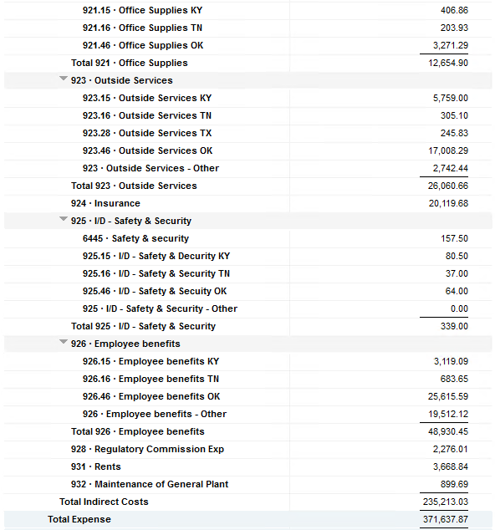

Commodity OK
Oklahoma Commodity |  |  | 2410 file = |  | Data Input Oct 24 billing =Oct invoices = Sep Flow data= Sep Sales Volume
 |  |  |  |  |  |  |  | BB 2410
 | Transporters | Units | Cost |  | Price/ Unit | Comments | System | Sep.24 Usage | % Usage | PGA Portion | Prior Month = Aug Usage
 |  |  |  |  |  |  |  | MCF |  |  | MCF
 | Symmetry Retl Dustin (small amount) | 392 | $1,923.94 |  | $4.91 |  | FCFA | 117,526 | 41% | $49,247.00 | 99,506 | *Includes Transport Only
 | Enable OK Intrastate | 3,854 | $4,882.60 |  | $1.27 |  | NOK3 | 26,480 | 9% | $11,095.93 | 45,582
 | Enable Gas 1006711 (Rim Rock) | 5,684 | $3,764.56 |  | $0.66 |  | FCFALD | 69,298 | 24% | $29,037.99 | 89,982
 | Southern Star | 9,040 | $20,012.17 |  | $2.21 |  | WSTAR | 71,586 | 25% | $29,996.73 | 94,884
 | ONG-L05559 | 209 | $2,937.59 |  | $14.06
 | ONG-L05849 | 582 | $1,077.92 |  | $1.85 |  |  | 284,890 | 100% | $119,377.65 | 329,954
 | ONG-L05850 | 140 | $700.12 |  | $5.00
 | ONG-L05851 | 921 | $777.37 |  | $0.84 |  |  | Sales obtained from Bill Edit List
 | ONG-L05852 | 15 | $153.22 |  | $10.21 |  |  |  | Data input to double check
 | ONG-L06099 | 1,632 | $2,286.85 |  | $1.40 |  |  |  | NUC P&L | 87,212.41 | data entry
 | ONG-L06215 | 18 | $145.11 |  | $8.06 |  |  |  | NUC P&L - Controller | 6,249.26 | data entry
 | ONG | 76 | $582.97 |  | $7.67 |  |  |  | NUC P&L Assets | 2,554.20 | data entry
 | Natural Gas Pipeline (DTH) | 85 | $496.29 |  | $5.84 |  |  |  | Sub-Total | 96,015.87 | formula
 | Volume | 22,648 | $39,740.71 |  | $1.75 |  |  |  | MKT | $4,529.60 | formula
 |  |  |  |  |  |  |  |  | Total | $100,545.47 | formula
 |  |  |  |  |  |  |  |  |  | $(18,832.18) | formula
 | Suppliers | Units | Cost |  | Price/ Unit

 | Symmetry Retl Dustin (large amount) MMBtu | 151 | $445.28 |  | $2.95 | Self generated annual invoice (November) by Ross
 | Nicholson Well (Kenneth Lowe) |  |  |  | #DIV/0!
 | Skye OK, LLC | 570 | $11,600.00 |  | $20.35 | N/A
 | Keystone |  |  |  | #DIV/0!
 | Clearwater SS (DTH) | 9,572 | $20,388.36 |  | $2.69
 | Clearwater EOIT (DTH) | 3,120 | $6,416.17 |  | $2.06
 | Clearwater EGT (DTH) | 1,923 | $5,169.98 |  | $1.00
 | Clearwater ONG (DTH) | 1,978 | $1,978.47 |  | $2.13
 | Summit (CCF) |  |  |  | #DIV/0!
 | City of Mannford | 24 | $270.25 |  | $11.26
 | Petrol | 4,061 | $17,868.40 |  | $4.40
 | Broken T |  |  |  | #DIV/0!
 | 804-Other |  | $6,197.25 |  | #DIV/0! |  | ***The variance between gas supplied and gas transported is due to Lime Rock Resources
 |  | 21,399 | $70,334.16 |  | $3.29 |  | Lime Rock Resources purchases gas directly from Clearwater, then transports it through our
 |  |  |  |  |  |  | lines. This creates a situation where more gas is transported than is purchased.
 |  |  |  |  |  | Same amount monthly paid via CC (Richard) | Lime Rock is now Stephens & Johnson Operating Co.
 | Production Watch (CQG) |  | $657.00
 | RRVREA |  | $39.54 |  |  | Amount use to Bill from Assets to NUC, requires to make journals in both companies ( total volume x 0.18cts)
 | NALLC Delivery Charge |  | $4,076.64 |  |  | NUC Marketing & Balance ( total volume x 0.20cts)
 | NUC Marketing & Balance |  | $4,529.60 |  |  | Volume | Price | Total
 |  |  | $9,302.78 |  |  | 22,648 | 0.18 | 4,076.64
 | 110,771.41 | DATA INPUT 804.46+804 alloc
 | $110,771.41 | Total: | $119,377.65
 | $- |  | $110,771.41 |  | $104,574.16 | Minus 804-Other

 |  |  |  | 25-Mar-21

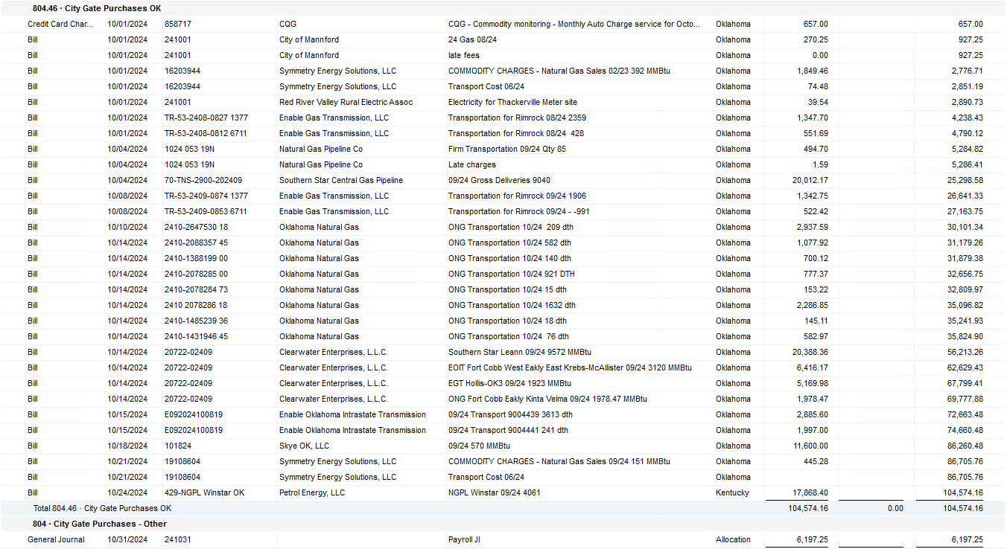

2024 NUC Rent
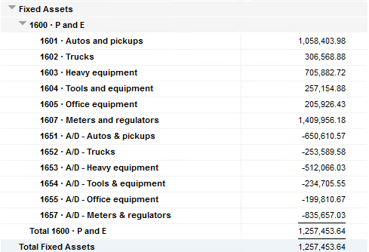
Values set from Q2 2024 numbers for Q3 & Q4 in 2024
 |  |  | Debt |  |  |  |  | Depreciation

 | Orginal Value | Debt/ Equity | Interest Rate | Total | Monthly | Orginal Value | Life | Total | Monthly | Grand
 | Per 6/30/24 | Ratio of Company | charged by Banks |  |  |  | Years |  |  | Total

Pickups | $1,058,403.98 | 80% | 6.47% | $54,945 | $4,579 | $1,058,404 | 6 | $176,401 | $14,700 | $19,279
Trucks | $306,568.88 | 80% | 6.47% | $15,915 | $1,326 | $306,569 | 6 | $51,095 | $4,258 | $5,585
Heavy Equip | $705,882.72 | 80% | 6.47% | $36,645 | $3,054 | $705,883 | 10 | $70,588 | $5,882 | $8,937
Tools & Equip | $257,154.88 | 80% | 6.47% | $13,350 | $1,112 | $257,155 | 5 | $51,431 | $4,286 | $5,399
Office Equip | $205,926.43 | 80% | 6.47% | $10,690 | $891 | $205,926 | 4 | $51,482 | $4,290 | $5,181
Meters | $1,409,956.18 | 80% | 6.47% | $73,195 | $6,100 | $1,409,956 | 10 | $140,996 | $11,750 | $17,850

 | $3,943,893.07 |  | 6.47% | $204,740 | $17,062 | $3,943,893 |  | $541,992 | $45,166 | $62,231

All Trucks and Equipment to be billed via allocation percentages, NO DIRECT BILLING

 |  | Debt/ Equity
 |  | Ratio of Company

 | CPLTD, LTD, 50% LOC | $9,965,647 | 80% | data input as of 06/30/24
 | Equity | $2,454,673 | 20% | data input as of 06/30/24
 |  | $12,420,320

