Direct Charges
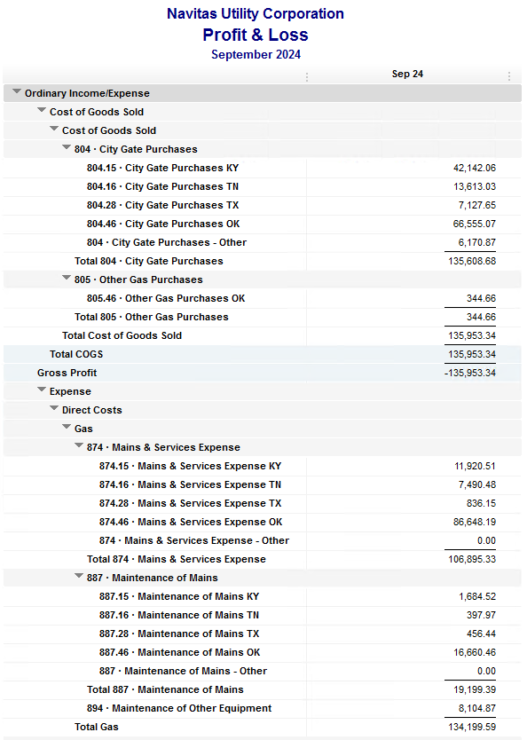
Navitas Utility Corporation |  |  |  | Data Input Sep 24 billing =Sep invoices = Aug Flow data= Aug Sales Volume
 |  |  |  |  |  |  | Billed to System
Revenue Billing - Direct Charges |  |  |  |  | KY | TN |  | OK | TX | NC
 |  |  |  | Amount

 | 874 Mains & Services
 |  | 874.15 Mains & Services KY |  | 11,920.51 | $11,921
 |  | 874.16 Mains & Services TN |  | 7,490.48 |  | $7,490
 |  | 874.28 Mains & Services TX |  | 836.15 |  |  |  |  | $836
 |  | 874.46 Mains & Services OK |  | 86,648.19 |  |  |  | $86,648

 | 887 Maintenance of Mains
 |  | 887.15 Maintenance of Mains KY |  | 1,684.52 | $1,685
 |  | 887.16 Maintenance of Mains TN |  | 397.97 |  | $398
 |  | 887.28 Maintenance of Mains TX |  | 456.44 |  |  |  |  | $456
 |  | 887.46 Maintenance of Mains OK |  | 16,660.46 |  |  |  | $16,660

 | 894 Maintenance of Other Equip |  |  | 8,104.87 |  |  |  | $8,105

 | 535 Operation supervision
 |  | 535.2 Operation supervision Cliffside |  | 463.72 |  |  |  |  |  | $464
 |  | 535.3 Operation supervision Stice-Sho |  | 1,810.66 |  |  |  |  |  | $1,811

 | 903 Customer Records & Collection
 |  | 903.15 Customer Records KY |  | 467.90 | $468
 |  | 903.16 Customer Records TN |  | 260.45 |  | $260
 |  | 903.28 Customer Records TX |  | - |  |  |  |  | $-
 |  | 903.46 Customer Records OK |  | 1,634.37 |  |  |  | $1,634

 | 908 Customer Assistance
 |  | 908.46 Customer Assistance OK |  | 4,238.18 |  |  |  | $4,238

 | 921 Office Supplies
 |  | 921.122 Office Supplies Cliffside |  | 148.42 |  |  |  |  |  | $148
 |  | 921.123 Office Supplies Stice-Shoals |  | 50.00 |  |  |  |  |  | $50
 |  | 921.15 Office Supplies KY |  | 20.79 | $21
 |  | 921.16 Office Supplies TN |  | 194.98 |  | $195
 |  | 921.28 Office Supplies TX |  | - |  |  |  |  | $-
 |  | 921.46 Office Supplies OK |  | 2,030.42 |  |  |  | $2,030

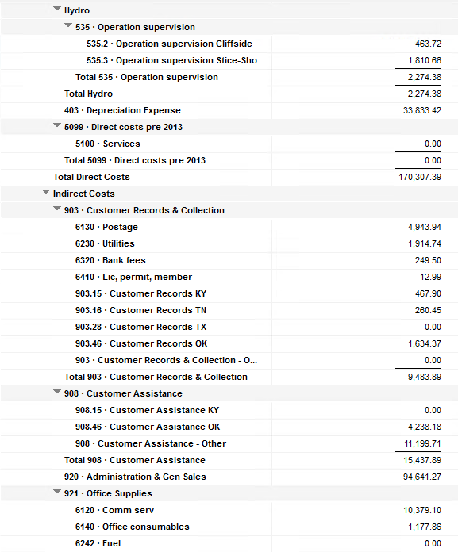
 | 923 Outside Services
 |  | 923.15 Outside Services KY |  | 5,636.50 | $5,637
 |  | 923.16 Outside Services TN |  | 244.08 |  | $244
 |  | 923.28 Outside Services TX |  | 2,307.83 |  |  |  |  | $2,308
 |  | 923.46 Outside Services OK |  | 11,113.78 |  |  |  | $11,114

 | 925 ID - Safety & Security
 |  | 925.15 ID - Safety & Security KY |  | 51.00 | $51
 |  | 925.16 ID - Safety & Security TN |  | - |  | $-
 |  | 925.28 ID - Safety & Security TX |  | - |  |  |  |  | $-
 |  | 925.46 ID - Safety & Security OK |  | 424.00 |  |  |  | $424

 | 926 Employee Benefit
 |  | 926.15 Employee Benefit KY |  | 3,119.09 | $3,119
 |  | 926.16 Employee Benefit TN |  | 683.65 |  | $684
 |  | 926.28 Employee Benefit TX |  | - |  |  |  |  | $-
 |  | 926.46 Employee Benefit OK |  | 29,774.10 |  |  |  | $29,774

 |  |  |  | 198,873.51 | 22,900.31 | 9,271.61 |  | 160,628.37 | 3,600.42 | 2,472.80

Revenue Billing - Other
 |  |  | Validation test |  |  |  |  |  | Inv | Direct+Allocation
 |  |  | Depreciation Expenses | 33,833.42 | Manual Input |  |  | OK | $281,392 | $281,392
 |  |  | Total Direct Charges | 198,873.51 |  |  |  | KY | $56,729 | $56,722
 |  |  | Total Allocation Charges | 174,719.80 |  |  |  | TN | $25,070 | $25,065
 |  |  | Total | 407,426.73 |  |  |  | TX | $7,947 | $7,941
 |  |  | QB P&L Total Expense | 407,426.73 | Manual Input |  |  | NC | $2,473 | $2,473
 |  |  | Difference | - |  |  |  | Total Billed | $373,611 | $373,593
 |  |  |  |  |  |  |  | Difference | $(17) | -

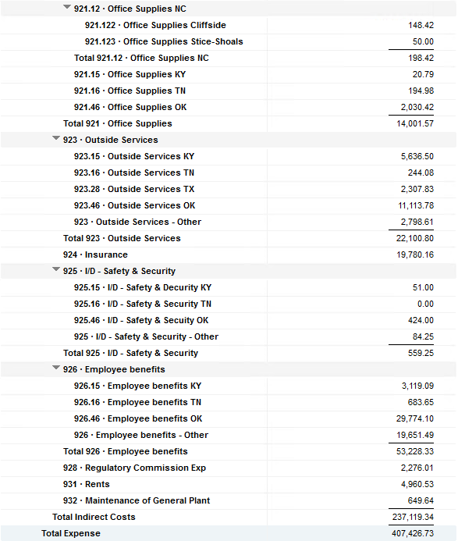

Commodity OK
Oklahoma Commodity |  |  | 2409 file = |  | Data Input Sep 24 billing =Sep invoices = Aug Flow data= Aug Sales Volume
 |  |  |  |  |  |  |  | BB 2409
 | Transporters | Units | Cost |  | Price/ Unit | Comments | System | Aug.24 Usage | % Usage | PGA Portion | Prior Month = Aug Usage
 |  |  |  |  |  |  |  | MCF |  |  | MCF
 | Symmetry Retl Dustin (small amount) | 128 | $339.18 |  | $2.65 |  | FCFA | 99,506 | 30% | $30,507.31 | 88,754 | *Includes Transport Only
 | Enable OK Intrastate | 3,107 | $3,211.04 |  | $1.03 |  | NOK3 | 45,582 | 14% | $13,974.88 | 26,038
 | Enable Gas 1006711 (Rim Rock) |  |  |  | #DIV/0! |  | FCFALD | 89,982 | 27% | $27,587.37 | 75,026
 | Southern Star | 6,165 | $20,719.06 |  | $3.36 |  | WSTAR | 94,884 | 29% | $29,090.26 | 81,844
 | ONG-L05559 | 237 | $3,022.32 |  | $12.75
 | ONG-L05849 | 54 | $563.12 |  | $10.43 |  |  | 329,954 | 100% | $101,159.81 | 271,662
 | ONG-L05850 | 25 | $(178.32) |  | $(7.13)
 | ONG-L05851 | 15 | $155.77 |  | $10.38 |  |  | Sales obtained from Bill Edit List
 | ONG-L05852 | 1,575 | $2,256.04 |  | $1.43 |  |  |  | Data input to double check
 | ONG-L06099 | 913 | $781.80 |  | $0.86 |  |  |  | NUC P&L | 87,212.41 | data entry
 | ONG-L06215 | 586 | $1,062.17 |  | $1.81 |  |  |  | NUC P&L - Controller | 6,249.26 | data entry
 | ONG | 132 | $684.28 |  | $5.18 |  |  |  | NUC P&L Assets | 2,554.20 | data entry
 | Natural Gas Pipeline (DTH) | 85 | $489.21 |  | $5.76 |  |  |  | Sub-Total | 96,015.87 | formula
 | Volume | 13,022 | $33,105.67 |  | $2.54 |  |  |  | MKT | $2,604.40 | formula
 |  |  |  |  |  |  |  |  | Total | $98,620.27 | formula
 |  |  |  |  |  |  |  |  |  | $(2,539.54) | formula
 | Suppliers | Units | Cost |  | Price/ Unit

 | Symmetry Retl Dustin (large amount) MMBtu | 128 | $- |  | $- | Self generated annual invoice (November) by Ross
 | Nicholson Well (Kenneth Lowe) |  |  |  | #DIV/0!
 | Skye OK, LLC | 2,706 | $14,530.00 |  | $5.37 | N/A
 | Keystone |  |  |  | #DIV/0!
 | Clearwater SS (DTH) | 5,919 | $12,806.94 |  | $2.24
 | Clearwater EOIT (DTH) | 1,285 | $2,783.36 |  | $2.17
 | Clearwater EGT (DTH) | 2,394 | $5,368.55 |  | $2.21
 | Clearwater ONG (DTH) | 1,123 | $2,487.12 |  | $2.16
 | Summit (CCF) |  |  |  | #DIV/0!
 | City of Mannford |  |  |  | #DIV/0!
 | Petrol | 4,160 | $18,262.40 |  | $4.39
 | Broken T |  |  |  | #DIV/0!
 | 804-Other |  | $6,170.87 |  | #DIV/0! |  | ***The variance between gas supplied and gas transported is due to Lime Rock Resources
 |  | 17,715 | $62,409.24 |  | $3.52 |  | Lime Rock Resources purchases gas directly from Clearwater, then transports it through our
 |  |  |  |  |  |  | lines. This creates a situation where more gas is transported than is purchased.
 |  |  |  |  |  | Same amount monthly paid via CC (Richard) | Lime Rock is now Stephens & Johnson Operating Co.
 | Production Watch (CQG) |  | $657.00
 | RRVREA |  | $39.54 |  |  | Amount use to Bill from Assets to NUC, requires to make journals in both companies ( total volume x 0.18cts)
 | NALLC Delivery Charge |  | $2,343.96 |  |  | NUC Marketing & Balance ( total volume x 0.20cts)
 | NUC Marketing & Balance |  | $2,604.40 |  |  | Volume | Price | Total
 |  |  | $5,644.90 |  |  | 13,022 | 0.18 | 2,343.96
 | 96,211.45 | DATA INPUT 804.46+804 alloc
 | $96,211.45 | Total: | $101,159.81
 | $- |  | $96,211.45 |  | $90,040.58 | Minus 804-Other

 |  |  |  | 25-Mar-21

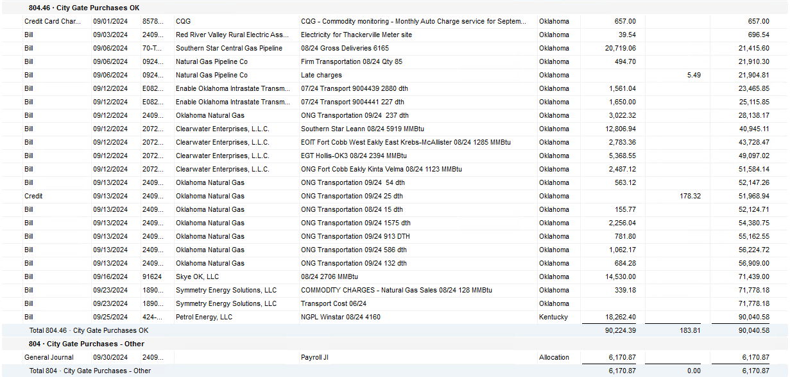

2024 NUC Rent
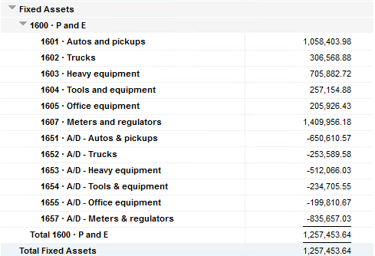
Values set from Q2 2024 numbers for Q3 & Q4 in 2024
 |  |  | Debt |  |  |  |  | Depreciation

 | Orginal Value | Debt/ Equity | Interest Rate | Total | Monthly | Orginal Value | Life | Total | Monthly | Grand
 | Per 6/30/24 | Ratio of Company | charged by Banks |  |  |  | Years |  |  | Total

Pickups | $1,058,403.98 | 80% | 6.47% | $54,945 | $4,579 | $1,058,404 | 6 | $176,401 | $14,700 | $19,279
Trucks | $306,568.88 | 80% | 6.47% | $15,915 | $1,326 | $306,569 | 6 | $51,095 | $4,258 | $5,585
Heavy Equip | $705,882.72 | 80% | 6.47% | $36,645 | $3,054 | $705,883 | 10 | $70,588 | $5,882 | $8,937
Tools & Equip | $257,154.88 | 80% | 6.47% | $13,350 | $1,112 | $257,155 | 5 | $51,431 | $4,286 | $5,399
Office Equip | $205,926.43 | 80% | 6.47% | $10,690 | $891 | $205,926 | 4 | $51,482 | $4,290 | $5,181
Meters | $1,409,956.18 | 80% | 6.47% | $73,195 | $6,100 | $1,409,956 | 10 | $140,996 | $11,750 | $17,850

 | $3,943,893.07 |  | 6.47% | $204,740 | $17,062 | $3,943,893 |  | $541,992 | $45,166 | $62,231

All Trucks and Equipment to be billed via allocation percentages, NO DIRECT BILLING

 |  | Debt/ Equity
 |  | Ratio of Company

 | CPLTD, LTD, 50% LOC | $9,965,647 | 80% | data input as of 06/30/24
 | Equity | $2,454,673 | 20% | data input as of 06/30/24
 |  | $12,420,320

