By Cycle
 |  | Cycle
 |  | 1 |  |  |  | 2 |  |  |  | 3 |  |  |  | 4 |  |  |  | 5 |  |  |  | 6 |  |  |  | 7 |  |  |  | 8 |  |  |  | 9 |  |  |  | 10 |  |  |  | Total

1" | 12.59 | 135.00 | 682,760.00 | 9,493.93 |  | 21.00 | 61,350.00 | 968.69 |  | 295.00 | 2,406,120.00 | 31,179.05 |  | 90.00 | 895,860.00 | 11,391.72 |  | 36.00 | 2,640,230.00 | 30,677.52 |  | 38.00 | 261,320.00 | 3,473.45 |  | 21.00 | 71,740.00 | 1,087.97 |  | 91.00 | 477,540.00 | 6,607.97 |  | 12.00 | 88,200.00 | 1,163.15 |  | 144.00 | 958,240.00 | 12,791.56 |  | 883.00 | 8,543,360.00 | 108,834.99
1" Multi 2 | 17.98 | 12.00 | 4,660.00 | 269.04 |  | - | - | - |  | - | - | - |  | - | - | - |  | - | - | - |  | - | - | - |  | 12.00 | 192,310.00 | 2,414.26 |  | - | - | - |  | - | - | - |  | - | - | - |  | 24.00 | 196,970.00 | 2,683.30
1" Multi 4 | 35.96 | - | - | - |  | - | - | - |  | - | - | - |  | - | - | - |  | - | - | - |  | - | - | - |  | - | - | - |  | 24.00 | 52,750.00 | 1,464.56 |  | - | - | - |  | - | - | - |  | 24.00 | 52,750.00 | 1,464.56
1" Multi 5 | 44.95 | 12.00 | 267,560.00 | 3,591.20 |  | - | - | - |  | - | - | - |  | - | - | - |  | - | - | - |  | - | - | - |  | - | - | - |  | - | - | - |  | - | - | - |  | - | - | - |  | 12.00 | 267,560.00 | 3,591.20

Multi 52 | 467.48 | - | - | - |  | - | - | - |  | 12.00 | 954,000.00 | 16,476.65 |  | - | - | - |  | - | - | - |  | - | - | - |  | - | - | - |  | - | - | - |  | - | - | - |  | - | - | - |  | 12.00 | 954,000.00 | 16,476.65
2 2 Stationary | 26.07 | 64.00 | 3,759,800.00 | 44,605.94 |  | 24.00 | 2,564,300.00 | 29,910.40 |  | 108.00 | 2,477,150.00 | 31,099.22 |  | 60.00 | 308,300.00 | 5,094.00 |  | 12.00 | 508,300.00 | 6,110.55 |  | - | - | - |  | - | - | - |  | 24.00 | 967,800.00 | 11,702.06 |  | - | - | - |  | 101.00 | 1,680,000.00 | 21,880.17 |  | 393.00 | 12,265,650.00 | 150,402.33
2 Multi 16 | 143.84 | - | - | - |  | - | - | - |  | 12.00 | 225,300.00 | 4,299.30 |  | - | - | - |  | - | - | - |  | - | - | - |  | - | - | - |  | - | - | - |  | - | - | - |  | - | - | - |  | 12.00 | 225,300.00 | 4,299.30
2 RG3 Meter | 26.07 | 48.00 | 4,995,170.00 | 58,289.16 |  | 12.00 | 189,180.00 | 2,472.02 |  | 63.00 | 785,550.00 | 10,598.59 |  | 24.00 | 1,229,510.00 | 14,486.06 |  | 12.00 | 1,610.00 | 331.32 |  | 24.00 | 97,720.00 | 1,719.91 |  | - | - | - |  | 48.00 | 1,463,960.00 | 17,947.67 |  | - | - | - |  | 23.00 | 665,210.00 | 8,209.60 |  | 254.00 | 9,427,910.00 | 114,054.32
2 RG3 Multi of 68 | 1,772.76 | 12.00 | 2,047,200.00 | 44,667.21 |  | - | - | - |  | - | - | - |  | - | - | - |  | - | - | - |  | - | - | - |  | - | - | - |  | - | - | - |  | - | - | - |  | - | - | - |  | 12.00 | 2,047,200.00 | 44,667.21

3 2 Stationary | 98.89 | - | - | - |  | - | - | - |  | 24.00 | 2,392,500.00 | 29,723.86 |  | 12.00 | 18,240.00 | 1,395.40 |  | 12.00 | 578,200.00 | 7,794.16 |  | - | - | - |  | - | - | - |  | - | - | - |  | - | - | - |  | - | - | - |  | 48.00 | 2,988,940.00 | 38,913.42
3 RG3 Meter | 98.89 | 12.00 | 847,370.00 | 10,867.81 |  | 12.00 | 68,290.00 | 1,963.47 |  | - | - | - |  | 12.00 | 829,940.00 | 10,705.03 |  | 12.00 | - | 1,186.68 |  | 12.00 | 1,550,440.00 | 18,914.77 |  | - | - | - |  | - | - | - |  | - | - | - |  | - | - | - |  | 60.00 | 3,296,040.00 | 43,637.75

3/4 Meter Multi 6 | 53.94 | - | - | - |  | - | - | - |  | - | - | - |  | - | - | - |  | - | - | - |  | - | - | - |  | - | - | - |  | 12.00 | 58,950.00 | 1,322.39 |  | - | - | - |  | - | - | - |  | 12.00 | 58,950.00 | 1,322.39
3/4 Meter Multi 8 | 71.92 | - | - | - |  | - | - | - |  | - | - | - |  | - | - | - |  | 24.00 | 1,180,900.00 | 15,246.76 |  | - | - | - |  | - | - | - |  | - | - | - |  | - | - | - |  | - | - | - |  | 24.00 | 1,180,900.00 | 15,246.76
3/4 Meter | 8.99 | 45,556.00 | 145,891,040.00 | 2,076,286.67 | 3,202.46 | 23,050.00 | 70,556,910.00 | 1,012,853.52 | 3,061.04 | 22,924.00 | 76,649,440.00 | 1,081,487.58 | 3,343.63 | 29,484.00 | 93,009,600.00 | 1,330,268.13 | 3,154.58 | 19,531.00 | 62,318,850.00 | 888,879.99 | 3,190.77 | 4,681.00 | 14,876,530.00 | 211,993.96 | 3,178.07 | 7,740.00 | 24,596,620.00 | 350,454.21 | 3,177.86 | 10,536.00 | 33,576,560.00 | 478,172.84 | 3,186.84 | 4,715.00 | 16,419,930.00 | 229,881.57 | 3,482.49 | 26,754.00 | 76,174,683.00 | 1,112,532.10 | 2,847.23 | 194,971.00 | 614,070,163.00 | 8,772,810.60
3/4 Multi 2 | 17.98 | 478.00 | 2,834,960.00 | 40,969.27 |  | 124.00 | 672,200.00 | 9,908.80 |  | 262.00 | 1,398,090.00 | 20,684.10 |  | 96.00 | 547,940.00 | 8,000.59 |  | 244.00 | 1,330,170.00 | 19,588.60 |  | 35.00 | 343,550.00 | 4,560.16 |  | 185.00 | 1,863,070.00 | 24,664.61 |  | 118.00 | 557,110.00 | 8,487.20 |  | 48.00 | 147,290.00 | 2,546.27 |  | 213.00 | 1,227,760.00 | 17,888.45 |  | 1,803.00 | 10,922,140.00 | 157,298.03
3/4 Multi 3 | 26.97 | 60.00 | 429,760.00 | 6,525.38 |  | - | - | - |  | 12.00 | 70,480.00 | 1,128.81 |  | 24.00 | 244,320.00 | 3,447.32 |  | 36.00 | 375,850.00 | 5,266.92 |  | - | - | - |  | 24.00 | 111,940.00 | 1,928.33 |  | 12.00 | 83,950.00 | 1,284.50 |  | 12.00 | 67,920.00 | 1,099.18 |  | 24.00 | 95,740.00 | 1,738.97 |  | 204.00 | 1,479,960.00 | 22,419.42
3/4 Multi 4 | 35.96 | 12.00 | 29,950.00 | 773.72 |  | - | - | - |  | 12.00 | 259,060.00 | 3,389.21 |  | 24.00 | 294,300.00 | 4,234.54 |  | 12.00 | 109,680.00 | 1,687.19 |  | - | - | - |  | - | - | - |  | - | - | - |  | - | - | - |  | 12.00 | 1,651,900.00 | 19,344.15 |  | 72.00 | 2,344,890.00 | 29,428.81
3/4 Water Buchanan | 8.99 | - | - | - |  | - | - | - |  | - | - | - |  | - | - | - |  | 72.00 | 161,770.00 | 2,498.35 |  | - | - | - |  | - | - | - |  | - | - | - |  | - | - | - |  | - | - | - |  | 72.00 | 161,770.00 | 2,498.35

4 2 Stationary | 125.86 | - | - | - |  | - | - | - |  | - | - | - |  | 12.00 | 90,900.00 | 2,552.12 |  | - | - | - |  | - | - | - |  | - | - | - |  | - | - | - |  | - | - | - |  | - | - | - |  | 12.00 | 90,900.00 | 2,552.12
4 3 Stationary | 125.86 | 12.00 | 2,820,190.00 | 33,782.13 |  | 12.00 | 1,497,000.00 | 18,603.74 |  | - | - | - |  | 12.00 | 494,000.00 | 7,166.82 |  | - | - | - |  | - | - | - |  | - | - | - |  | - | - | - |  | - | - | - |  | 24.00 | 7,377,000.00 | 87,550.16 |  | 60.00 | 12,188,190.00 | 147,102.85
4 RG3 Meter | 125.86 | 24.00 | 758,620.00 | 11,695.09 |  | - | - | - |  | - | - | - |  | - | - | - |  | - | - | - |  | - | - | - |  | - | - | - |  | - | - | - |  | - | - | - |  | - | - | - |  | 24.00 | 758,620.00 | 11,695.09

6 3 Stationary | 188.79 | 15.00 | 1,670,800.00 | 21,993.97 |  | - | - | - |  | 2.00 | - | 377.58 |  | 12.00 | 784,000.00 | 11,252.20 |  | 1.00 | - | 188.79 |  | - | - | - |  | - | - | - |  | - | - | - |  | - | - | - |  | 12.00 | 600,000.00 | 9,139.54 |  | 42.00 | 3,054,800.00 | 42,952.08
6 Multi 84-3 Stat | 755.16 | - | - | - |  | - | - | - |  | - | - | - |  | - | - | - |  | 12.00 | 761,000.00 | 17,778.48 |  | - | - | - |  | - | - | - |  | - | - | - |  | - | - | - |  | - | - | - |  | 12.00 | 761,000.00 | 17,778.48
...
 |  |  |  |  | 3 | 369 | 167,039,840 | 24% | 89.65
 |  |  |  |  | 3 | 369 | 75,609,230 | 11% | 40.58
 |  |  |  |  | 1 | 367 | 87,617,690 | 13% | 46.77
 |  |  |  |  | 3 | 369 | 98,746,910 | 14% | 53.00
 |  |  |  |  | 5 | 371 | 70,141,560 | 10% | 37.85
 |  |  |  |  | 3 | 369 | 17,129,560 | 2% | 9.19
 |  |  |  |  | 3 | 369 | 26,835,680 | 4% | 14.40
 |  |  |  |  | 3 | 369 | 37,238,620 | 5% | 19.99
 |  |  |  |  | 1 | 367 | 16,723,340 | 2% | 8.93
 |  |  |  |  | 4 | 370 | 90,430,533 | 13% | 48.67

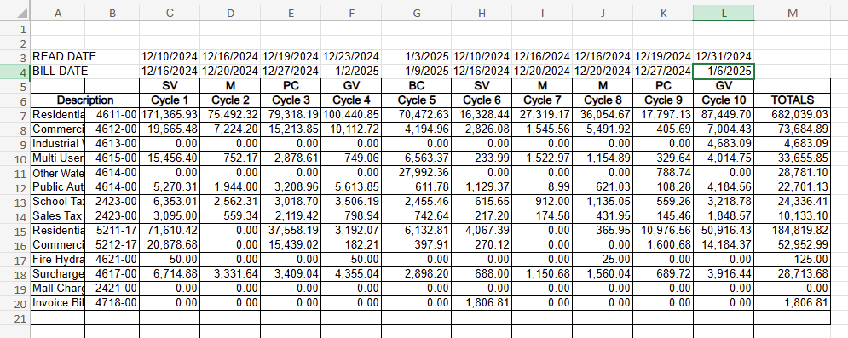
 |  |  |  |  |  |  | 687,512,963 | 100% | 369.03

 |  |  |  |  |  |  | Less: Average Days in a Year |  | 365.25

 |  |  |  |  |  |  | Excess Days in Test Year |  | 3.78
 |  |  |  |  |  |  | Divide by: Average Days |  | 365.25

 |  |  |  |  |  |  | Excess Percentage in Test Year |  | 1.035%

 |  |  |  |  |  |  |  |  |  |  | Lowe email dated 7/3/25

 |  |  |  |  | Additional | Total Days | Retail
 |  |  |  |  | Days Between | In Test Year | Gallons | Percent | Number of Days
 |  |  |  |  | Meter Read | Billed | Billed | of Total | in Cycle Weighted
 |  |  |  |  | Dates | Revenue | In Cycle | Gallons | on Gallons Sold

 |  |  |  |  | 2 | 368 | 167,039,840 | 24% | 89.41
 |  |  |  |  | 4 | 370 | 75,609,230 | 11% | 40.69
 |  |  |  |  | 4 | 370 | 87,617,690 | 13% | 47.15
 |  |  |  |  | 5 | 371 | 98,746,910 | 14% | 53.29
 |  |  |  |  | 5 | 371 | 70,141,560 | 10% | 37.85
 |  |  |  |  | 2 | 368 | 17,129,560 | 2% | 9.17
 |  |  |  |  | 4 | 370 | 26,835,680 | 4% | 14.44
 |  |  |  |  | 4 | 370 | 37,238,620 | 5% | 20.04
 |  |  |  |  | 4 | 370 | 16,723,340 | 2% | 9.00
 |  |  |  |  | 4 | 370 | 90,430,533 | 13% | 48.67

 |  |  |  |  |  |  | 687,512,963 | 100% | 369.71
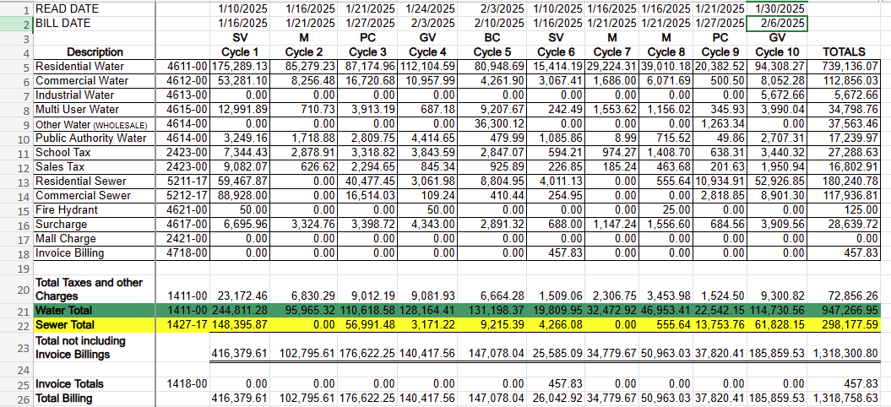
 |  |  |  |  |  |  | Less: Average Days in a Year |  | 365.25

 |  |  |  |  |  |  | Excess Days in Test Year |  | 4.46
 |  |  |  |  |  |  | Divide by: Average Days |  | 365.25

 |  |  |  |  |  |  | Excess Percentage in Test Year |  | 1.221%

 |  |  |  |  | Additional | Total Days | Retail
 |  |  |  |  | Days Between | In Test Year | Gallons | Percent | Number of Days
 |  |  |  |  | Meter Read | Billed | Billed | of Total | in Cycle Weighted |  |  | Lowe 6/11/25 email Included first read date of the cycle instead of the last as I had requested
 |  |  |  |  | Dates | Revenue | In Cycle | Gallons | on Gallons Sold

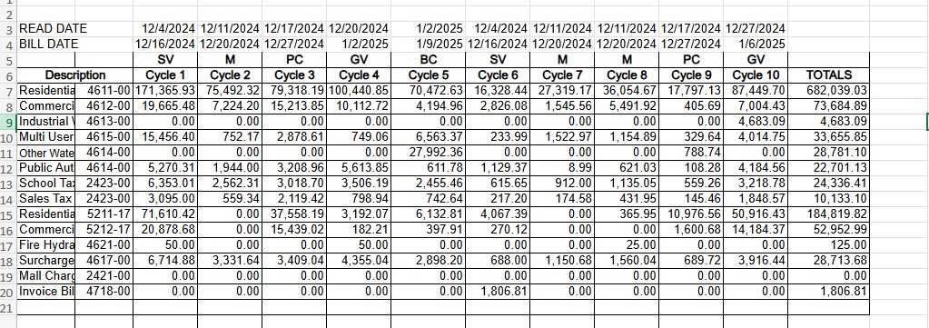
 |  |  |  |  |  | 369 | 167,039,840 | 24% | 89.65
 |  |  |  |  |  | 369 | 75,609,230 | 11% | 40.58
 |  |  |  |  |  | 369 | 87,617,690 | 13% | 47.03
 |  |  |  |  |  | 367 | 98,746,910 | 14% | 52.71
 |  |  |  |  |  | 371 | 70,141,560 | 10% | 37.85
 |  |  |  |  |  | 369 | 17,129,560 | 2% | 9.19
 |  |  |  |  |  | 369 | 26,835,680 | 4% | 14.40
 |  |  |  |  |  | 369 | 37,238,620 | 5% | 19.99
 |  |  |  |  |  | 369 | 16,723,340 | 2% | 8.98
 |  |  |  |  |  | 372 | 90,430,533 | 13% | 48.93

 |  |  |  |  |  |  | 687,512,963 | 100% | 369.31

 |  |  |  |  |  |  | Less: Average Days in a Year |  | 365.25

 |  |  |  |  |  |  | Excess Days in Test Year |  | 4.06
 |  |  |  |  |  |  | Divide by: Average Days |  | 365.25

 |  |  |  |  |  |  | Excess Percentage in Test Year |  | 1.112%

 |  |  |  |  |  |  | 61,423,000.00
 |  |  |  |  |  |  | 2,030,400.00

 |  |  |  |  |  |  | 750,966,363.00

