W21
Kentucky Power Company
Storm Damage Expense
Test Year Ended 05/31/2025
W21

Line No. |  | Twelve Months Ended | Storm Damage Expense Excluding In-House Labor | Handy -Whitman Index (*1) | Constant Dollar Index (*1) | Constant Dollar Expense
(1) |  | (2) | (3) | (4) | (5) | (6)
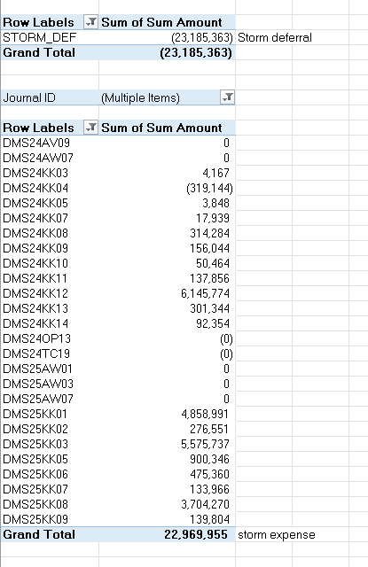
 |  |  |  |  |  | (Col. 3 * Col. 5)
1 |  | 12 Months Ended 05/31/25 | $19,899,701 | 1,255 | 1.00 | $19,899,701

2 |  | 12 Months Ended 05/31/24 | $4,620,948 | 1,255 | 1.00 | $4,620,948

3 | *** | 12 Months Ended 05/31/23 | $14,276,099 | 1,121 | 1.12 | $15,982,609

4 | *** | 12 Months Ended 05/31/22 | $0 | 855 | 1.47 | $0

5 | *** | 12 Months Ended 05/31/21 | $2,018,729 | 776 | 1.44 | $2,916,231

6 |  | 5-Year Total Storm Damage (Ln 1 + Ln 2 + Ln 3 + Ln4 + Ln5) |  |  |  | $43,419,489

7 |  | 5-Year Average (Ln 6 / 5 yrs) |  |  |  | $8,683,898

8 |  | Test Year Storm Damage |  |  |  | $22,969,955

9 |  | Test Year Storm Expense Deferral |  |  |  | ($23,185,363)

10 |  | Total Test Year Storm Expense |  |  |  | ($215,408)

11 |  | Adjustment to O&M to set Storm Damage Expense at $0 |  |  |  | $215,408

12 |  | Allocation Factor - GP-DIST |  |  |  | 1.000

13 |  | KPSC Jurisdictional Amount (Ln 11 x Ln 12) |  |  |  | $215,408

 | (*1) | Handy-Whitman Contract Labor Index |  | Current base level amount: |  | $1,012,476
 |  | Reference E-2 Line 42
 |  | 2025/Jan | 1255
 |  | 2024/Jan | 1255
 |  | 2023/Jan | 1121
 |  | 2022/Jan | 855
 |  | 2021/Jan | 776

 |  | Witness: Tanner Wolffram | ***excludes July 2022 Historic Flood event and 2021 Ice Events

W58 Rate Base
 | Kentucky Power Company
 | Remove NERC Compliance and Cybersecurity Net Plant from Rate Base
 | Test Year Ended May 31, 2025
 | W58

Line No. | Description (a) | FERC Account (b) | Amount (c) | Allocation Factor (d) | Factor (e) | KPSC Jurisdictional Amount (f) = (c * e)

1 | Net Plant in Service Related to NERC Compliance and Cybersecurity Projects (1) | 101/106/108 | $341,158 | SPECIFIC | 1.000 | $341,158

2 | Remove Net Plant in Service Related to NERC Compliance and Cybersecurity Projects from Rate Base |  | $(341,158) |  |  | $(341,158)

(1) | Per KPSC order dated June 25, 2015, Case No. 2014-00396, KPCo was authorized to defer depreciation expense and debt and equity carrying charges for NERC and cyber security assets placed in service post June 30, 2015.

Witness: | B.C. Ciborek

