Form 2.0
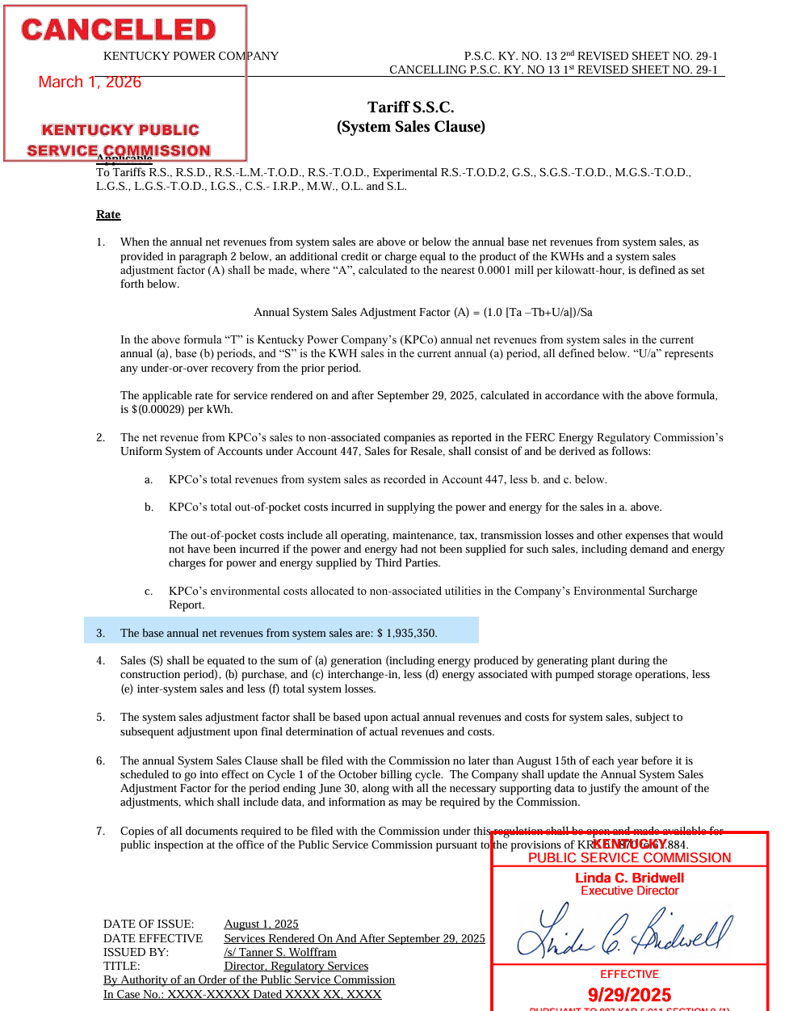
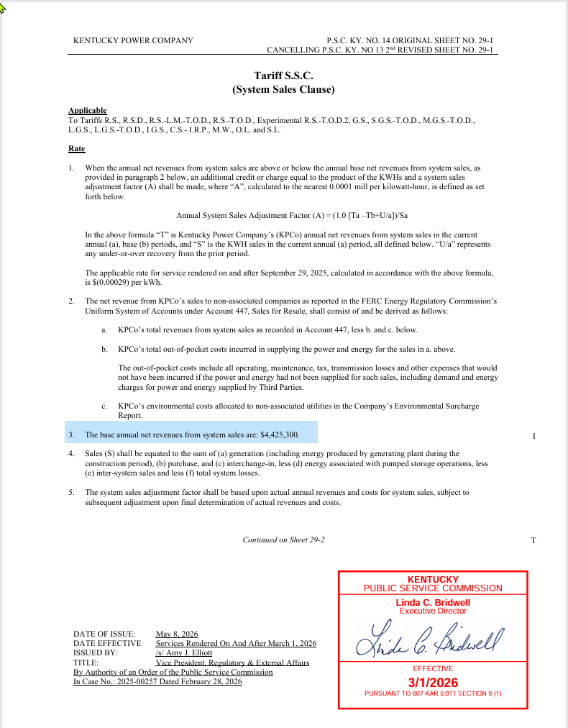
Kentucky Power Company
System Sales Clause
KY Retail Jurisdiction

 | 2025 |  |  |  |  |  | 2026
 | July | August | September | October | November | December | January | February | March | April | May | June | Total
OSS Margin Base Credit* | $161,279 | $161,279 | $161,279 | $161,279 | $161,279 | $161,279 | $161,279 | $161,279 | $368,775 | $368,775 | $368,775 | $368,775 | $2,765,333

Actual OSS Margins - Form 3.0 (Illustrative) | $(518,051) | $448,096 | $185,082 | $185,916 | $1,601,781 | $(207,664) | $1,595,765 | $(514,051) | $302,598 | $541,215 | $(799,875) | $801,729 | $3,622,541

Non-Associated Utilities (OSS) Environmental Costs ** | $98,524 | $100,391 | $56,899 | $197,644 | $372,985 | $83,918 | $211,090 | $83,054 | $48,211 | $46,390 | $7,938 | $92,894 | $1,399,938

Net SSC Margins | $(616,576) | $347,705 | $128,183 | $(11,729) | $1,228,797 | $(291,582) | $1,384,675 | $(597,105) | $254,387 | $494,825 | $(807,813) | $708,835 | $2,222,602

* The monthly base credit is the annual base amount divided by 12. These monthly base amounts are used in any calculation that does not include a full 12-month period.
** Environmental Surcharge Form 1.10 Line 4 x Form 4.00 Line 4.

