PPA Form 2.0
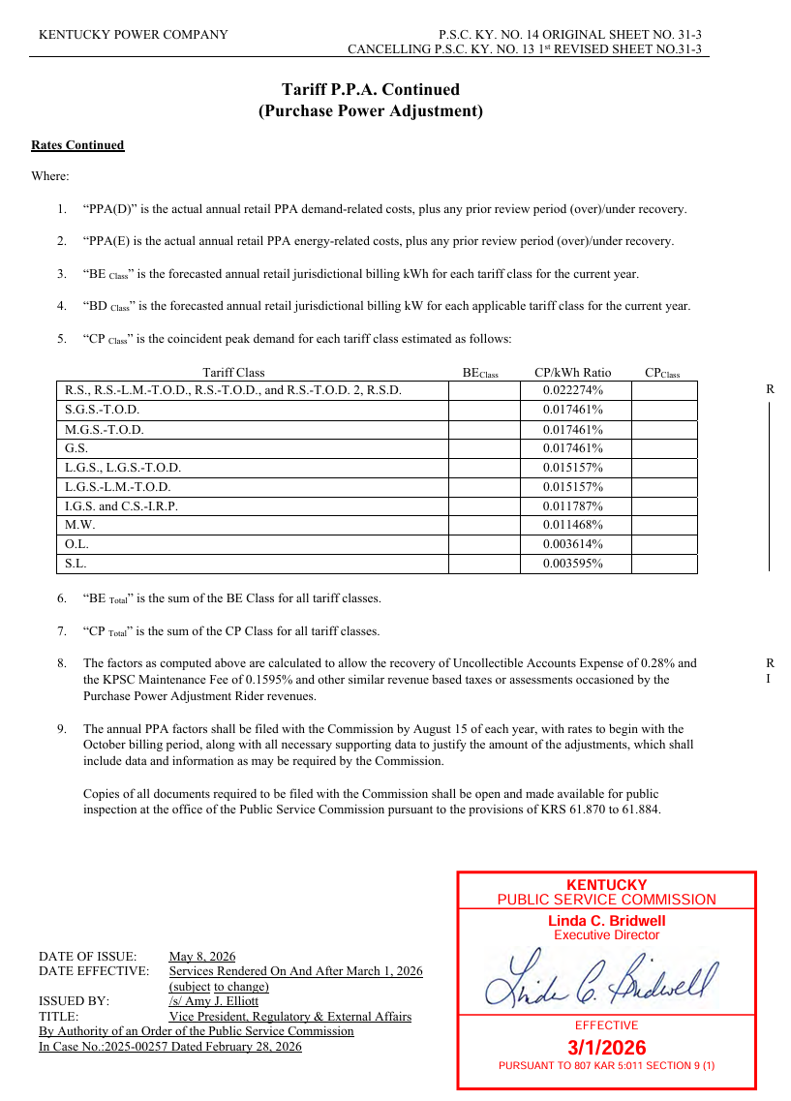
Kentucky Power Company
Form 2.0 - Purchase Power Adjustment Rate Design
For October 2026 through September 2027 Billing

 |  |  |  |  | Demand | Energy | Total
 |  |  | KY Retail Jurisdiction
 |  |  | Revenue Requirement |  | ($43,260) | $5,053,901 | $5,010,642

 |  |  |  | CP | Allocated | Allocated
 | Forecast | Forecast | Test Year | Demand | Demand | Energy
 | Billing | Billing | CP / kWh | Allocation | Related | Related | $ / kW | $ / kWh | Revenue
Class | Energy | Demand | Ratio | Factor | Costs | Costs | Rate | Rate | Verification | Difference
(1) | (2) | (3) | (4) | (5) = (2) x (4) | (6) | (7) | (8) = (6) / (3) | (9) = (7) / (2) | (10) | (11) =
 |  |  |  |  | on (5) | on (2) |  |  |  | (10) - (6) - (7)

RES | 1,821,175,715 |  | 0.0222740% | 405,649 | ($21,042) | $1,820,918 | $- | $0.00099 | $1,802,964 | $3,088
GS (SGS/MGS) | 611,803,489 |  | 0.0174610% | 106,827 | (5,541) | 611,717 | $- | $0.00099 | 605,685 | -$491
LGS | 458,922,427 | 1,437,557 | 0.0151570% | 69,559 | (3,608) | 458,857 | $- | $0.00100 | 458,922 | $3,673
LGS LMTOD | 916,038 |  | 0.0151570% | 139 | (7) | 916 | $- | $0.00099 | 907 | -$2
IGS | 2,122,982,265 | 3,765,619 | 0.0117870% | 250,236 | (12,981) | 2,122,682 | $- | $0.00100 | 2,122,982 | $13,281
MW | 1,701,225 |  | 0.0114680% | 195 | (10) | 1,701 | $- | $0.00099 | 1,684 | -$7
OL | 29,474,022 |  | 0.0036140% | 1,065 | (55) | 29,470 | $- | $0.00100 | 29,474 | $59
SL | 7,641,200 |  | 0.0035950% | 275 | (14) | 7,640 | $- | $0.00100 | 7,641 | $15
Total | 5,054,616,382 | 5,203,176 |  | 833,945 | ($43,258) | $5,053,901 |  |  | $5,030,260 | $19,617

PPA Form 3.0a
Kentucky Power Company
PPA Rider Over Under Recovery
12 -Month Period ended June 30, 2026
 |  | 2025 |  |  |  |  |  | 2026
 |  | July | August | September | October | November | December | January | February | March | April | May | June | Total
Revenue: | Billed & Accrued Revenue | 876,533 | 794,846 | 755,003 | 195,500 | (37,760) | 86,010 | 88,211 | 92,146 | 63,912 | 64,846 | 62,185 | 61,687 | 3,103,120
 | Monthly Revenue Target |  |  |  |  |  |  |  |  |  |  | 7,624 | 78,777 | 86,401
 | Difference |  |  |  |  |  |  |  |  |  |  | 1,606 | 17,090 | 18,696
 | Cumulative |  |  |  |  |  |  |  |  |  |  | 1,606 | 18,696 | 18,696 | This is both for deferral accounting and mechanism o/u following the May 28, 2026 Order in Case No. 2025-00307

Expense:
5650021 | PJM NITS Expense - Non-Affiliated
5650015 | PJM TO Serv Expense - Affiliated
4561005 | Firm and Non-Firm Point to Point Transmision Revenues
4561002 | RTO Formation Costs
5550155 | Purchase Power VCS Credit
4561035 | Network Integrated Transmission Service
4561036 | Schedule 1a Charges
4561060 | Transmission Enhancement Charges
5650012 | Transmission Enhancement Charges
5650016 | PJM NITS Expense - Affilated
5650019 | Transmission Enhancement Charges
 | Rockport True-up | 626,580 | 626,580 | 626,580 | 0 | 0 | 0 | 0 | 0 | 0 | 0 | 0 | 0 | 1,879,739
 | Tariff CC Amortization (Oct 24 through Sept 25) | (40,681) | (40,681) | (40,681) | 0 | 0 | 0 | 0 | 0 | 0 | 0 | 0 | 0 | (122,044)
 | Capacity Charges in 5550004/5550023 | 64,124 | (415,675) | 31,537 | 461 | 31,537 | 31,537 | 32,588 | 29,434 | 32,588 | 31,537 | 32,143 | 0 | (98,191)
 | Avoided Cost Payments to NMS II, Interruptible Credits, FO Related to Purchase Power Expense, Incidental Sales of Gas (capped at $3M) | 297,658 | 495,031 | 159,953 | 150,529 | 279,744 | 164,423 | 786,507 | 2,352,891 | 5,007,453 | 308,721 | 240,259 | 1,228,181 | 11,471,349
 | Total | 947,680 | 665,255 | 777,388 | 150,990 | 311,280 | 195,960 | 819,095 | 2,382,325 | 5,040,041 | 340,258 | 272,402 | 1,228,181 | 13,130,855

Base Rates: |  | 546,223 | 546,223 | 546,223 | 546,223 | 546,223 | 546,223 | 546,223 | 546,223 | 509,712 | 509,712 | 509,712 | 509,712 | 6,408,632

Rev v. Expense: | Current Month Expenses Less Base | 401,457 | 119,032 | 231,165 | (395,233) | (234,943) | (350,263) | 272,872 | 1,836,102 | 4,530,329 | (169,454) | (237,310) | 718,469 | 6,722,223
Pre 2025-00307 Order | (Over)/Under for Current Month | (475,076) | (675,813) | (523,839) | (590,733) | (197,183) | (436,273) | 184,661 | 1,743,956 | 4,466,417 | (234,301) | (299,495) | 656,782 | 3,619,102
 | Cumulative (Over)/Under | 383,412 | (292,401) | (816,240) | (1,406,973) | (1,604,156) | (2,040,429) | (1,855,768) | (111,813) | 4,354,605 | 4,120,304 |  |  |  | Previous deferral accounting for the mechanism
 |  | 858,488

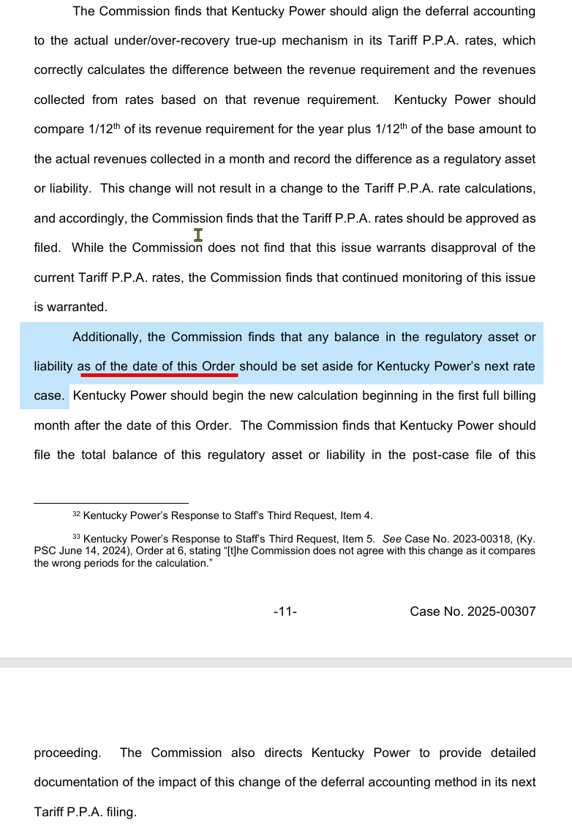
Profit or (Loss): | Monthly |  |  |  |  |  |  |  |  |  |  | 28,983 | (656,782) | (627,798)
Post 2025-00307 Order | Cumulative |  |  |  |  |  |  |  |  |  |  | 28,983 | (627,798) | (627,798)

 |  |  |  |  |  |  |  |  |  |  |  | $(270,512)
 |  |  |  |  |  |  |  |  |  |  |  | $3,849,792

