MACRS
Year | 3-year | 5-year | 7-year | 10-year | 15-year | 20-year
1 | 33.330% | 20.000% | 14.290% | 10.00% | 5.000% | 3.750%
2 | 44.450% | 32.000% | 24.490% | 18.00% | 9.500% | 7.219%
3 | 14.810% | 19.200% | 17.490% | 14.40% | 8.550% | 6.677% |  |  |  |  |  |  |  | From
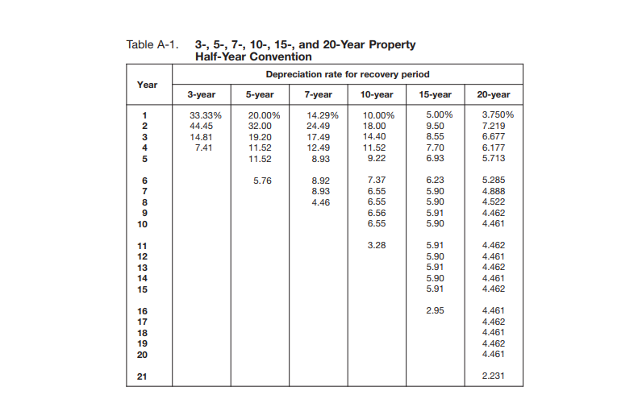
4 | 7.410% | 11.520% | 12.490% | 11.52% | 7.700% | 6.177%
5 |  | 11.520% | 8.930% | 9.22% | 6.930% | 5.713%
6 |  | 5.760% | 8.920% | 7.37% | 6.230% | 5.285%
7 |  |  | 8.930% | 6.55% | 5.900% | 4.888%
8 |  |  | 4.460% | 6.55% | 5.900% | 4.522%
9 |  |  |  | 6.56% | 5.910% | 4.462%
10 |  |  |  | 6.55% | 5.900% | 4.461%
11 |  |  |  | 3.28% | 5.910% | 4.462%
12 |  |  |  |  | 5.900% | 4.461%
13 |  |  |  |  | 5.910% | 4.462%
14 |  |  |  |  | 5.900% | 4.461%
15 |  |  |  |  | 5.910% | 4.462%
16 |  |  |  |  | 2.950% | 4.461%
17 |  |  |  |  |  | 4.462%
18 |  |  |  |  |  | 4.461%
19 |  |  |  |  |  | 4.462%
20 |  |  |  |  |  | 4.461%
21 |  |  |  |  |  | 2.231%
 | 100.000% | 100.000% | 100.000% | 100.000% | 100.000% | 100.000%

Half Year | 1 | 2 | 3 | 4 | 5 | 6 | 7 | 8 | 9 | 10 | 11 | 12 | 13 | 14 | 15 | 16 | 17 | 18 | 19 | 20 | 21
5-year | 20.000% | 32.000% | 19.200% | 11.520% | 11.520% | 5.760% |  |  |  |  |  |  |  |  |  |  |  |  |  |  |  | 100.000%
7-year | 14.29% | 24.49% | 17.49% | 12.49% | 8.93% | 8.92% | 8.93% | 4.46% |  |  |  |  |  |  |  |  |  |  |  |  |  | 100.000%
10-year | 10.000% | 18.000% | 14.400% | 11.520% | 9.220% | 7.370% | 6.550% | 6.550% | 6.560% | 6.550% | 3.280% |  |  |  |  |  |  |  |  |  |  | 100.000%
15-year | 5.000% | 9.500% | 8.550% | 7.700% | 6.930% | 6.230% | 5.900% | 5.900% | 5.910% | 5.900% | 5.910% | 5.900% | 5.910% | 5.900% | 5.910% | 2.950% |  |  |  |  |  | 100.000%
20-year | 3.750% | 7.219% | 6.677% | 6.177% | 5.713% | 5.285% | 4.888% | 4.522% | 4.462% | 4.461% | 4.462% | 4.461% | 4.462% | 4.461% | 4.462% | 4.461% | 4.462% | 4.461% | 4.462% | 4.461% | 2.231% | 100.000%
5-year SL | 10% | 20% | 20% | 20% | 20% | 10% | 0% |  |  |  |  |  |  |  |  |  |  |  |  |  |  | 100.000%

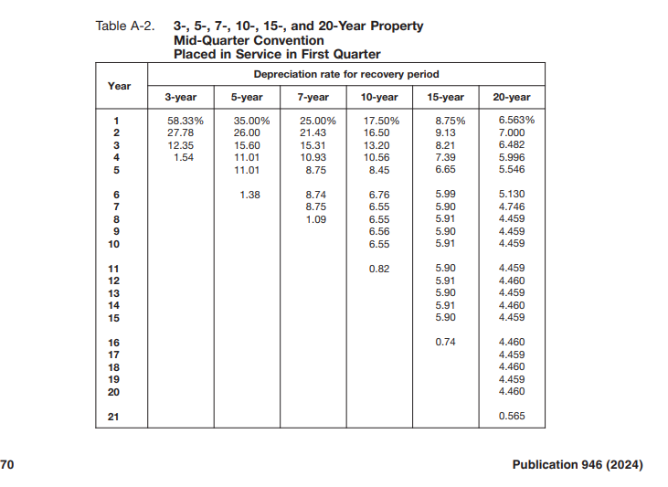
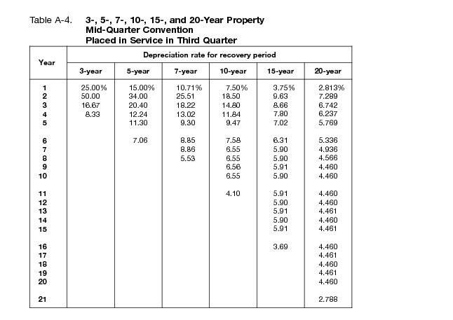
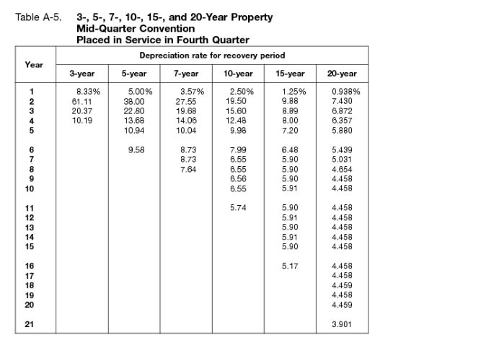
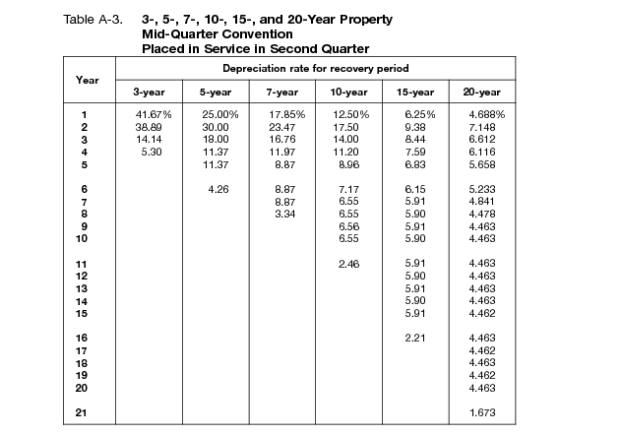

MQ Convention

5-year Q1 | 35.000% | 26.000% | 15.600% | 11.010% | 11.010% | 1.380% |  |  |  |  |  |  |  |  |  |  |  |  |  |  |  | 100.000%
5-year Q2 | 25.000% | 30.000% | 18.000% | 11.370% | 11.370% | 4.260% |  |  |  |  |  |  |  |  |  |  |  |  |  |  |  | 100.000%
5-year Q3 | 15.000% | 34.000% | 20.400% | 12.240% | 11.300% | 7.060% |  |  |  |  |  |  |  |  |  |  |  |  |  |  |  | 100.000%
5-year Q4 | 5.000% | 38.000% | 22.800% | 13.680% | 10.940% | 9.580% |  |  |  |  |  |  |  |  |  |  |  |  |  |  |  | 100.000%
 |  |  |  |  |  |  |  |  |  |  |  |  |  |  |  |  |  |  |  |  |  | 0.000%
7-year Q1 | 25.00% | 21.43% | 15.31% | 10.93% | 8.75% | 8.74% | 8.75% | 1.09% |  |  |  |  |  |  |  |  |  |  |  |  |  | 100.000%
7-year Q2 | 17.85% | 23.47% | 16.76% | 11.97% | 8.87% | 8.87% | 8.87% | 3.34% |  |  |  |  |  |  |  |  |  |  |  |  |  | 100.000%
7-year Q3 | 10.71% | 25.51% | 18.22% | 13.02% | 9.30% | 8.85% | 8.86% | 5.53% |  |  |  |  |  |  |  |  |  |  |  |  |  | 100.000%
7-year Q4 | 3.57% | 27.55% | 19.68% | 14.06% | 10.04% | 8.73% | 8.73% | 7.64% |  |  |  |  |  |  |  |  |  |  |  |  |  | 100.000%
 |  |  |  |  |  |  |  |  |  |  |  |  |  |  |  |  |  |  |  |  |  | 0.000%
10-year Q1 | 17.500% | 16.500% | 13.200% | 10.560% | 8.450% | 6.760% | 6.550% | 6.550% | 6.560% | 6.550% | 0.820% |  |  |  |  |  |  |  |  |  |  | 100.000%
10-year Q2 | 12.500% | 17.500% | 14.000% | 11.200% | 8.960% | 7.170% | 6.550% | 6.550% | 6.560% | 6.550% | 2.460% |  |  |  |  |  |  |  |  |  |  | 100.000%
10-year Q3 | 7.500% | 18.500% | 14.800% | 11.840% | 9.470% | 7.580% | 6.550% | 6.550% | 6.560% | 6.550% | 4.100% |  |  |  |  |  |  |  |  |  |  | 100.000%
10-year Q4 | 2.500% | 19.500% | 15.600% | 12.480% | 9.980% | 7.990% | 6.550% | 6.550% | 6.550% | 6.560% | 5.740% |  |  |  |  |  |  |  |  |  |  | 100.000%

15-year Q1 | 8.750% | 9.130% | 8.210% | 7.390% | 6.650% | 5.990% | 5.900% | 5.910% | 5.900% | 5.910% | 5.900% | 5.910% | 5.900% | 5.910% | 5.900% | 0.740% |  |  |  |  |  | 100.000%
15-year Q2 | 6.250% | 9.380% | 8.440% | 7.590% | 6.830% | 6.150% | 5.910% | 5.900% | 5.910% | 5.900% | 5.910% | 5.900% | 5.910% | 5.900% | 5.910% | 2.210% |  |  |  |  |  | 100.000%
15-year Q3 | 3.750% | 9.630% | 8.660% | 7.800% | 7.020% | 6.310% | 5.900% | 5.900% | 5.910% | 5.900% | 5.910% | 5.900% | 5.910% | 5.900% | 5.910% | 3.690% |  |  |  |  |  | 100.000%
15-year Q4 | 1.250% | 9.880% | 8.890% | 8.000% | 7.200% | 6.480% | 5.900% | 5.900% | 5.900% | 5.910% | 5.900% | 5.910% | 5.900% | 5.910% | 5.900% | 5.170% |  |  |  |  |  | 100.000%
 |  |  |  |  |  |  |  |  |  |  |  |  |  |  |  |  |  |  |  |  |  | 0.000%
20-year Q1 | 6.563% | 7.000% | 6.482% | 5.996% | 5.546% | 5.130% | 4.746% | 4.459% | 4.459% | 4.459% | 4.459% | 4.460% | 4.459% | 4.460% | 4.459% | 4.460% | 4.459% | 4.460% | 4.459% | 4.460% | 0.565% | 100.000%
20-year Q2 | 4.688% | 7.148% | 6.612% | 6.116% | 5.658% | 5.233% | 4.841% | 4.478% | 4.463% | 4.463% | 4.463% | 4.463% | 4.463% | 4.463% | 4.462% | 4.463% | 4.462% | 4.463% | 4.462% | 4.463% | 1.673% | 100.000%
20-year Q3 | 2.813% | 7.289% | 6.742% | 6.237% | 5.769% | 5.336% | 4.936% | 4.566% | 4.460% | 4.460% | 4.460% | 4.460% | 4.461% | 4.460% | 4.461% | 4.460% | 4.461% | 4.460% | 4.461% | 4.460% | 2.788% | 100.000%
20-year Q4 | 0.938% | 7.430% | 6.872% | 6.357% | 5.880% | 5.439% | 5.031% | 4.654% | 4.458% | 4.458% | 4.458% | 4.458% | 4.458% | 4.458% | 4.458% | 4.458% | 4.458% | 4.459% | 4.458% | 4.459% | 3.901% | 100.000%

