W21
Kentucky Power Company
Storm Damage Expense
Test Year Ended 05/31/2025
W21

Line No. |  | Twelve Months Ended | Storm Damage Expense Excluding In-House Labor | Handy -Whitman Index (*1) | Constant Dollar Index (*1) | Constant Dollar Expense
(1) |  | (2) | (3) | (4) | (5) | (6)
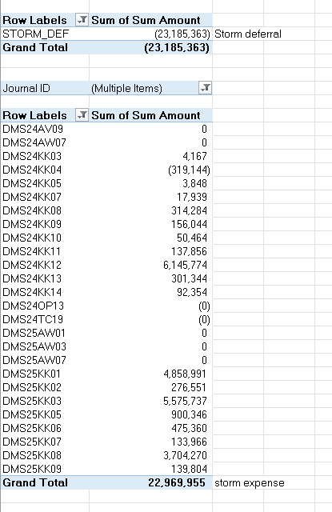
 |  |  |  |  |  | (Col. 3 * Col. 5)
1 |  | 12 Months Ended 05/31/25 | $19,899,701 | 1,255 | 1.00 | $19,899,701

2 |  | 12 Months Ended 05/31/24 | $4,620,948 | 1,255 | 1.00 | $4,620,948

3 | *** | 12 Months Ended 05/31/23 | $14,276,099 | 1,121 | 1.12 | $15,982,609

4 | *** | 12 Months Ended 05/31/22 | $0 | 855 | 1.47 | $0

5 | *** | 12 Months Ended 05/31/21 | $2,018,729 | 776 | 1.44 | $2,916,231

6 |  | 5-Year Total Storm Damage (Ln 1 + Ln 2 + Ln 3 + Ln4 + Ln5) |  |  |  | $43,419,489

7 |  | 5-Year Average (Ln 6 / 5 yrs) |  |  |  | $8,683,898

8 |  | Test Year Storm Damage |  |  |  | $22,969,955

9 |  | Test Year Storm Expense Deferral |  |  |  | ($23,185,363)

10 |  | Total Test Year Storm Expense |  |  |  | ($215,408)

11 |  | Adjustment to O&M to set Storm Damage Expense at $0 |  |  |  | $215,408

12 |  | Allocation Factor - GP-DIST |  |  |  | 1.000

13 |  | KPSC Jurisdictional Amount (Ln 11 x Ln 12) |  |  |  | $215,408

 | (*1) | Handy-Whitman Contract Labor Index |  | Current base level amount: |  | $1,012,476
 |  | Reference E-2 Line 42
 |  | 2025/Jan | 1255
 |  | 2024/Jan | 1255
 |  | 2023/Jan | 1121
 |  | 2022/Jan | 855
 |  | 2021/Jan | 776

 |  | Witness: Tanner Wolffram | ***excludes July 2022 Historic Flood event and 2021 Ice Events

TOR TIR Rate Base & JE
 |  | Trees Outside of Rights-of-Way (TOR) Program Capital Costs |  |  |  |  |  |  |  |  |  |  |  |  | Trees Inside of Rights-of-Way (TIR) Program Capital Costs
Month | FERC Plant Account | TREEREL18 | TREEREL19 | TREEREL20 | TREEREL21 | TREEREL23 | TREEREL24 | TREEREL25 | Monthly In-Service Amount | Cumulative Plant Balance | Depr Rate | Depr Expense | Accum Depr | NBV | W0030063 | KY5YCYCLE | Monthly In-Service Amount | Cumulative Plant Balance | Depr Rate | Depr Expense | Accum Depr | NBV
Account 36400
201908 | 36400 | - | - | - | - | - | - | - | - | - | 3.52% | - | - | - | - | - | - | - | 3.52% | - | - | -
201909 | 36400 | - | - | - | - | - | - | - | - | - | 3.52% | - | - | - | - | - | - | - | 3.52% | - | - | -
201910 | 36400 | - | - | - | - | - | - | - | - | - | 3.52% | - | - | - | - | - | - | - | 3.52% | - | - | -
201911 | 36400 | - | - | - | - | - | - | - | - | - | 3.52% | - | - | - | - | - | - | - | 3.52% | - | - | -
201912 | 36400 | - | - | - | - | - | - | - | - | - | 3.52% | - | - | - | - | - | - | - | 3.52% | - | - | -
202001 | 36400 | - | - | - | - | - | - | - | - | - | 3.52% | - | - | - | - | - | - | - | 3.52% | - | - | -
202002 | 36400 | 4,341.15 | 12,113,028.14 | - | - | - | - | - | 12,117,369.29 | 12,117,369.29 | 3.52% | - | - | 12,117,369.29 | - | - | - | - | 3.52% | - | - | -
202003 | 36400 | - | 6,822.86 | - | - | - | - | - | 6,822.86 | 12,124,192.15 | 3.52% | 35,544.28 | 35,544.28 | 12,088,647.87 | - | - | - | - | 3.52% | - | - | -
202004 | 36400 | - | (33,688.76) | - | - | - | - | - | (33,688.76) | 12,090,503.39 | 3.52% | 35,564.30 | 71,108.58 | 12,019,394.81 | - | - | - | - | 3.52% | - | - | -
202005 | 36400 | - | 10,461.24 | - | - | - | - | - | 10,461.24 | 12,100,964.63 | 3.52% | 35,465.48 | 106,574.06 | 11,994,390.57 | - | 2,923,572.47 | 2,923,572.47 | 2,923,572.47 | 3.52% | - | - | 2,923,572.47
202006 | 36400 | - | 15,542.70 | - | - | - | - | - | 15,542.70 | 12,116,507.33 | 3.52% | 35,496.16 | 142,070.22 | 11,974,437.11 | - | - | - | 2,923,572.47 | 3.52% | 8,575.81 | 8,575.81 | 2,914,996.66
202007 | 36400 | - | 13,714.82 | - | - | - | - | - | 13,714.82 | 12,130,222.15 | 3.52% | 35,541.75 | 177,611.97 | 11,952,610.18 | - | - | - | 2,923,572.47 | 3.52% | 8,575.81 | 17,151.62 | 2,906,420.85
202008 | 36400 | - | 11,791.51 | - | - | - | - | - | 11,791.51 | 12,142,013.66 | 3.52% | 35,581.98 | 213,193.95 | 11,928,819.71 | - | 2,411.76 | 2,411.76 | 2,925,984.23 | 3.52% | 8,575.81 | 25,727.43 | 2,900,256.80
202009 | 36400 | - | 1,008.60 | - | - | - | - | - | 1,008.60 | 12,143,022.26 | 3.52% | 35,616.57 | 248,810.52 | 11,894,211.74 | - | (2,411.76) | (2,411.76) | 2,923,572.47 | 3.52% | 8,582.89 | 34,310.32 | 2,889,262.15
202010 | 36400 | - | (2,017.20) | - | - | - | - | - | (2,017.20) | 12,141,005.06 | 3.52% | 35,619.53 | 284,430.05 | 11,856,575.01 | - | - | - | 2,923,572.47 | 3.52% | 8,575.81 | 42,886.13 | 2,880,686.34
202011 | 36400 | - | - | - | - | - | - | - | - | 12,141,005.06 | 3.52% | 35,613.61 | 320,043.66 | 11,820,961.40 | - | - | - | 2,923,572.47 | 3.52% | 8,575.81 | 51,461.94 | 2,872,110.53
202012 | 36400 | - | - | - | - | - | - | - | - | 12,141,005.06 | 3.52% | 35,613.61 | 355,657.27 | 11,785,347.79 | - | - | - | 2,923,572.47 | 3.52% | 8,575.81 | 60,037.75 | 2,863,534.72
202101 | 36400 | - | - | - | - | - | - | - | - | 12,141,005.06 | 3.52% | 35,613.61 | 391,270.88 | 11,749,734.18 | - | - | - | 2,923,572.47 | 3.52% | 8,575.81 | 68,613.56 | 2,854,958.91
202102 | 36400 | - | - | 7,554,373.87 | - | - | - | - | 7,554,373.87 | 19,695,378.93 | 3.52% | 35,613.61 | 426,884.49 | 19,268,494.44 | - | - | - | 2,923,572.47 | 3.52% | 8,575.81 | 77,189.37 | 2,846,383.10
202103 | 36400 | - | - | 72,668.34 | - | - | - | - | 72,668.34 | 19,768,047.27 | 3.52% | 57,773.11 | 484,657.60 | 19,283,389.67 | - | - | - | 2,923,572.47 | 3.52% | 8,575.81 | 85,765.18 | 2,837,807.29
202104 | 36400 | - | - | 18,919.54 | - | - | - | - | 18,919.54 | 19,786,966.81 | 3.52% | 57,986.27 | 542,643.87 | 19,244,322.94 | - | - | - | 2,923,572.47 | 3.52% | 8,575.81 | 94,340.99 | 2,829,231.48
202105 | 36400 | - | - | (4,042.42) | - | - | - | - | (4,042.42) | 19,782,924.39 | 3.52% | 58,041.77 | 600,685.64 | 19,182,238.75 | - | - | - | 2,923,572.47 | 3.52% | 8,575.81 | 102,916.80 | 2,820,655.67
202106 | 36400 | - | - | (88,066.20) | - | - | - | - | (88,066.20) | 19,694,858.19 | 3.52% | 58,029.91 | 658,715.55 | 19,036,142.64 | - | - | - | 2,923,572.47 | 3.52% | 8,575.81 | 111,492.61 | 2,812,079.86
202107 | 36400 | - | - | - | - | - | - | - | - | 19,694,858.19 | 3.52% | 57,771.58 | 716,487.13 | 18,978,371.06 | - | - | - | 2,923,572.47 | 3.52% | 8,575.81 | 120,068.42 | 2,803,504.05
202108 | 36400 | - | - | - | - | - | - | - | - | 19,694,858.19 | 3.52% | 57,771.58 | 774,258.71 | 18,920,599.48 | - | - | - | 2,923,572.47 | 3.52% | 8,575.81 | 128,644.23 | 2,794,928.24
202109 | 36400 | - | - | - | - | - | - | - | - | 19,694,858.19 | 3.52% | 57,771.58 | 832,030.29 | 18,862,827.90 | - | - | - | 2,923,572.47 | 3.52% | 8,575.81 | 137,220.04 | 2,786,352.43
202110 | 36400 | - | - | - | - | - | - | - | - | 19,694,858.19 | 3.52% | 57,771.58 | 889,801.87 | 18,805,056.32 | - | - | - | 2,923,572.47 | 3.52% | 8,575.81 | 145,795.85 | 2,777,776.62
202111 | 36400 | - | - | - | - | - | - | - | - | 19,694,858.19 | 3.52% | 57,771.58 | 947,573.45 | 18,747,284.74 | - | - | - | 2,923,572.47 | 3.52% | 8,575.81 | 154,371.66 | 2,769,200.81
202112 | 36400 | - | - | - | - | - | - | - | - | 19,694,858.19 | 3.52% | 57,771.58 | 1,005,345.03 | 18,689,513.16 | - | - | - | 2,923,572.47 | 3.52% | 8,575.81 | 162,947.47 | 2,760,625.00
202201 | 36400 | - | - | - | - | - | - | - | - | 19,694,858.19 | 3.52% | 57,771.58 | 1,063,116.61 | 18,631,741.58 | - | - | - | 2,923,572.47 | 3.52% | 8,575.81 | 171,523.28 | 2,752,049.19
202202 | 36400 | - | - | - | 6,836,837.19 | - | - | - | 6,836,837.19 | 26,531,695.38 | 3.52% | 57,771.58 | 1,120,888.19 | 25,410,807.19 | - | - | - | 2,923,572.47 | 3.52% | 8,575.81 | 180,099.09 | 2,743,473.38
...
 |  | Trees Outside of Rights-of-Way (TOR) Program Capital Costs |  |  |  |  |  |  |  |  |  |  |  |  | Trees Inside of Rights-of-Way (TIR) Program Capital Costs
 | FERC Plant Account | TREEREL18 | TREEREL19 | TREEREL20 | TREEREL21 | TREEREL23 | TREEREL24 | TREEREL25 | Monthly In-Service Amount | Cumulative Plant Balance | Depr Rate | Depr Expense | Accum Depr | NBV | W0030063 | KY5YCYCLE | Monthly In-Service Amount | Cumulative Plant Balance
 |  | 64,933,685.21
 |  | 46,565,486.00 | Order Dated Feb 28, 2026 (being recovered through current base rates with no return)
 |  | 18,368,199.21 | Order Granting Rehearing Dated April 9, 2026. Composed of $15.9M TOR costs Jun 25-Feb 26, $1.2M TIR costs Jun 25-Feb 26, and $1.3M correction to TOR Net Plant as of May 25 TYE cited in Order dated February 28, 2026.

 |  |  |  |  |  |  | Apr 9, 2026 Order on Rehearing Excerpts:
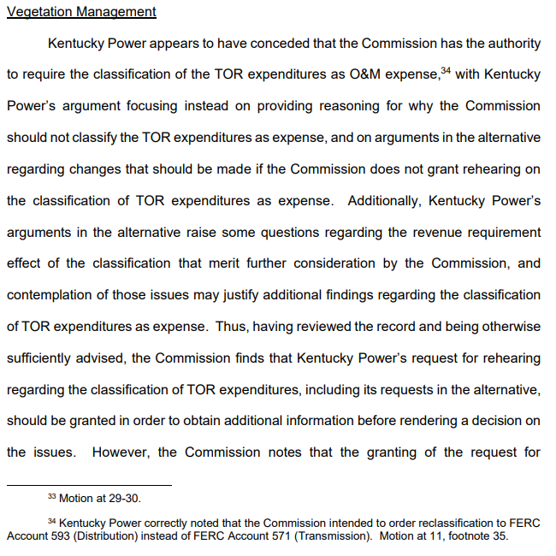

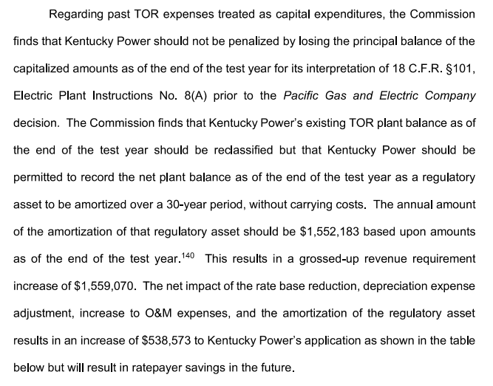

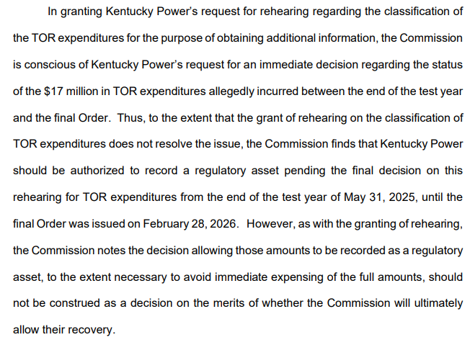

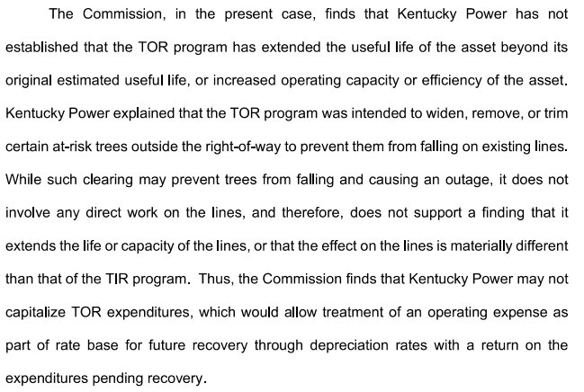

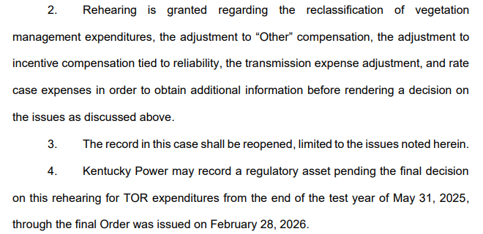

MACRS
...
 |  |  |  |  |  |  |  |  |  |  |  |  |  | From
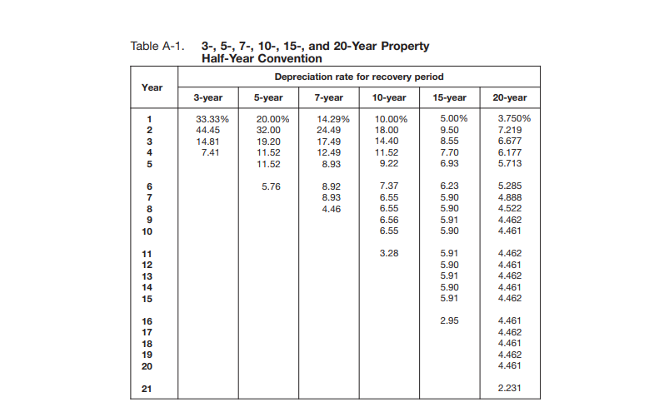
...
 |  |  |  |  |  |  |  | 8 | 9 | 10 | 11 | 12 | 13 | 14 | 15 | 16 | 17 | 18 | 19 | 20 | 21
 |  |  |  |  |  |  |  |  |  |  |  |  |  |  |  |  |  |  |  |  |  | 100.000%
7-year | 14.29% | 24.49% | 17.49% | 12.49% | 8.93% | 8.92% | 8.93% | 4.46% |  |  |  |  |  |  |  |  |  |  |  |  |  | 100.000%
10-year | 10.000% | 18.000% | 14.400% | 11.520% | 9.220% | 7.370% | 6.550% | 6.550% | 6.560% | 6.550% | 3.280% |  |  |  |  |  |  |  |  |  |  | 100.000%
15-year | 5.000% | 9.500% | 8.550% | 7.700% | 6.930% | 6.230% | 5.900% | 5.900% | 5.910% | 5.900% | 5.910% | 5.900% | 5.910% | 5.900% | 5.910% | 2.950% |  |  |  |  |  | 100.000%
20-year | 3.750% | 7.219% | 6.677% | 6.177% | 5.713% | 5.285% | 4.888% | 4.522% | 4.462% | 4.461% | 4.462% | 4.461% | 4.462% | 4.461% | 4.462% | 4.461% | 4.462% | 4.461% | 4.462% | 4.461% | 2.231% | 100.000%
5-year SL | 10% | 20% | 20% | 20% | 20% | 10% | 0% |  |  |  |  |  |  |  |  |  |  |  |  |  |  | 100.000%

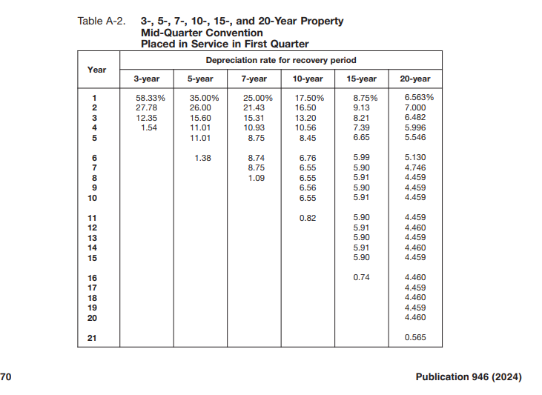
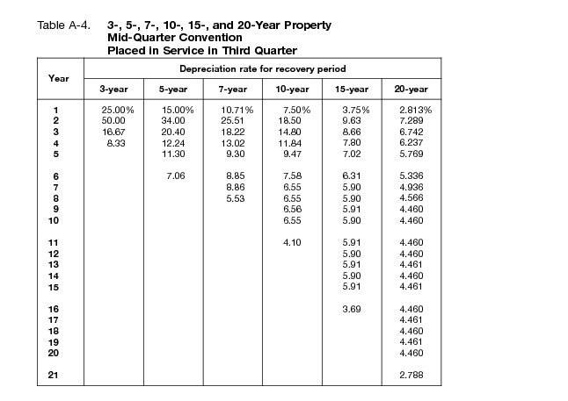
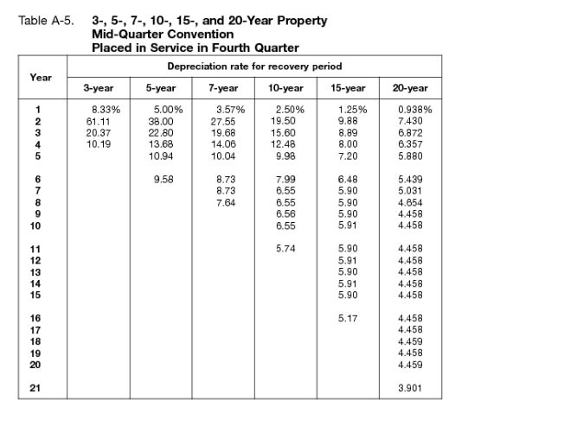
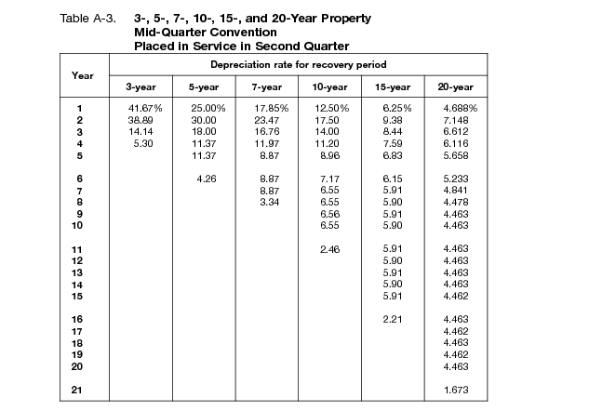

MQ Convention

5-year Q1 | 35.000% | 26.000% | 15.600% | 11.010% | 11.010% | 1.380% |  |  |  |  |  |  |  |  |  |  |  |  |  |  |  | 100.000%
5-year Q2 | 25.000% | 30.000% | 18.000% | 11.370% | 11.370% | 4.260% |  |  |  |  |  |  |  |  |  |  |  |  |  |  |  | 100.000%
5-year Q3 | 15.000% | 34.000% | 20.400% | 12.240% | 11.300% | 7.060% |  |  |  |  |  |  |  |  |  |  |  |  |  |  |  | 100.000%
5-year Q4 | 5.000% | 38.000% | 22.800% | 13.680% | 10.940% | 9.580% |  |  |  |  |  |  |  |  |  |  |  |  |  |  |  | 100.000%
 |  |  |  |  |  |  |  |  |  |  |  |  |  |  |  |  |  |  |  |  |  | 0.000%
7-year Q1 | 25.00% | 21.43% | 15.31% | 10.93% | 8.75% | 8.74% | 8.75% | 1.09% |  |  |  |  |  |  |  |  |  |  |  |  |  | 100.000%
7-year Q2 | 17.85% | 23.47% | 16.76% | 11.97% | 8.87% | 8.87% | 8.87% | 3.34%
7-year Q3 | 10.71% | 25.51% | 18.22% | 13.02% | 9.30% | 8.85% | 8.86% | 5.53%
...

