Assumptions
Line AM07 Phase 3
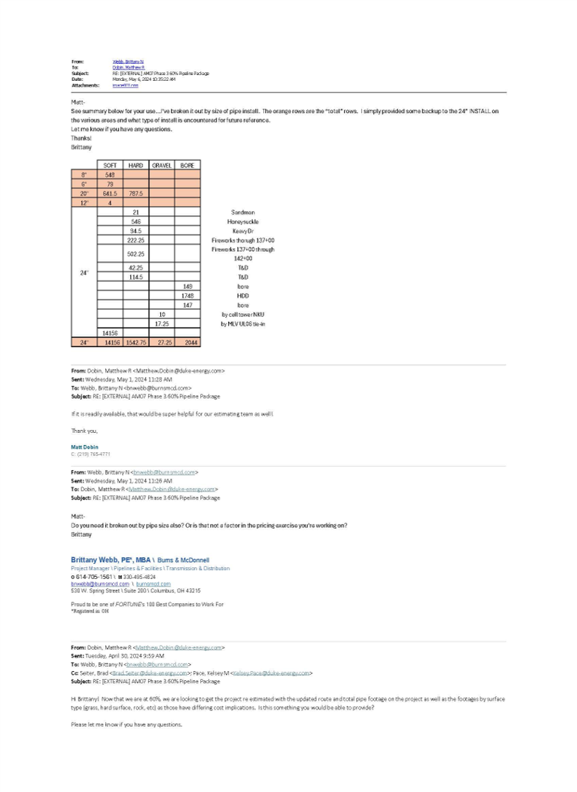
Notes and Assumptions
2024-05-15
 | Estimate Revision: | F-Initiate 60% Refresh
1. Charter SOW: Phase 3 (of 5 Phases) includes the following: *Perform detailed engineering to support replacement of approximately 18,870 feet (3.6 miles) of 24" pipe designed for a pressure of 1000 psig. *Install new 24" steel pipeline that starts in the vicinity of coordinates [39° 1'33.74"N, 84°30'29.44"W] and ends at the North side of the I-275 crossing near Licking Pk. and ties into the piping to utilize existing I-275 crossing. *Abandon Line AM07 along this section. *Address remaining farm taps. *Preliminary proposed pipeline route that was field reviewed by Implementation is included in attachment. Right of Way (ROW) reclamation will be required. The following stations / branches have been identified as being impacted by the new line. Add isolation valves at each tap (as discussed with System Planning in 30/60/90 meetings) to assist in future upgrades of the regulator stations. Any major upgrades needed for these assets (with exceptions noted below) to operate at a 1000 psig MAOP will be handled by separate charters to be submitted at a future date: 1. Station 713 - Reconnect station inlet 2. Station 734 - Reconnect station inlet (UL06) 3. Station 859 - Reconnect station inlet 4. Station 804 - Reconnect station inlet 5. UL26 tap - Reconnect branch or extend distribution main and transfer services off of UL26
2. Estimate assumes AC Mitigation is not required
3. Estimate assumes basic environmental control design.
4. A Routing factor has not been assumed for the pipeline.
5. Estimate assumes SCADA is not included
6. Estimate assumes that a laydown yard is required.
7. Estimate assumes that traffic control is required.
8. Estimate assumes 20% Rock
Rev. C - Charter Refresh
1. Pipe length reduced to 10,491 LF
Rev. D - Initiate Gate
1. Line AM07 Pipe length increased to 15,528 LF
2. 816.24 LF of pipe routing for UL16 has been added to scope
3. 3,222.36 LF of pipe routing for UL06 has been added to scope
4. I-275 Covington Regulator Station has been added to scope
Rev E - Refresh
1. Construction to occur 2025. Escalation is added to the estimate per the push of the schedule. As of the date of this estimate, no Material Purchase Orders have been established.
2. Estimate revision assumes Engineering costs totaling $1,951,032 per Project PO's on Charge Project AW6387. Burns & McDonnell PO 10973347 ($1,911,498), Geotechnology Inc. PO 10686168 ($4,000), HDR Engineering PO 10703525-CO1 ($34,535). Estimate assumes a third party contractor for MAOP Verification which is estimated.
3. Revision assumes Land Services Costs of $438,384 per Percheron PO 11055449. Land acquisition costs for easements is estimated.
4. Revision updates rates per schedule push and indicative costs.
Rev F-Initiate Gate Refresh-Scope Adjustments:
Scope of Work Adjustments: The email image on this page details the new Pipeline Footages and modes of Pipelay per Burns & McDonnell 60% Route Study. Wholesale re-routes were required in the taylor & Taylor Mill Developments (AM07). This estimate revision assumes the results of this Route Study as basis for the new costs in this estimate. Also, changes in scope have developed in Environmental & Control Measures due to slopes in terrain in varied areas including the new Covington Station. This estimate revision assumes Covington Station will require additional costs for Site Prep & Retaining Wall. Material quantities are adjusted per the 60% Design Alignment Set
1. Estimate revision assumes a Burns & McDonnell Engineering Change Order (PO 10973347-CO3) total cost of $2,285,273.
2. Estimate Revision assumes a Geotechnology Inc. PO #10686168 to total $5,000 (Original $4,000).
3. Estimate revision assumes a Material Cost of $11,581 per Cornerstone PO 11561076 (Relief Valve).
4. Estimate revision assumes a Rail Permitting Cost of $67,510 per Schneider Engineering PO 11600198.
5. Estimate revision assumes Escalation only applied to Construction Services per existing Engineering at 60% and Material Procurement has started.
6. Estimate revision assumes MAOP Verification is included in the Burns & McDonnell Costs per PO 10973347.
7. Estimate revision assumes 20" UL06 Hydrotest & Commissioning cost to be a part of the 24" AM07 Hydrotest.

PE Level of Risk Template
Nat Gas Project Public Engagement Level-of-Risk Assessment
Charter/Project Name: |  | Date: |  |  |  | Impact - Magnitude of stateholder opposition (Defined by cost, or reputation)
Risk | Public Engagement Questionaire | Response | Priority | Probability | Impact | Probabilty - External stakeholder opposition
1. Attributes
1.1 | New Natural Gas Pipeline Length (in new footprint) (miles) (system infrastructure growth)? | Less than 2000 feet |  | 0 | 0
1.2 | Replace or Retrofit Natural Gas Pipeline Length (miles)(Integrity project)? * | < 1 mile |  | 0 | 0
1.3 | New Regulator Station(s)/Launcher/Receiver? | No |  | 0 | 0
1.4 | Expanding the footprint of existing Regulator Station? | No |  | 0 | 0
1.5 | New Compressor Station(s)? | No |  | 0 | 0 |  | Community Engagement Heat Map
1.6 | Expanding the footprint of existing Compressor Station? | No |  | 0 | 0 |  | Probability
1.7 | Requires flaring? | No |  | 0 | 0
2. Land
2.1 | Urban, Rural or Suburban? | Rural |  | 0 | 0
2.2 | New Easement acquisition required? | No |  | 0 | 0 |  |  | X
2.3 | New Land acquisition required (in fee)? | No |  | 0 | 0 |  |  | Impact
2.4 | Anticiapted number of parcels to be purchased? | 0 parcels |  | 0 | 0
2.5 | Amount of new Right of Way tree clearing required | 0-5% |  | 0 | 0 |  | 1 | Notify Community Relations
3. Environment, Historic, Archeological |  |  |  |  |  |  | 2 | Local Community Relations Engagenment at Project Initiation
3.1 | Crossing navigable waterways? | No |  | 0 | 0 |  | 3 | Enable Strike Team 24 months prior to Project Kickoff
3.2 | Larger environmentally sensitive areas? * | No |  | 0 | 0
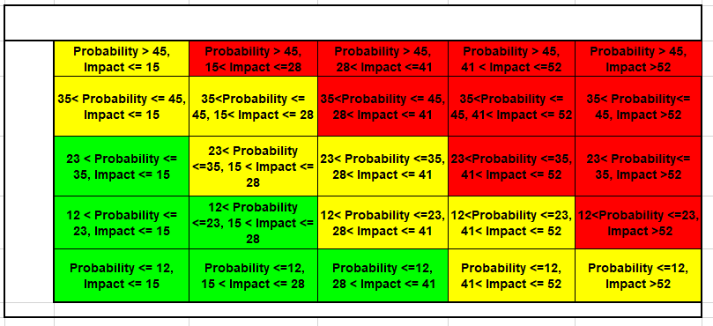
3.4 | Sensitive, Protected, Historical Sites, Cultural Areas? (Not environmental) | No |  | 0 | 0
3.5 | Zoning Type? * | Existing Utility Right of Way |  | 0 | 0
4. Additional Factors
4.1 | Past opposition from affected land owners and communities? | No |  | 0 | 0
4.2 | Permiting process requires : | None of the above |  | 0 | 0
 |  |  | Final Total | 0 | 0

 |  |  |  |  |  |  |  |  | *Do Not Remove Below
 |  |  |  |  |  |  |  |  | X Marks the Spot | Heat Level
 |  |  |  |  |  |  |  |  | $O$14 | 1

 | * Notes
 | 1.2 Response should be reflective of actual footage of construction not mileage researched
 | 3.2 May not know environment sensitivity initially
 | 3.2 Environmentally Sensitive - Named Environmental areas (shows up on a map with a name)
 | 3.5 If entire project is in Utility ROW and no known preexisiting opposition to construction in or near that ROW then the project can default to 'Yellow' or Green'

