STD 2024 WP
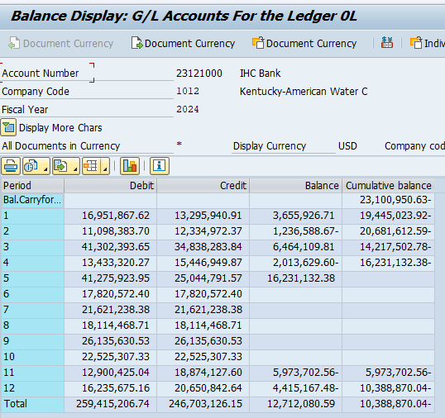
Workpaper #: |  |  |  |  | W/P - 7-3
Excel Reference: |  |  |  |  | KAW_R_PSCHDR_NUM002_100625_Attachment Sch J WPs | 23121000
 |  |  |  |  | Page 1 of 1

KENTUCKY-AMERICAN WATER COMPANY
Short-Term Debt Balances for September 2024 - February 2025

Period | Debit | Credit | Balance | Cumulative balance
Bal.Carryforward | - | - | - | 0
2024-09-30 | 26,135,630.53 | 26,135,630.53 | - | -
2024-10-31 | 22,525,307.33 | 22,525,307.33 | - | -
2024-11-30 | 12,900,425.04 | 18,874,127.60 | 5,973,702.56 | 5,973,702.56
2024-12-31 | 16,235,675.16 | 20,650,842.64 | 4,415,167.48 | 10,388,870.04
2025-01-31 | 11,799,838.56 | 15,119,814.73 | 3,319,976.17 | 13,708,846.21
2025-02-28 | 15,110,671.10 | 19,116,004.74 | 4,005,333.64 | 17,714,179.85

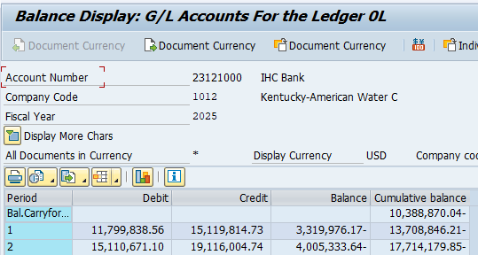

LTD Discount
Workpaper #: |  |  |  |  |  |  | W/P - 7-4
Excel Reference: |  |  |  |  |  |  | KAW_R_PSCHDR_NUM002_100625_Attachment Sch J WPs
 |  |  |  |  |  |  | Page 1 of 1

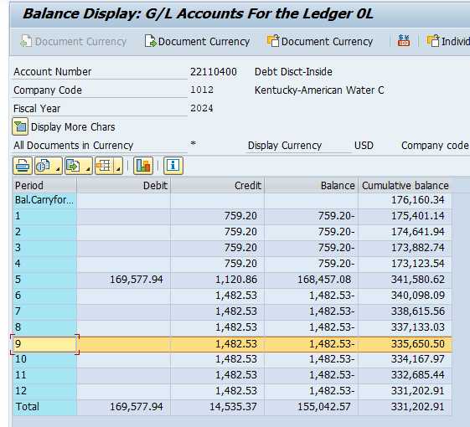
Long-term Debt Discount Balances and Amortizations

 | 30-Sep-24
 | GL Balance
 | 335,650.50

Balances
 | Sep-24 | Oct-24 | Nov-24 | Dec-24 | Jan-25 | Feb-25
BD120032 | 30,698.54 | 30,583.14 | 30,467.74 | 30,352.34 | 30,236.94 | 30,121.54
BD120033 | 11,721.35 | 11,678.66 | 11,635.97 | 11,593.28 | 11,550.59 | 11,507.90
BD120033 | 69,666.35 | 69,430.99 | 69,195.63 | 68,960.27 | 68,724.91 | 68,489.55
BD120034 | 33,112.16 | 33,008.68 | 32,905.20 | 32,801.72 | 32,698.24 | 32,594.76
BD120035 | 24,129.14 | 23,866.87 | 23,604.60 | 23,342.33 | 23,080.06 | 22,817.79
BD120038 | 41,932.95 | 41,561.97 | 41,190.99 | 40,820.01 | 40,449.03 | 40,078.05
BD120039 | 124,390.01 | 124,037.66 | 123,685.31 | 123,332.96 | 122,980.61 | 122,628.26

Total | 335,650.50 | 334,167.97 | 332,685.44 | 331,202.91 | 329,720.38 | 328,237.85

Montly Amortizations
BD120032 | 115.40 | 115.40 | 115.40 | 115.40 | 115.40 | 115.40
BD120033 | 42.69 | 42.69 | 42.69 | 42.69 | 42.69 | 42.69
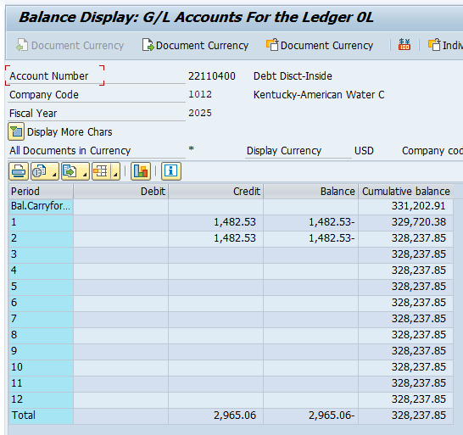
BD120033 | 235.36 | 235.36 | 235.36 | 235.36 | 235.36 | 235.36
BD120034 | 103.48 | 103.48 | 103.48 | 103.48 | 103.48 | 103.48
BD120035 | 262.27 | 262.27 | 262.27 | 262.27 | 262.27 | 262.27
BD120038 | 370.98 | 370.98 | 370.98 | 370.98 | 370.98 | 370.98
BD120039 | 352.35 | 352.35 | 352.35 | 352.35 | 352.35 | 352.35

Total | 1,482.53 | 1,482.53 | 1,482.53 | 1,482.53 | 1,482.53 | 1,482.53

