KU DoD-FEA Rate Design
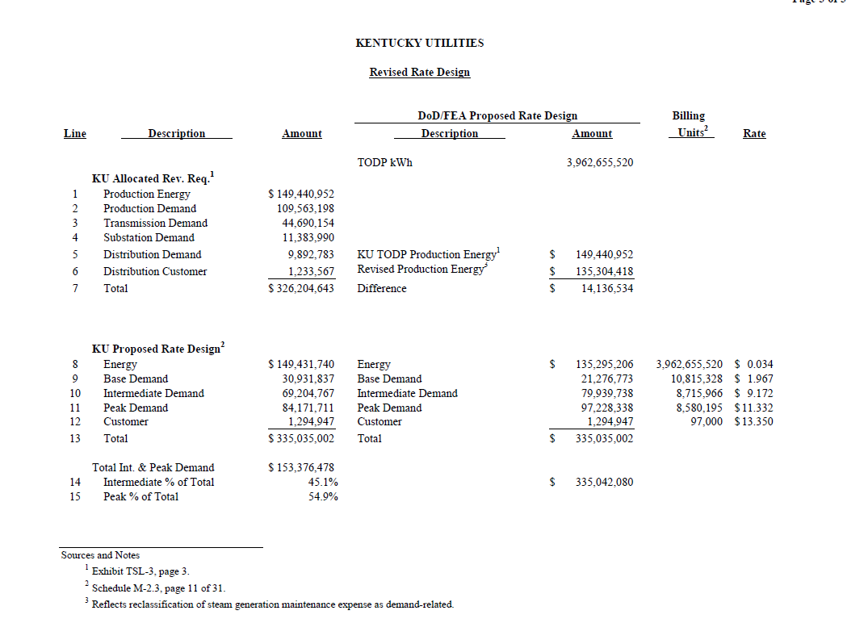
 |  |  |  | DoD/FEA Proposed Rate Design Amounts
Line | Description | Amount |  | Description | Rate Design | Billing Units | Rate

 | KU Allocated Rev. Req. |  |  | TODP kWh | 3,962,655,520
1 | Production Energy | $149,440,952
2 | Production Demand | 109,563,198
3 | Transmission Demand | 44,690,154
4 | Substation Demand | 11,383,990
5 | Distribution Demand | 9,892,783 |  | KU TODP Production Energy | $149,440,952
6 | Distribution Customer | 1,233,567 |  | Revised Production Energy | 135,304,418
7 | Total | $326,204,643 |  | Difference | $14,136,534

8 | KU Proposed Rate Design |  |  | TODP Rate Design Comparison (KU) | Amount | Billing Units | DoD/FEA Proposal | KU Proposal | Incr/Decr
9 | Energy | $149,431,740 |  | Energy | $135,295,206 | 3,962,655,520 | $0.034 | $0.038 | -9.5%
10 | Base Demand | 30,931,837 | 16.8% | Base Demand | 21,276,773 | 10,815,328 | $1.967 | $2.860 | -31.2%
11 | Intermediate Demand | 69,024,767 | 37.5% | Intermediate Demand | 79,939,738 | 8,715,966 | $9.172 | $7.940 | 15.5%
12 | Peak Demand | 84,171,711 | 45.7% | Peak Demand | 97,228,338 | 8,580,195 | $11.332 | $9.810 | 15.5%
13 | Customer | 1,294,947 |  | Customer | 1,294,947 | 97,000 | $13.350 | $13.350 | 0.0%
14 | Total | $335,035,002 |  | Total | $335,035,002

15 | Intermediate and Peak | 153,196,478 |  | Ratio of Intermediate Demand to Base Demand |  |  | 4.7 | 2.8 | 68%
16 | Intermediate % of Total | 45.1% |  | Ratio of Peak Demand to Base Demand |  |  | 5.8 | 3.4 | 68%
17 | Peak % of Total | 54.9%

 |  |  |  | Rate Design Amounts
Line | Description | Amount |  | Description | Rate Design | Billing Units | Rate

 | KU Allocated Rev. Req. |  |  | TODP kWh | 3,962,655,520
1 | Production Energy | $149,440,952 | 46%
2 | Production Demand | 109,563,198 | 34%
3 | Transmission Demand | 44,690,154 | 14%
4 | Substation Demand | 11,383,990 | 3%
5 | Distribution Demand | 9,892,783 | 3% | KU TODP Production Energy | $149,440,952
6 | Distribution Customer | 1,233,567 | 0% | Revised Production Energy | 135,304,418
7 | Total | $326,204,643 |  | Difference | $14,136,534

8 | KU Proposed Rate Design |  |  | Rate Design | Amount | Billing Units | Rates | KU Proposal | Incr/Decr
9 | Energy | $149,431,740 |  | Energy | $149,431,740 | 3,962,655,520 | $0.038 | $0.038 | 0.0%
10 | Base Demand | 30,931,837 | 16.8% | Base Demand | 65,966,927 | 10,815,328 | $6.099 | $2.860 | 113.3%
11 | Intermediate Demand | 69,024,767 | 37.5% | Intermediate Demand | 53,396,638 | 8,715,966 | $6.126 | $7.940 | -22.8%
12 | Peak Demand | 84,171,711 | 45.7% | Peak Demand | 64,944,750 | 8,580,195 | $7.569 | $9.810 | -22.8%
13 | Customer | 1,294,947 |  | Customer | 1,294,947 | 97,000 | $13.350 | $13.350 | 0.0%
14 | Total | $335,035,002 |  | Total | $335,035,002

15 | Intermediate and Peak | 153,196,478 |  | Ratio of Intermediate Demand to Base Demand |  |  | 1.0 | 2.8 | -64%
16 | Intermediate % of Total | 45.1% |  | Ratio of Peak Demand to Base Demand |  |  | 1.2 | 3.4 | -64%
17 | Peak % of Total | 54.9%

LG&E DoD-FEA Rate Design
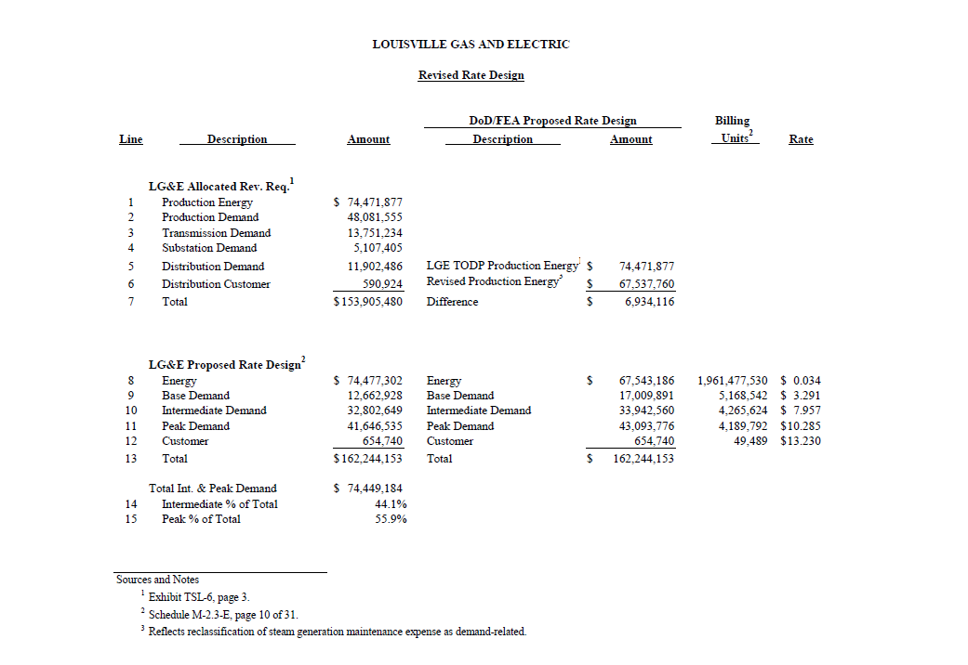
 |  |  |  | DoD/FEA Proposed Rate Design Amount
Line | Description | Amount |  | Description | Rate Design | Billing Units | Rate

 | LG&E Allocated Rev. Req. |  |  | TODP kWh | 1,961,477,530
1 | Production Energy | $74,471,877
2 | Production Demand | 48,081,555
3 | Transmission Demand | 13,751,234
4 | Substation Demand | 5,107,405
5 | Distribution Demand | 11,902,486 |  | KU TODP Production Energy | $74,471,877
6 | Distribution Customer | 590,924 |  | Revised Production Energy | 67,537,760
7 | Total | $153,905,480 |  | Difference | $6,934,117

8 | LG&E Proposed Rate Design |  |  | TODP Rate Design Comparison (LG&E) | Amount | Billing Units | DoD/FEA Rates | LG&E Rates | Incr/Decr
9 | Energy | $74,477,302 |  | Energy | $67,543,185 | 1,961,477,530 | $0.034 | $0.038 | -9.3%
10 | Base Demand | 12,662,928 | 14.5% | Base Demand | 17,009,891 | 5,168,542 | $3.291 | $2.450 | 34.3%
11 | Intermediate Demand | 32,802,649 | 37.7% | Intermediate Demand | 33,942,560 | 4,265,624 | $7.957 | $7.690 | 3.5%
12 | Peak Demand | 41,646,535 | 47.8% | Peak Demand | 43,093,776 | 4,189,792 | $10.285 | $9.940 | 3.5%
13 | Customer | 654,740 |  | Customer | 654,740 | 49,489 | $13.230 | $13.230 | 0.0%
14 | Total | $162,244,153 |  | Total | $162,244,153

15 | Intermediate and Peak | 74,449,184 |  | Ratio of Intermediate Demand to Base Demand |  |  | 2.4 | 3.1 | -23%
16 | Intermediate % of Total | 44.1% |  | Ratio of Peak Demand to Base Demand |  |  | 3.1 | 4.1 | -23%
17 | Peak % of Total | 55.9%

 |  |  |  | Rate Design Amounts
Line | Description | Amount |  | Description | Rate Design | Billing Units | Rate

 | LG&E Allocated Rev. Req. |  |  | TODP kWh | 1,961,477,530
1 | Production Energy | $74,471,877 | 48%
2 | Production Demand | 48,081,555 | 31%
3 | Transmission Demand | 13,751,234 | 9%
4 | Substation Demand | 5,107,405 | 3%
5 | Distribution Demand | 11,902,486 | 8% | KU TODP Production Energy | $74,471,877
6 | Distribution Customer | 590,924 | 0% | Revised Production Energy | 67,543,186
7 | Total | $153,905,480 |  | Difference | $6,928,691

8 | LG&E Proposed Rate Design |  |  | Rate Design | Amount | Billing Units | Rates | LG&E Rates | Incr/Decr
9 | Energy | $74,477,302 |  | Energy | $74,477,302 | 1,961,477,530 | $0.038 | $0.038 | 0.0%
10 | Base Demand | 12,662,928 |  | Base Demand | 30,761,125 | 5,168,542 | $5.952 | $2.450 | 142.9%
11 | Intermediate Demand | 32,802,649 |  | Intermediate Demand | 24,828,501 | 4,265,624 | $5.821 | $7.690 | -24.3%
12 | Peak Demand | 41,646,535 |  | Peak Demand | 31,522,485 | 4,189,792 | $7.524 | $9.940 | -24.3%
13 | Customer | 654,740 |  | Customer | 654,740 | 49,489 | $13.230 | $13.230 | 0.0%
14 | Total | $162,244,153 |  | Total | $162,244,153

15 | Intermediate and Peak | 74,449,184 |  | Ratio of Intermediate Demand to Base Demand |  |  | 1.0 | 3.1 | -69%
16 | Intermediate % of Total | 44.1% |  | Ratio of Peak Demand to Base Demand |  |  | 1.3 | 4.1 | -69%
17 | Peak % of Total | 55.9%

