LGE 2018 Pension Contribution
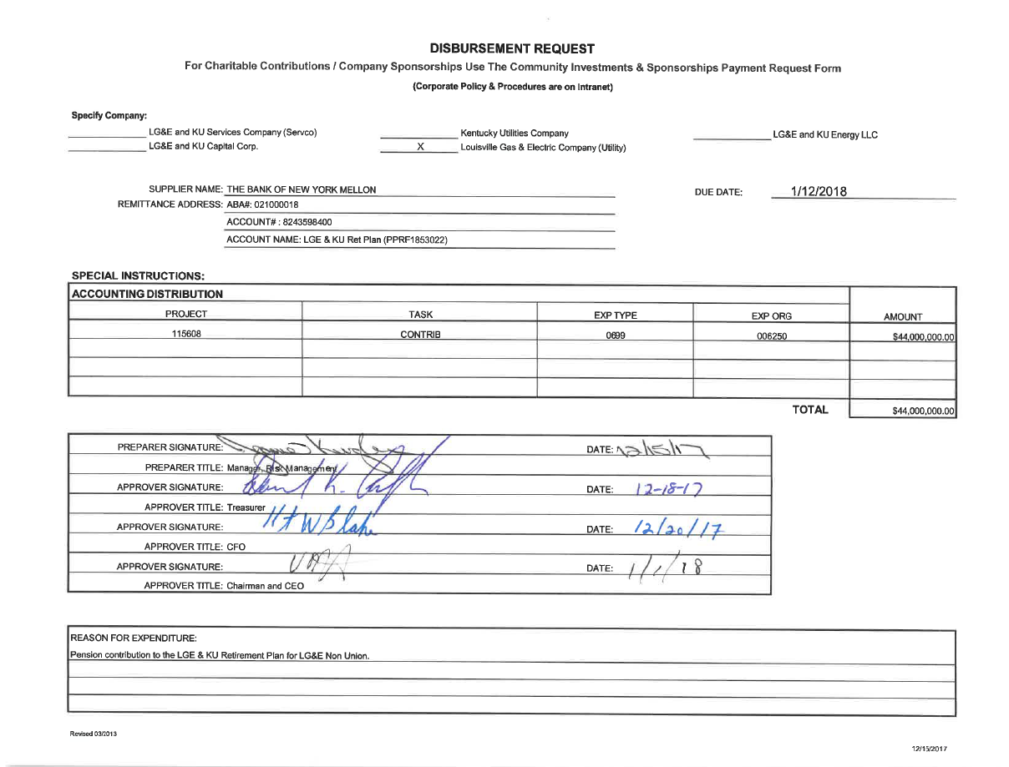

LGE 2018 Pension Contrib. Union
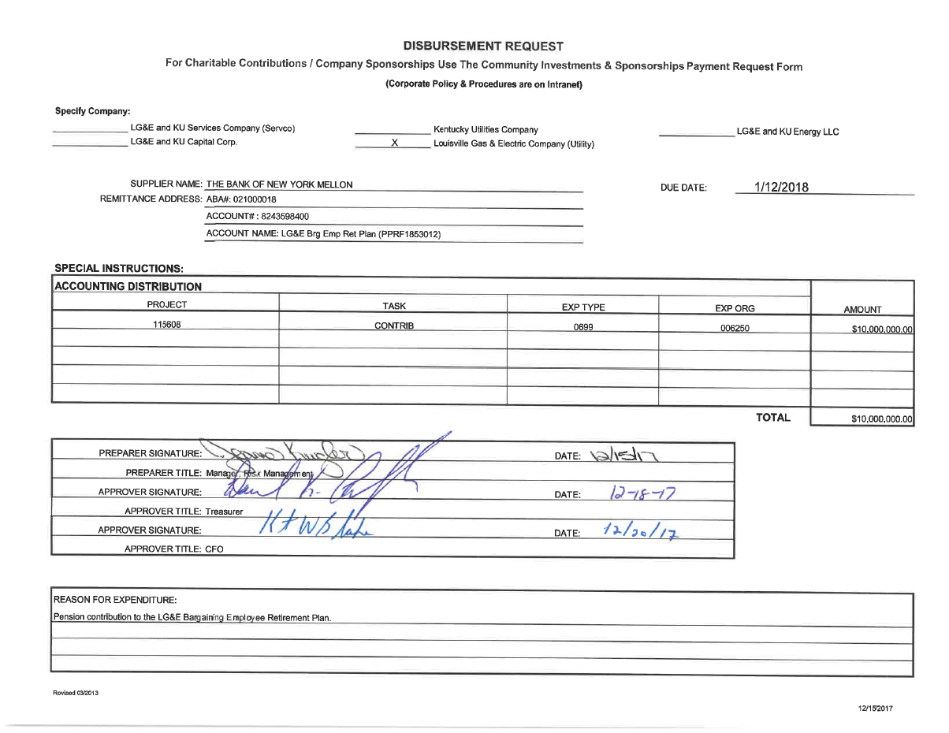

LGE 2019 Pension Contribution
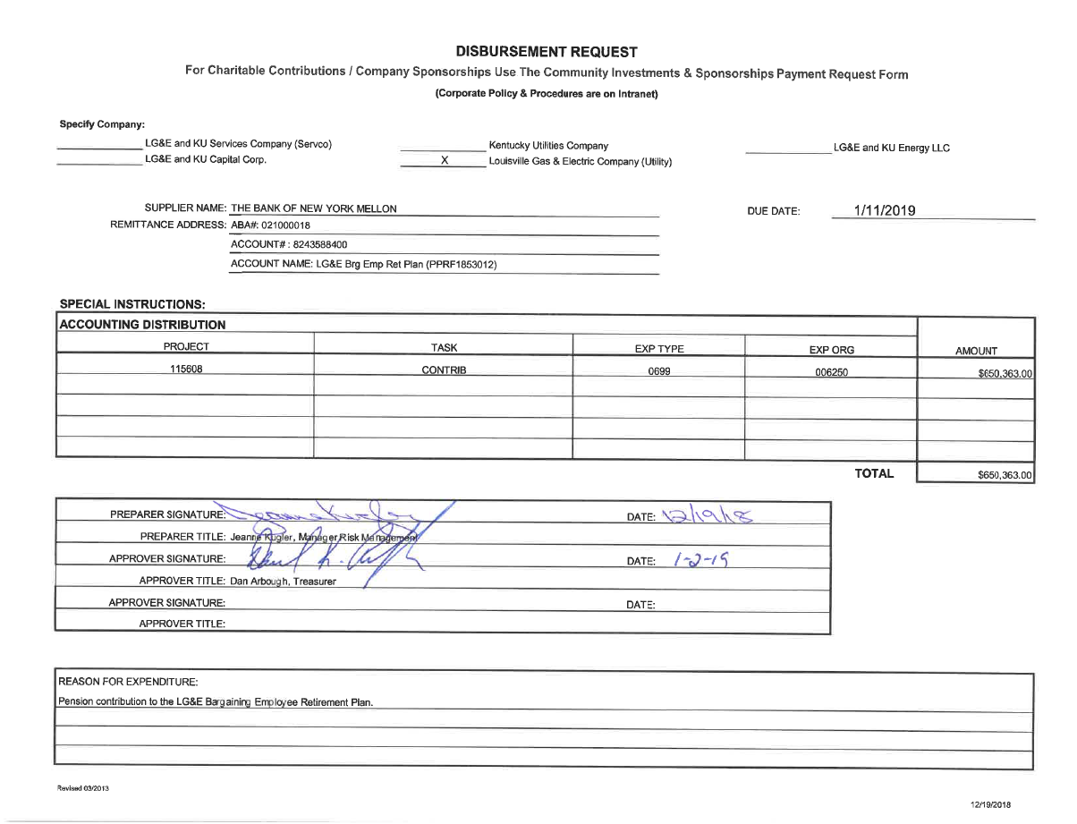

LGE 2020 Pension Contribution
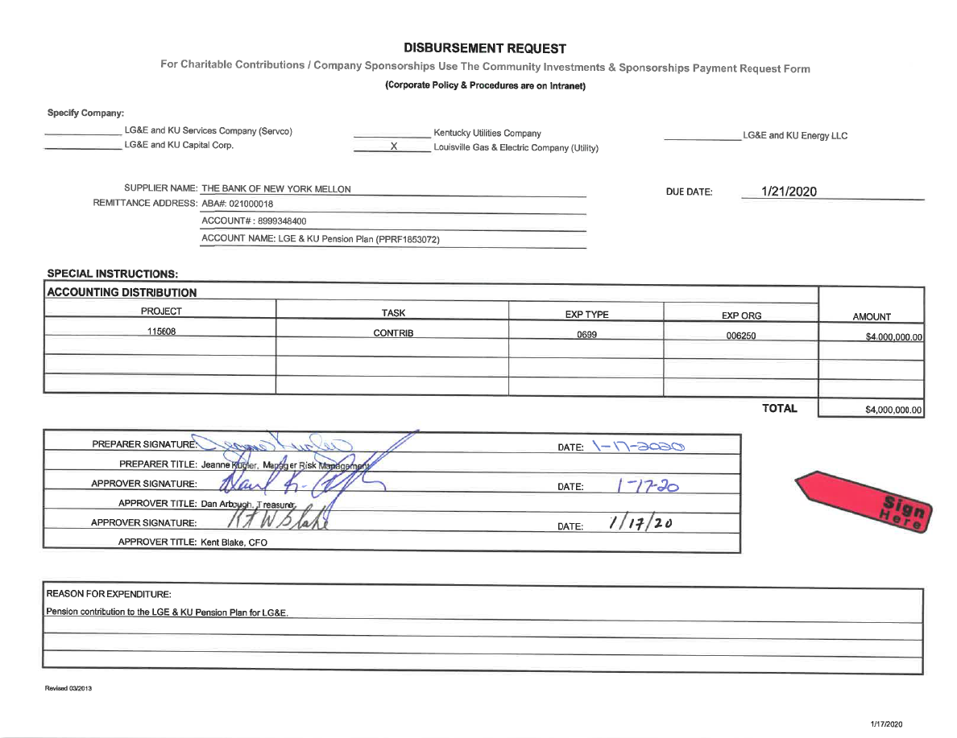

LGE 2020 Pension Contribution 2
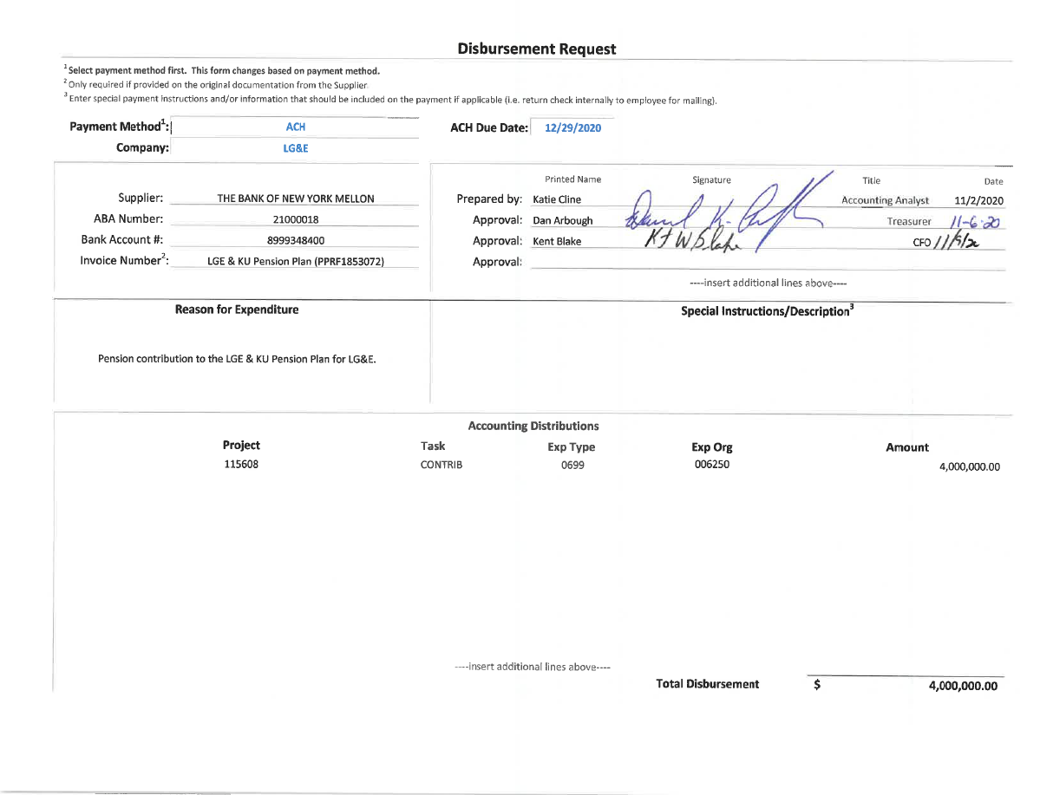

KU 2018 Pension Contribution
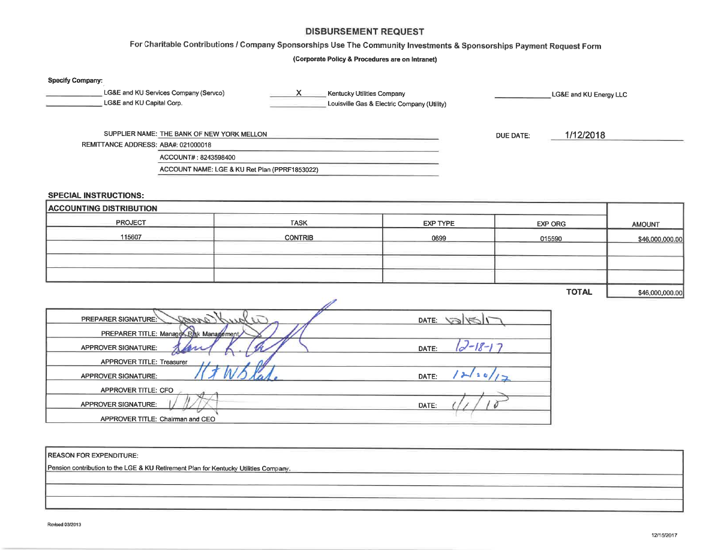

KU 2020 Pension Contribution
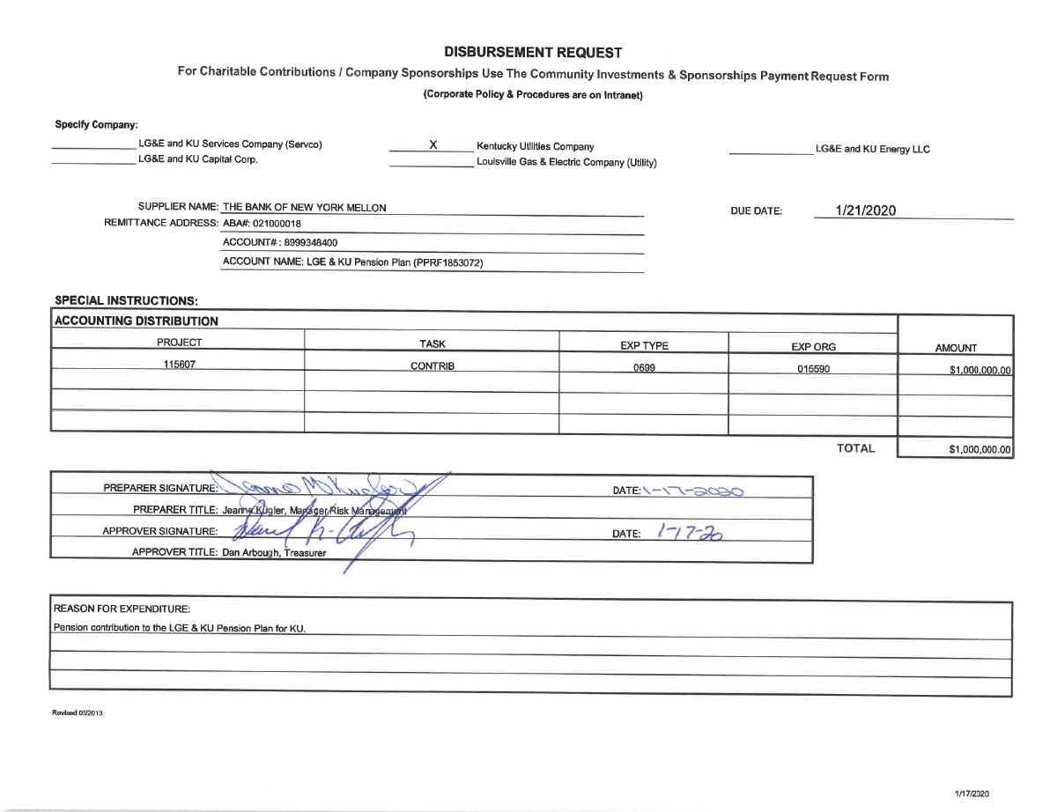

KU 2020 Pension Contribution 2
