2023-00159 W16
Kentucky Power Company
Normalization of Storm Damage Expense
Test Year Ended March 31, 2023
W16

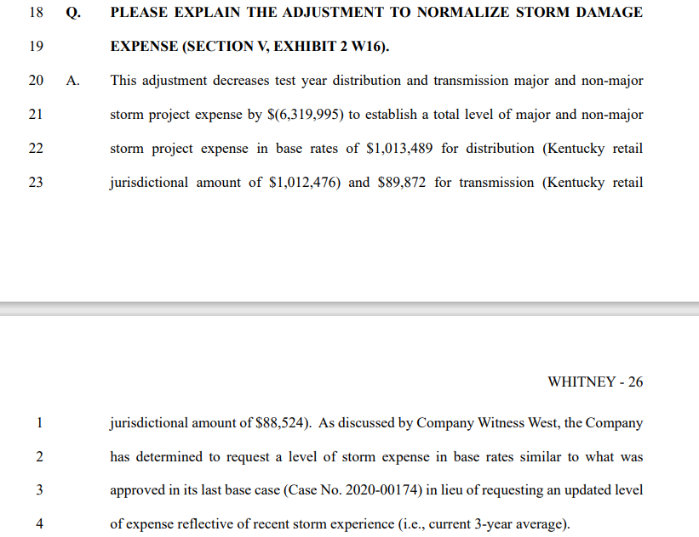
 |  | Twelve Months Ended March 31,
Line No. | Description | 2021 | 2022 | 2023 | Three-Year Average | FERC Account
 | (a) | (b) | (c) | (d) | (e) | (f)
1 | Storm Expense - Distribution | $59,577,052 | $3,324,126 | $24,194,769 | $29,031,982
2 | Storm Expense - Transmission | 2,821,753 | 247,794 | 89,872 | 1,053,140
3 | Total (Ln 1 +2) | $62,398,805 | $3,571,920 | $24,284,641 | $30,085,122

4 | Distribution Adjustment
5 | Three-Year Average |  |  |  | Not Representative
6 | Requested Baseline: Level Approved in Case No. 2020-00174 |  |  |  | 1,013,489
7 | Test-Year Expense |  |  |  | 7,333,484
8 | Distribution Adjustment (Ln 6 - Ln 7) |  |  |  | ($6,319,995)
9 | Allocation Factor - GP-DIST |  |  |  | 0.999
10 | KPSC Jurisdiction Amount (Ln 8 X Ln 9) |  |  |  | -6,313,675 | 593

11 | Transmission Adjustment
12 | Three-Year Average |  |  |  | Not Representative
13 | Requested Baseline: Test Year Expense |  |  |  | 89,872
14 | Test-Year Expense |  |  |  | 89,872
15 | Transmission Adjustment (Ln 13 - Ln 14) |  |  |  | $—
16 | Allocation Factor - GP-TRANS |  |  |  | 0.985
17 | KPSC Jurisdiction Amount (Ln 15 X Ln 16) |  |  |  | — | 571

Witness: | H.M. Whitney

