5YR
 | US Treasury Actives Curve
Date | Zero Rate | Forward Rate
09/30/2024 | 4.6589 | 3.483
12/30/2024 | 4.575 | 3.4514
03/30/2025 | 4.3238 | 3.4455
06/30/2025 | 4.0044 | 3.4747
09/30/2025 | 3.8328 | 3.506
12/30/2025 | 3.7081 | 3.5427
03/30/2026 | 3.6254 | 3.5789
06/30/2026 | 3.5647 | 3.6159
09/30/2026 | 3.5192 | 3.6561
12/30/2026 | 3.4941 | 3.6976
03/30/2027 | 3.4741 | 3.7389
06/30/2027 | 3.4574 | 3.7809
09/30/2027 | 3.4468 | 3.821
12/30/2027 | 3.453 | 3.8507
03/30/2028 | 3.4584 | 3.8802
06/30/2028 | 3.4631 | 3.9103
09/30/2028 | 3.4673 | 3.9403
12/30/2028 | 3.4709 | 3.97
03/30/2029 | 3.474 | 3.9994
06/30/2029 | 3.4769 | 4.0294
09/30/2029 | 3.4862 | 4.0675
12/30/2029 | 3.5075 | 4.1061
03/30/2030 | 3.5267 | 4.1443
06/30/2030 | 3.5447 | 4.1834

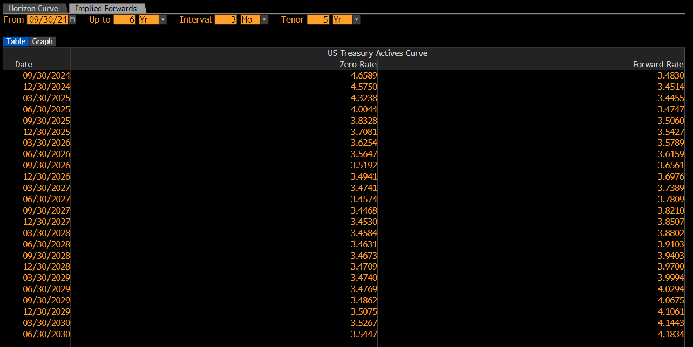

10YR
 | US Treasury Actives Curve
Date | Zero Rate | Forward Rate
09/30/2024 | 4.6589 | 3.7753
12/30/2024 | 4.575 | 3.7788
03/30/2025 | 4.3238 | 3.7949
06/30/2025 | 4.0044 | 3.829
09/30/2025 | 3.8328 | 3.8642
12/30/2025 | 3.7081 | 3.9018
03/30/2026 | 3.6254 | 3.9393
06/30/2026 | 3.5647 | 3.9773
09/30/2026 | 3.5192 | 4.0153
12/30/2026 | 3.4941 | 4.0507
03/30/2027 | 3.4741 | 4.0857
06/30/2027 | 3.4574 | 4.1215
09/30/2027 | 3.4468 | 4.1563
12/30/2027 | 3.453 | 4.1858
03/30/2028 | 3.4584 | 4.2151
06/30/2028 | 3.4631 | 4.2449
09/30/2028 | 3.4673 | 4.2747
12/30/2028 | 3.4709 | 4.3041
03/30/2029 | 3.474 | 4.3333
06/30/2029 | 3.4769 | 4.3631
09/30/2029 | 3.4862 | 4.3895
12/30/2029 | 3.5075 | 4.4088
03/30/2030 | 3.5267 | 4.428
06/30/2030 | 3.5447 | 4.4475

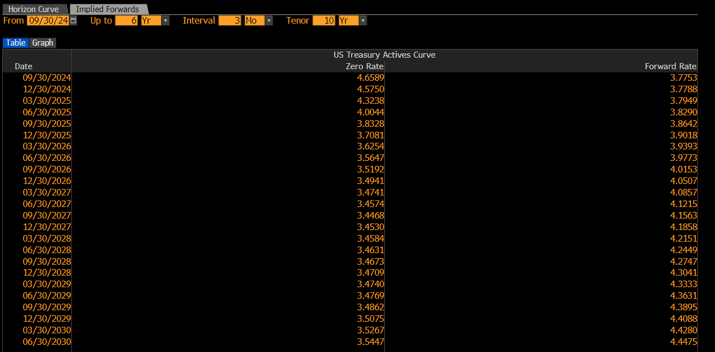

15YR
 | US Treasury Actives Curve
Date | Zero Rate | Forward Rate
09/30/2024 | 4.6589 | 4.0873
12/30/2024 | 4.575 | 4.0897
03/30/2025 | 4.3238 | 4.1006
06/30/2025 | 4.0044 | 4.1233
09/30/2025 | 3.8328 | 4.1468
12/30/2025 | 3.7081 | 4.1718
03/30/2026 | 3.6254 | 4.1966
06/30/2026 | 3.5647 | 4.222
09/30/2026 | 3.5192 | 4.2474
12/30/2026 | 3.4941 | 4.2709
03/30/2027 | 3.4741 | 4.2943
06/30/2027 | 3.4574 | 4.3181
09/30/2027 | 3.4468 | 4.3413
12/30/2027 | 3.453 | 4.361
03/30/2028 | 3.4584 | 4.3806
06/30/2028 | 3.4631 | 4.4004
09/30/2028 | 3.4673 | 4.4203
12/30/2028 | 3.4709 | 4.4399
03/30/2029 | 3.474 | 4.4594
06/30/2029 | 3.4769 | 4.4793
09/30/2029 | 3.4862 | 4.4903
12/30/2029 | 3.5075 | 4.4901
03/30/2030 | 3.5267 | 4.4899
06/30/2030 | 3.5447 | 4.4898

