Tab 2
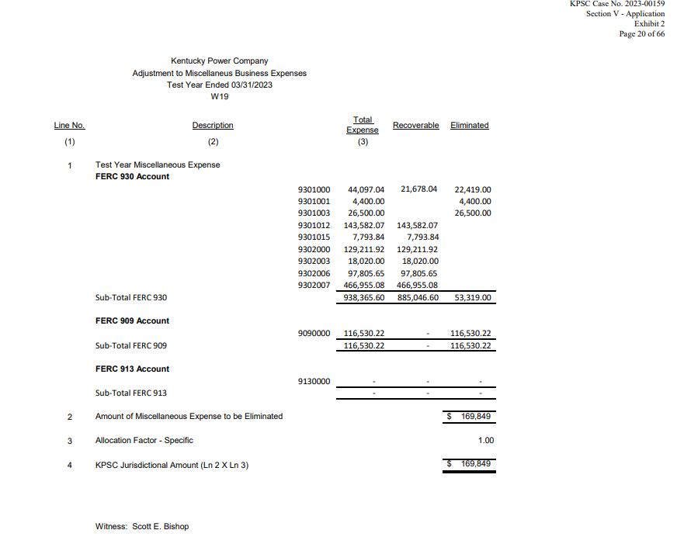
KPCO_R_KPSC_1_5_Attachment1
Tab 2 - Miscellaneous Business Expense & Advertising Expense
 |  | H | J = H - I | I = H * G
 |  | 12 Months Ended December 31, 2023 |  |  | G = F/A
Acct No. | Acct Description | Per Books | Estimated Recoverable | Estimated Non-Recoverable | % Non-Recoverable 2023-00159
9090000 | Information & Instruct Advrtis | 85,427 | - | 85,427 | 100%
9130000 | Advertising Expenses | - | - | 0 | N/A
9130001 | Advertising Exp - Residential | - | - | 0 | N/A
9301000 | General Advertising Expenses | 80,957 | 39,798 | 41,159 | 51%
9301001 | Newspaper Advertising Space | 10,001 | - | 10,001 | 100%
9301002 | Radio Station Advertising Time | - | - | 0 | N/A
9301003 | TV Station Advertising Time | 19,013 | - | 19,013 | 100%
9301010 | Publicity | 258 | - | 258 | 100%
9301012 | Public Opinion Surveys | 16,840 | 16,840 | 0 | 0%
9301014 | Video Communications | 50 | - | 50 | 100%
9301015 | Other Corporate Comm Exp | 7,629 | 7,629 | 0 | 0%
9302000 | Misc General Expenses | 226,212 | 226,212 | 0 | 0%
9302003 | Corporate & Fiscal Expenses | 38,595 | 38,595 | 0 | 0%
9302004 | Research, Develop&Demonstr Exp | 3,612 | - | 3,612 | 100%
9302006 | Assoc Bus Dev - Materials Sold | (19,129) | (19,129) | 0 | 0%
9302007 | Assoc Business Development Exp | 231,313 | 231,313 | 0 | 0%
 | Total | 700,777 | 541,259 | $159,519

Case No 2023-00159
Section V, Exhibit 2 - W19
 |  | A | B | C = A - B | D | E = B - D | F = C + D | G = F/A
Acct No. | Acct Description | Per Books Expense for Test Year | Requested by KPCo | Not Requested by KPCo | Removed by KPSC in Final Order | Allowed for Recovery | Not Recovered | % Non-Recoverable 2023-00159
9090000 | Information & Instruct Advrtis | 116,530 | 0 | 116,530 | - | - | 116,530 | 100%
9130000 | Advertising Expenses | 0 | 0 | 0 | - | - | - | N/A
9130001 | Advertising Exp - Residential | 0 | 0 | 0 | - | - | - | N/A
9301000 | General Advertising Expenses | 44,097 | 21,678 | 22,419 | - | 21,678 | 22,419 | 51%
9301001 | Newspaper Advertising Space | 4,400 | 0 | 4,400 | - | - | 4,400 | 100%
9301002 | Radio Station Advertising Time | 0 | 0 | 0 | - | - | - | N/A
9301003 | TV Station Advertising Time | 26,500 | 0 | 26,500 | - | - | 26,500 | 100%
9301010 | Publicity | 0 | 0 | 0 | - | - | - | N/A
9301012 | Public Opinion Surveys | 143,582 | 143,582 | 0 | - | 143,582 | - | 0%
9301014 | Video Communications | 0 | 0 | 0 | - | - | - | N/A
9301015 | Other Corporate Comm Exp | 7,794 | 7,794 | 0 | - | 7,794 | - | 0%
9302000 | Misc General Expenses | 129,212 | 129,212 | 0 | - | 129,212 | - | 0%
9302003 | Corporate & Fiscal Expenses | 18,020 | 18,020 | 0 | - | 18,020 | - | 0%
9302004 | Research, Develop&Demonstr Exp | 0 | 0 | 0 | - | - | - | N/A
9302006 | Assoc Bus Dev - Materials Sold | 97,806 | 97,806 | 0 | - | 97,806 | - | 0%
9302007 | Assoc Business Development Exp | 466,955 | 466,955 | 0 | - | 466,955 | - | 0%
 | Total | $1,054,896 | $885,047 | $169,849 | $- | $885,047 | $169,849

Tab 4
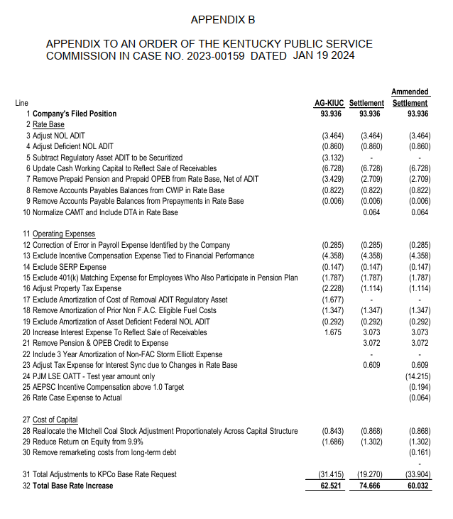
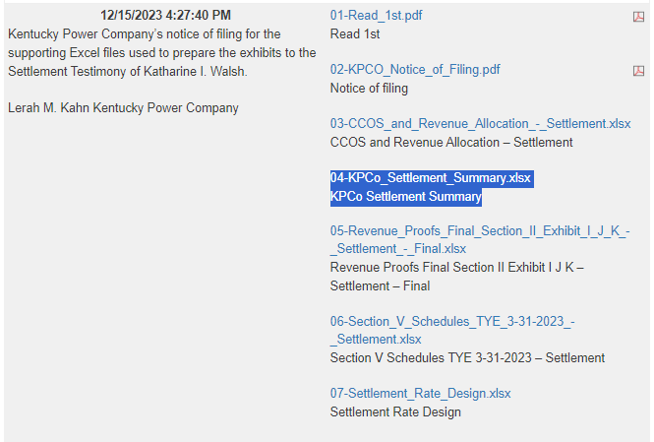
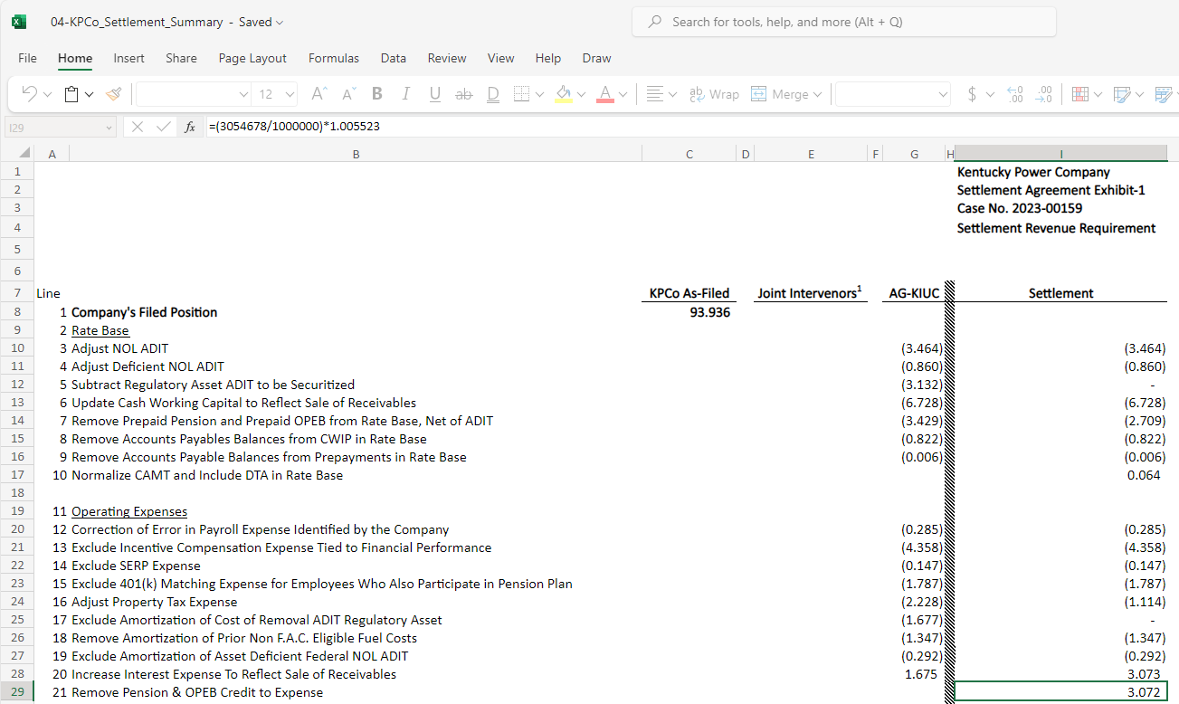
KPCO_R_KPSC_1_5_Attachment1
Tab 5 - Pension and OPEB

 |  | Kentucky Power Company
 | Description | 12 Months Ended December 31, 2023
 | Remove Pension & OPEB Credit to Expense from Rates (Amount per Appendix B to 2023-00159 Final Order & Uncontested Settlement is Based on Actuary Reports for 2023) | (3,071,549)

 | Link to KPCo Settlement Summary Workpaper |  | Link to KPCo Settlement Summary Workpaper

