Gas vs Solar Chart
Natural Gas Prices vs Rooftop Solar Costs
 | Henry Hub Spot Prices ($ per MCF) |  | NREL Rooftop Solar Costs ($ per KW)
Jan-1997 | $3.45 | 6/1/2010 | $8.70
Feb-1997 | $2.15 | 6/1/2011 | $7.66
Mar-1997 | $1.89 | 6/1/2012 | $5.40
Apr-1997 | $2.03 | 6/1/2013 | $4.73
May-1997 | $2.25 | 6/1/2014 | $4.17
Jun-1997 | $2.20 | 6/1/2015 | $3.89
Jul-1997 | $2.19 | 6/1/2016 | $3.65
Aug-1997 | $2.49 | 6/1/2017 | $3.40
Sep-1997 | $2.88 | 6/1/2018 | $3.22
Oct-1997 | $3.07 | 6/1/2019 | $3.21
Nov-1997 | $3.01 | 6/1/2020 | $3.13
Dec-1997 | $2.35 | 6/1/2021 | $3.03
Jan-1998 | $2.09 | 6/1/2022 | $3.16
Feb-1998 | $2.23
Mar-1998 | $2.24
Apr-1998 | $2.43
May-1998 | $2.14
Jun-1998 | $2.17
Jul-1998 | $2.17
Aug-1998 | $1.85
Sep-1998 | $2.02
Oct-1998 | $1.91
Nov-1998 | $2.12
Dec-1998 | $1.72
Jan-1999 | $1.85
Feb-1999 | $1.77
Mar-1999 | $1.79
Apr-1999 | $2.15
May-1999 | $2.26
Jun-1999 | $2.30
Jul-1999 | $2.31
Aug-1999 | $2.80
Sep-1999 | $2.55
Oct-1999 | $2.73
Nov-1999 | $2.37
Dec-1999 | $2.36
Jan-2000 | $2.42
Feb-2000 | $2.66
Mar-2000 | $2.79
Apr-2000 | $3.04
May-2000 | $3.59
Jun-2000 | $4.29
Jul-2000 | $3.99
Aug-2000 | $4.43
Sep-2000 | $5.06
Oct-2000 | $5.02
Nov-2000 | $5.52
Dec-2000 | $8.90
Jan-2001 | $8.17
Feb-2001 | $5.61
...

Solar cost
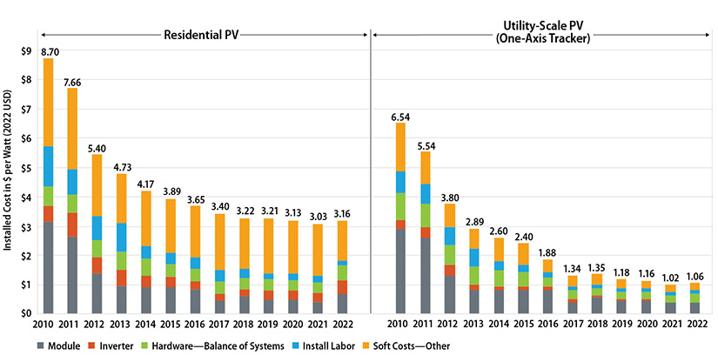

https://www.nrel.gov/solar/market-research-analysis/solar-installed-system-cost.html

 |  | DER PV $/watt
2010 | 2010-06-01 | $8.70
2011 | 2011-06-01 | $7.66
2012 | 2012-06-01 | $5.40
2013 | 2013-06-01 | $4.73
2014 | 2014-06-01 | $4.17
2015 | 2015-06-01 | $3.89
2016 | 2016-06-01 | $3.65
2017 | 2017-06-01 | $3.40
2018 | 2018-06-01 | $3.22
2019 | 2019-06-01 | $3.21
2020 | 2020-06-01 | $3.13
2021 | 2021-06-01 | $3.03
2022 | 2022-06-01 | $3.16

