Interest Expense Regulatory Ass

Line No. | Description | Amount | Reference
1 | Senior Unsecured Notes - Principal Amount | 40,000,000 | Application Section V, Workpaper S-3 Pg 2 of 4, Line 2
2 | Maturity Date | 2021-06-18 | Application Section V, Workpaper S-3 Pg 2 of 4, Line 2

3 | Actual Interest Rate | 7.319% | Application Section V, Workpaper S-3 Pg 2 of 4, Line 2
4 | Actual Annual Interest Expense | 2,927,597.46 | Application Section V, Workpaper S-3 Pg 2 of 4, Line 2

5 | KPSC Ordered Interest Rate in Authorized Capital Structure | 3.540% | February 22, 2021 order on rehearing, page 28
6 | Annual Interest Expense in Authorized Capital Structure | 1,416,000.00

7 | Annual Interest Expense Eligible for Deferral | 1,511,597.46
8 | Months in Year | 12
9 | Monthly Interest Expense Eligible for Deferral | 125,966.46
10 | GP-TOT Jurisdictional Allocation Factor | 0.985 | Application Section V, Workpaper S-3, Line 8
11 | Monthly Jurisdictional Interest Expense Eligible for Deferral | 124,076.96
12 | Annual Carrying Charge Rate | 3.890% | February 22, 2021 order on rehearing, page 28
13 | Monthly Carrying Charge Rate | 0.324%

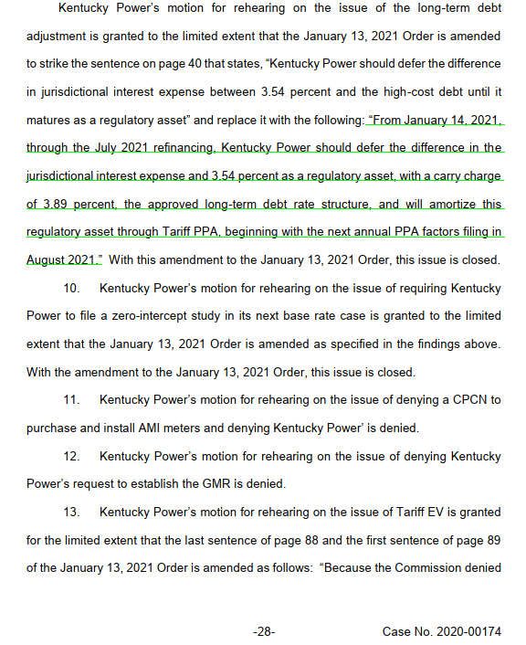
 |  |  |  | Deferral Period | Monthly Interest Expense to Defer | Cumulative Deferral Before Carrying Charge | Monthly Carrying Charge | Cumulative Deferral
 |  |  |  | January 14 - January 31 Deferral | 72,044.69 | 72,044.69 | 233.54 | 72,278.23
 |  |  |  | February 2021 Deferral | 124,076.96 | 196,355.19 | 636.52 | 196,991.71
 |  |  |  | March 2021 Deferral | 124,076.96 | 321,068.67 | 1,040.80 | 322,109.46
 |  |  |  | Total as of Q1 2021 | 320,198.60 |  | 1,910.86

 |  |  |  | Deferral Period | Monthly Interest Expense to Defer | Cumulative Deferral Before Carrying Charge | Monthly Carrying Charge | Cumulative Deferral
 |  |  |  | April 2021 Deferral | 124,076.96 | 446,186.42 | 1,446.39 | 447,632.81
 |  |  |  | May 2021 Deferral | 124,076.96 | 571,709.77 | 1,853.29 | 573,563.06
 |  |  |  | June 1 - June 18 Deferral | 74,446.18 | 648,009.24 | 2,100.63 | 650,109.87
 |  |  |  | Total for Q2 2021 | 322,600.09 |  | 5,400.31
 |  |  |  | Cumulative Total as of Q2 2021 | 642,798.69 |  | 7,311.17
 |  |  |  |  | a |  | b

 |  |  |  | Total Regulatory Asset | 650,109.87 | c = a + b
 |  |  |  | Monthly Amortization - Oct 21 - Sept 22 | 54,175.82 | d = c / 12-month amortization period

