KAWC Rates
Kentucky-American Water Company |  |  |  |  |  | Kentucky-American Water Company
Water Rate Schedule |  |  |  |  |  | Water Rate Schedule

 | Service Classification No. 1 |  |  |  |  | Universal Affordability
 | Monthly | Present Rate | Proposed Rate | % Increase |  | 5/8-METER Monthly |  | Proposed Discount
 | 5/8-METER | $15.00 | $18.00 | 20.00% |  |  | 0-50% FPL | $-
 | 3/4-METER | 22.40 | 26.88 | 20.00% |  |  | 50%-100% FPL | 0.00
 | 1-METER | 37.30 | 44.76 | 20.00%
 | 1.5-METER | 74.70 | 89.64 | 20.00%
 | 2-METER | 119.50 | 143.40 | 20.00%
 | 3-METER | 224.00 | 268.80 | 20.00%
 | 4-METER | 373.40 | 448.08 | 20.00%
 | 6-METER | 746.70 | 896.04 | 20.00%
 | 8-METER | 1,194.70 | 1,433.64 | 20.00%

 | All Usage | Present Rate | Proposed Rate (000 Gallons) | % Increase |  | All Usage | Residential | Proposed Rate
 | Residential | $5.75700 | $6.90201 | 19.89% |  |  | 0-50% FPL | $0.00000
 | Commercial | 5.20660 | 6.24214 | 19.89% |  |  | 50%-100% FPL | 0.00000
 | Industrial | 4.30500 | 5.16122 | 19.89%
 | Public Authority | 4.79600 | 5.74987 | 19.89%
 | Sales for Resale | 4.23600 | 5.07850 | 19.89%

 | Water Sold to Judy WA
 | First 70,000 Gal/day | $4.52000 | $5.07850 | 12.36%
 | Over 70,000 Gal/day | 4.62000 | $5.07850 | 9.92%

 | Special OWU Contract | $2.25000 | $2.25000 | 0.00%

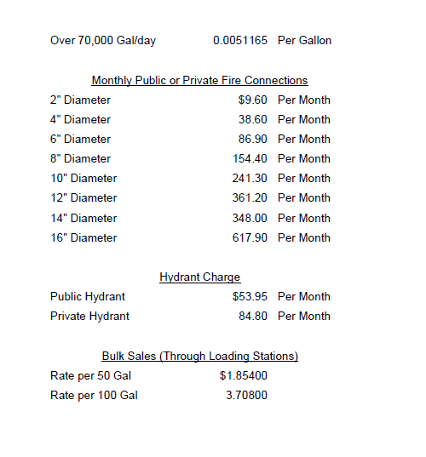
 | Service Classification No. 3
 | Size of Service | Rate Per Month | Proposed Rate | % Increase
 | 2" Diameter | $8.76 | $10.51 | 20.00%
 | 4" Diameter | 35.28 | 42.34 | 20.00%
 | 6" Diameter | 79.37 | 95.24 | 20.00%
 | 8" Diameter | 141.09 | 169.31 | 20.00%
 | 10" Diameter | 220.51 | 264.61 | 20.00%
 | 12" Diameter | 330.03 | 396.04 | 20.00%
 | 14" Diameter | 317.98 | 381.58 | 20.00%
 | 16" Diameter | 564.63 | 677.56 | 20.00%

 | Service Classification No. 4
 |  | Rate Per Month | Proposed Rate | % Increase
 | Public Hydrants | $48.70 | $58.44 | 20.00%
 | Private Hydrants | 76.57 | 91.88 | 20.00%

 | Bulk Sales through Loading Stations
 |  | Present Rate | Proposed Rate | % Increase
 | Rate per 50 Gal | $0.16740 | $0.20069 | 19.89%
 | Rate per 100 Gal | 0.33480 | 0.40139 | 19.89%

 | Other Fees & Charges

 | Tapping (Connection Fees)
 | Size of Meter Connected | Present Rate | Proposed Rate
 | 5/8-Inch | $1,223.00 | $1,223.00
 | 1-Inch | 2,174.00 | 2,174.00
 | 2-Inch | 4,002.00 | 4,002.00
 | Service > 2" | Actual Cost | Actual Cost

 | Reconnection Charge | $56.00 | $56.00
 | Insufficient Funds Charge | $12.00 | $12.00
 | Inspection of Service Line | $25.00 | $25.00
 | Activation Fee | $28.00 | $28.00
 | Late Payment Fee | 5.00% | 5.00% |  | % charge on all charges after due date

