2021 KPCo Forecast
Data Entry Area - This area will not print
Status: | Completed
Company: | Kentucky Power Company | Don't change the Forecast Year until you are ready to change other tabs, it is used throughout this workbook
Forecast Year: | 2023 |  | Years to Show Rate History: | 5
State: | Kentucky
STATE RECAP & WORKSHEET
ESTIMATED AD VALOREM TAX BUDGET
Kentucky Power Company
TY2023
Kentucky |  |  |  |  |  | Status: | Completed
State

Forecast notes:
-TY2018 assessment brought a much lower capitalization rate, creating upward pressure on the final assessed value.
-TY2019-upward cap rate pressure, combined with income increasing 25% and plant increasing over 2%, will likely cause the TY2019 assessment to be significantly higher than prior year. JAS 09/11/2019
-TY2020-not settled yet, assuming lower increase due to drop in income
 | 2023 | 2023 | Comments/Notes:
 | Forecast | Accrual
EXPENSE:
 | $18,691,708 | $1,557,642
CASH:
 | $19,175,298 | $1,597,941

Expense Forecast Estimate, Calculations & Notes

Year | State Final Assessment | % Change | State Taxes | Local Taxes | FRECo | Total Taxes | % Change
2014 | $1,320,000,000 |  | 3,833,133 | 7,525,404 | 5,949 | 11,364,486
2015 | $1,335,000,000 | 1.14% | 4,053,981 | 8,300,767 | 5,725 | 12,360,473 | 8.76%
2016 | $1,100,000,000 | -17.60% | 3,476,976 | 7,728,268 | 5,790 | 11,211,033 | -9.30%
2017 | $1,100,000,000 | 0.00% | 3,348,283 | 7,782,103 | 6,033 | 11,136,419 | -0.67%
2018 | $1,150,000,000 | 4.55% | 3,539,191 | 8,485,477 | 6,128 | 12,030,796 | 8.03%
2019 | $1,300,000,000 | 13.04% | 4,135,434 | 9,997,190 | 6,164 | 14,138,788 | 17.52%
2020 | $1,403,071,870 | 7.93% | 4,487,396 | 11,331,463 | 6,200 | 15,825,059 | 11.93%
2021 | $1,650,300,526 | 17.62% | 5,357,408 | 13,328,000 | 6,300 | 18,691,708 | 18.11%
2022 | $1,683,000,000 | 2.00% | 5,464,000 | 13,592,000 | 6,300 | 19,062,300 | 1.98%
2023 | $1,717,000,000 | 2.00% | 5,574,000 | 13,867,000 | 6,300 | 19,447,300 | 2.02%

 | Utility Taxes | Non-Utility | Leased PP | Total Taxes
TY2022 | 18,519,400 | 17,200 | 525,700 | 19,062,300 | 525.7
TY2023 | 18,862,000 | 17,500 | 567,800 | 19,447,300 | 567.8

 |  |  |  |  |  | Estimated Deferral for 2023:
 |  |  |  |  |  | Owned Deferral: | $18,862,000
 |  |  |  |  |  | Leased Deferral: | $567,800
 |  |  |  |  |  | Non-Utility Deferral: | $17,500
 |  |  |  |  |  | Total Owned Deferral: | $18,879,500
 |  |  |  |  |  | Sum: All Deferrals | $19,447,300

 |  |  |  |  |  | Expense Forecast Recap:
 |  |  |  |  |  | Forecast for Owned: | $18,188,008
 |  |  |  |  |  | Forecast for Leased: | $486,800
 |  |  |  |  |  | Forecast for Non-Util: | $16,900
 |  |  |  |  |  | Total Owned: | $18,204,908
 |  |  |  |  |  | Sum: All Expense | $18,691,708
Cash Forecast Estimate, Calculations and Notes
Based on TY2019 taxes paid, the following payment %'s will be applied for the 2021 cash forecast.
(See 'Historical Taxes Paid' tab) |  |  | Applied to

Feb 2023 | 70.65% | $13,467,515 | TY2022
Nov 2023 | 29.35% | $5,707,783 | TY2023
 |  | $19,175,298
Tax Payment Estimates for: 2023
Month / Year | Amount
January
February | $13,467,515
March
April
May
June |  | Rate History
July |  | Tax Year | Taxes Paid | Avg. Tax Rate | % Change | Signatures and Dates
August |  |  |  |  |  | Prepared by:
September |  |  |  |  | #DIV/0!
October |  |  |  |  | #DIV/0!
November | $5,707,783 |  |  |  | #DIV/0! | Approved by:
December
TOTAL | $19,175,298

https://aepenergy.sharepoint.com/sites/regsvcs/Regulatory Base Cases/Kentucky Power/2023-00159 Base Case/07 Discovery/AG-KIUC/Second Set/Attachments/[KPCO_R_AG_KIUC_2_5_Attachment2.xlsx]2021 KPCo Forecast

2019 Assessment
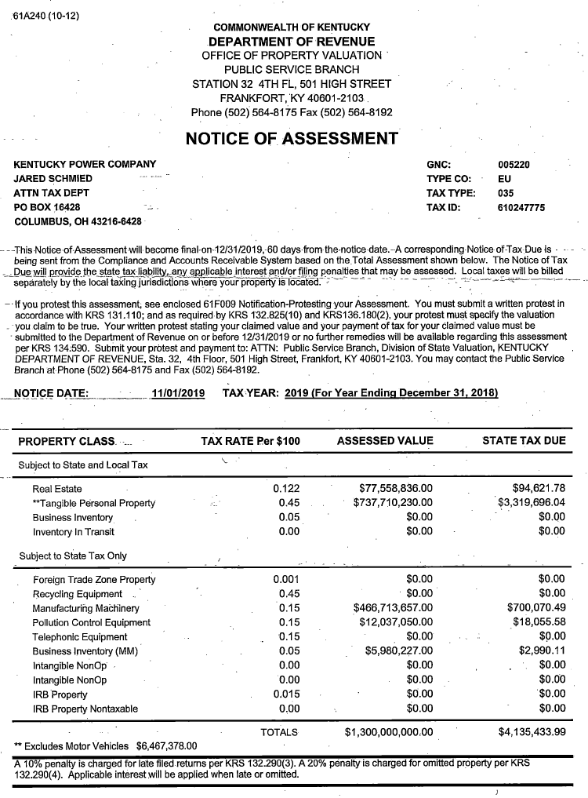

TY2021

Local Assessment
77,558,836
737,710,230
815,269,066

TY2021 Assessment
1,300,000,000

TY2021 State Tax
4,135,434

