W09_PG_5_of_5
Kentucky Power Company
W09-Remove Tariff P.P.A. Revenues and Non-Transmission Expenses Recovered Through Tariff P.P.A.
Rockport Deferral Carrying Charges and Amortization Schedule - Beginning Dec 9, 2022 (Case No. 2022-00283 Exhibit BKW-2)
For the Twelve Months Ended March 31, 2023

 |  |  |  |  |  |  |  |  |  |  | Exhibit BKW-2 (Errata)
 | WACC |  | 7.62% |  |  |  |  |  |  |  |  |  |  | Jan 2018 - Jan 13 2021 |  |  | Jan 14 2021 - Current
 | Monthly |  | 0.6350% |  |  |  |  |  |  |  |  |  |  | 7.88% | WACC |  | 7.62% | WACC
 | Monthly Payment |  | $1,128,292 |  |  |  |  |  |  |  |  |  |  | 4.12% | Debt |  | 3.83% | Debt
 | Retail Revenue Requirement |  | $13,539,510 |  |  |  |  |  |  |  |  |  |  | 3.76% | Equity |  | 3.79% | Equity
 |  |  |  |  |  |  |  |  |  |  |  |  |  | 0.6567% | Monthly WACC |  | 0.6350% | Monthly WACC

Line | Month | Additions | Levelized Payment | Calculated Change in RA | Month End Reg Asset Balance Excl. CC | ADIT on RA | ADIT Balance | Balance of Components Subject to WACC | Carrying Charges on Principal net of ADIT only | Carrying Charges on Total Reg Asset net of ADIT | Month End Reg Asset Balance
 |  |  |  |  | - |  | - | - |  |  | -
1 | Jan-18 | 524,194 |  | 524,194 | 524,194 | (110,081) | (110,081) | 414,113 |  |  | 524,194
2 | Feb-18 | 1,250,000 |  | 1,250,000 | 1,774,194 | (262,500) | (372,581) | 1,401,613 | 3,442 |  | 1,777,636
3 | Mar-18 | 1,250,000 |  | 1,250,000 | 3,024,194 | (262,500) | (635,081) | 2,389,113 | 9,204 |  | 3,036,840
4 | Apr-18 | 1,250,000 |  | 1,250,000 | 4,274,194 | (262,500) | (897,581) | 3,376,613 | 15,689 |  | 4,302,528
5 | May-18 | 1,250,000 |  | 1,250,000 | 5,524,194 | (262,500) | (1,160,081) | 4,364,113 | 22,173 |  | 5,574,701
6 | Jun-18 | 1,250,000 |  | 1,250,000 | 6,774,194 | (262,500) | (1,422,581) | 5,351,613 | 28,658 |  | 6,853,359
7 | Jul-18 | 1,250,000 |  | 1,250,000 | 8,024,194 | (262,500) | (1,685,081) | 6,339,113 | 35,142 |  | 8,138,501
8 | Aug-18 | 1,250,000 |  | 1,250,000 | 9,274,194 | (262,500) | (1,947,581) | 7,326,613 | 41,627 |  | 9,430,128
9 | Sep-18 | 1,250,000 |  | 1,250,000 | 10,524,194 | (262,500) | (2,210,081) | 8,314,113 | 48,111 |  | 10,728,239
10 | Oct-18 | 1,250,000 |  | 1,250,000 | 11,774,194 | (262,500) | (2,472,581) | 9,301,613 | 54,596 |  | 12,032,835
11 | Nov-18 | 1,250,000 |  | 1,250,000 | 13,024,194 | (262,500) | (2,735,081) | 10,289,113 | 61,081 |  | 13,343,916
12 | Dec-18 | 1,250,000 |  | 1,250,000 | 14,274,194 | (262,500) | (2,997,581) | 11,276,613 | 67,565 |  | 14,661,481
13 | Jan-19 | 1,250,000 |  | 1,250,000 | 15,524,194 | (262,500) | (3,260,081) | 12,264,113 | 74,050 |  | 15,985,531
14 | Feb-19 | 1,250,000 |  | 1,250,000 | 16,774,194 | (262,500) | (3,522,581) | 13,251,613 | 80,534 |  | 17,316,065
15 | Mar-19 | 1,250,000 |  | 1,250,000 | 18,024,194 | (262,500) | (3,785,081) | 14,239,113 | 87,019 |  | 18,653,084
16 | Apr-19 | 1,250,000 |  | 1,250,000 | 19,274,194 | (262,500) | (4,047,581) | 15,226,613 | 93,504 |  | 19,996,588
17 | May-19 | 1,250,000 |  | 1,250,000 | 20,524,194 | (262,500) | (4,310,081) | 16,214,113 | 99,988 |  | 21,346,576
18 | Jun-19 | 1,250,000 |  | 1,250,000 | 21,774,194 | (262,500) | (4,572,581) | 17,201,613 | 106,473 |  | 22,703,049
19 | Jul-19 | 1,250,000 |  | 1,250,000 | 23,024,194 | (262,500) | (4,835,081) | 18,189,113 | 112,957 |  | 24,066,006
20 | Aug-19 | 1,250,000 |  | 1,250,000 | 24,274,194 | (262,500) | (5,097,581) | 19,176,613 | 119,442 |  | 25,435,448
21 | Sep-19 | 1,250,000 |  | 1,250,000 | 25,524,194 | (262,500) | (5,360,081) | 20,164,113 | 125,926 |  | 26,811,374
22 | Oct-19 | 1,250,000 |  | 1,250,000 | 26,774,194 | (262,500) | (5,622,581) | 21,151,613 | 132,411 |  | 28,193,785
23 | Nov-19 | 1,250,000 |  | 1,250,000 | 28,024,194 | (262,500) | (5,885,081) | 22,139,113 | 138,896 |  | 29,582,681
24 | Dec-19 | 1,250,000 |  | 1,250,000 | 29,274,194 | (262,500) | (6,147,581) | 23,126,613 | 145,380 |  | 30,978,061
25 | Jan-20 | 833,333 |  | 833,333 | 30,107,527 | (175,000) | (6,322,581) | 23,784,946 | 151,865 |  | 31,963,259
26 | Feb-20 | 833,333 |  | 833,333 | 30,940,860 | (175,000) | (6,497,581) | 24,443,280 | 156,188 |  | 32,952,780
27 | Mar-20 | 833,333 |  | 833,333 | 31,774,194 | (175,000) | (6,672,581) | 25,101,613 | 160,511 |  | 33,946,624
28 | Apr-20 | 833,333 |  | 833,333 | 32,607,527 | (175,000) | (6,847,581) | 25,759,946 | 164,834 |  | 34,944,791
29 | May-20 | 833,333 |  | 833,333 | 33,440,860 | (175,000) | (7,022,581) | 26,418,280 | 169,157 |  | 35,947,282
30 | Jun-20 | 833,333 |  | 833,333 | 34,274,194 | (175,000) | (7,197,581) | 27,076,613 | 173,480 |  | 36,954,095
31 | Jul-20 | 833,333 |  | 833,333 | 35,107,527 | (175,000) | (7,372,581) | 27,734,946 | 177,803 |  | 37,965,232
32 | Aug-20 | 833,333 |  | 833,333 | 35,940,860 | (175,000) | (7,547,581) | 28,393,280 | 182,126 |  | 38,980,691
33 | Sep-20 | 833,333 |  | 833,333 | 36,774,194 | (175,000) | (7,722,581) | 29,051,613 | 186,449 |  | 40,000,474
34 | Oct-20 | 833,333 |  | 833,333 | 37,607,527 | (175,000) | (7,897,581) | 29,709,946 | 190,772 |  | 41,024,579
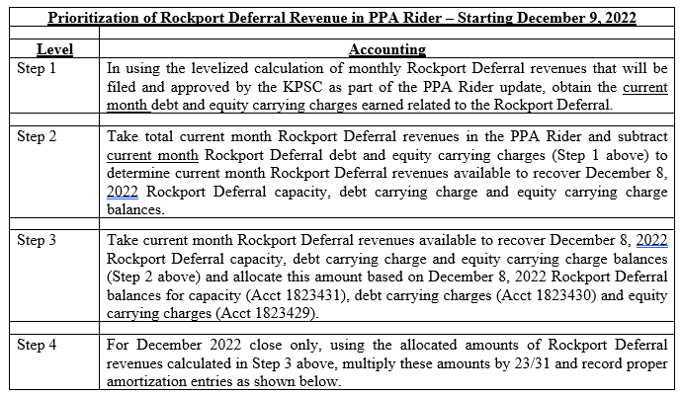
35 | Nov-20 | 833,333 |  | 833,333 | 38,440,860 | (175,000) | (8,072,581) | 30,368,280 | 195,095 |  | 42,053,008
36 | Dec-20 | 833,333 |  | 833,333 | 39,274,194 | (175,000) | (8,247,581) | 31,026,613 | 199,418 |  | 43,085,760
37 | January 2021 Prorate |  |  |  |  |  |  |  | 85,440 |  | 43,171,199
38 | January 2021 Prorate | 416,667 |  | 416,667 | 39,690,860 | (87,500) | (8,335,081) | 31,355,780 | 114,398 |  | 43,702,264
39 | Feb-21 | 416,667 |  | 416,667 | 40,107,527 | (87,500) | (8,422,581) | 31,684,946 | 199,109 |  | 44,318,040
40 | Mar-21 | 416,667 |  | 416,667 | 40,524,193 | (87,500) | (8,510,081) | 32,014,113 | 201,199 |  | 44,935,906
41 | Apr-21 | 416,667 |  | 416,667 | 40,940,860 | (87,500) | (8,597,581) | 32,343,280 | 203,290 |  | 45,555,862
42 | May-21 | 416,667 |  | 416,667 | 41,357,527 | (87,500) | (8,685,081) | 32,672,446 | 205,380 |  | 46,177,909
43 | Jun-21 | 416,667 |  | 416,667 | 41,774,193 | (87,500) | (8,772,581) | 33,001,613 | 207,470 |  | 46,802,046
44 | Jul-21 | 416,667 |  | 416,667 | 42,190,860 | (87,500) | (8,860,081) | 33,330,780 | 209,560 |  | 47,428,273
45 | Aug-21 | 416,667 |  | 416,667 | 42,607,527 | (87,500) | (8,947,581) | 33,659,946 | 211,650 |  | 48,056,590
46 | Sep-21 | 416,667 |  | 416,667 | 43,024,193 | (87,500) | (9,035,081) | 33,989,113 | 213,741 |  | 48,686,997
47 | Oct-21 | 416,667 |  | 416,667 | 43,440,860 | (87,500) | (9,122,581) | 34,318,279 | 215,831 |  | 49,319,494
48 | Nov-21 | 416,667 |  | 416,667 | 43,857,527 | (87,500) | (9,210,081) | 34,647,446 | 217,921 |  | 49,954,082
49 | Dec-21 | 416,667 |  | 416,667 | 44,274,193 | (87,500) | (9,297,581) | 34,976,613 | 220,011 |  | 50,590,760
50 | Jan-22 | 416,667 |  | 416,667 | 44,690,860 | (87,500) | (9,385,081) | 35,305,779 | 222,101 |  | 51,229,528
51 | Feb-22 | 416,667 |  | 416,667 | 45,107,527 | (87,500) | (9,472,581) | 35,634,946 | 224,192 |  | 51,870,387
52 | Mar-22 | 416,667 |  | 416,667 | 45,524,193 | (87,500) | (9,560,081) | 35,964,113 | 226,282 |  | 52,513,335
53 | Apr-22 | 416,667 |  | 416,667 | 45,940,860 | (87,500) | (9,647,581) | 36,293,279 | 228,372 |  | 53,158,374
54 | May-22 | 416,667 |  | 416,667 | 46,357,527 | (87,500) | (9,735,081) | 36,622,446 | 230,462 |  | 53,805,503
55 | Jun-22 | 416,667 |  | 416,667 | 46,774,193 | (87,500) | (9,822,581) | 36,951,613 | 232,553 |  | 54,454,722
56 | Jul-22 | 416,667 |  | 416,667 | 47,190,860 | (87,500) | (9,910,081) | 37,280,779 | 234,643 |  | 55,106,032
57 | Aug-22 | 416,667 |  | 416,667 | 47,607,527 | (87,500) | (9,997,581) | 37,609,946 | 236,733 |  | 55,759,431 |  |  |  |  |  | Balances as of December 8. 2022: | 48,965,053.57 | 4,571,195.91 | 4,366,698.70 | 57,902,948 | - | 48,965,053.57 | 8,937,894.61 | (4,366,698.70)
58 | Sep-22 | 416,667 |  | 416,667 | 48,024,193 | (87,500) | (10,085,081) | 37,939,113 | 238,823 |  | 56,414,921 |  |  |  |  |  |  | 84.6% | 7.9% | 7.5% | 100.0%
59 | Oct-22 | 416,667 |  | 416,667 | 48,440,860 | (87,500) | (10,172,581) | 38,268,279 | 240,913 |  | 57,072,501
60 | Nov-22 | 416,667 |  | 416,667 | 48,857,527 | (87,500) | (10,260,081) | 38,597,446 | 243,004 |  | 57,732,171 | Step 1 |  |  |  | Step 2 |  | Step 3 |  |  |  |  | Account Rollforward
61 | Dec 1 - Dec 8, 2022 | 107,527 |  | 107,527 | 48,965,054 | (22,581) | (10,282,661) | 38,682,392 | 63,250 |  | 57,902,948 | Debt | Equity | Total | Check |  |  | Principal | Debt | Equity | Total | Check | 1823431 | 1823430 | 1823429
62 | Dec 9 - Dec 31, 2022 |  | 837,120 | (837,120) |  | 127,151 | (10,155,510) | 47,134,671 |  | 224,353 | 57,290,181 | 112,765.35 | 111,587.65 | 224,353.00 | - | 612,767.22 |  | 518,180.52 | 48,375.41 | 46,211.29 | 612,767.22 | - | 48,446,873.05 | 8,843,307.91 | (4,320,487.41)
63 | Jan-23 |  | 1,128,292 | (1,128,292) |  | 171,378 | (9,984,132) | 46,477,061 |  | 299,305 | 56,461,194 | 150,438.16 | 148,867.00 | 299,305.16 | 0.00 | 828,987.31 |  | 701,024.89 | 65,445.09 | 62,517.33 | 828,987.31 | - | 47,745,848.16 | 8,715,345.49 | (4,257,970.08)
64 | Feb-23 |  | 1,128,292 | (1,128,292) |  | 171,378 | (9,812,755) | 45,815,276 |  | 295,129 | 55,628,031 | 148,339.29 | 146,790.05 | 295,129.34 | (0.00) | 833,163.13 |  | 704,556.13 | 65,774.75 | 62,832.25 | 833,163.13 | - | 47,041,292.03 | 8,586,738.50 | (4,195,137.83)
65 | Mar-23 |  | 1,128,292 | (1,128,292) |  | 171,378 | (9,641,377) | 45,149,288 |  | 290,927 | 54,790,665 | 146,227.09 | 144,699.91 | 290,927.00 | 0.00 | 837,365.47 |  | 708,109.80 | 66,106.51 | 63,149.16 | 837,365.47 | - | 46,333,182.23 | 8,457,482.83 | (4,131,988.67)
66 | Apr-23 |  | 1,128,292 | (1,128,292) |  | 171,378 | (9,469,999) | 44,479,071 |  | 286,698 | 53,949,071 | 144,101.48 | 142,596.50 | 286,697.98 | (0.00) | 841,594.49 |  | 711,686.03 | 66,440.37 | 63,468.09 | 841,594.49 | - | 45,621,496.21 | 8,327,574.37 | (4,068,520.58)
67 | May-23 |  | 1,128,292 | (1,128,292) |  | 171,378 | (9,298,622) | 43,804,599 |  | 282,442 | 53,103,220 | 141,962.37 | 140,479.73 | 282,442.10 | 0.00 | 845,850.37 |  | 715,284.97 | 66,776.35 | 63,789.04 | 845,850.37 | - | 44,906,211.24 | 8,197,008.97 | (4,004,731.54)
68 | Jun-23 |  | 1,128,292 | (1,128,292) |  | 171,378 | (9,127,244) | 43,125,843 |  | 278,159 | 52,253,087 | 139,809.68 | 138,349.52 | 278,159.20 | 0.00 | 850,133.27 |  | 718,906.76 | 67,114.47 | 64,112.03 | 850,133.27 | - | 44,187,304.48 | 8,065,782.47 | (3,940,619.50)
69 | Jul-23 |  | 1,128,292 | (1,128,292) |  | 171,378 | (8,955,866) | 42,442,777 |  | 273,849 | 51,398,644 | 137,643.32 | 136,205.79 | 273,849.11 | (0.01) | 854,443.36 |  | 722,551.55 | 67,454.73 | 64,437.08 | 854,443.36 | - | 43,464,752.93 | 7,933,890.65 | (3,876,182.43)
70 | Aug-23 |  | 1,128,292 | (1,128,292) |  | 171,378 | (8,784,489) | 41,755,374 |  | 269,512 | 50,539,863 | 135,463.20 | 134,048.44 | 269,511.64 | (0.00) | 858,780.83 |  | 726,219.48 | 67,797.16 | 64,764.18 | 858,780.83 | - | 42,738,533.45 | 7,801,329.31 | (3,811,418.24)
71 | Sep-23 |  | 1,128,292 | (1,128,292) |  | 171,378 | (8,613,111) | 41,063,606 |  | 265,147 | 49,676,717 | 133,269.24 | 131,877.39 | 265,146.63 | (0.00) | 863,145.84 |  | 729,910.71 | 68,141.76 | 65,093.37 | 863,145.84 | - | 42,008,622.73 | 7,668,094.19 | (3,746,324.88)
72 | Oct-23 |  | 1,128,292 | (1,128,292) |  | 171,378 | (8,441,733) | 40,367,445 |  | 260,754 | 48,809,178 | 131,061.34 | 129,692.56 | 260,753.90 | (0.00) | 867,538.57 |  | 733,625.38 | 68,488.55 | 65,424.64 | 867,538.57 | - | 41,274,997.35 | 7,534,181.00 | (3,680,900.24)
73 | Nov-23 |  | 1,128,292 | (1,128,292) |  | 171,378 | (8,270,355) | 39,666,864 |  | 256,333 | 47,937,219 | 128,839.43 | 127,493.85 | 256,333.28 | (0.00) | 871,959.19 |  | 737,363.63 | 68,837.54 | 65,758.02 | 871,959.19 | - | 40,537,633.72 | 7,399,585.45 | (3,615,142.22)
74 | Dec-23 |  | 1,128,292 | (1,128,292) |  | 171,378 | (8,098,978) | 38,961,833 |  | 251,885 | 47,060,811 | 126,603.41 | 125,281.18 | 251,884.59 | (0.01) | 876,407.88 |  | 741,125.62 | 69,188.74 | 66,093.51 | 876,407.88 | - | 39,796,508.09 | 7,264,303.20 | (3,549,048.71)
75 | Jan-24 |  | 1,128,292 | (1,128,292) |  | 171,378 | (7,927,600) | 38,252,326 |  | 247,408 | 46,179,926 | 124,353.19 | 123,054.46 | 247,407.65 | (0.01) | 880,884.82 |  | 744,911.50 | 69,542.18 | 66,431.14 | 880,884.82 | - | 39,051,596.59 | 7,128,329.88 | (3,482,617.57)
76 | Feb-24 |  | 1,128,292 | (1,128,292) |  | 171,378 | (7,756,222) | 37,538,314 |  | 242,902 | 45,294,536 | 122,088.67 | 120,813.60 | 242,902.27 | 0.00 | 885,390.20 |  | 748,721.43 | 69,897.86 | 66,770.90 | 885,390.20 | - | 38,302,875.16 | 6,991,661.12 | (3,415,846.67)
77 | Mar-24 |  | 1,128,292 | (1,128,292) |  | 171,378 | (7,584,845) | 36,819,767 |  | 238,368 | 44,404,612 | 119,809.78 | 118,558.51 | 238,368.29 | 0.00 | 889,924.18 |  | 752,555.55 | 70,255.80 | 67,112.83 | 889,924.18 | - | 37,550,319.61 | 6,854,292.50 | (3,348,733.84)
78 | Apr-24 |  | 1,128,292 | (1,128,292) |  | 171,378 | (7,413,467) | 36,096,658 |  | 233,806 | 43,510,125 | 117,516.42 | 116,289.10 | 233,805.52 | 0.00 | 894,486.95 |  | 756,414.01 | 70,616.01 | 67,456.93 | 894,486.95 | - | 36,793,905.60 | 6,716,219.56 | (3,281,276.91)
79 | May-24 |  | 1,128,292 | (1,128,292) |  | 171,378 | (7,242,089) | 35,368,957 |  | 229,214 | 42,611,046 | 115,208.50 | 114,005.28 | 229,213.78 | (0.00) | 899,078.69 |  | 760,296.97 | 70,978.51 | 67,803.21 | 899,078.69 | - | 36,033,608.62 | 6,577,437.84 | (3,213,473.70)
80 | Jun-24 |  | 1,128,292 | (1,128,292) |  | 171,378 | (7,070,712) | 34,636,635 |  | 224,593 | 41,707,347 | 112,885.92 | 111,706.96 | 224,592.88 | (0.00) | 903,699.59 |  | 764,204.59 | 71,343.31 | 68,151.69 | 903,699.59 | - | 35,269,404.04 | 6,437,942.84 | (3,145,322.01)
81 | Jul-24 |  | 1,128,292 | (1,128,292) |  | 171,378 | (6,899,334) | 33,899,663 |  | 219,943 | 40,798,997 | 110,548.59 | 109,394.04 | 219,942.63 | 0.00 | 908,349.84 |  | 768,137.03 | 71,710.43 | 68,502.39 | 908,349.84 | - | 34,501,267.01 | 6,297,730.03 | (3,076,819.63)
82 | Aug-24 |  | 1,128,292 | (1,128,292) |  | 171,378 | (6,727,956) | 33,158,011 |  | 215,263 | 39,885,967 | 108,196.42 | 107,066.44 | 215,262.86 | 0.00 | 913,029.61 |  | 772,094.43 | 72,079.87 | 68,855.31 | 913,029.61 | - | 33,729,172.58 | 6,156,794.85 | (3,007,964.32)
83 | Sep-24 |  | 1,128,292 | (1,128,292) |  | 171,378 | (6,556,579) | 32,411,650 |  | 210,553 | 38,968,228 | 105,829.32 | 104,724.05 | 210,553.37 | 0.00 | 917,739.10 |  | 776,076.96 | 72,451.67 | 69,210.47 | 917,739.10 | - | 32,953,095.62 | 6,015,132.72 | (2,938,753.85)
84 | Oct-24 |  | 1,128,292 | (1,128,292) |  | 171,378 | (6,385,201) | 31,660,549 |  | 205,814 | 38,045,750 | 103,447.18 | 102,366.79 | 205,813.97 | 0.01 | 922,478.50 |  | 780,084.79 | 72,825.82 | 69,567.89 | 922,478.50 | - | 32,173,010.84 | 5,872,739.01 | (2,869,185.97)
85 | Nov-24 |  | 1,128,292 | (1,128,292) |  | 171,378 | (6,213,823) | 30,904,679 |  | 201,044 | 37,118,502 | 101,049.92 | 99,994.57 | 201,044.49 | (0.00) | 927,247.98 |  | 784,118.05 | 73,202.35 | 69,927.57 | 927,247.98 | - | 31,388,892.78 | 5,729,609.08 | (2,799,258.40)
86 | Dec-24 |  | 1,128,292 | (1,128,292) |  | 171,378 | (6,042,446) | 30,144,009 |  | 196,245 | 36,186,454 | 98,637.43 | 97,607.28 | 196,244.71 | (0.00) | 932,047.76 |  | 788,176.94 | 73,581.28 | 70,289.54 | 932,047.76 | - | 30,600,715.85 | 5,585,738.26 | (2,728,968.85)
87 | Jan-25 |  | 1,128,292 | (1,128,292) |  | 171,378 | (5,871,068) | 29,378,508 |  | 191,414 | 35,249,576 | 96,209.63 | 95,204.83 | 191,414.46 | (0.01) | 936,878.01 |  | 792,261.59 | 73,962.61 | 70,653.81 | 936,878.01 | - | 29,808,454.26 | 5,441,121.85 | (2,658,315.04)
88 | Feb-25 |  | 1,128,292 | (1,128,292) |  | 171,378 | (5,699,690) | 28,608,147 |  | 186,554 | 34,307,837 | 93,766.41 | 92,787.12 | 186,553.53 | (0.00) | 941,738.94 |  | 796,372.19 | 74,346.36 | 71,020.39 | 941,738.94 | - | 29,012,082.07 | 5,295,755.10 | (2,587,294.65)
89 | Mar-25 |  | 1,128,292 | (1,128,292) |  | 171,378 | (5,528,312) | 27,832,894 |  | 181,662 | 33,361,206 | 91,307.67 | 90,354.06 | 181,661.73 | 0.00 | 946,630.74 |  | 800,508.89 | 74,732.54 | 71,389.30 | 946,630.74 | - | 28,211,573.18 | 5,149,633.25 | (2,515,905.34)
90 | Apr-25 |  | 1,128,292 | (1,128,292) |  | 171,378 | (5,356,935) | 27,052,718 |  | 176,739 | 32,409,653 | 88,833.32 | 87,905.56 | 176,738.88 | (0.00) | 951,553.59 |  | 804,671.85 | 75,121.18 | 71,760.56 | 951,553.59 | - | 27,406,901.33 | 5,002,751.51 | (2,444,144.79)
91 | May-25 |  | 1,128,292 | (1,128,292) |  | 171,378 | (5,185,557) | 26,267,588 |  | 171,785 | 31,453,145 | 86,343.26 | 85,441.50 | 171,784.76 | (0.00) | 956,507.71 |  | 808,861.25 | 75,512.29 | 72,134.17 | 956,507.71 | - | 26,598,040.08 | 4,855,105.05 | (2,372,010.62)
92 | Jun-25 |  | 1,128,292 | (1,128,292) |  | 171,378 | (5,014,179) | 25,477,472 |  | 166,799 | 30,491,652 | 83,837.38 | 82,961.80 | 166,799.18 | 0.00 | 961,493.29 |  | 813,077.26 | 75,905.88 | 72,510.15 | 961,493.29 | - | 25,784,962.82 | 4,706,689.02 | (2,299,500.47)
93 | Jul-25 |  | 1,128,292 | (1,128,292) |  | 171,378 | (4,842,802) | 24,682,340 |  | 161,782 | 29,525,141 | 81,315.60 | 80,466.35 | 161,781.95 | (0.00) | 966,510.52 |  | 817,320.03 | 76,301.97 | 72,888.52 | 966,510.52 | - | 24,967,642.80 | 4,557,498.54 | (2,226,611.95)
94 | Aug-25 |  | 1,128,292 | (1,128,292) |  | 171,378 | (4,671,424) | 23,882,158 |  | 156,733 | 28,553,582 | 78,777.80 | 77,955.06 | 156,732.86 | (0.00) | 971,559.61 |  | 821,589.74 | 76,700.57 | 73,269.29 | 971,559.61 | - | 24,146,053.06 | 4,407,528.67 | (2,153,342.66)
95 | Sep-25 |  | 1,128,292 | (1,128,292) |  | 171,378 | (4,500,046) | 23,076,895 |  | 151,652 | 27,576,941 | 76,223.89 | 75,427.81 | 151,651.70 | 0.00 | 976,640.77 |  | 825,886.57 | 77,101.71 | 73,652.48 | 976,640.77 | - | 23,320,166.48 | 4,256,774.48 | (2,079,690.17)
96 | Oct-25 |  | 1,128,292 | (1,128,292) |  | 171,378 | (4,328,669) | 22,266,518 |  | 146,538 | 26,595,187 | 73,653.76 | 72,884.53 | 146,538.29 | (0.01) | 981,754.18 |  | 830,210.68 | 77,505.39 | 74,038.11 | 981,754.18 | - | 22,489,955.80 | 4,105,230.98 | (2,005,652.06)
97 | Nov-25 |  | 1,128,292 | (1,128,292) |  | 171,378 | (4,157,291) | 21,450,996 |  | 141,392 | 25,608,287 | 71,067.30 | 70,325.09 | 141,392.39 | (0.00) | 986,900.08 |  | 834,562.26 | 77,911.64 | 74,426.18 | 986,900.08 | - | 21,655,393.55 | 3,952,893.16 | (1,931,225.88)
98 | Dec-25 |  | 1,128,292 | (1,128,292) |  | 171,378 | (3,985,913) | 20,630,295 |  | 136,214 | 24,616,208 | 68,464.43 | 67,749.39 | 136,213.82 | 0.00 | 992,078.65 |  | 838,941.46 | 78,320.47 | 74,816.72 | 992,078.65 | - | 20,816,452.08 | 3,799,755.98 | (1,856,409.17)
99 | Jan-26 |  | 1,128,292 | (1,128,292) |  | 171,378 | (3,814,536) | 19,804,382 |  | 131,002 | 23,618,918 | 65,845.02 | 65,157.35 | 131,002.37 | 0.00 | 997,290.10 |  | 843,348.47 | 78,731.89 | 75,209.73 | 997,290.10 | - | 19,973,103.61 | 3,645,814.35 | (1,781,199.43)
100 | Feb-26 |  | 1,128,292 | (1,128,292) |  | 171,378 | (3,643,158) | 18,973,225 |  | 125,758 | 22,616,383 | 63,208.99 | 62,548.84 | 125,757.83 | (0.00) | 1,002,534.64 |  | 847,783.47 | 79,145.92 | 75,605.25 | 1,002,534.64 | - | 19,125,320.14 | 3,491,063.18 | (1,705,594.18)
101 | Mar-26 |  | 1,128,292 | (1,128,292) |  | 171,378 | (3,471,780) | 18,136,791 |  | 120,480 | 21,608,571 | 60,556.21 | 59,923.77 | 120,479.98 | 0.00 | 1,007,812.49 |  | 852,246.63 | 79,562.59 | 76,003.27 | 1,007,812.49 | - | 18,273,073.51 | 3,335,497.33 | (1,629,590.91)
102 | Apr-26 |  | 1,128,292 | (1,128,292) |  | 171,378 | (3,300,403) | 17,295,044 |  | 115,169 | 20,595,447 | 57,886.59 | 57,282.03 | 115,168.62 | (0.00) | 1,013,123.85 |  | 856,738.13 | 79,981.90 | 76,403.82 | 1,013,123.85 | - | 17,416,335.38 | 3,179,111.61 | (1,553,187.09)
103 | May-26 |  | 1,128,292 | (1,128,292) |  | 171,378 | (3,129,025) | 16,447,953 |  | 109,824 | 19,576,978 | 55,200.02 | 54,623.52 | 109,823.54 | (0.01) | 1,018,468.93 |  | 861,258.14 | 80,403.87 | 76,806.92 | 1,018,468.93 | - | 16,555,077.24 | 3,021,900.82 | (1,476,380.17)
104 | Jun-26 |  | 1,128,292 | (1,128,292) |  | 171,378 | (2,957,647) | 15,595,483 |  | 104,445 | 18,553,130 | 52,496.38 | 51,948.12 | 104,444.50 | 0.00 | 1,023,847.97 |  | 865,806.87 | 80,828.52 | 77,212.57 | 1,023,847.97 | - | 15,689,270.37 | 2,863,859.73 | (1,399,167.60)
105 | Jul-26 |  | 1,128,292 | (1,128,292) |  | 171,378 | (2,786,269) | 14,737,599 |  | 99,031 | 17,523,869 | 49,775.58 | 49,255.73 | 99,031.31 | 0.01 | 1,029,261.16 |  | 870,384.48 | 81,255.87 | 77,620.80 | 1,029,261.16 | - | 14,818,885.88 | 2,704,983.06 | (1,321,546.80)
106 | Aug-26 |  | 1,128,292 | (1,128,292) |  | 171,378 | (2,614,892) | 13,874,268 |  | 93,584 | 16,489,160 | 47,037.50 | 46,546.25 | 93,583.75 | 0.01 | 1,034,708.72 |  | 874,991.16 | 81,685.93 | 78,031.63 | 1,034,708.72 | - | 13,943,894.73 | 2,545,265.50 | (1,243,515.17)
107 | Sep-26 |  | 1,128,292 | (1,128,292) |  | 171,378 | (2,443,514) | 13,005,455 |  | 88,102 | 15,448,969 | 44,282.04 | 43,819.56 | 88,101.60 | 0.00 | 1,040,190.87 |  | 879,627.08 | 82,118.72 | 78,445.06 | 1,040,190.87 | - | 13,064,267.64 | 2,384,701.72 | (1,165,070.11)
108 | Oct-26 |  | 1,128,292 | (1,128,292) |  | 171,378 | (2,272,136) | 12,131,125 |  | 82,585 | 14,403,262 | 41,509.08 | 41,075.56 | 82,584.64 | 0.00 | 1,045,707.83 |  | 884,292.45 | 82,554.27 | 78,861.11 | 1,045,707.83 | - | 12,179,975.19 | 2,223,286.34 | (1,086,209.00)
109 | Nov-26 |  | 1,128,292 | (1,128,292) |  | 171,378 | (2,100,759) | 11,251,243 |  | 77,033 | 13,352,002 | 38,718.51 | 38,314.14 | 77,032.65 | (0.01) | 1,051,259.82 |  | 888,987.43 | 82,992.57 | 79,279.81 | 1,051,259.82 | - | 11,290,987.76 | 2,061,013.95 | (1,006,929.19)
110 | Dec-26 |  | 1,128,292 | (1,128,292) |  | 171,378 | (1,929,381) | 10,365,774 |  | 71,445 | 12,295,155 | 35,910.22 | 35,535.18 | 71,445.40 | (0.01) | 1,056,847.07 |  | 893,712.24 | 83,433.66 | 79,701.17 | 1,056,847.07 | - | 10,397,275.52 | 1,897,879.12 | (927,228.02)
111 | Jan-27 |  | 1,128,292 | (1,128,292) |  | 171,378 | (1,758,003) | 9,474,681 |  | 65,823 | 11,232,685 | 33,084.09 | 32,738.57 | 65,822.66 | 0.00 | 1,062,469.81 |  | 898,467.05 | 83,877.55 | 80,125.20 | 1,062,469.81 | - | 9,498,808.48 | 1,733,876.36 | (847,102.81)
112 | Feb-27 |  | 1,128,292 | (1,128,292) |  | 171,378 | (1,586,626) | 8,577,931 |  | 60,164 | 10,164,557 | 30,240.02 | 29,924.20 | 60,164.22 | 0.01 | 1,068,128.25 |  | 903,252.05 | 84,324.26 | 80,551.93 | 1,068,128.25 | - | 8,595,556.42 | 1,569,000.17 | (766,550.88)
113 | Mar-27 |  | 1,128,292 | (1,128,292) |  | 171,378 | (1,415,248) | 7,675,486 |  | 54,470 | 9,090,734 | 27,377.90 | 27,091.97 | 54,469.87 | (0.01) | 1,073,822.60 |  | 908,067.42 | 84,773.81 | 80,981.36 | 1,073,822.60 | - | 7,687,489.00 | 1,403,245.00 | (685,569.52)
114 | Apr-27 |  | 1,128,292 | (1,128,292) |  | 171,378 | (1,243,870) | 6,767,311 |  | 48,739 | 8,011,181 | 24,497.59 | 24,241.74 | 48,739.33 | 0.01 | 1,079,553.14 |  | 912,913.40 | 85,226.21 | 81,413.53 | 1,079,553.14 | - | 6,774,575.60 | 1,236,605.26 | (604,155.99)
115 | May-27 |  | 1,128,292 | (1,128,292) |  | 171,378 | (1,072,493) | 5,853,368 |  | 42,972 | 6,925,861 | 21,599.00 | 21,373.42 | 42,972.42 | 0.00 | 1,085,320.05 |  | 917,790.13 | 85,681.48 | 81,848.43 | 1,085,320.05 | - | 5,856,785.47 | 1,069,075.34 | (522,307.56)
116 | Jun-27 |  | 1,128,292 | (1,128,292) |  | 171,378 | (901,115) | 4,933,622 |  | 37,169 | 5,834,737 | 18,682.00 | 18,486.89 | 37,168.89 | (0.00) | 1,091,123.58 |  | 922,697.83 | 86,139.65 | 82,286.10 | 1,091,123.58 | - | 4,934,087.65 | 900,649.59 | (440,021.45)
117 | Jul-27 |  | 1,128,292 | (1,128,292) |  | 171,378 | (729,737) | 4,008,036 |  | 31,329 | 4,737,773 | 15,746.48 | 15,582.02 | 31,328.50 | 0.00 | 1,096,963.97 |  | 927,636.69 | 86,600.72 | 82,726.55 | 1,096,963.97 | - | 4,006,450.95 | 731,322.32 | (357,294.91)
118 | Aug-27 |  | 1,128,292 | (1,128,292) |  | 171,378 | (558,360) | 3,076,572 |  | 25,451 | 3,634,932 | 12,792.31 | 12,658.71 | 25,451.02 | 0.01 | 1,102,841.45 |  | 932,606.93 | 87,064.73 | 83,169.79 | 1,102,841.45 | - | 3,073,844.03 | 561,087.80 | (274,125.11)
119 | Sep-27 |  | 1,128,292 | (1,128,292) |  | 171,378 | (386,982) | 2,139,194 |  | 19,536 | 2,526,176 | 9,819.39 | 9,716.84 | 19,536.23 | 0.00 | 1,108,756.24 |  | 937,608.71 | 87,531.67 | 83,615.85 | 1,108,756.24 | - | 2,136,235.32 | 389,940.27 | (190,509.26)
120 | Oct-27 |  | 1,128,292 | (1,128,292) |  | 171,378 | (215,604) | 1,195,863 |  | 13,584 | 1,411,467 | 6,827.59 | 6,756.29 | 13,583.88 | (0.00) | 1,114,708.59 |  | 942,642.26 | 88,001.59 | 84,064.74 | 1,114,708.59 | - | 1,193,593.06 | 217,873.94 | (106,444.51)
121 | Nov-27 |  | 1,128,292 | (1,128,292) |  | 171,378 | (44,226) | 246,542 |  | 7,594 | 290,768 | 3,816.80 | 3,776.93 | 7,593.73 | (0.00) | 1,120,698.74 |  | 947,707.77 | 88,474.48 | 84,516.49 | 1,120,698.74 | - | 245,885.30 | 44,882.97 | (21,928.03)
122 | Dec 1 - Dec 8, 2027 |  | 291,172 | (291,172) |  | 44,226 | 0 | (0) |  | 404 | (0) | 203.07 | 200.94 | 404.01 | 0.00 | 290,768.26 |  | 245,885.29 | 22,954.94 | 21,928.03 | 290,768.26 | - | 0.00 | 0.00 | (0.00)
 | Totals | 48,965,054 | 67,697,548 | (18,732,494) |  | 0 |  |  | 8,937,895 | 9,794,600 |  | 4,923,007.53 | 4,871,592.32 | 9,794,599.85 |  | 57,902,948.18 |  | 48,965,053.57 | 4,571,195.91 | 4,366,698.70 | 57,902,948.18

 | Witness: | H.M. Whitney

W22_PG_4_of_6
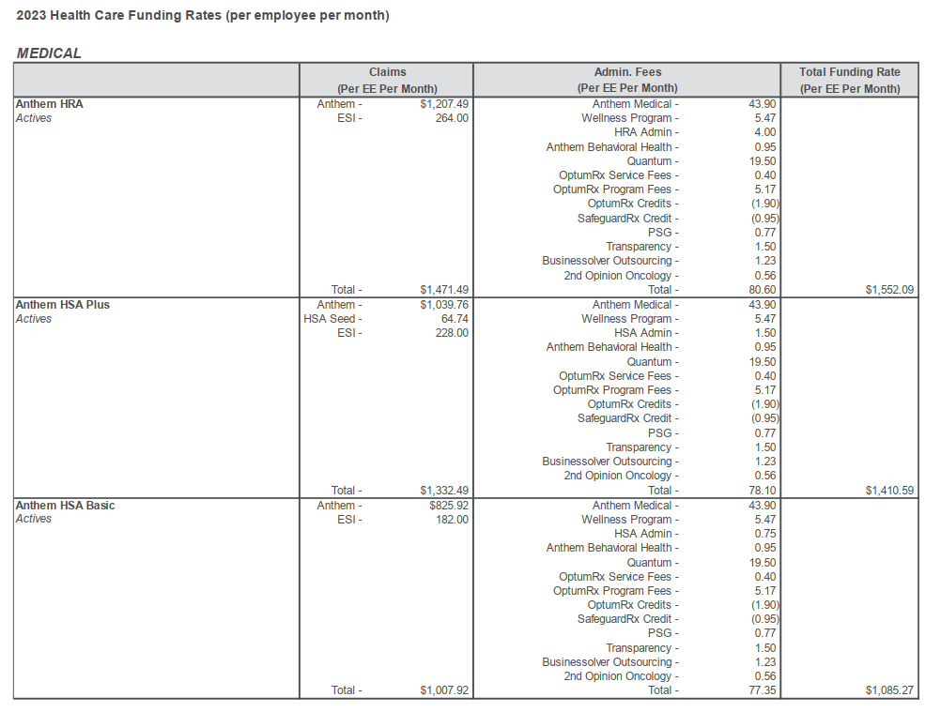
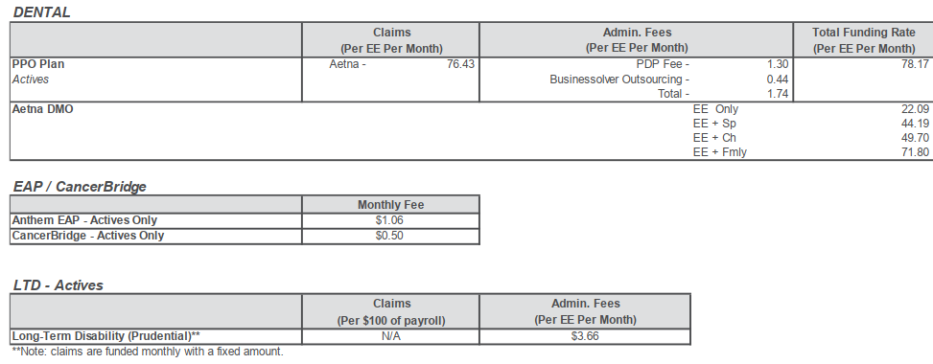
Kentucky Power Company
W22-Adjust Employee Related Group Benefit Expense
Health Care Funding Rates
For the Twelve Months Ended March 31, 2023

