Kollen WP - Incentive Comp
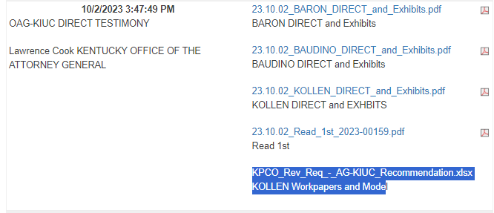
Kentucky Power Company |  |  |  | Link: | KPCO_Rev_Req_-_AG-KIUC_Recommendation.xlsx (live.com)
AG-KIUC Recommendation to Remove Incentive Compensation Tied to Financial Performance
Case No. 2023-00159
For the Test Year Ended March 31, 2020
($ Millions)

LTIP
Incentive Compensation-LTIP-PSI for Financial Metrics Incurred by KPCo FERC Accounts 500-935 (1.0 Target) | 0.134 |  | AG-KIUC 1-36 Att 1 Shows Breakdown by Metric
(Shown on W27)
Less: AEP Strategic Goal Portion - AG-KIUC 1-36 Attachment 1 | (0.013) |  | AG-KIUC 1-36 Att 1 Shows Breakdown by Metric
Incentive Compensation-LTIP-PSI Allocated by AEPSC for Financial Metrics to KPCo FERC Accounts 500-935 | 0.970 |  | AG-KIUC 1-36 Att 2 Shows Breakdown by Metric
Less: AEP Strategic Goal Portion - AG-KIUC 1-36 Attachment 2 | (0.097) |  | AG-KIUC 1-36 Att 2 Shows Breakdown by Metric

Total LTIP-PSI Incentive Compensation in FERC Accounts 500-935 For Financial Metrics |  | 0.994

Incentive Compensation-LTIP-RSUs Incurred by KPCo FERC Accounts 500-935 | 0.048 |  | AG-KIUC 1-38
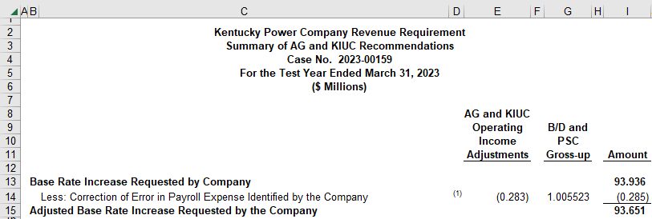
Incentive Compensation-LTIP-RSUs Allocated by AEPSC to KPCo FERC Accounts 500-935 | 0.387 |  | AG-KIUC 1-36 Att 2 Shows Breakdown by Plan - Removed AEP Strategic Goal

Total LTIP-PSI Incentive Compensation in FERC Accounts 500-935 For Financial Metrics |  | 0.436

Remove Total LTIP Incentive Compensation in FERC Accounts 500-935 - Tied to |  | (1.430)
Financial Performance - Total Company

KY Jurisdictional Allocation Factor - O&M Labor |  | 99.10% | W27

Remove Total LTIP Incentive Compensation in FERC Accounts 500-935 - Tied to |  | (1.417)
Financial Performance - KY Jurisdiction

ICP
Incentive Compensation-Annual Incentive Plan (ICP) Shown on W27 for KPCo Employees (1.0 Target) | 1.863 |  | W27
Incentive Compensation-Annual Incentive Plan (ICP) Allocated by AEPSC | 3.043 |  | AG-KIUC 1-35 Att 1 Shows Breakdown by Plan
Total ICP Incentive Compensation in FERC Accounts 500-935 Included in Test Year |  | 4.905

Funding Percentage Tied to Earnings Per Share |  | 60% | Carlin Testimony at 36 and Confirmed in Plan Doc - AG-KIUC 1-34 (CONFIDENTIAL)

Remove Total ICP Incentive Compensation Expense Tied to Financial Peformance - Total Company |  | (2.943)

KY Jurisdictional Allocation Factor - O&M Labor |  | 99.10% | W27

Remove Total ICP Incentive Compensation Tied to Financial Performance - KY Jurisdiction |  | (2.917)

Settlement Agreement Ex. 1
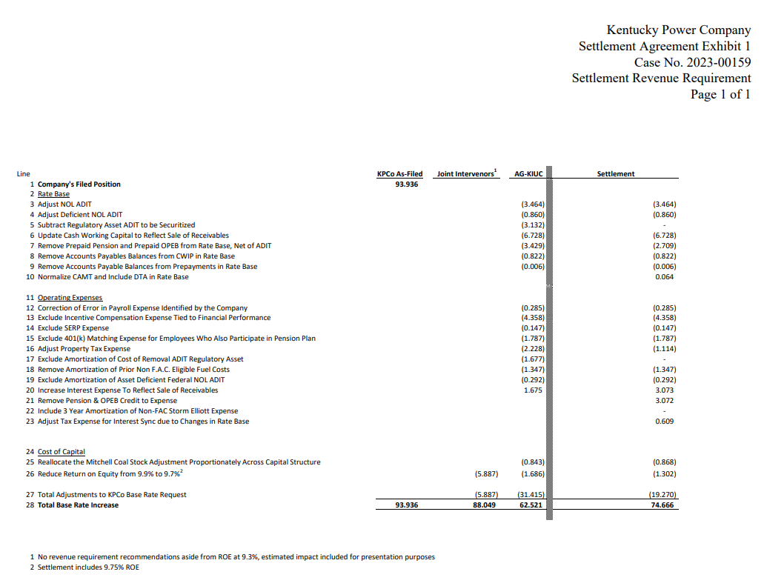
Link: | 02-KPCO_Notice_of_Filing_Corrected_Settlement_Agreement.pdf (ky.gov)

