2023-00137 October 16 2023
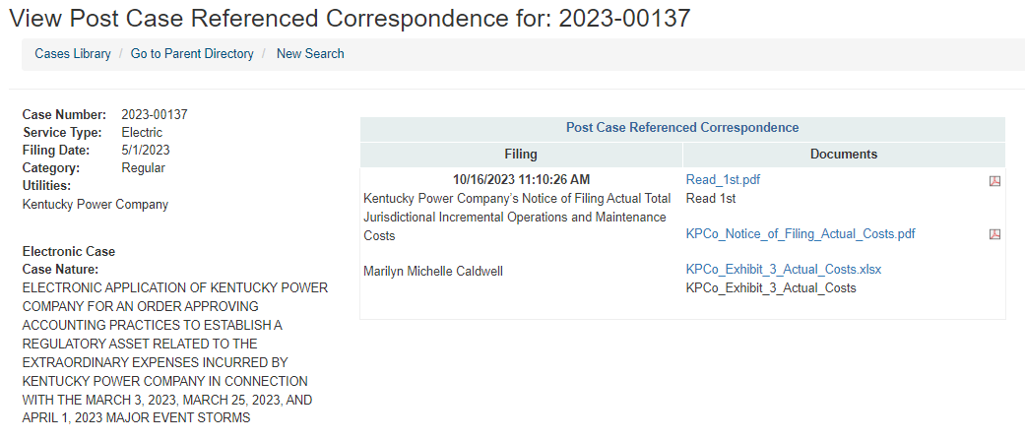
 |  |  |  |  |  | Link: | KPCo_Exhibit_3_Actual_Costs.xlsx (live.com)
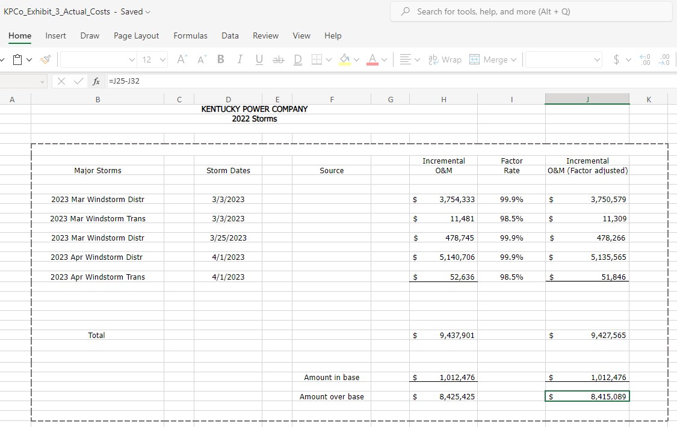
 |  |  | Incremental | Factor | Incremental
Major Storms | Storm Dates | Source | O&M | Rate | O&M (Factor adjusted)

2023 Mar Windstorm Distr | 2023-03-03 |  | $3,754,333 | 99.90% | $3,750,579

2023 Mar Windstorm Trans | 2023-03-03 |  | $11,481 | 98.50% | $11,309

2023 Mar Windstorm Distr | 2023-03-25 |  | $478,745 | 99.90% | $478,266

2023 Apr Windstorm Distr | 2023-04-01 |  | $5,140,706 | 99.90% | $5,135,565

2023 Apr Windstorm Trans | 2023-04-01 |  | $52,636 | 98.50% | $51,846

Total |  |  | $9,437,901 |  | $9,427,565

 |  | Amount in base | $1,012,476 |  | $1,012,476

 |  | Amount over base | $8,425,425 |  | $8,415,089

