2023
Kentucky Power Company
Annualization of Kentucky Public Service Commission
Maintenance Assessment to Reflect Going Level Assessment Fee
Test Year Ended 03/31/2023

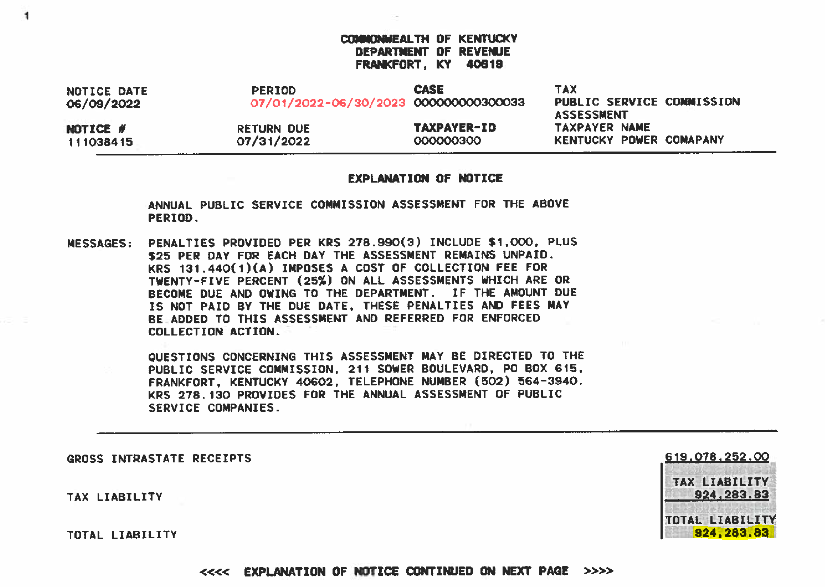
 | Test Year KPSC Maint Fee Amount | $953,393

 | Most Recent Assessment Amount | $924,284

 | Difference | $(29,109)

 | KY Retail Allocator - Specific | 1.00

 | KY Retail Adjustment | $(29,109) | Decrease 9280006

 | Witness: Alex Vaughan

