2023 Workpaper
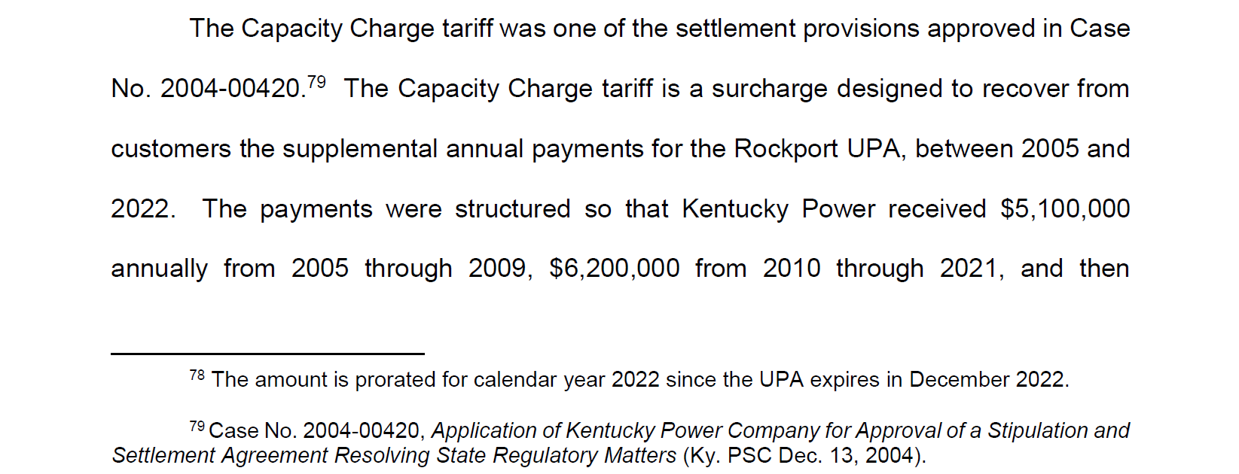
Date | Billed Revenue (Revenue Received) | Approved Revenue ($6.2M annually)* | Capacity Charge Revenue Over/Under Recovery |  |  |  | Year | 2022

 |  |  |  |  |  |  | Sum of Amount | Column Labels
 |  |  |  |  |  |  | Row Labels | 4 | 5 | 6 | 7 | 8 | 9 | 10 | 11 | 12 | Grand Total
Apr-22 | 493,723.21 | 516,666.67 | 22,943.46 |  |  |  | KY_OSS_SHR | 1,224,378.80 | 650,169.05 | 2,783,643.19 | 1,444,776.49 | 1,998,311.20 | (933,834.42) | (712,033.91) | (908,652.53) | (1,074,131.84) | 4,472,626.03
May-22 | 373,032.77 | 516,666.67 | 143,633.90 |  |  |  | To record Over/Under related to sharing of KY OSS Margins as approved in KYPCo Base Rate Case 2017-00179 | 1,224,378.80 | 650,169.05 | 2,783,643.19 | 1,444,776.49 | 1,998,311.20 | (933,834.42) | (712,033.91) | (908,652.53) | (1,074,131.84) | 4,472,626.03
Jun-22 | 497,627.30 | 516,666.67 | 19,039.37 |  |  |  | TARIFF_CC | (22,943.46) | (143,633.90) | (19,039.37) | 35,504.29 | 80,469.26 | 61,179.65 | (11,363.96) | (5,427.03) | 432,338.23 | 407,083.71
Jul-22 | 552,170.96 | 516,666.67 | (35,504.29) |  |  |  | To record a reg. asset for the difference between the $6.2M annual revenue amount authorized to be collected and the amount actually billed under Tariff C. C. from the current month as authorized by the KPSC in the Final Order in Case No. 2014-00396. | (22,943.46) | (143,633.90) | (19,039.37) | 35,504.29 | 80,469.26 | 61,179.65 | (11,363.96) | (5,427.03) | 432,338.23 | 407,083.71
Aug-22 | 597,135.93 | 516,666.67 | (80,469.26) |  |  |  | Grand Total | 1,201,435.34 | 506,535.15 | 2,764,603.82 | 1,480,280.78 | 2,078,780.46 | (872,654.77) | (723,397.87) | (914,079.56) | (641,793.61) | 4,879,709.74
Sep-22 | 577,846.32 | 516,666.67 | (61,179.65)
Oct-22 | 505,302.71 | 516,666.67 | 11,363.96 |  |  |  | Year | 2,023.00
Nov-22 | 511,239.64 | 516,666.67 | 5,427.03
Dec-22 | 541,333.86 | 108,995.63 | (432,338.23) |  |  |  | Sum of Amount | Column Labels
Jan-23 | 61,049.13 | - | (61,049.13) |  |  |  | Row Labels | 1.00 | 2.00 | 3.00 | Grand Total |  |  |  |  | Tariff Summary | 694,002,526.22 | 1,984,215.75 | 1,984,215.75
Feb-23 | (49.52) | - | 49.52 |  |  |  | KY_OSS_SHR | (838,228.15) | (923,936.56) | (726,245.57) | (2,488,410.28) |  |  |  |  | IS/Query | 691,550,215.72 | OSS
Mar-23 | 11.43 | - | (11.43) |  |  |  | To record Over/Under related to sharing of KY OSS Margins as approved in KYPCo Base Rate Case 2017-00179 | (838,228.15) | (923,936.56) | (726,245.57) | (2,488,410.28) |  |  |  |  | Difference | (2,452,310.50)
 |  |  |  |  | (468,094.75) | total TY deferral | TARIFF_CC | 61,049.13 | (49.52) | 11.43 | 61,011.04
 |  |  |  |  | - |  | To record a reg. asset for the difference between the $6.2M annual revenue amount authorized to be collected and the amount actually billed under Tariff C. C. from the current month as authorized by the KPSC in the Final Order in Case No. 2014-00396. | 61,049.13 | (49.52) | 11.43 | 61,011.04 |  |  |  |  | Total OSS/C.C | 2,452,310.50 | 468,094.75
 | 4,710,423.74 | 4,242,328.99 | (468,094.75) | Recorded in 44X firm sales |  |  | Grand Total | (777,179.02) | (923,986.08) | (726,234.14) | (2,427,399.24) |  |  |  |  |  |  | CC

Total Billed Test Year | 4,710,423.74
add over/under | (468,094.75)
Total Test Year | 4,242,328.99 |  | 5,792,329.00 | total 2022

* Approved $5.8M in 2022

