Pivot
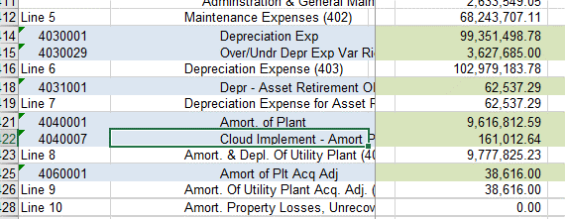
Sum of Total | Column Labels
Row Labels | 4030001 Depreciation Expense | 4031001 Depreciation Expense - ARO | (blank) | Grand Total
Distribution Plant - Electric | 36,830,995.26 |  |  | 36,830,995.26
General Plant | 4,451,741.75 | 11,519.12 |  | 4,463,260.87
Steam Generation Plant | 36,258,858.95 | 518,093.16 |  | 36,776,952.11
Transmission Plant - Electric | 21,809,902.82 |  |  | 21,809,902.82
(blank)
Grand Total | 99,351,498.78 | 529,612.28 |  | 99,881,111.06

Inc Stmt | 99,351,498.78 | 62,537.29
4031001 and 4040001 do not tie | - | 467,074.99
 |  | see 4031 tab and below

Transmission Plant - Electric |  | 21,809,902.82 | Total Trans | Sum of Total | Column Labels
 |  |  |  | Row Labels | 4031001 Depreciation Expense - ARO | Grand Total
Transmission Plant - Electric | KEPCo 101/6 352 Big Sandy Plant | 202.56 |  | General Plant | 11,519.12 | 11,519.12
Transmission Plant - Electric | KEPCo 101/6 352 Mitchell Plant | 1,500.00 |  | KEPCo 101/6 39919 ARO Asbestos | 11,519.12 | 11,519.12
Transmission Plant - Electric | KEPCo 101/6 353 Mitchell Plant | 268,718.92 |  | Steam Generation Plant | 518,093.16 | 518,093.16
Transmission Plant - Electric | KEPCo 101/6 353 Big Sandy Plant | 12,973.56 |  | KEPCo 101/6 317 ASH1 Big Sandy | - | -
 |  | 283,395.04 | Transmission GSU | KEPCo 101/6 317 ASH1 Conner Ash Pd | (131,695.89) | (131,695.89) | (131,695.89)
 |  |  |  | KEPCo 101/6 317 ASH1 Mitchell Ash | (23,920.68) | (23,920.68) | (23,920.68)
 |  | 21,526,507.78 | Trans Excl GSU | KEPCo 101/6 317 ASH2 Big Sandy | - | - | -
 |  |  |  | KEPCo 101/6 317 ASH2 Mitchell Ldfl | 153,718.72 | 153,718.72 | 153,718.72
 |  |  |  | KEPCo 101/6 317 ASH3 Mitchell Ldfl | (23,740.34) | (23,740.34) | (23,740.34)
 |  |  |  | KEPCo 101/6 317 Big Sandy Asbestos | 455,555.87 | 455,555.87
 |  |  |  | KEPCo 101/6 317 Mitchell Asbestos | 88,175.48 | 88,175.48 | 88,175.48
 |  |  |  | Grand Total | 529,612.28 | 529,612.28 | 62,537.29
 |  | 518093.16
 |  | 62537.29 |  | less Big Sandy |  | 62,537.29

 |  |  |  | Steam Generation Plant | 36,258,858.95
 |  |  |  |  | 62,537.29
 |  |  |  |  | 36,321,396.24 | Total Steam

