451 Summary Pivot
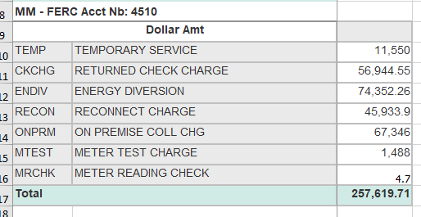
Account | 4510001
 |  | Reverse query signs to tie to ledger
Row Labels | Sum of Amount
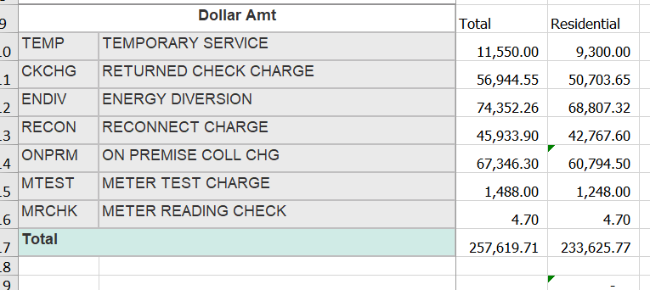
Billing Jrnls | (600) | 600
Fib Opt Ln-Indefeas Rt-of-Use | - | -
Fib Opt Ln-SI/Ls-KDL-Dfd Gains | (888) | 888
MACSS Misc Service Revenues | (257,620) | 257,620
TEMPORARY FACILITIES | 100,529 | (100,529)
Grand Total | -158578.51 | 158,579

450 Summary Pivot
Account | 4500000

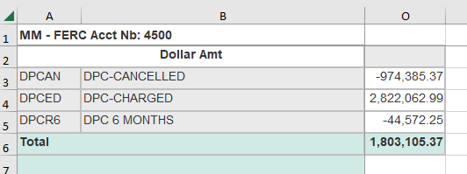
Row Labels | Sum of Amount | Reverse query signs to tie to ledger | Sum of Dollar Amt | Column Labels
MACSS Forfeited Discounts | -1803105.37 | 1,803,105 | Row Labels | DPCAN | DPCED | DPCR6 | (blank) | Grand Total
Grand Total | -1803105.37 |  | Grand Total | (974,385) | 2,822,063 | (44,572) |  | 1,803,105

 |  |  | Residential | (37,695) | 9,807 | (27) | - | (27,915)
 |  |  | (tariff codes 011-032)

