2022 IRP Pref Plan
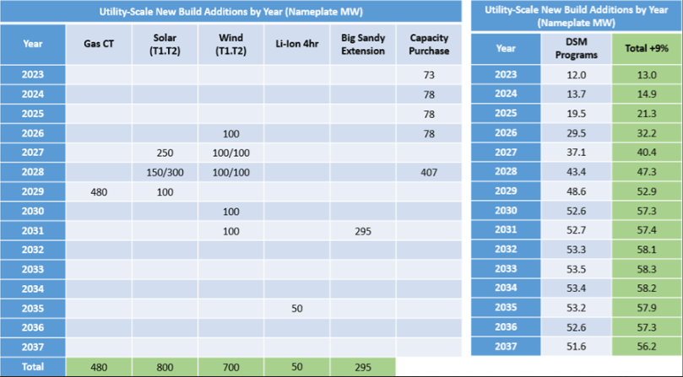
PrPort | PREF: Utility-Scale New Build Additions by Year (Nameplate MW)
PrPort | Year | Gas CT | Solar T1 | Solar T2 | Wind T1 | Wind T2 | Big Sandy Extension | Solar + Storage | 4hr – Li Ion Battery | Capacity Purchase | DSM
PrPort | 2023 |  |  |  |  |  |  |  |  | 70* | 12
PrPort | 2024 |  |  |  |  |  |  |  |  | 80* | 13.7
PrPort | 2025 |  |  |  |  |  |  |  |  | 78 | 19.5
PrPort | 2026 |  |  |  | 100 |  |  |  |  | 39 | 29.5
PrPort | 2027 |  | 150 |  | 100 | 100 |  |  |  |  | 37.1
PrPort | 2028 |  | 150 | 300 | 100 | 100 |  |  |  | 407 | 43.4
PrPort | 2029 | 480 | 100 |  |  |  |  |  |  |  | 48.6
PrPort | 2030 |  |  |  | 100 |  |  |  |  |  | 52.6
PrPort | 2031 |  |  |  | 100 |  | 295 |  |  |  | 52.7
PrPort | 2032 |  |  |  |  |  |  |  |  |  | 53.3
PrPort | 2033 |  |  |  |  |  |  |  |  |  | 53.5
PrPort | 2034 |  |  |  |  |  |  |  |  |  | 53.4
PrPort | 2035 |  |  |  |  |  |  |  | 50 |  | 53.2
PrPort | 2036 |  |  |  |  |  |  |  |  |  | 52.6
PrPort | 2037 |  | 50 |  |  |  |  |  |  |  | 51.6
PrPort | Total | 480 | 450 | 300 | 500 | 200 | 295 | 0 | 50 | 2275

