Metrics
L&U Comparison
 | relative effects of Lost & Unaccounted-for Gas per Annual Reports to PSC & DOT

 |  | KyFrontier | Burkesville | Delta | Atmos | Louisville

 | Utility Customers | 4,600 | 535 | 44,600 | 185,000 | 330,000

 | Miles of Mains | 350 | 18 | 1,921 | 4,185 | 4,800

 | Annual MCF volume | 360,000 | 41,000 | 3,600,000 | 180,000,000 | 45,000,000
 | incl Transport |  |  |  | as reported, seems high
 | Leaks Reported | 57 | 5 | 206 | 707 | 2,412

 | Metrics |  |  |  |  |  | LGE
 | Meters per Mile | 13 | 30 | 23 | 44 | 69 | 5.2
 | MCF per Mile | 1,029 | 2,278 | 1,874 | 43,011 | 9,375 | 9.1
 | Miles per Leak | 6.1 | 3.6 | 9.3 | 5.9 | 2.0 | 0.3

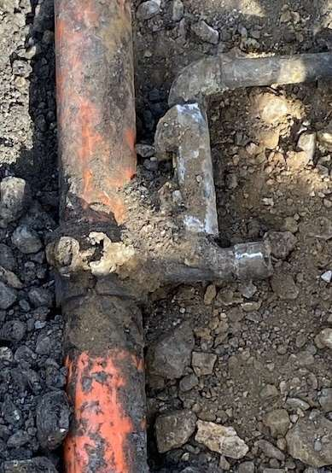

 |  |  | A leak like this on the Frontier system has 4 to 9x the effect
 |  |  | on Frontier L&U as the same exact leak has on Atmos or LG&E
 |  |  | or 2x as Burkesville or Delta

 |  |  | A 5% limit on Frontier L&U is equivalent to 1/2% to LG&E

