WeCare Adj Backup
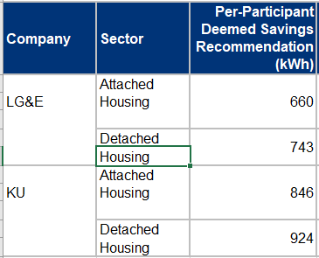

 |  |  |  |  |  |  |  |  | SF AVG | Part | kWh
 |  |  |  |  | LGE | MF | 660 |  | 833.5 | 4,590 | 3,825,765 | WeCare
 |  |  |  |  |  | SF | 743 |  |  |  | 162,120 | Tstat
 |  |  |  |  | KU | MF | 846 |  |  |  | 3,987,885 | Total
 |  |  |  |  |  | SF | 924

Tstat program
 |  | 2024 | 2024 | 2024 | 2024 | 2024 | 2024 | 2024
 | lge | 81,060 | 81,060 | 81,060 | 81,060 | 81,060 | 81,060 | 81,060
 | ku | 81,060 | 81,060 | 81,060 | 81,060 | 81,060 | 81,060 | 81,060
 | total | 162,120 | 162,120 | 162,120 | 162,120 | 162,120 | 162,120 | 162,120

