MPS Comparisons
 | MPS comparisons

 |  |  | Technical | Economic | Economic % of Technical | Study Firm
Ameren IL March 2020 DSM Market Potential Study |  | Ameren IL 2020 | 12,426,726 | 10,848,372 | 87% | GDS | Total |  | 2020 |  | 2043 cumulative potential (19 years)
Indiana Michigan Power Company, Energy Efficiency Market Potential Study - Indiana |  | IN-MI Power 2016 | 3,957,000 | 3,165,000 | 80% | AEG | Overall | pdf 35 | 2016 |  | 2036 Cumulative (20 years)
Dominion Virginia 2020-2029 EE Potential Study |  | Dominion VA 2021 | 23,428,000 | 10,732,000 | 46% | DNV | Overall | pdf 12 | 2021 |  | 2020-2029 (10 years)
EmPOWER Maryland 2024-2029 GHG Abatement Potential Study |  | EmPOWER MD 2023 | 5,242,000 | 4,434,000 | 85% | AEG | Overall | pdf 34 | 2023 |  | 2024-2029, 6-year potential | Tons CO2e for electric EE only - the ratio would be the same for MWh
Vectren Energy Delivery of Indiana 2020-2025 Integrated Electric DSM Market Potential Study and Action Plan |  | Vectren IN 2019 | 1,400,000 | 1,240,000 | 89% | GDS | Overall | pdf 11 | 2019 |  | 20 year cumulative potential | Net of large customer opt-out load
Consumers Energy, MI, Electric Energy Waste Reduction Potential Study 2021-2040 |  | Consumers MI 2021 | 10,527,202 | 10,333,188 | 98% | Cadmus | Overall | pdf 13 | 2021 |  | 2040 cumulative potential
LG&E-KU Demand-Side Management Potential Study 2019-2038 |  | Average: Economic as a % of Technical |  |  | 82%

 |  | KU-LG&E 2017 | 7,072,000 | 1,988,000 | 28% | Cadmus | Overall | pdf 15 | 2017

 |  | LG&E-KU percent of average |  |  | 34%

 | From GDS - Ameren Study

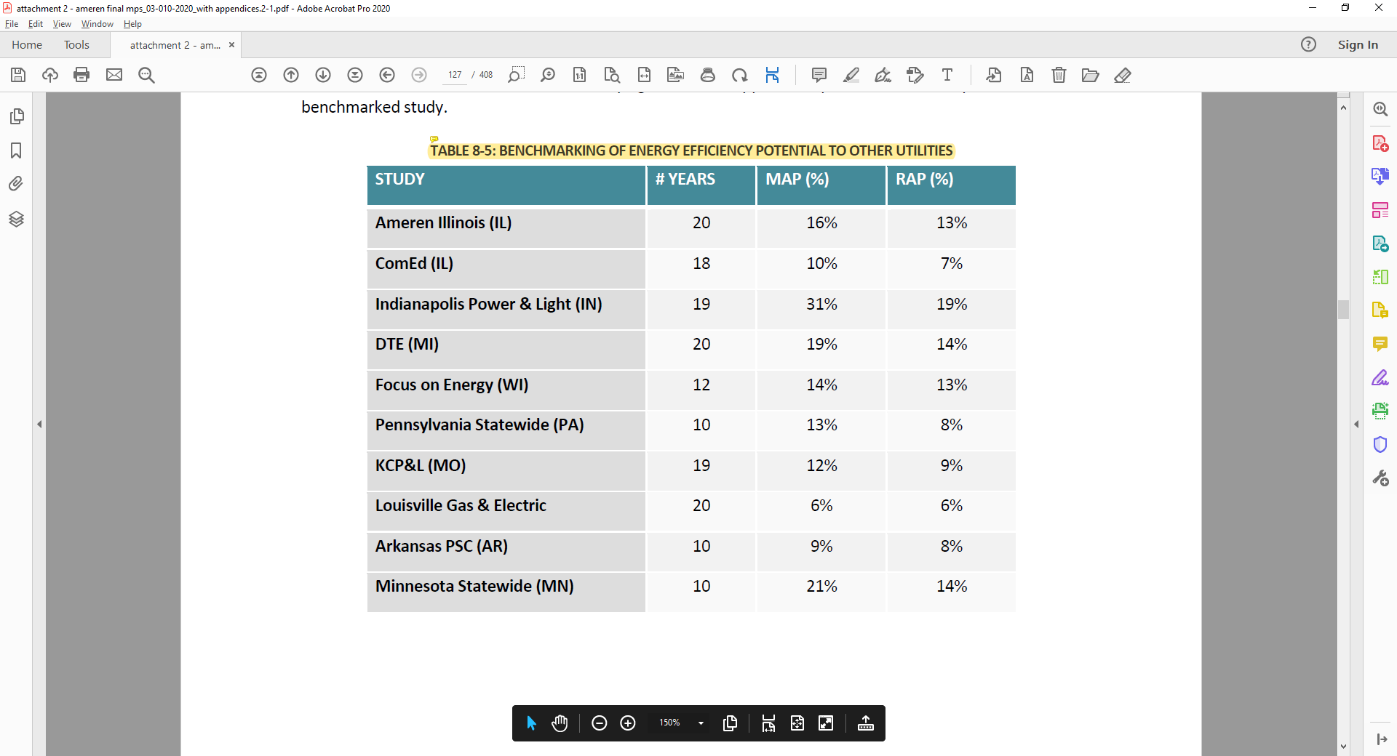

 |  |  |  |  |  |  |  |  |  | # years | MAP | % per year | RAP | % per year
 |  |  |  |  |  |  |  | Ameren IL |  | 20 | 16% | 0.80% | 13% | 0.65%
 |  |  |  |  |  |  |  | ComEd |  | 18 | 10% | 0.56% | 7% | 0.39%
 |  |  |  |  |  |  |  | IP&L |  | 19 | 31% | 1.63% | 19% | 1.00%
 |  |  |  |  |  |  |  | DTE |  | 20 | 19% | 0.95% | 14% | 0.70%
 |  |  |  |  |  |  |  | Focus |  | 12 | 14% | 1.17% | 13% | 1.08%
 |  |  |  |  |  |  |  | PA |  | 10 | 13% | 1.30% | 8% | 0.80%
 |  |  |  |  |  |  |  | KCP&L |  | 19 | 12% | 0.63% | 9% | 0.47%
 |  |  |  |  |  |  |  | LG&E |  | 20 | 6% | 0.30% | 6% | 0.30%
 |  |  |  |  |  |  |  | AR |  | 10 | 9% | 0.90% | 8% | 0.80%
 |  |  |  |  |  |  |  | MN |  | 10 | 21% | 2.10% | 14% | 1.40%
 |  |  |  |  |  |  |  |  |  |  | Average NI LG&E | 1.12% |  | 0.81%
 |  |  |  |  |  |  |  |  |  |  | LG&E-KU increase to be consistent with average: | 372% |  | 270%

