Latest
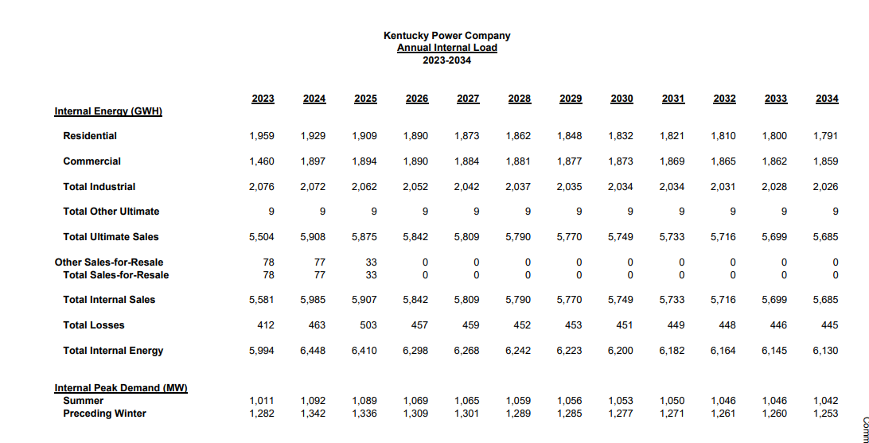

Summer | 1011 | 1092 | 1089 | 1069 | 1065 | 1059 | 1056 | 1053 | 1050 | 1046 | 1046 | 1042

