Settlement Agreement
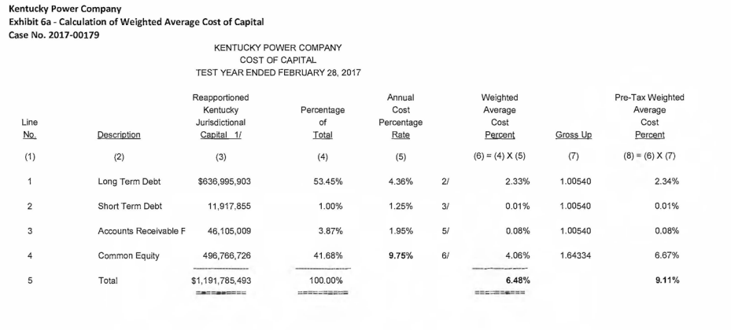
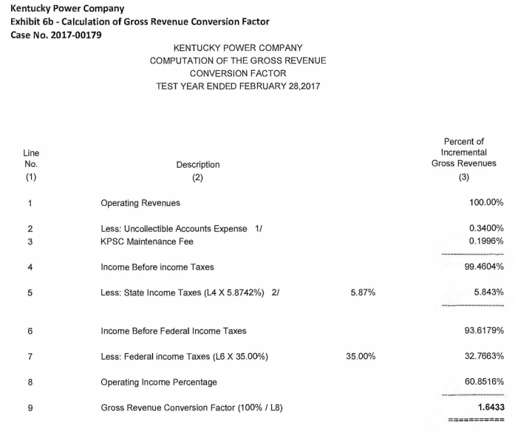
Exhibit 6 to Settlement Agreement in Case No. 2017-00179, as filed on November 22, 2017
https://psc.ky.gov/pscecf/2017-00179/ajelliott%40aep.com/11222017060612/KPCO_Settlement_Testimony_MJS_112217.PDF

