Final Order
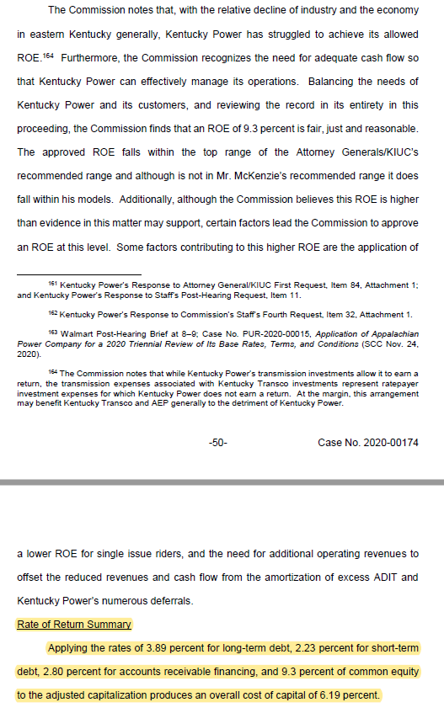
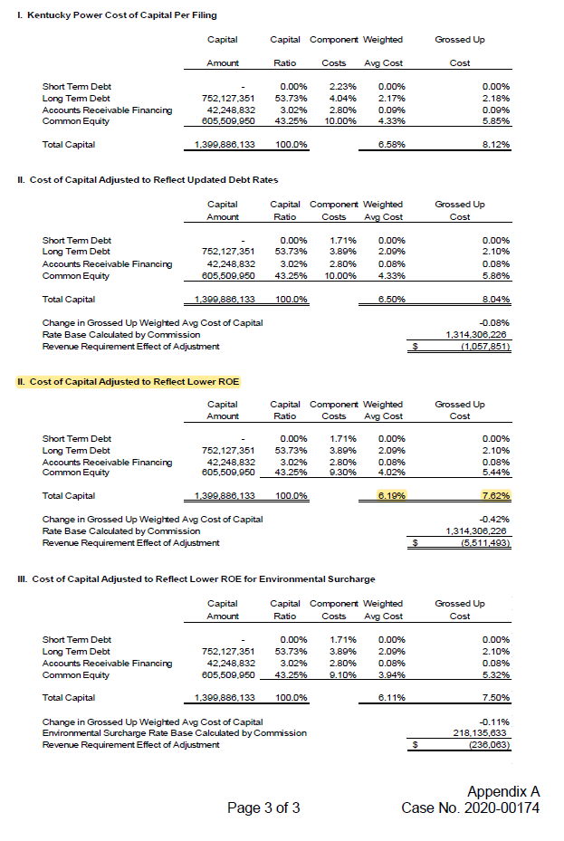
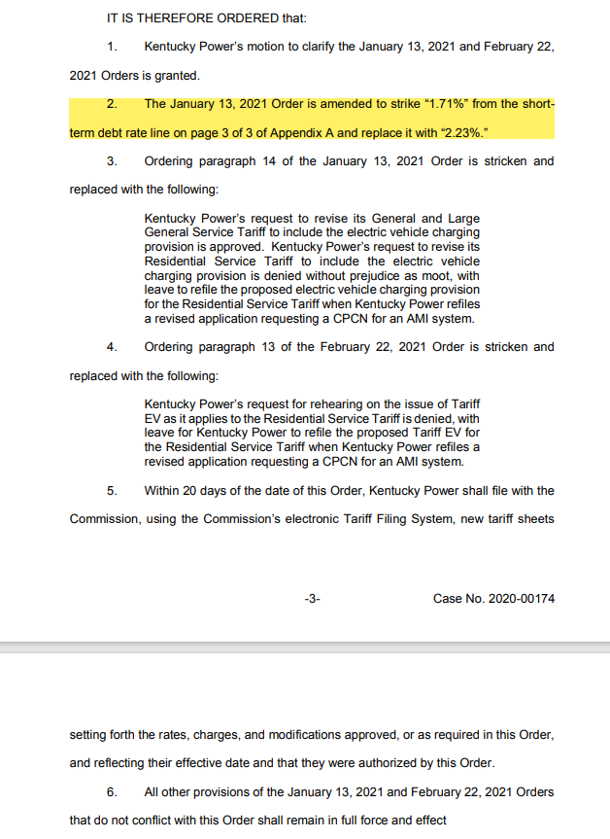

Final Order dated January 13, 2021 in Case No. 2020-00174, Pages 50-51 | Final Order dated January 13, 2021 in Case No. 2020-00174, Appendix A, Page 3 of 3, Section II. | Order dated March 17, 2021 in Case No. 2020-00174, Pages 3-5
https://psc.ky.gov/pscscf/2020%20Cases/2020-00174//20210113_PSC_ORDER.pdf | https://psc.ky.gov/pscscf/2020%20Cases/2020-00174//20210113_PSC_ORDER.pdf | https://psc.ky.gov/pscscf/2020%20Cases/2020-00174//20210317_PSC_ORDER.pdf

