Final Order
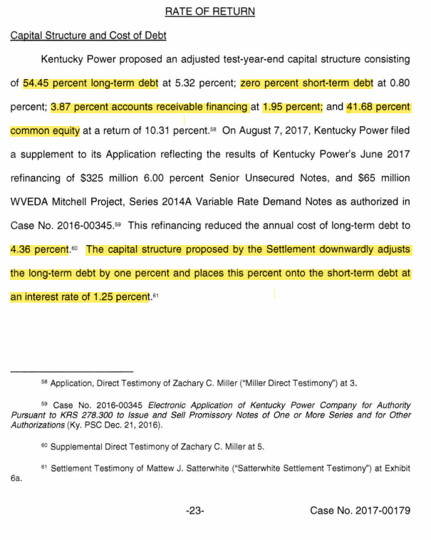
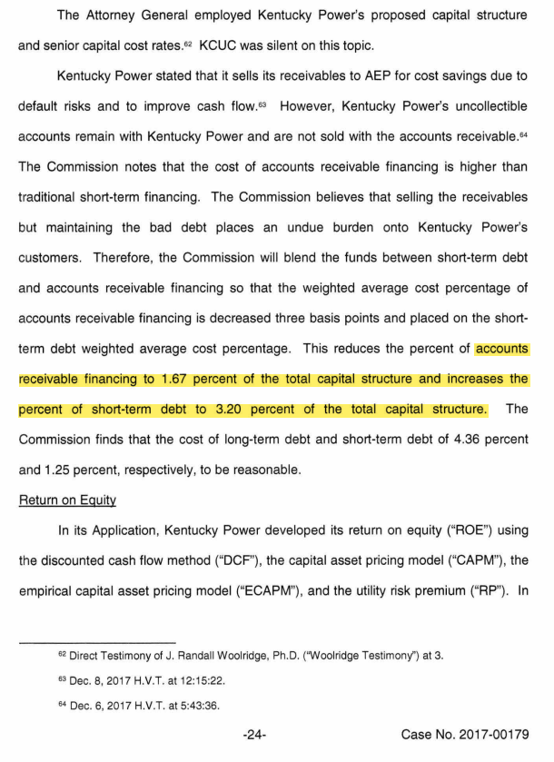
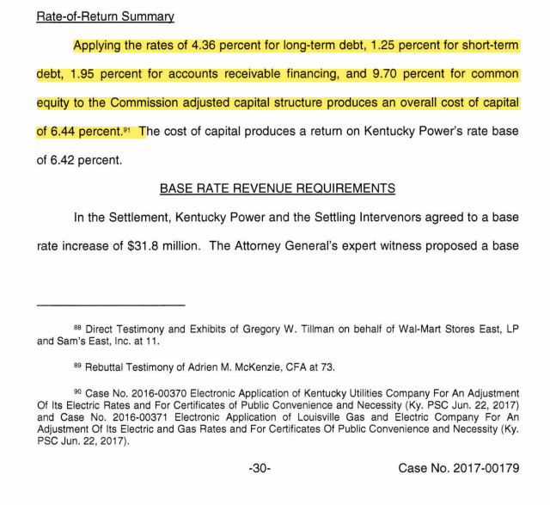
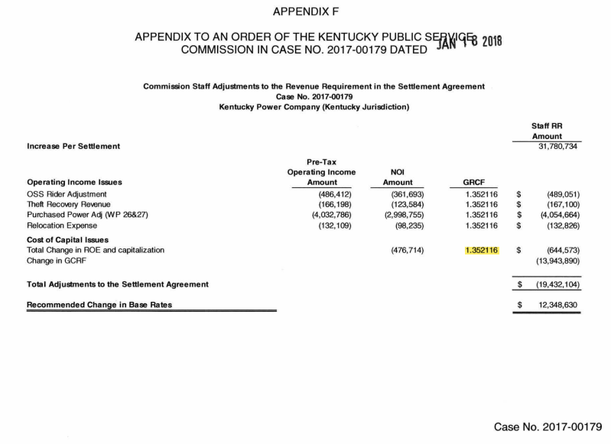
Final Order dated January 18, 2018 in Case No. 2017-00179, Pages 23-24, 30 and Appendix F
*20180118_PSC_ORDER.pdf (ky.gov)

