Tab 2
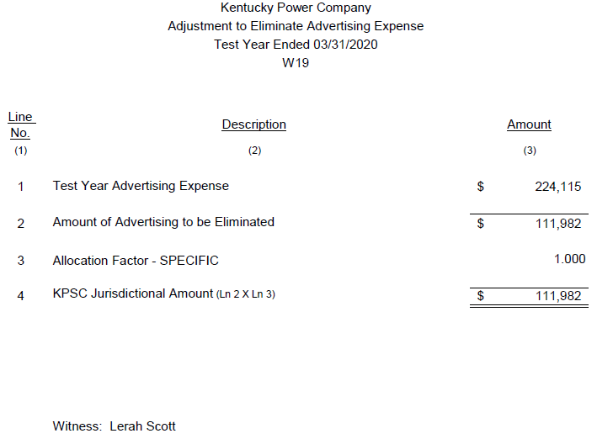
KPCO_R_KPSC_PHDR_1_Attachment1
Tab 2 - Advertising Expense |  | H | J = H - I | I = H * G | K | M = K - L | L = K * G
 |  | 12 Months Ended September 30, 2022 |  |  | 12 Months Ended June 30, 2022 |  |  | G = F/A
Acct No. | Acct Description | Per Books | Estimated Recoverable | Estimated Non-Recoverable | Per Books | Estimated Recoverable | Estimated Non-Recoverable | % Non-Recoverable 2020-00174
9090000 | Information & Instruct Advrtis | 115,596 | 65,533 | 50,063 | 108,066 | 61,265 | 46,802 | 43%
9130000 | Advertising Expenses | 0 | 0 | 0 | 2,400 | 0 | 2,400 | 100%
9130001 | Advertising Exp - Residential | 0 | 0 | 0 | 0 | 0 | 0 | 94%
9301000 | General Advertising Expenses | 58,331 | 0 | 58,331 | 59,379 | 0 | 59,379 | 100%
9301001 | Newspaper Advertising Space | 5,659 | 0 | 5,659 | 4,156 | 0 | 4,156 | 100%
9301002 | Radio Station Advertising Time | 14,000 | 0 | 14,000 | 14,000 | 0 | 14,000 | 100%
9301003 | TV Station Advertising Time | 12,065 | 0 | 12,065 | 12,065 | 0 | 12,065 | 100%
9301010 | Publicity | 450 | 0 | 450 | 218 | 0 | 218 | 100%
9301014 | Video Communications | 254 | 0 | 254 | 293 | 0 | 293 | 100%
9301015 | Other Corporate Comm Exp | 7,758 | 0 | 7,758 | 5,448 | 0 | 5,448 | 100%
 | Total | $214,113 | $65,533 | $148,580 | $206,025 | $61,265 | $144,761

Case No 2020-00174
KPCO_R_KPSC_2_47_Attachment1
 |  | A | B | C = A - B | D | E = B - D | F = C + D | G = F/A
Acct No. | Acct Description | Per Books Advertising Expense for Test Year | Requested by KPCo | Not Requested by KPCo | Removed by KPSC in Final Order (Misc. Expenses) | Allowed for Recovery | Not Recovered | % Non-Recoverable 2020-00174
9090000 | Information & Instruct Advrtis | 109,065 | 61,831 | 47,234 | - | 61,831 | 47,234 | 43%
9130000 | Advertising Expenses | 530 | 0 | 530 | - | - | 530 | 100%
9130001 | Advertising Exp - Residential | 1,522 | 87 | 1,435 | - | 87 | 1,435 | 94%
9301000 | General Advertising Expenses | 59,820 | 42,688 | 17,132 | 42,688 | - | 59,820 | 100%
9301001 | Newspaper Advertising Space | 2,432 | 0 | 2,432 | - | - | 2,432 | 100%
9301002 | Radio Station Advertising Time | 31,000 | 0 | 31,000 | - | - | 31,000 | 100%
9301003 | TV Station Advertising Time | 9,600 | 0 | 9,600 | - | - | 9,600 | 100%
9301010 | Publicity | 620 | 0 | 620 | - | - | 620 | 100%
9301014 | Video Communications | 31 | 0 | 31 | - | - | 31 | 100%
9301015 | Other Corporate Comm Exp | 9,494 | 7,527 | 1,967 | 7,527 | - | 9,494 | 100%
 | Total | $224,115 | $112,133 | $111,982 | 50,215 | 61,918 | 162,197

Tab 3
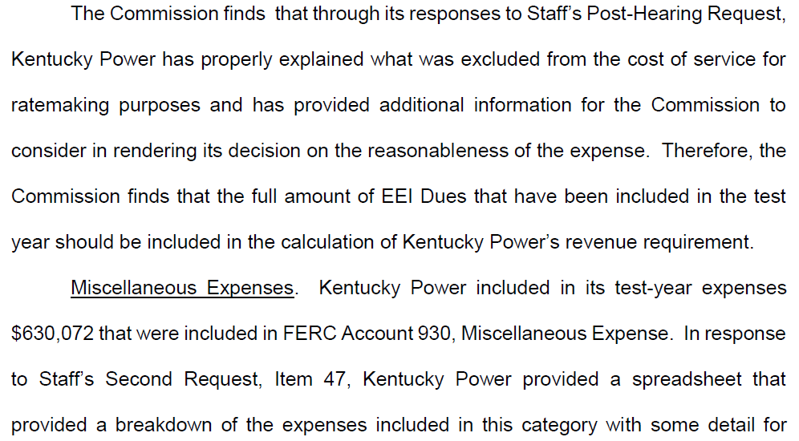
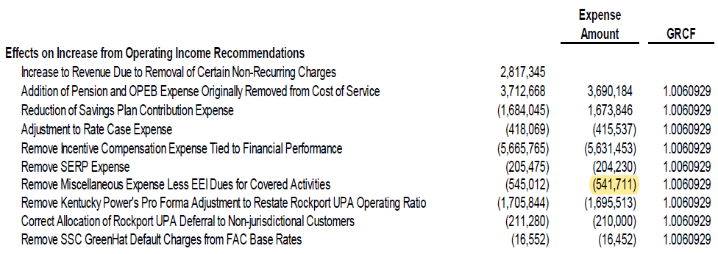
KPCO_R_KPSC_PHDR_1_Attachment1
Tab 3 - Misc. General Expense |  | H | I | J = H - I | K | L | M = K - L
 |  | 12 Months Ended September 30, 2022 |  |  | 12 Months Ended June 30, 2022
Acct No. | Acct Description | Per Books | EEI | Non-Recoverable | Per Books | EEI | Non-Recoverable
9301009 | Fairs, Shows, and Exhibits | - | - | - | - | - | -
9301012 | Public Opinion Surveys | 90,924 | - | 90,924 | 84,613 | - | 84,613
9302000 | Misc General Expenses | 295,710 | 90,868 | 204,842 | 279,809 | 90,868 | 188,941
9302003 | Corporate & Fiscal Expenses | 75,903 | - | 75,903 | 74,164 | - | 74,164
9302004 | Research, Develop&Demonstr Exp | 163 | - | 163 | 99 | - | 99
9302006 | Assoc Bus Dev - Materials Sold | 290,896 | - | 290,896 | 288,245 | - | 288,245
9302007 | Assoc Business Development Exp | 544,806 | - | 544,806 | 526,983 | - | 526,983
 | Subtotal | $1,298,402 | $90,868 | $1,207,534 | $1,253,913 | $90,868 | $1,163,045
4540004 | Rent From Elect Prop-ABD-Nonaf | (143,041) | - | (143,041) | (142,472) | - | (142,472)
4560015 | Other Electric Revenues - ABD | (1,148,733) | - | (1,148,733) | (1,093,010) | - | (1,093,010)
 | Total | $6,628 | $90,868 | $(84,240) | $18,430 | $90,868 | $(72,437)

Case No 2020-00174
KPCO_R_KPSC_2_47_Attachment2
 |  | A | C = A - B | B | D | E | F = B + D
Acct No. | Acct Description | Per Books Expense for Test Year | Requested by KPCo | Not Requested by KPCo | Removed by KPSC in Final Order (Misc. Expenses) | Allowed for Recovery (EEI) | Not Recovered
9301009 | Fairs, Shows, and Exhibits | 1,452 | 1,452 | - | 1,452 |  | 1,452
9301012 | Public Opinion Surveys | 81,782 | 81,782 | - | 81,782 | - | 81,782
9302000 | Misc General Expenses | 235,526 | 232,963 | 2,563 | 144,601 | 88,361 | 147,165
9302003 | Corporate & Fiscal Expenses | 27,166 | 27,166 | - | 27,166 | - | 27,166
9302004 | Research, Develop&Demonstr Exp | 212 | 212 | - | 212 | - | 212
9302006 | Assoc Bus Dev - Materials Sold | 65,180 | 65,180 | - | 65,180 | - | 65,180
9302007 | Assoc Business Development Exp | 105,756 | 105,756 | - | 105,756 | - | 105,756
 | Total | $517,075 | $514,512 | $2,563 | 426,150 | 88,361 | 428,714
 | Total 930.1 and 930.2 - Final Order | $630,072 |  |  |  | 88,361 | $541,711

