Figure 6.1
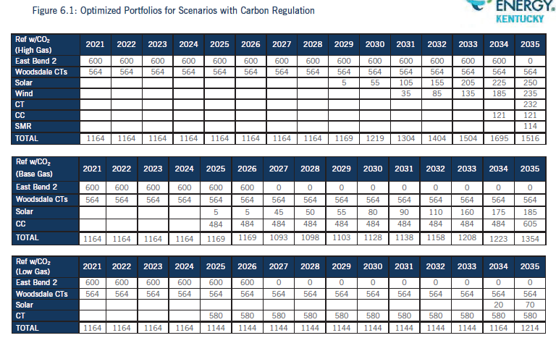
15. Refer to the IRP, Section 6B, Figures 6.1–6.5, pages 44–53.
b. Update the Figures to show the demand and reserve margins that corresponds to the annual forecasted capacity projections.

Demand Forecast | 815 | 822 | 836 | 840 | 851 | 853 | 854 | 857 | 860 | 870 | 874 | 879 | 885 | 890 | 898

Ref w/ CO2 (High Gas) | 2021 | 2022 | 2023 | 2024 | 2025 | 2026 | 2027 | 2028 | 2029 | 2030 | 2031 | 2032 | 2033 | 2034 | 2035
East Bend 2 | 600 | 600 | 600 | 600 | 600 | 600 | 600 | 600 | 600 | 600 | 600 | 600 | 600 | 600 | 0
Woodsdale CTs | 564 | 564 | 564 | 564 | 564 | 564 | 564 | 564 | 564 | 564 | 564 | 564 | 564 | 564 | 564
Solar |  |  |  |  |  |  |  |  | 5 | 55 | 105 | 155 | 205 | 225 | 250
Wind |  |  |  |  |  |  |  |  |  |  | 35 | 85 | 135 | 185 | 235
CT |  |  |  |  |  |  |  |  |  |  |  |  |  |  | 232
CC |  |  |  |  |  |  |  |  |  |  |  |  |  | 121 | 121
SMR |  |  |  |  |  |  |  |  |  |  |  |  |  |  | 114
TOTAL | 1164 | 1164 | 1164 | 1164 | 1164 | 1164 | 1164 | 1164 | 1169 | 1219 | 1304 | 1404 | 1504 | 1695 | 1516
Reserve Margin (ICAP) | 43% | 42% | 39% | 39% | 37% | 37% | 36% | 36% | 36% | 40% | 49% | 60% | 70% | 90% | 69%

Ref w/ CO2 (Base Gas) | 2021 | 2022 | 2023 | 2024 | 2025 | 2026 | 2027 | 2028 | 2029 | 2030 | 2031 | 2032 | 2033 | 2034 | 2035
East Bend 2 | 600 | 600 | 600 | 600 | 600 | 600 | 0 | 0 | 0 | 0 | 0 | 0 | 0 | 0 | 0
Woodsdale CTs | 564 | 564 | 564 | 564 | 564 | 564 | 564 | 564 | 564 | 564 | 564 | 564 | 564 | 564 | 564
Solar |  |  |  |  | 5 | 5 | 45 | 50 | 55 | 80 | 90 | 110 | 160 | 175 | 185
CC |  |  |  |  |  |  | 484 | 484 | 484 | 484 | 484 | 484 | 484 | 484 | 605
TOTAL | 1164 | 1164 | 1164 | 1164 | 1169 | 1169 | 1093 | 1098 | 1103 | 1128 | 1138 | 1158 | 1208 | 1223 | 1354
Reserve Margin (ICAP) | 43% | 42% | 39% | 39% | 37% | 37% | 28% | 28% | 28% | 30% | 30% | 32% | 37% | 37% | 51%

Ref w/ CO2 (Low Gas) | 2021 | 2022 | 2023 | 2024 | 2025 | 2026 | 2027 | 2028 | 2029 | 2030 | 2031 | 2032 | 2033 | 2034 | 2035
East Bend 2 | 600 | 600 | 600 | 600 | 0 | 0 | 0 | 0 | 0 | 0 | 0 | 0 | 0 | 0 | 0
Woodsdale CTs | 564 | 564 | 564 | 564 | 564 | 564 | 564 | 564 | 564 | 564 | 564 | 564 | 564 | 564 | 564
Solar |  |  |  |  |  |  |  |  |  |  |  |  |  | 20 | 70
CT |  |  |  |  | 580 | 580 | 580 | 580 | 580 | 580 | 580 | 580 | 580 | 580 | 580
TOTAL | 1164 | 1164 | 1164 | 1164 | 1144 | 1144 | 1144 | 1144 | 1144 | 1144 | 1144 | 1144 | 1144 | 1164 | 1214
Reserve Margin (ICAP) | 43% | 42% | 39% | 39% | 34% | 34% | 34% | 33% | 33% | 31% | 31% | 30% | 29% | 31% | 35%

Figure 6.2
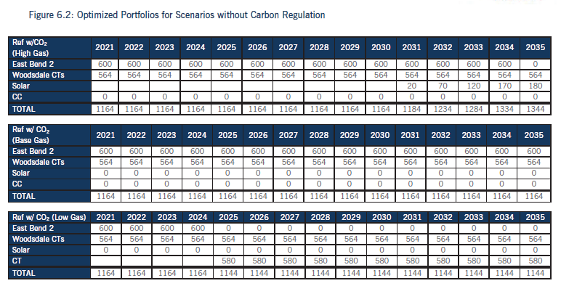
15. Refer to the IRP, Section 6B, Figures 6.1–6.5, pages 44–53.
b. Update the Figures to show the demand and reserve margins that corresponds to the annual forecasted capacity projections.

Demand Forecast | 815 | 822 | 836 | 840 | 851 | 853 | 854 | 857 | 860 | 870 | 874 | 879 | 885 | 890 | 898

Ref No CO2 (High Gas) | 2021 | 2022 | 2023 | 2024 | 2025 | 2026 | 2027 | 2028 | 2029 | 2030 | 2031 | 2032 | 2033 | 2034 | 2035
East Bend 2 | 600 | 600 | 600 | 600 | 600 | 600 | 600 | 600 | 600 | 600 | 600 | 600 | 600 | 600 | 600
Woodsdale CTs | 564 | 564 | 564 | 564 | 564 | 564 | 564 | 564 | 564 | 564 | 564 | 564 | 564 | 564 | 564
Solar |  |  |  |  |  |  |  |  |  |  | 20 | 70 | 120 | 170 | 180
CC | 0 | 0 | 0 | 0 | 0 | 0 | 0 | 0 | 0 | 0 | 0 | 0 | 0 | 0 | 0
TOTAL | 1164 | 1164 | 1164 | 1164 | 1164 | 1164 | 1164 | 1164 | 1164 | 1164 | 1184 | 1234 | 1284 | 1334 | 1344
Reserve Margin (ICAP) | 43% | 42% | 39% | 39% | 37% | 37% | 36% | 36% | 35% | 34% | 36% | 40% | 45% | 50% | 50%

Ref No CO2 (Base Gas) | 2021 | 2022 | 2023 | 2024 | 2025 | 2026 | 2027 | 2028 | 2029 | 2030 | 2031 | 2032 | 2033 | 2034 | 2035
East Bend 2 | 600 | 600 | 600 | 600 | 600 | 600 | 600 | 600 | 600 | 600 | 600 | 600 | 600 | 600 | 600
Woodsdale CTs | 564 | 564 | 564 | 564 | 564 | 564 | 564 | 564 | 564 | 564 | 564 | 564 | 564 | 564 | 564
Solar | 0 | 0 | 0 | 0 | 0 | 0 | 0 | 0 | 0 | 0 | 0 | 0 | 0 | 0 | 0
CC | 0 | 0 | 0 | 0 | 0 | 0 | 0 | 0 | 0 | 0 | 0 | 0 | 0 | 0 | 0
TOTAL | 1164 | 1164 | 1164 | 1164 | 1164 | 1164 | 1164 | 1164 | 1164 | 1164 | 1164 | 1164 | 1164 | 1164 | 1164
Reserve Margin (ICAP) | 43% | 42% | 39% | 39% | 37% | 37% | 36% | 36% | 35% | 34% | 33% | 32% | 32% | 31% | 30%

Ref No CO2 (Low Gas) | 2021 | 2022 | 2023 | 2024 | 2025 | 2026 | 2027 | 2028 | 2029 | 2030 | 2031 | 2032 | 2033 | 2034 | 2035
East Bend 2 | 600 | 600 | 600 | 600 | 0 | 0 | 0 | 0 | 0 | 0 | 0 | 0 | 0 | 0 | 0
Woodsdale CTs | 564 | 564 | 564 | 564 | 564 | 564 | 564 | 564 | 564 | 564 | 564 | 564 | 564 | 564 | 564
Solar | 0 | 0 | 0 | 0 | 0 | 0 | 0 | 0 | 0 | 0 | 0 | 0 | 0 | 0 | 0
CT |  |  |  |  | 580 | 580 | 580 | 580 | 580 | 580 | 580 | 580 | 580 | 580 | 580
TOTAL | 1164 | 1164 | 1164 | 1164 | 1144 | 1144 | 1144 | 1144 | 1144 | 1144 | 1144 | 1144 | 1144 | 1144 | 1144
Reserve Margin (ICAP) | 43% | 42% | 39% | 39% | 34% | 34% | 34% | 33% | 33% | 31% | 31% | 30% | 29% | 29% | 27%

Figure 6.3
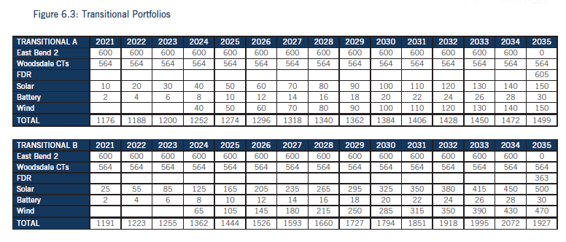
15. Refer to the IRP, Section 6B, Figures 6.1–6.5, pages 44–53.
b. Update the Figures to show the demand and reserve margins that corresponds to the annual forecasted capacity projections.

Demand Forecast | 815 | 822 | 836 | 840 | 851 | 853 | 854 | 857 | 860 | 870 | 874 | 879 | 885 | 890 | 898

Transitional A | 2021 | 2022 | 2023 | 2024 | 2025 | 2026 | 2027 | 2028 | 2029 | 2030 | 2031 | 2032 | 2033 | 2034 | 2035
East Bend 2 | 600 | 600 | 600 | 600 | 600 | 600 | 600 | 600 | 600 | 600 | 600 | 600 | 600 | 600 | 0
Woodsdale CTs | 564 | 564 | 564 | 564 | 564 | 564 | 564 | 564 | 564 | 564 | 564 | 564 | 564 | 564 | 564
FDR |  |  |  |  |  |  |  |  |  |  |  |  |  |  | 605
Solar | 10 | 20 | 30 | 40 | 50 | 60 | 70 | 80 | 90 | 100 | 110 | 120 | 130 | 140 | 150
Battery | 2 | 4 | 6 | 8 | 10 | 12 | 14 | 16 | 18 | 20 | 22 | 24 | 26 | 28 | 30
Wind |  |  |  | 40 | 50 | 60 | 70 | 80 | 90 | 100 | 110 | 120 | 130 | 140 | 150
TOTAL | 1176 | 1188 | 1200 | 1252 | 1274 | 1296 | 1318 | 1340 | 1362 | 1384 | 1406 | 1428 | 1450 | 1472 | 1499
Reserve Margin (ICAP) | 44% | 45% | 44% | 49% | 50% | 52% | 54% | 56% | 58% | 59% | 61% | 62% | 64% | 65% | 67%

Transitional B | 2021 | 2022 | 2023 | 2024 | 2025 | 2026 | 2027 | 2028 | 2029 | 2030 | 2031 | 2032 | 2033 | 2034 | 2035
East Bend 2 | 600 | 600 | 600 | 600 | 600 | 600 | 600 | 600 | 600 | 600 | 600 | 600 | 600 | 600 | 0
Woodsdale CTs | 564 | 564 | 564 | 564 | 564 | 564 | 564 | 564 | 564 | 564 | 564 | 564 | 564 | 564 | 564
FDR |  |  |  |  |  |  |  |  |  |  |  |  |  |  | 363
Solar | 25 | 55 | 85 | 125 | 165 | 205 | 235 | 265 | 295 | 325 | 350 | 380 | 415 | 450 | 500
Battery | 2 | 4 | 6 | 8 | 10 | 12 | 14 | 16 | 18 | 20 | 22 | 24 | 26 | 28 | 30
Wind |  |  |  | 65 | 105 | 145 | 180 | 215 | 250 | 285 | 315 | 350 | 390 | 430 | 470
TOTAL | 1191 | 1223 | 1255 | 1362 | 1444 | 1526 | 1593 | 1660 | 1727 | 1794 | 1851 | 1918 | 1995 | 2072 | 1927
Reserve Margin (ICAP) | 46% | 49% | 50% | 62% | 70% | 79% | 86% | 94% | 101% | 106% | 112% | 118% | 125% | 133% | 115%

Figure 6.4
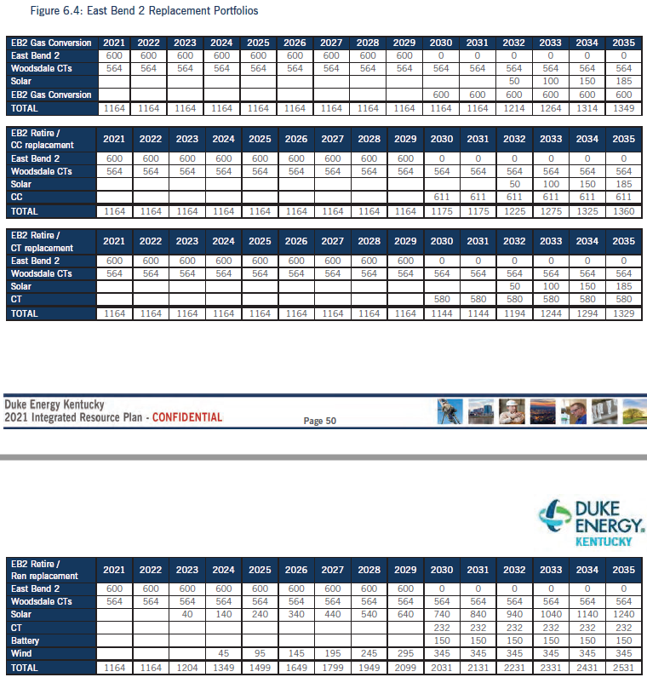
15. Refer to the IRP, Section 6B, Figures 6.1–6.5, pages 44–53.
b. Update the Figures to show the demand and reserve margins that corresponds to the annual forecasted capacity projections.

Demand Forecast | 815 | 822 | 836 | 840 | 851 | 853 | 854 | 857 | 860 | 870 | 874 | 879 | 885 | 890 | 898

EB2 Gas Conversion | 2021 | 2022 | 2023 | 2024 | 2025 | 2026 | 2027 | 2028 | 2029 | 2030 | 2031 | 2032 | 2033 | 2034 | 2035
East Bend 2 | 600 | 600 | 600 | 600 | 600 | 600 | 600 | 600 | 600 | 0 | 0 | 0 | 0 | 0 | 0
Woodsdale CTs | 564 | 564 | 564 | 564 | 564 | 564 | 564 | 564 | 564 | 564 | 564 | 564 | 564 | 564 | 564
Solar |  |  |  |  |  |  |  |  |  |  |  | 50 | 100 | 150 | 185
EB2 Gas Conversion |  |  |  |  |  |  |  |  |  | 600 | 600 | 600 | 600 | 600 | 600
TOTAL | 1164 | 1164 | 1164 | 1164 | 1164 | 1164 | 1164 | 1164 | 1164 | 1164 | 1164 | 1214 | 1264 | 1314 | 1349
Reserve Margin (ICAP) | 43% | 42% | 39% | 39% | 37% | 37% | 36% | 36% | 35% | 34% | 33% | 38% | 43% | 48% | 50%

EB2 Retire / CC replacement | 2021 | 2022 | 2023 | 2024 | 2025 | 2026 | 2027 | 2028 | 2029 | 2030 | 2031 | 2032 | 2033 | 2034 | 2035
East Bend 2 | 600 | 600 | 600 | 600 | 600 | 600 | 600 | 600 | 600 | 0 | 0 | 0 | 0 | 0 | 0
Woodsdale CTs | 564 | 564 | 564 | 564 | 564 | 564 | 564 | 564 | 564 | 564 | 564 | 564 | 564 | 564 | 564
Solar |  |  |  |  |  |  |  |  |  |  |  | 50 | 100 | 150 | 185
CC |  |  |  |  |  |  |  |  |  | 611 | 611 | 611 | 611 | 611 | 611
TOTAL | 1164 | 1164 | 1164 | 1164 | 1164 | 1164 | 1164 | 1164 | 1164 | 1175 | 1175 | 1225 | 1275 | 1325 | 1360
Reserve Margin (ICAP) | 43% | 42% | 39% | 39% | 37% | 37% | 36% | 36% | 35% | 35% | 35% | 39% | 44% | 49% | 51%

EB2 Retire / CT replacement | 2021 | 2022 | 2023 | 2024 | 2025 | 2026 | 2027 | 2028 | 2029 | 2030 | 2031 | 2032 | 2033 | 2034 | 2035
East Bend 2 | 600 | 600 | 600 | 600 | 600 | 600 | 600 | 600 | 600 | 0 | 0 | 0 | 0 | 0 | 0
Woodsdale CTs | 564 | 564 | 564 | 564 | 564 | 564 | 564 | 564 | 564 | 564 | 564 | 564 | 564 | 564 | 564
Solar |  |  |  |  |  |  |  |  |  |  |  | 50 | 100 | 150 | 185
CT |  |  |  |  |  |  |  |  |  | 580 | 580 | 580 | 580 | 580 | 580
TOTAL | 1164 | 1164 | 1164 | 1164 | 1164 | 1164 | 1164 | 1164 | 1164 | 1144 | 1144 | 1194 | 1244 | 1294 | 1329
Reserve Margin (ICAP) | 43% | 42% | 39% | 39% | 37% | 37% | 36% | 36% | 35% | 31% | 31% | 36% | 41% | 45% | 48%

EB2 Retire / Ren replacement | 2021 | 2022 | 2023 | 2024 | 2025 | 2026 | 2027 | 2028 | 2029 | 2030 | 2031 | 2032 | 2033 | 2034 | 2035
East Bend 2 | 600 | 600 | 600 | 600 | 600 | 600 | 600 | 600 | 600 | 0 | 0 | 0 | 0 | 0 | 0
Woodsdale CTs | 564 | 564 | 564 | 564 | 564 | 564 | 564 | 564 | 564 | 564 | 564 | 564 | 564 | 564 | 564
Solar |  |  | 40 | 140 | 240 | 340 | 440 | 540 | 640 | 740 | 840 | 940 | 1040 | 1140 | 1240
CT |  |  |  |  |  |  |  |  |  | 232 | 232 | 232 | 232 | 232 | 232
Battery |  |  |  |  |  |  |  |  |  | 150 | 150 | 150 | 150 | 150 | 150
Wind |  |  |  | 45 | 95 | 145 | 195 | 245 | 295 | 345 | 345 | 345 | 345 | 345 | 345
TOTAL | 1164 | 1164 | 1204 | 1349 | 1499 | 1649 | 1799 | 1949 | 2099 | 2031 | 2131 | 2231 | 2331 | 2431 | 2531
Reserve Margin (ICAP) | 43% | 42% | 44% | 61% | 76% | 93% | 111% | 127% | 144% | 133% | 144% | 154% | 163% | 173% | 182%

Figure 6.5
15. Refer to the IRP, Section 6B, Figures 6.1–6.5, pages 44–53.
b. Update the Figures to show the demand and reserve margins that corresponds to the annual forecasted capacity projections.
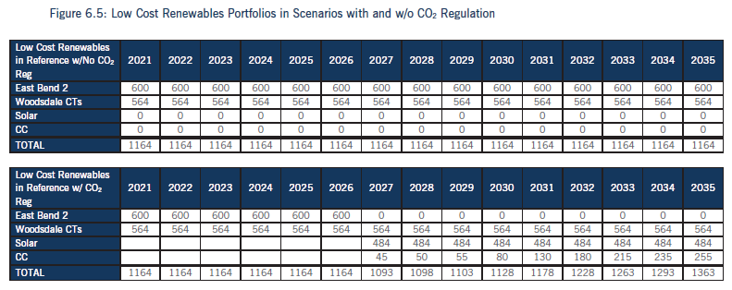
Demand Forecast | 815 | 822 | 836 | 840 | 851 | 853 | 854 | 857 | 860 | 870 | 874 | 879 | 885 | 890 | 898

Low Cost Renewables (No CO2 Reg) | 2021 | 2022 | 2023 | 2024 | 2025 | 2026 | 2027 | 2028 | 2029 | 2030 | 2031 | 2032 | 2033 | 2034 | 2035
East Bend 2 | 600 | 600 | 600 | 600 | 600 | 600 | 600 | 600 | 600 | 600 | 600 | 600 | 600 | 600 | 600
Woodsdale CTs | 564 | 564 | 564 | 564 | 564 | 564 | 564 | 564 | 564 | 564 | 564 | 564 | 564 | 564 | 564
TOTAL | 1164 | 1164 | 1164 | 1164 | 1164 | 1164 | 1164 | 1164 | 1164 | 1164 | 1164 | 1164 | 1164 | 1164 | 1164
Reserve Margin (ICAP) | 43% | 42% | 39% | 39% | 37% | 37% | 36% | 36% | 35% | 34% | 33% | 32% | 32% | 31% | 30%

Low Cost Renewables (w/ CO2 Reg) | 2021 | 2022 | 2023 | 2024 | 2025 | 2026 | 2027 | 2028 | 2029 | 2030 | 2031 | 2032 | 2033 | 2034 | 2035
East Bend 2 | 600 | 600 | 600 | 600 | 600 | 600 | 0 | 0 | 0 | 0 | 0 | 0 | 0 | 0 | 0
Woodsdale CTs | 564 | 564 | 564 | 564 | 564 | 564 | 564 | 564 | 564 | 564 | 564 | 564 | 564 | 564 | 564
Solar |  |  |  |  |  |  | 45 | 50 | 55 | 80 | 130 | 180 | 215 | 235 | 255
CC |  |  |  |  |  |  | 484 | 484 | 484 | 484 | 484 | 484 | 484 | 484 | 484
TOTAL | 1164 | 1164 | 1164 | 1164 | 1164 | 1164 | 1093 | 1098 | 1103 | 1128 | 1178 | 1228 | 1263 | 1283 | 1303
Reserve Margin (ICAP) | 43% | 42% | 39% | 39% | 37% | 37% | 28% | 28% | 28% | 30% | 35% | 40% | 43% | 44% | 45%

