JANUARY 2021
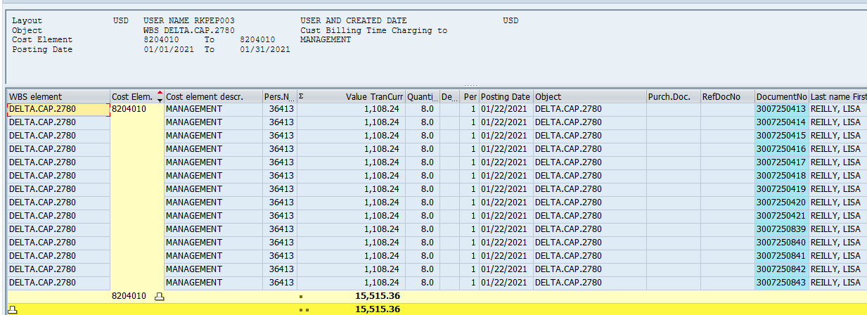
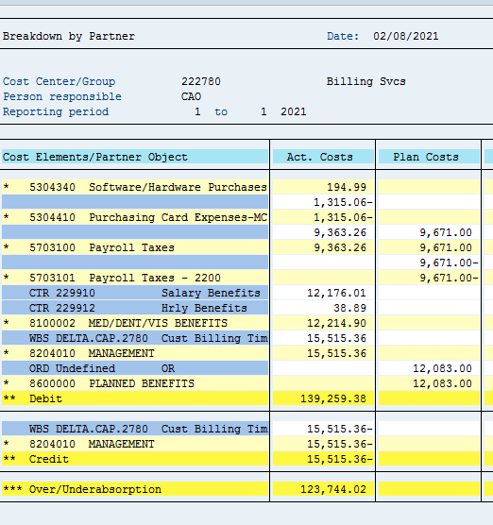

 | DELTA.CAP.2780

 |  |  | REMOVE DELTA.CAP.2780 LABOR IMPACT IN "CALCULATION" WORKSHEET

EXCLUDE SECONDARY |  |  | TOTAL DEBITS |  | 139,259.38 | INCLUDES NATURAL + SECONDARY CHARGES
TO GET TO SUM OF NATURAL |  | LESS | 8204010 | DEBIT | 15,515.36 | REMOVE WBS LABOR
 |  |  | 8204016 | DEBIT
 |  |  |  |  | 123,744.02 | ACTUAL COST CENTER CHARGES FOR THE MONTH
 |  |  |  |  |  | DELTA.CAP AND SAP.WORKFORCE.5104 NEED EXCLUDED FROM THE NORMAL ALLOCATION - 100% OF THESE NEED TO GO TO DELTA AND ESSENTIAL
 |  |  |  |  | 15,515.36 | 100% TO DELTA

 |  |  |  |  | 108,228.66 | AMOUNT TO ALLOCATE IN NORMAL ALLOCATION
 |  |  |  |  | -
 |  |  |  |  | 108,228.66 | AMOUNT TO ALLOCATE WITH REGULAR PERCENTAGES

 |  |  |  |  |  | CHECK %
 |  |  |  | BILL1000 | 77.81 | 96,285.22
 |  |  |  | BILL3100 | 7.71 | 9,540.66
 |  |  |  | BILL1300 | 0.36 | 445.48
 |  |  |  | BILL1200 | 1.58 | 1,955.16
 |  |  |  | BILL1600 | 12.54 | 15,517.50 | 15,515.36 | 2.14

 |  |  |  |  |  | 123,744.02

